Q1
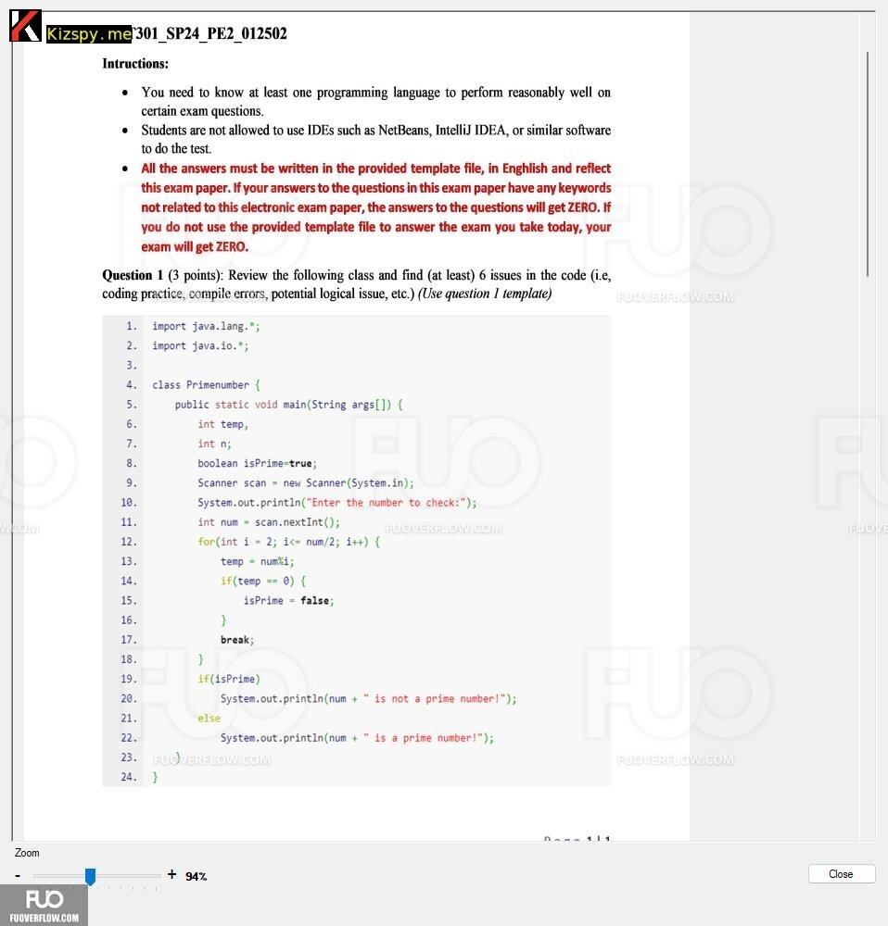
Issue No | Description | Line | Detail
1 | Superfluous import statement should be eliminated | 1 | Eliminate redundant import statements
2 | duplicated declaration instructions | 6,7 | Variable n should never be used
3 | Scanner class cannot be located | 9 | Failure to locate Scanner class, check import or spelling
4 | Syntax error in condition check | 12 | Correct syntax for condition checks
5 | Boolean variable assignment syntax error | 13 | Correct syntax for boolean variable assignment
6 | Loop that iterates at most once should be simplified | 17 | Simplify loop that only iterates once
7 | Direct logging to standard output is discouraged | 20 | Refrain from direct logging with System.out.println()
8 | Print statements missing quotation marks around strings | 22, 24 | Enclose strings in print statements with quotation marks

* Notes: | Blue text is sample, needed to be deleted in the answer

Q2
Function Code |  | vicDiff |  | Function Name |  |  |  |  |  | vicDiff
Created By |  | Lê Văn Tám |  | Executed By
Lines of code |  | 21 |  | Lack of test cases |  |  |  |  |  | -1
Test requirement |  | <Brief description about requirements which are tested in this function>
Passed |  | Failed |  | Untested |  |  |  |  |  | N/A/B |  |  | Total Test Cases
10 |  | 0 |  | 0 |  |  |  |  |  | 8 | 3 | 0 | 10
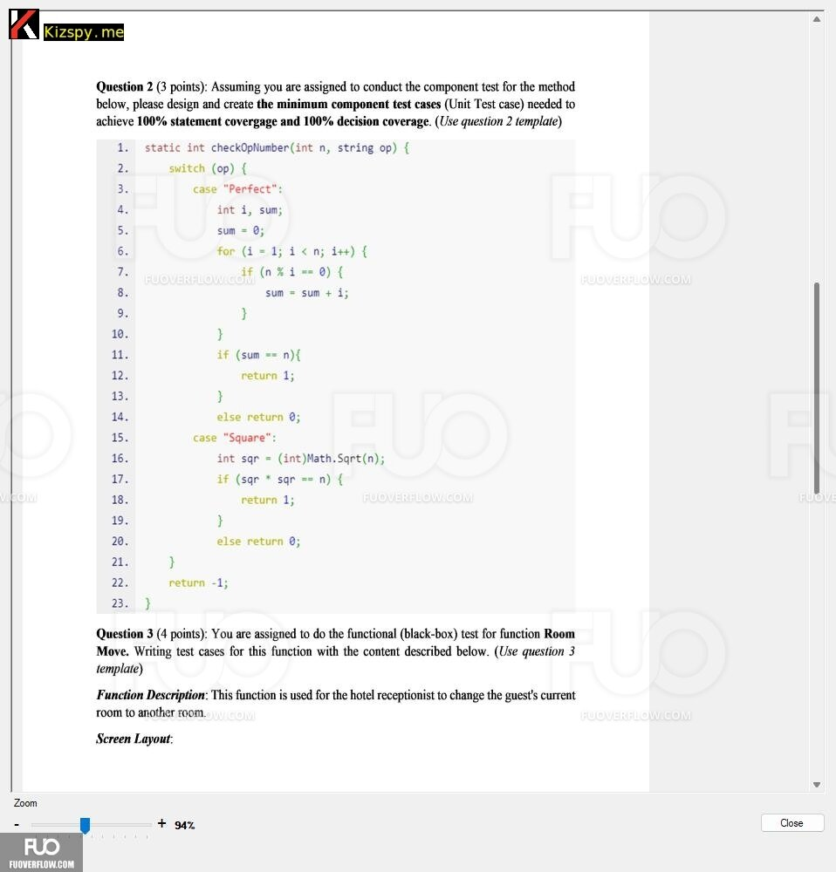
 |  |  |  | UTCID01 | UTCID02 | UTCID03 | UTCID04 | UTCID05 | UTCID06 | UTCID07 | UTCID08 | UTCID09 | UTCID10
Condition | Precondition
 |  |  | Call method checkOpNumber

 | Input condition
 | int n
 |  |  | 0
 |  |  | 1 | O |  |  |  |  |  | O
 |  |  | 2 |  | O
 |  |  | 3 |  |  | O
 |  |  | 4 |  |  |  | O |  |  |  | O
 |  |  | 5 |  |  |  |  | O
 |  |  | 6 |  |  |  |  |  | O |  |  | O | O
 | string op
 |  |  | Perfect |  |  |  | O
 |  |  | Square | O |  | O |  |  | O | O | O | O
 |  |  | null |  | O |  |  | O |  |  |  |  | O

Confirm | Return
 |  |  | -1 |  | O |  |  | O |  |  |  |  | O
 |  |  | 0 |  |  | O | O |  | O
 |  |  | 1 | O |  |  |  |  |  | O | O | O
 | Exception

 | Log message

Result | Type(N : Normal, A : Abnormal, B : Boundary) |  |  | N | A | N | N | A | N | N | N | N | A
 | Passed/Failed |  |  | P | P | P | P | P | P | P | P | P | P
 | Executed Date |  |  | # | # | # | # | # | # | # | # | # | #
 | Defect ID

* Notes: | Blue text is sample, needed to be deleted in the answer
 | Don't edit the grey cell

Q3
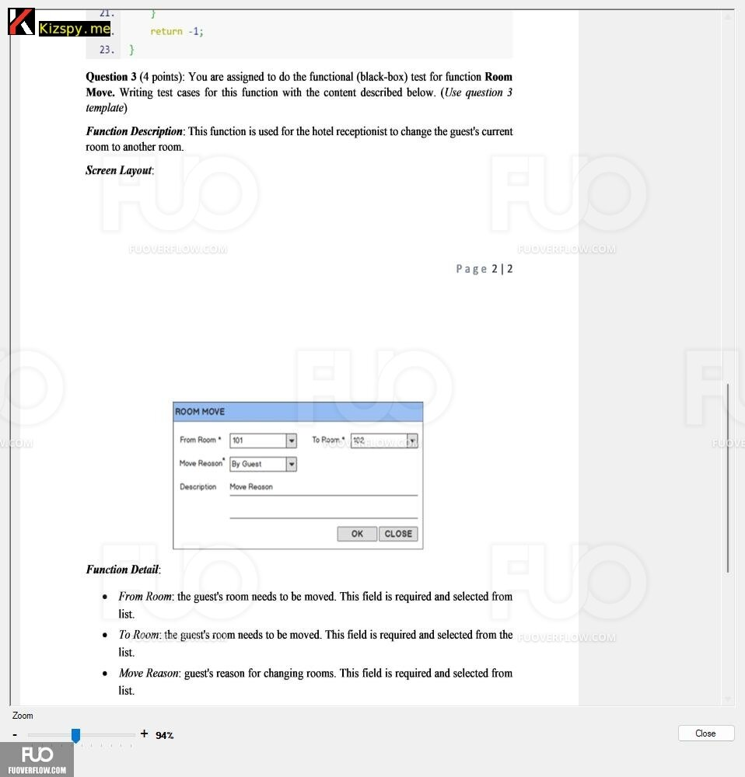
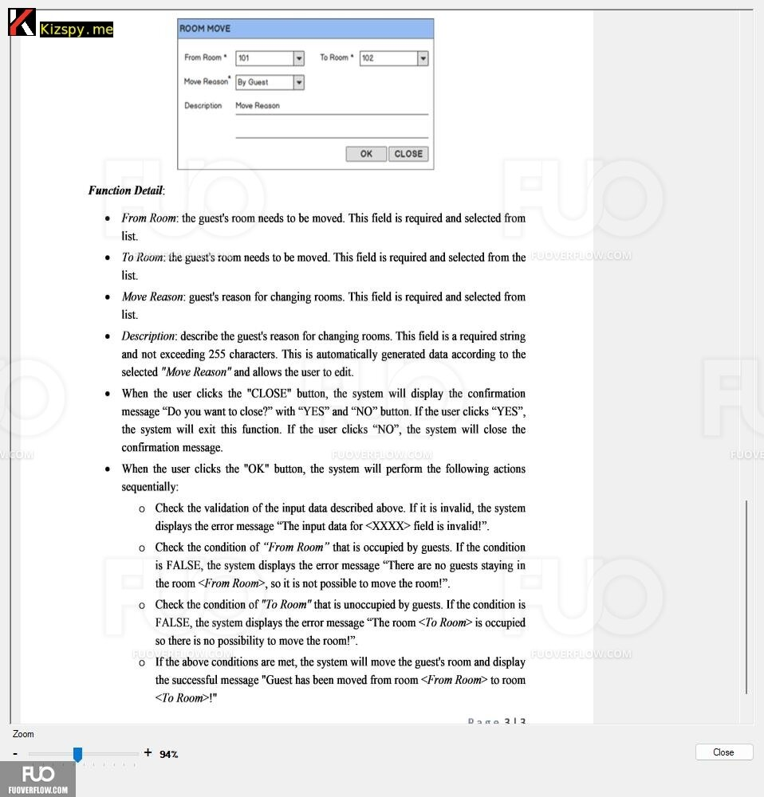
Test case
 |  |  | Pass: 15 | Untested: 0
Module Code | Create new receipt |  | Fail: 0 | N/A: 0
Tester |  |  | Percent Complete: 20% | Number of cases: 16
ID | Test Case Description | Pre -Condition | Test Case Procedure | Expected Output | Result | Bug# | Test date (dd/mm/yyyy) | Note
TC001 | Successful Receipt Creation | User Authentication with Proper Role | 1. Key in "Đối tượng": Lê Văn Tám 2. Check "Ngày" is current Date 3. Key in "Tiền" is 1000000 4. check "Số phiếu" is generated 5. Key in "Diễn giải" is "Thu tiền trà sữa" | a new receipt is successfully created | Untest | N/A |  | VP1, VP2, VP3, VP4, VP5, VP6 Normal flow
TC002 | Invalid date format | User logged into system with correct role | 1. Ensure the user is logged in with the appropriate role. 2. Input an invalid date format (e.g., alphabets) in the "Date" field. 3. Proceed with creating the receipt. | Display error message: "Invalid date format." | Pass | #NA | 2024-04-02 | Invalid date format
TC003 | Future date | User logged into system with correct role | 1. Ensure the user is logged in with the appropriate role. 2. Input a future date in the "Date" field. 3. Proceed with creating the receipt. | Display error message: "Cannot select a future date." | Pass | #NA | 2024-04-02 | Future date
TC004 | Invalid recipient | User logged into system with correct role | 1. Ensure the user is logged in with the appropriate role. 2. Input a non-existent recipient in the "Recipient" field. 3. Proceed with creating the receipt. | Display error message: "Invalid recipient." | Pass | #NA | 2024-04-02 | Invalid recipient
TC005 | Invalid amount | User logged into system with correct role | 1. Ensure the user is logged in with the appropriate role. 2. Input an invalid amount (e.g., negative amount) in the "Amount" field. 3. Proceed with creating the receipt. | Display error message: "Invalid amount." | Pass | #NA | 2024-04-02 | Invalid amount
TC006 | Missing "From Room" selection | User logged into system with correct role | 1. Ensure the user is logged in with the appropriate role. 2. Leave the "From Room" selection empty. 3. Proceed with initiating the room move. | Display error message: "Please select the current room of the guest." | Pass | #NA | 2024-04-02 | Missing "From Room" selection
TC007 | Missing "To Room" selection | User logged into system with correct role | 1. Ensure the user is logged in with the appropriate role. 2. Select a "From Room" but leave the "To Room" selection empty. 3. Proceed with initiating the room move. | Display error message: "Please select the destination room for the guest." | Pass | #NA | 2024-04-02 | Missing "To Room" selection
TC008 | Occupied "From Room" | User logged into system with correct role | 1. Ensure the user is logged in with the appropriate role. 2. Select a "From Room" that is currently occupied by a guest. 3. Select a valid "To Room". 4. Proceed with initiating the room move. | Display error message: "The selected current room is occupied by a guest." | Pass | #NA | 2024-04-02 | Occupied "From Room"
TC009 | Unoccupied "To Room" | User logged into system with correct role | 1. Ensure the user is logged in with the appropriate role. 2. Select a "From Room" that is currently unoccupied. 3. Select a valid "To Room". 4. Proceed with initiating the room move. | Display error message: "The selected destination room is occupied." | Pass | #NA | 2024-04-02 | Unoccupied "To Room"
TC010 | Invalid room selection | User logged into system with correct role | 1. Ensure the user is logged in with the appropriate role. 2. Select a non-existent room as the "From Room". 3. Select a valid "To Room". 4. Proceed with initiating the room move. | Display error message: "Invalid room selection." | Pass | #NA | 2024-04-02 | Invalid room selection
TC011 | Move to the same room | User logged into system with correct role | 1. Ensure the user is logged in with the appropriate role. 2. Select the same room for both "From Room" and "To Room". 3. Proceed with initiating the room move. | Display error message: "Please select a different room for the guest." | Pass | #NA | 2024-04-02 | Move to the same room
TC012 | Valid room move | User logged into system with correct role | 1. Ensure the user is logged in with the appropriate role. 2. Select a valid "From Room". 3. Select a valid "To Room". 4. Proceed with initiating the room move. | The room move is successfully executed. | Pass | #NA | 2024-04-02 | Valid room move
TC013 | Maximum character limit exceeded in "Move Reason" field | User logged into system with correct role | 1. Ensure the user is logged in with the appropriate role. 2. Select a valid "From Room". 3. Select a valid "To Room". 4. Enter a move reason exceeding the maximum character limit (255 characters). 5. Proceed with initiating the room move. | Display error message: "Maximum character limit exceeded in move reason field." | Pass | #NA | 2024-04-02 | Max character limit exceeded
TC014 | Valid input with maximum character limit in "Move Reason" | User logged into system with correct role | 1. Ensure the user is logged in with the appropriate role. 2. Select a valid "From Room". 3. Select a valid "To Room". 4. Enter a move reason within the maximum character limit (255 characters). 5. Proceed with initiating the room move. | The room move is successfully executed. | Pass | #NA | 2024-04-02 | Valid input, max character limit
TC015 | Missing "Move Reason" selection | User logged into system with correct role | 1. Ensure the user is logged in with the appropriate role. 2. Select a valid "From Room". 3. Select a valid "To Room". 4. Leave the "Move Reason" selection empty. 5. Proceed with initiating the room move. | Display error message: "Please select a move reason." | Pass | #NA | 2024-04-02 | Missing "Move Reason" selection
TC016 | Invalid "Move Reason" selection | User logged into system with correct role | 1. Ensure the user is logged in with the appropriate role. 2. Select a valid "From Room". 3. Select a valid "To Room". 4. Select an invalid move reason. 5. Proceed with initiating the room move. | Display error message: "Invalid move reason selection." | Pass | #NA | 2024-04-02 | Invalid "Move Reason" selection

