#1
Agent | Date Listed | Area | List Price | Bedrooms | Baths | SqFt | Type | Pool | Sold
Lang | 2007-10-18 | S.Country | 360000 | 3 | 2.5 | 2330 | Single Family | FALSE | TRUE | Problem 1. Sort data from newest date to oldest date according to Date Listed
Adams | 2007-10-09 | Central | 199000 | 3 | 2.5 | 1510 | Condo | TRUE | FALSE
Kelly | 2007-09-12 | S.Country | 249900 | 2 | 1 | 1101 | Condo | FALSE | FALSE | Result
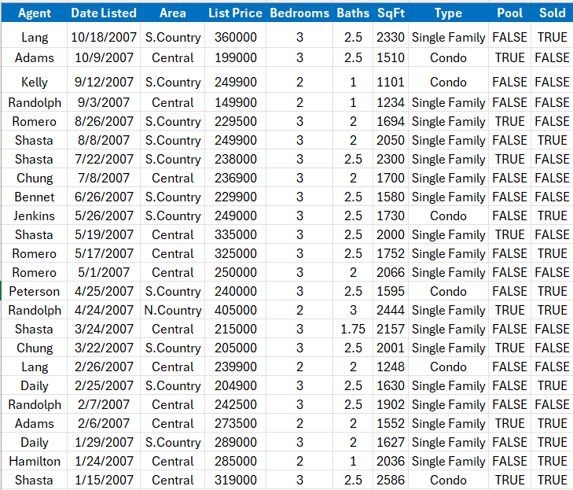
Randolph | 2007-09-03 | Central | 149900 | 2 | 1 | 1234 | Single Family | FALSE | FALSE
Romero | 2007-08-26 | S.Country | 229500 | 3 | 2 | 1694 | Single Family | TRUE | FALSE
Shasta | 2007-08-08 | S.Country | 249900 | 3 | 2 | 2050 | Single Family | FALSE | TRUE
Shasta | 2007-07-22 | S.Country | 238000 | 3 | 2.5 | 2300 | Single Family | TRUE | FALSE
Chung | 2007-07-08 | Central | 236900 | 3 | 2 | 1700 | Single Family | FALSE | FALSE
Bennet | 2007-06-26 | S.Country | 229900 | 3 | 2.5 | 1580 | Single Family | FALSE | FALSE
Jenkins | 2007-05-26 | S.Country | 249000 | 3 | 2.5 | 1730 | Condo | FALSE | TRUE
Shasta | 2007-05-19 | Central | 335000 | 3 | 2.5 | 2000 | Single Family | TRUE | FALSE
Romero | 2007-05-17 | Central | 325000 | 3 | 2.5 | 1752 | Single Family | FALSE | TRUE
Romero | 2007-05-01 | Central | 250000 | 3 | 2 | 2066 | Single Family | FALSE | FALSE
Peterson | 2007-04-25 | S.Country | 240000 | 3 | 2.5 | 1595 | Condo | FALSE | TRUE
Randolph | 2007-04-24 | N.Country | 405000 | 2 | 3 | 2444 | Single Family | TRUE | TRUE
Shasta | 2007-03-24 | Central | 215000 | 3 | 1.75 | 2157 | Single Family | FALSE | FALSE
Chung | 2007-03-22 | S.Country | 205000 | 3 | 2.5 | 2001 | Single Family | TRUE | FALSE
Lang | 2007-02-26 | Central | 239900 | 2 | 2 | 1248 | Condo | FALSE | FALSE
Daily | 2007-02-25 | S.Country | 204900 | 3 | 2.5 | 1630 | Single Family | FALSE | TRUE
Randolph | 2007-02-07 | Central | 242500 | 3 | 2.5 | 1902 | Single Family | FALSE | FALSE
Adams | 2007-02-06 | Central | 273500 | 2 | 2 | 1552 | Single Family | TRUE | TRUE
Daily | 2007-01-29 | S.Country | 289000 | 3 | 2 | 1627 | Single Family | FALSE | TRUE
Hamilton | 2007-01-24 | Central | 285000 | 2 | 1 | 2036 | Single Family | FALSE | TRUE
Shasta | 2007-01-15 | Central | 319000 | 3 | 2.5 | 2586 | Condo | TRUE | TRUE

#2
Agent | Date Listed | Area | List Price | Bedrooms | Baths | SqFt | Type | Pool | Sold
Randolph | 2007-09-03 | Central | 149900 | 2 | 1 | 1234 | Single Family | FALSE | FALSE | Problem 2. Sort data according to Ascending of Area
Lang | 2007-02-26 | Central | 239900 | 2 | 2 | 1248 | Condo | FALSE | FALSE
Adams | 2007-02-06 | Central | 273500 | 2 | 2 | 1552 | Single Family | TRUE | TRUE | Result
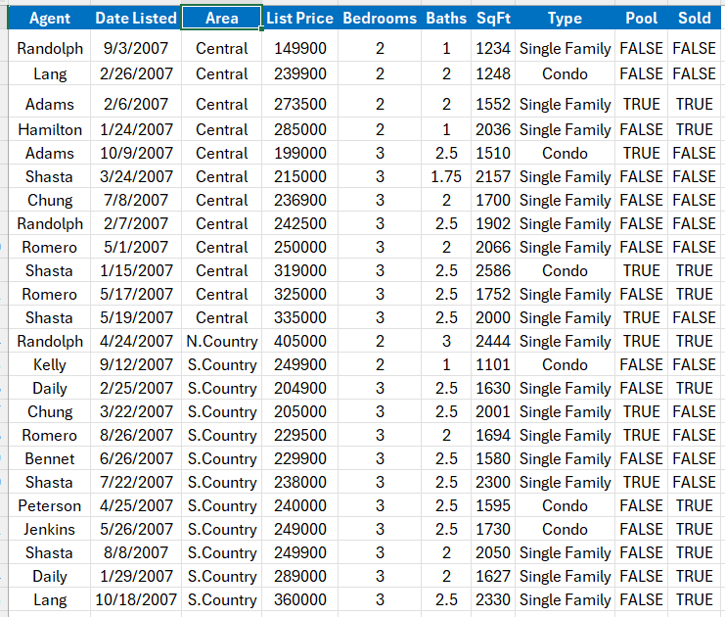
Hamilton | 2007-01-24 | Central | 285000 | 2 | 1 | 2036 | Single Family | FALSE | TRUE
Adams | 2007-10-09 | Central | 199000 | 3 | 2.5 | 1510 | Condo | TRUE | FALSE
Shasta | 2007-03-24 | Central | 215000 | 3 | 1.75 | 2157 | Single Family | FALSE | FALSE
Chung | 2007-07-08 | Central | 236900 | 3 | 2 | 1700 | Single Family | FALSE | FALSE
Randolph | 2007-02-07 | Central | 242500 | 3 | 2.5 | 1902 | Single Family | FALSE | FALSE
Romero | 2007-05-01 | Central | 250000 | 3 | 2 | 2066 | Single Family | FALSE | FALSE
Shasta | 2007-01-15 | Central | 319000 | 3 | 2.5 | 2586 | Condo | TRUE | TRUE
Romero | 2007-05-17 | Central | 325000 | 3 | 2.5 | 1752 | Single Family | FALSE | TRUE
Shasta | 2007-05-19 | Central | 335000 | 3 | 2.5 | 2000 | Single Family | TRUE | FALSE
Randolph | 2007-04-24 | N.Country | 405000 | 2 | 3 | 2444 | Single Family | TRUE | TRUE
Kelly | 2007-09-12 | S.Country | 249900 | 2 | 1 | 1101 | Condo | FALSE | FALSE
Daily | 2007-02-25 | S.Country | 204900 | 3 | 2.5 | 1630 | Single Family | FALSE | TRUE
Chung | 2007-03-22 | S.Country | 205000 | 3 | 2.5 | 2001 | Single Family | TRUE | FALSE
Romero | 2007-08-26 | S.Country | 229500 | 3 | 2 | 1694 | Single Family | TRUE | FALSE
Bennet | 2007-06-26 | S.Country | 229900 | 3 | 2.5 | 1580 | Single Family | FALSE | FALSE
Shasta | 2007-07-22 | S.Country | 238000 | 3 | 2.5 | 2300 | Single Family | TRUE | FALSE
Peterson | 2007-04-25 | S.Country | 240000 | 3 | 2.5 | 1595 | Condo | FALSE | TRUE
Jenkins | 2007-05-26 | S.Country | 249000 | 3 | 2.5 | 1730 | Condo | FALSE | TRUE
Shasta | 2007-08-08 | S.Country | 249900 | 3 | 2 | 2050 | Single Family | FALSE | TRUE
Daily | 2007-01-29 | S.Country | 289000 | 3 | 2 | 1627 | Single Family | FALSE | TRUE
Lang | 2007-10-18 | S.Country | 360000 | 3 | 2.5 | 2330 | Single Family | FALSE | TRUE

#3
Agent | Date Listed | Area | List Price | Bedrooms | Baths | SqFt | Type | Pool | Sold
Shasta | 2007-07-22 | S.Country | 238000 | 3 | 2.5 | 2300 | Single Family | TRUE | FALSE | Problem 3. Sort data according to Descending of Agent name
Shasta | 2007-08-08 | S.Country | 249900 | 3 | 2 | 2050 | Single Family | FALSE | TRUE
Shasta | 2007-03-24 | Central | 215000 | 3 | 1.75 | 2157 | Single Family | FALSE | FALSE | Result
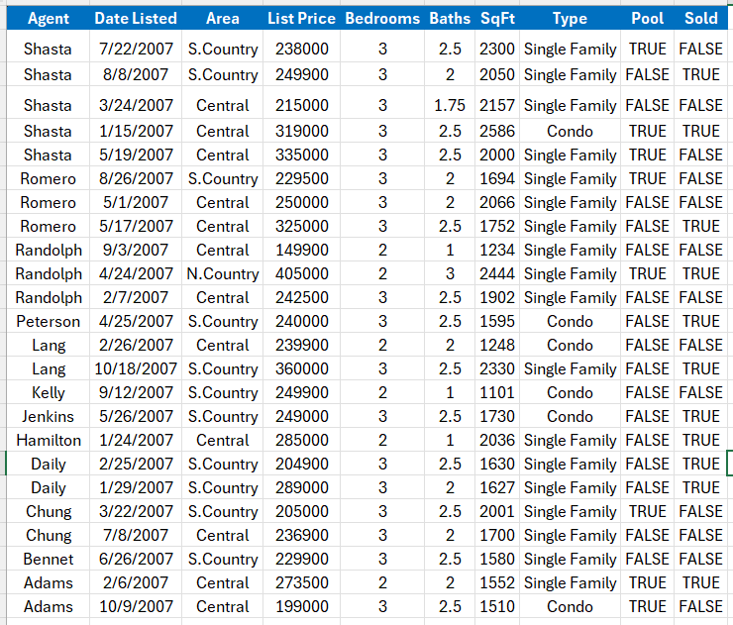
Shasta | 2007-01-15 | Central | 319000 | 3 | 2.5 | 2586 | Condo | TRUE | TRUE
Shasta | 2007-05-19 | Central | 335000 | 3 | 2.5 | 2000 | Single Family | TRUE | FALSE
Romero | 2007-08-26 | S.Country | 229500 | 3 | 2 | 1694 | Single Family | TRUE | FALSE
Romero | 2007-05-01 | Central | 250000 | 3 | 2 | 2066 | Single Family | FALSE | FALSE
Romero | 2007-05-17 | Central | 325000 | 3 | 2.5 | 1752 | Single Family | FALSE | TRUE
Randolph | 2007-09-03 | Central | 149900 | 2 | 1 | 1234 | Single Family | FALSE | FALSE
Randolph | 2007-04-24 | N.Country | 405000 | 2 | 3 | 2444 | Single Family | TRUE | TRUE
Randolph | 2007-02-07 | Central | 242500 | 3 | 2.5 | 1902 | Single Family | FALSE | FALSE
Peterson | 2007-04-25 | S.Country | 240000 | 3 | 2.5 | 1595 | Condo | FALSE | TRUE
Lang | 2007-02-26 | Central | 239900 | 2 | 2 | 1248 | Condo | FALSE | FALSE
Lang | 2007-10-18 | S.Country | 360000 | 3 | 2.5 | 2330 | Single Family | FALSE | TRUE
Kelly | 2007-09-12 | S.Country | 249900 | 2 | 1 | 1101 | Condo | FALSE | FALSE
Jenkins | 2007-05-26 | S.Country | 249000 | 3 | 2.5 | 1730 | Condo | FALSE | TRUE
Hamilton | 2007-01-24 | Central | 285000 | 2 | 1 | 2036 | Single Family | FALSE | TRUE
Daily | 2007-02-25 | S.Country | 204900 | 3 | 2.5 | 1630 | Single Family | FALSE | TRUE
Daily | 2007-01-29 | S.Country | 289000 | 3 | 2 | 1627 | Single Family | FALSE | TRUE
Chung | 2007-03-22 | S.Country | 205000 | 3 | 2.5 | 2001 | Single Family | TRUE | FALSE
Chung | 2007-07-08 | Central | 236900 | 3 | 2 | 1700 | Single Family | FALSE | FALSE
Bennet | 2007-06-26 | S.Country | 229900 | 3 | 2.5 | 1580 | Single Family | FALSE | FALSE
Adams | 2007-02-06 | Central | 273500 | 2 | 2 | 1552 | Single Family | TRUE | TRUE
Adams | 2007-10-09 | Central | 199000 | 3 | 2.5 | 1510 | Condo | TRUE | FALSE

#4
Agent | Date Listed | Area | List Price | Bedrooms | Baths | SqFt | Type | Pool | Sold
Kelly | 2007-09-12 | S.Country | 249900 | 2 | 1 | 1101 | Condo | FALSE | FALSE | Problem 4. Sort data in order of Area: S.Country - Central - N.Country
Daily | 2007-02-25 | S.Country | 204900 | 3 | 2.5 | 1630 | Single Family | FALSE | TRUE
Chung | 2007-03-22 | S.Country | 205000 | 3 | 2.5 | 2001 | Single Family | TRUE | FALSE | Result
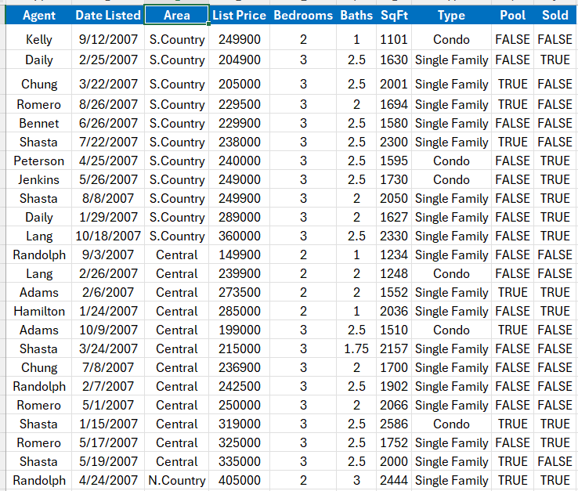
Romero | 2007-08-26 | S.Country | 229500 | 3 | 2 | 1694 | Single Family | TRUE | FALSE
Bennet | 2007-06-26 | S.Country | 229900 | 3 | 2.5 | 1580 | Single Family | FALSE | FALSE
Shasta | 2007-07-22 | S.Country | 238000 | 3 | 2.5 | 2300 | Single Family | TRUE | FALSE
Peterson | 2007-04-25 | S.Country | 240000 | 3 | 2.5 | 1595 | Condo | FALSE | TRUE
Jenkins | 2007-05-26 | S.Country | 249000 | 3 | 2.5 | 1730 | Condo | FALSE | TRUE
Shasta | 2007-08-08 | S.Country | 249900 | 3 | 2 | 2050 | Single Family | FALSE | TRUE
Daily | 2007-01-29 | S.Country | 289000 | 3 | 2 | 1627 | Single Family | FALSE | TRUE
Lang | 2007-10-18 | S.Country | 360000 | 3 | 2.5 | 2330 | Single Family | FALSE | TRUE
Randolph | 2007-09-03 | Central | 149900 | 2 | 1 | 1234 | Single Family | FALSE | FALSE
Lang | 2007-02-26 | Central | 239900 | 2 | 2 | 1248 | Condo | FALSE | FALSE
Adams | 2007-02-06 | Central | 273500 | 2 | 2 | 1552 | Single Family | TRUE | TRUE
Hamilton | 2007-01-24 | Central | 285000 | 2 | 1 | 2036 | Single Family | FALSE | TRUE
Adams | 2007-10-09 | Central | 199000 | 3 | 2.5 | 1510 | Condo | TRUE | FALSE
Shasta | 2007-03-24 | Central | 215000 | 3 | 1.75 | 2157 | Single Family | FALSE | FALSE
Chung | 2007-07-08 | Central | 236900 | 3 | 2 | 1700 | Single Family | FALSE | FALSE
Randolph | 2007-02-07 | Central | 242500 | 3 | 2.5 | 1902 | Single Family | FALSE | FALSE
Romero | 2007-05-01 | Central | 250000 | 3 | 2 | 2066 | Single Family | FALSE | FALSE
Shasta | 2007-01-15 | Central | 319000 | 3 | 2.5 | 2586 | Condo | TRUE | TRUE
Romero | 2007-05-17 | Central | 325000 | 3 | 2.5 | 1752 | Single Family | FALSE | TRUE
Shasta | 2007-05-19 | Central | 335000 | 3 | 2.5 | 2000 | Single Family | TRUE | FALSE
Randolph | 2007-04-24 | N.Country | 405000 | 2 | 3 | 2444 | Single Family | TRUE | TRUE

#5
Agent | Date Listed | Area | List Price | Bedrooms | Baths | SqFt | Type | Pool | Sold
Randolph | 2007-09-03 | Central | 149900 | 2 | 1 | 1234 | Single Family | FALSE | FALSE
Lang | 2007-02-26 | Central | 239900 | 2 | 2 | 1248 | Condo | FALSE | FALSE | Result
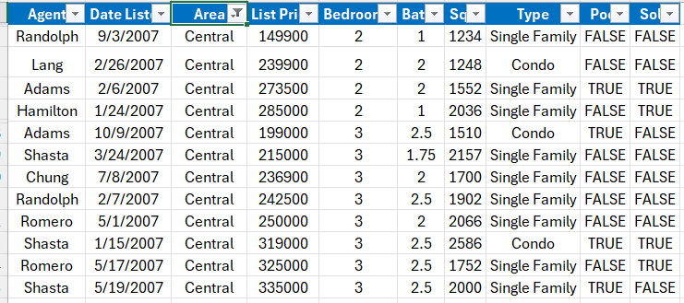
Adams | 2007-02-06 | Central | 273500 | 2 | 2 | 1552 | Single Family | TRUE | TRUE
Hamilton | 2007-01-24 | Central | 285000 | 2 | 1 | 2036 | Single Family | FALSE | TRUE
Adams | 2007-10-09 | Central | 199000 | 3 | 2.5 | 1510 | Condo | TRUE | FALSE
Shasta | 2007-03-24 | Central | 215000 | 3 | 1.75 | 2157 | Single Family | FALSE | FALSE
Chung | 2007-07-08 | Central | 236900 | 3 | 2 | 1700 | Single Family | FALSE | FALSE
Randolph | 2007-02-07 | Central | 242500 | 3 | 2.5 | 1902 | Single Family | FALSE | FALSE
Romero | 2007-05-01 | Central | 250000 | 3 | 2 | 2066 | Single Family | FALSE | FALSE
Shasta | 2007-01-15 | Central | 319000 | 3 | 2.5 | 2586 | Condo | TRUE | TRUE
Romero | 2007-05-17 | Central | 325000 | 3 | 2.5 | 1752 | Single Family | FALSE | TRUE
Shasta | 2007-05-19 | Central | 335000 | 3 | 2.5 | 2000 | Single Family | TRUE | FALSE

#2.1
order date | region | rep | item | units | unit cost | revenue
2019-01-06 | East | Jones | Pencil | 95 | 1.99 | 189.05 | Problem 1. Calculate the total Units sold in East
2019-01-23 | Central | Kivell | Binder | 50 | 19.99 | 999.5
2019-02-09 | Central | Jardine | Pencil | 36 | 4.99 | 179.64 | Result
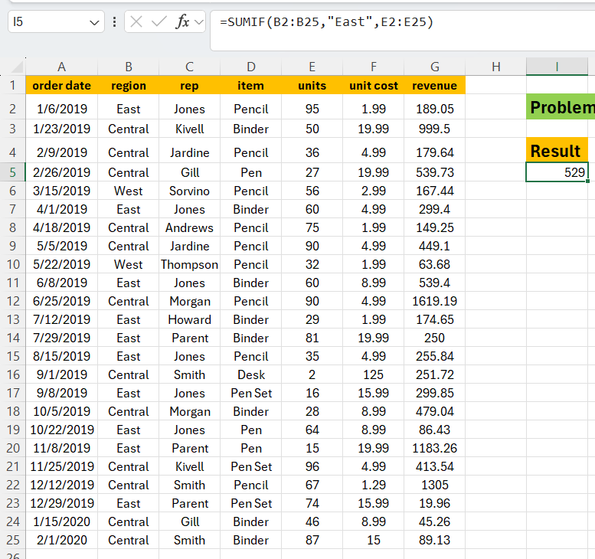
2019-02-26 | Central | Gill | Pen | 27 | 19.99 | 539.73 | 529
2019-03-15 | West | Sorvino | Pencil | 56 | 2.99 | 167.44
2019-04-01 | East | Jones | Binder | 60 | 4.99 | 299.4
2019-04-18 | Central | Andrews | Pencil | 75 | 1.99 | 149.25
2019-05-05 | Central | Jardine | Pencil | 90 | 4.99 | 449.1
2019-05-22 | West | Thompson | Pencil | 32 | 1.99 | 63.68
2019-06-08 | East | Jones | Binder | 60 | 8.99 | 539.4
2019-06-25 | Central | Morgan | Pencil | 90 | 4.99 | 1619.19
2019-07-12 | East | Howard | Binder | 29 | 1.99 | 174.65
2019-07-29 | East | Parent | Binder | 81 | 19.99 | 250
2019-08-15 | East | Jones | Pencil | 35 | 4.99 | 255.84
2019-09-01 | Central | Smith | Desk | 2 | 125 | 251.72
2019-09-08 | East | Jones | Pen Set | 16 | 15.99 | 299.85
2019-10-05 | Central | Morgan | Binder | 28 | 8.99 | 479.04
2019-10-22 | East | Jones | Pen | 64 | 8.99 | 86.43
2019-11-08 | East | Parent | Pen | 15 | 19.99 | 1183.26
2019-11-25 | Central | Kivell | Pen Set | 96 | 4.99 | 413.54
2019-12-12 | Central | Smith | Pencil | 67 | 1.29 | 1305
2019-12-29 | East | Parent | Pen Set | 74 | 15.99 | 19.96
2020-01-15 | Central | Gill | Binder | 46 | 8.99 | 45.26
2020-02-01 | Central | Smith | Binder | 87 | 15 | 89.13

