interactions
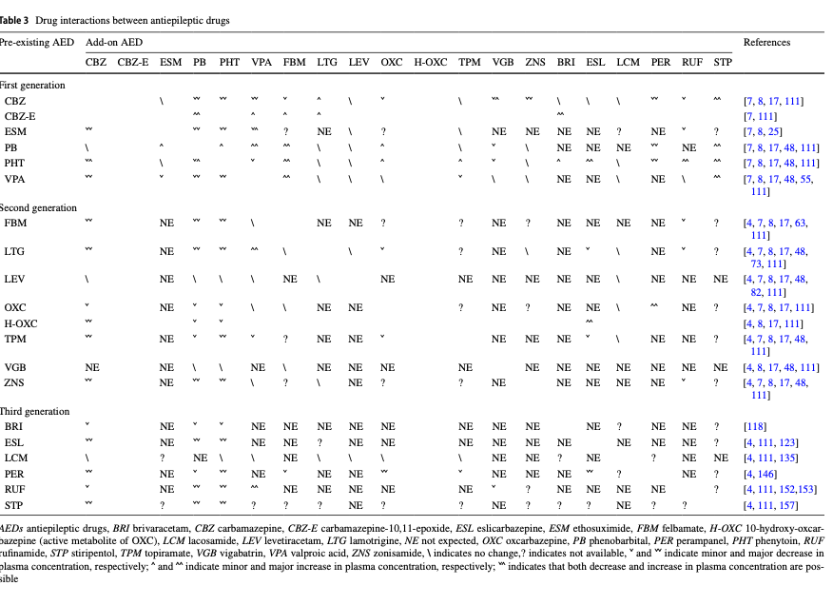
variable | legend
t_1/2 | half life
t_max_c | time to maximum concentration
p_binding | percent bound to serum proteins
PK | pharmacokinetics

monotherapy

