Sheet1
Name | Bio | Google Scholar | linkedin | Github | Email | Column3 | Picture | Column1 | Column2
Mostafa Abbaszadeh | Mostafa Abbaszadeh is an Associate Professor of Applied Mathematics at Amirkabir University of Technology in Tehran, Iran. His research primarily focuses on numerical methods for partial differential equations, computational mechanics, and mathematical modeling. He has contributed significantly to the field through various publications, including studies on the proper orthogonal decomposition method and meshless methods for numerical simulations. Abbaszadeh has collaborated with researchers internationally and has presented his work at numerous conferences. His contributions have been recognized in several academic journals, where he has served as a reviewer. He is dedicated to advancing the understanding and application of mathematical techniques in engineering and physical sciences. | https://scholar.google.com/citations?hl=en&user=9nuBcAIAAAAJ&view_op=list_works&sortby=pubdate | https://www.linkedin.com/in/mostafa-abbaszadeh-81493b248/ | github.com/MAbbaszadeh1988 | mabbaszadeh.aut@gmail.com |  | 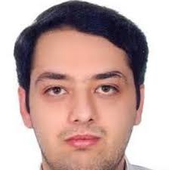
Mohammad Mahdi Hajiabbasi | Mohammad Mahdi Haji Abbasi is a graduate student in the Artificial Intelligence Master's program at Amirkabir University of Technology, currently in his third semester with an outstanding GPA of 19. He earned his bachelor's degree in mathematics with a GPA of 18.19 and was directly admitted to the master's program without an entrance exam. His primary research focuses on portfolio optimization using neural networks, particularly transformers and graph neural networks. Additionally, he is exploring numerical solutions of differential equations through neural networks. Mohammad is dedicated to applying advanced mathematical and computational techniques to address complex challenges in finance and science. |  | https://www.linkedin.com/in/mohammad-mahdi-hajiabbasi-87824020b/ | https://github.com/hajiabbasi | hajiabbasi@aut.ac.ir |  | 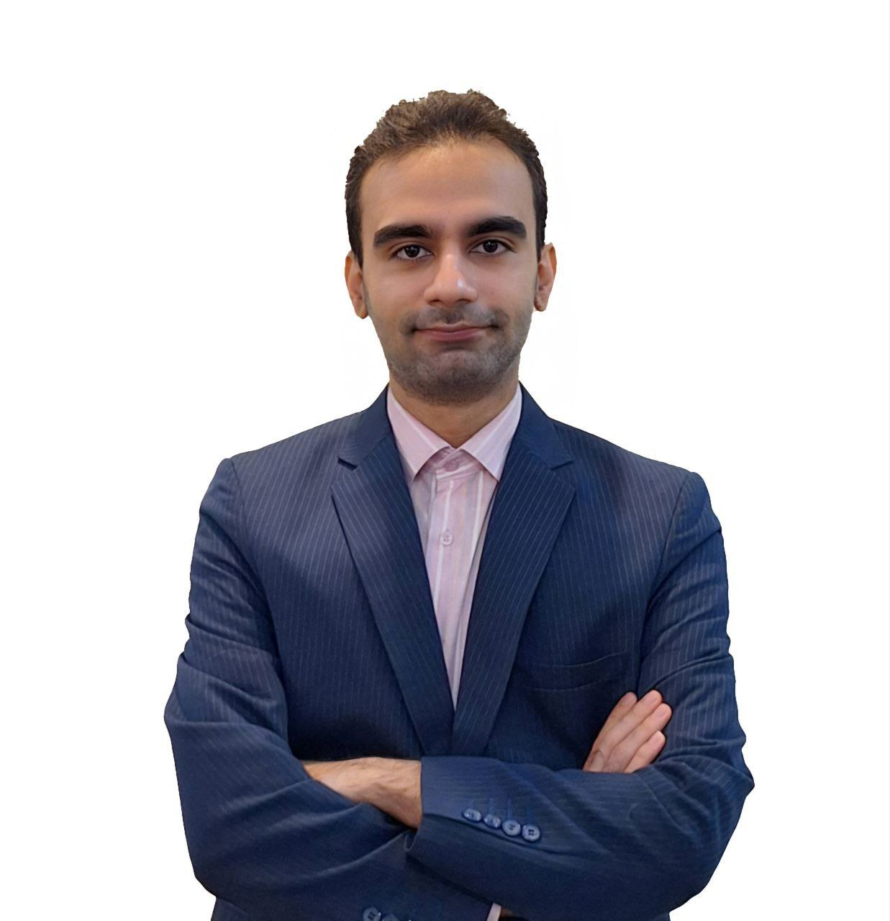
Fatemeh Moaven | Fatemeh Moaven is a PhD student in Applied Mathematics with a focus on Numerical Analysis at Amirkabir University of Technology. She holds a master's degree in Numerical Analysis from Iran University of Science and Technology. Her master's thesis was dedicated to the analysis of cardiac signals using neural networks, and her doctoral dissertation focuses on discovering mathematical models based on data. She is interested in research in the fields of data mining and machine learning and is seeking to advance in these areas. |  | https://www.linkedin.com/in/fatemeh-moaven-1151b2231/ | https://github.com/Fm1540440 | fatemeh.moaven@aut.ac.ir |  | 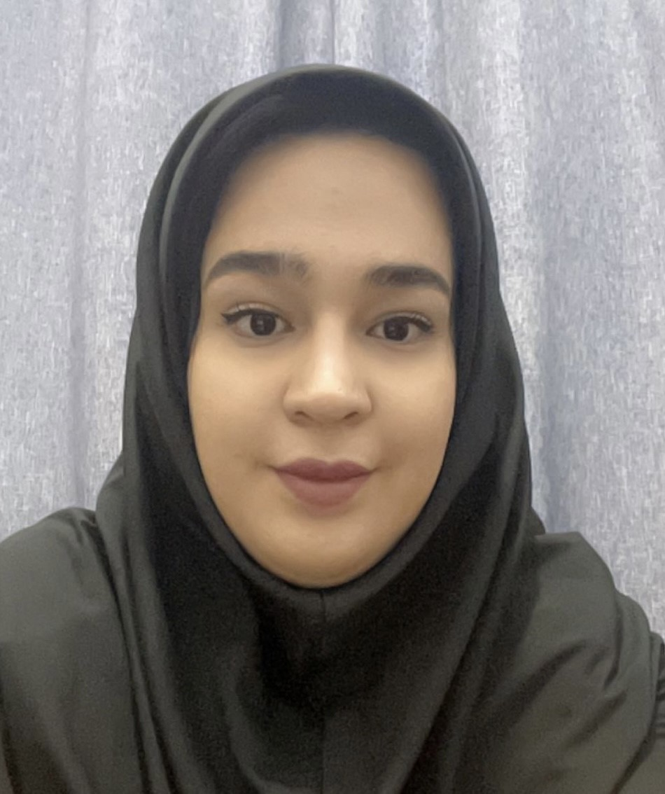
Reza Masoumzadeh | Reza Masoumzadeh is a Master's graduate in Numerical Analysis from Amirkabir University of Technology. He is a Bachelor's graduate in Mathematics and Applications from Isfahan University of Technology. His Master's thesis was dedicated to the simulation of two-phase flows based on the incompressible Cahn-Hilliard-Navier-Stokes (CHNS) equations using the isogeometric analysis (IGA) method. Accordingly, his research primarily focuses on numerical methods for solving partial differential equations. Masoumzadeh is interested in researching and working in the fields of machine learning and data mining, especially for combining such algorithms with numerical methods. Reza is proficient in programming with MATLAB, Maple and Python. | https://scholar.google.com/citations?user=y7G-HgEAAAAJ&hl=en&oi=sra | https://www.linkedin.com/in/reza-masoumzadeh-10a09b225?utm_source=share&utm_campaign=share_via&utm_content=profile&utm_medium=android_app | https://github.com/RezaMz77 | reza.masoumzade@aut.ac.ir |  | 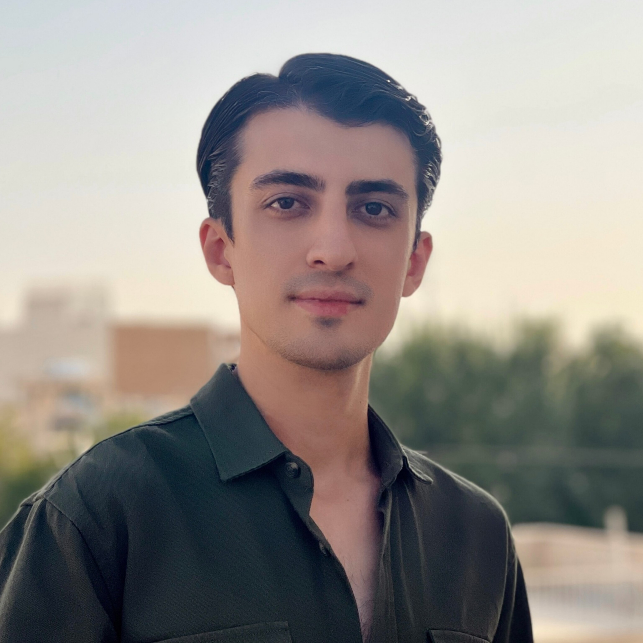
Elnaz Ramezani | Elnaz Ramezani is a master's student in Financial Mathematics. My project focuses on default prediction using explainable machine learning models. Additionally, I am interested in data science and work as a data analyst, utilizing Power BI, SQL, and Python. |  | https://www.linkedin.com/in/elnazramezani |  | elnaz.rmzn@aut.ac.ir |  | 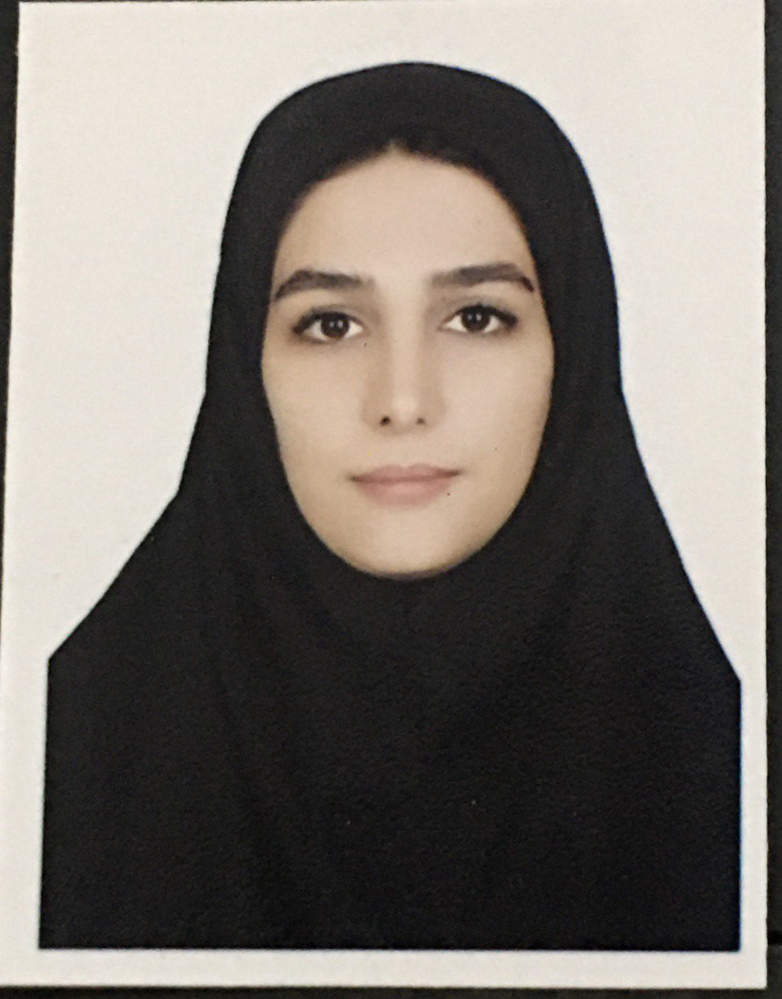
Nima Mohamadi | Nima Mohammadi is a Ph.D. student at Amirkabir University of Technology, conducting research on numerical methods and computational physics, utilizing machine learning techniques for the analysis of psychological models. He completed his master's degree at Amirkabir University of Technology, where he researched mesh-free numerical methods in financial mathematical models. He is also proficient in MATLAB and Python and is interested in applying data science algorithms in various fields. | https://scholar.google.com/citations?user=pUoXdQsAAAAJ&hl=fa | https://www.linkedin.com/in/nima-mohammadi-764a9a228 | https://github.com/NMohammadi76 | nima_mohammadi@aut.ac.ir |  | 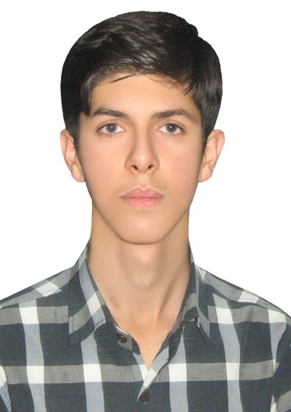
Mohaddese Heydari | Mohaddeseh Heidari is a Master's student in Applied Mathematics, specializing in Numerical Analysis at Amirkabir University. Her thesis is focused on predicting cryptocurrency prices using machine learning methods. Her interests include machine learning, data mining, the application of mathematics in finance, and areas related to numerical analysis. |  | https://www.linkedin.com/in/mohaddeseheydari |  | mohaddese.heydari@aut.ac.ir | 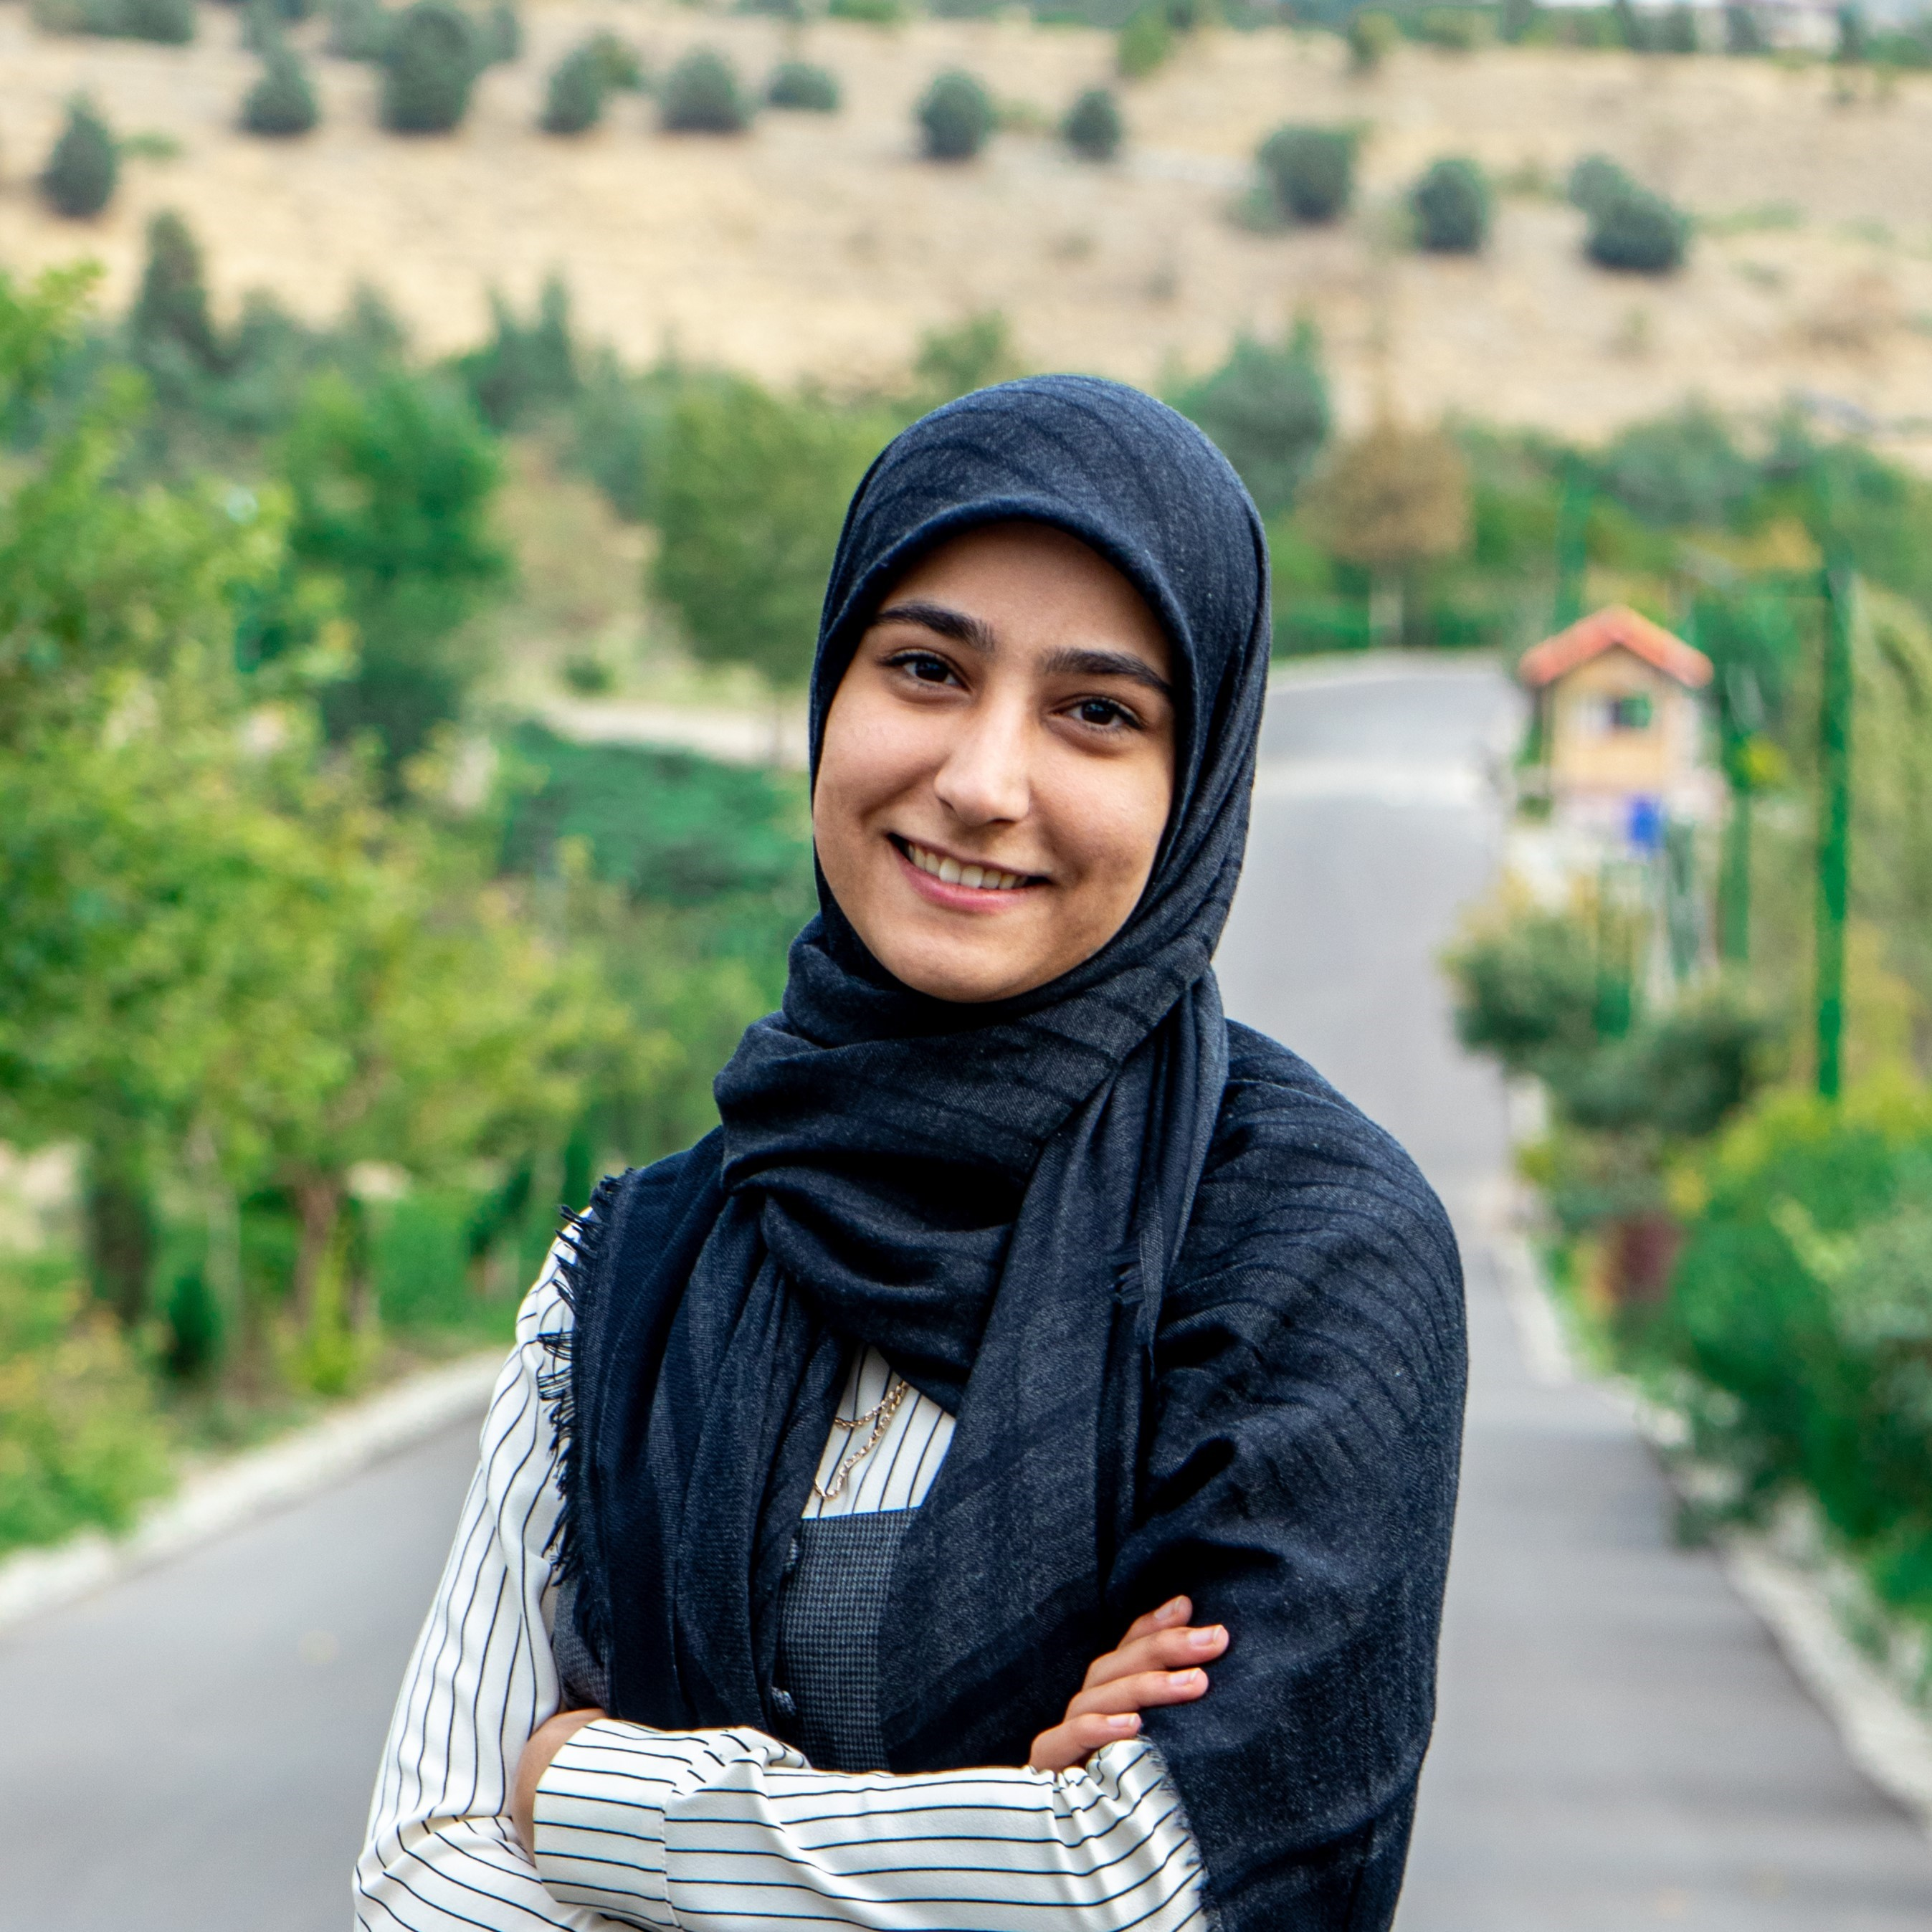
M. Soroush Ghafari | M. Soroush Ghafari graduated with a Master's degree in Applied Mathematics, specializing in solving equations related to fluid dynamics using numerical methods. His thesis focused on the simulation and numerical solution of the Navier-Stokes-Cahn-Hilliard equation using local meshless methods. He has a strong interest in fluid dynamics, particularly in the context of climate change and geophysics. Ghafari is proficient in programming languages such as MATLAB and Python. He is currently exploring integrating numerical methods with machine learning and data science to develop more accurate models for fluid dynamics. |  | https://www.linkedin.com/in/soroushghafari |  | m.soroush.g@gmail.com
M. Amin Ghoreyshi | Amin Ghoreyshi is a master’s student in applied mathematics at Amirkabir University of Technology (Tehran Polytechnic). He holds a Bachelor's degree in mathematics and its applications from Shahid Chamran University of Ahvaz. His master’s thesis centers on numerical methods for solving fractional partial differential equations (FPDEs). Ghoreyshi has worked on various numerical methods and models involving distributed-order FPDEs. His research interests include mathematical modeling, fractional calculus, mathematical analysis, numerical linear algebra and numerical methods for partial integro-differential equations. Amin has some experience with Python and regularly uses MATLAB. |  | https://www.linkedin.com/in/aminghoreyshi/ |  | amin.ghoreyshi7@gmail.com, aminghoreyshi@aut.ac.ir
Akram Karimi | Master's student in financial mathematics of AmirKabir University (AUT) in Tehran. She has a PHD in numerical analysis. She is working in the numerical braches of mathematics as: solving pde and ode and integral equations by numerical methods or machine learning. |  |  |  | akram.karimi @aut.ac.ir
Masood Farahani | Masood Farahani, Ph.D. student of Amirkabir University of Technology, conducting research on numerical methods for solving partial differential equations (PDEs) and numerical methods for solving fractional partial differential equations (FPDEs). He completed his master's degree at Amirkabir University of Technology, where he researched numerical methods in financial mathematical models. He is also proficient in MATLAB and Python and is interested in developing mathematical techniques in engineering and biology and some other physical fields. | https://scholar.google.com/citations?hl=en&view_op=list_works&gmla=ALUCkoUA1L5NxPW1a-Aon8TSTDYNCKA1ynTyO9GkanSaOJ5hDUDT8cpffqcdJ0CmSANvyOpppYsaPv74CUgTHxVepyYt6sJXHIc14hzoN-I&user=NN3D0CwAAAAJ | linkedin.com/in/masood-farahani-a31a65167 | https://github.com/masoodfarahani | masoodfarahani@aut.ac.ir

Zeynab Baralak | Zeynab Baralak is a PhD student in Applied Mathematics at Amirkabir University of Technology. Her research centers on numerical methods for solving partial differential equations (PDEs), specifically utilizing the Discontinuous Galerkin (DG) method to model acoustic waves and analyze noise generated by turbulent fluids. She is proficient in both MATLAB and Python. Zeynab holds a master’s degree in Financial Mathematics from Allameh Tabataba'i University, where her main area of expertise was financial modeling for option pricing. During her studies, she also gained experience in accounting and worked as an accountant. |  |  |  | zeynab.baralak@aut.ac.ir |  | 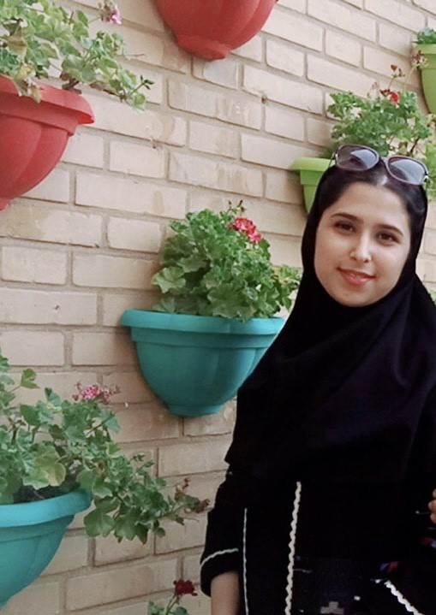
Mohammad Reza Ahmadi | Mohammad Reza Ahmadi is a Ph.D. candidate in Applied Mathematics with a focus on Financial Mathematics at Amirkabir University of Technology. He earned his Master's degree in Financial Mathematics from the University of Isfahan. His primary research interests lie in the mathematical modeling of financial markets and the study of stochastic differential equations associated with these models for option pricing. He employs a wide range of stochastic processes in his work, including Brownian motion, fractional Brownian motion, and various types of Lévy processes, such as pure jump and jump-diffusion processes. He is also interested in solving fractional partial differential equations (FPDEs) derived from financial mathematics models, along with their numerical solutions. Driven by a strong passion for applying mathematical models to financial markets, Mohammad Reza is actively exploring and validating his models in real-world financial settings. |  |  | https://github.com/Mohammad-Reza-Ahmadi | mohammadreza.ahmadi@aut.ac.ir |  | 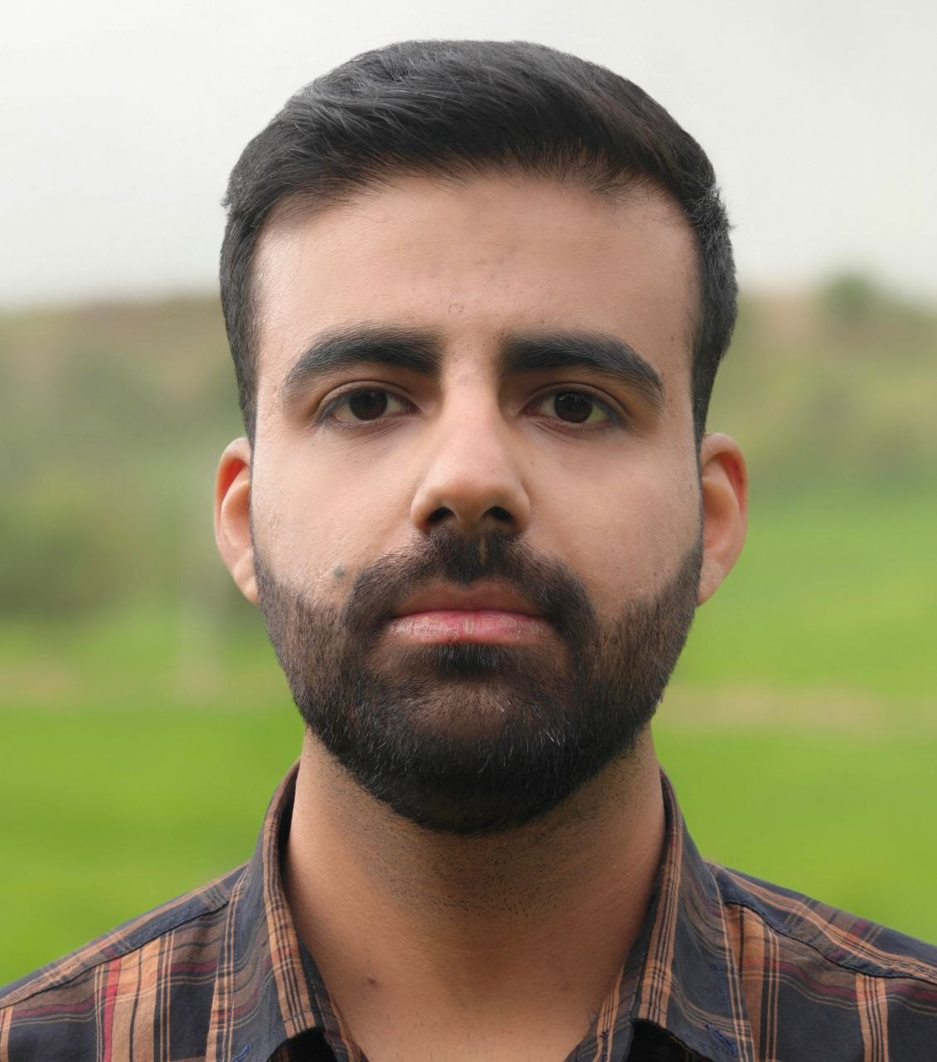
Baharak Hooshyar Farzin | Baharak Hooshyar Farzin is a Ph.D. student at Amirkabir University of Technology. Her research focuses on enhanced finite element methods for the numerical solutions of partial differential equations. She holds her Master's degree from Amirkabir University of Technology. Her Master's thesis was dedicated to the proper orthogonal decomposition idea and finite element method for numerical solution of the solute transport equation. She is interested in developing numerical approaches based on weak Galerkin finite, isoparametric, and virtual element methods to solve practical engineering problems. | https://scholar.google.com/citations?user=WA5zYxUAAAAJ&hl=en |  |  | baharak.farzin74@aut.ac.ir
Maedeh Nemati | Maedeh Nemati is a master’ student in in applied mathematics at Amirkabir University of Technology (Tehran Polytechnic). His thesis is about the numerical solution of Schrödinger-Poisson equation with application in cosmology and nonlinear optics. |  |  |  | maede.nemati@aut.ac.ir | 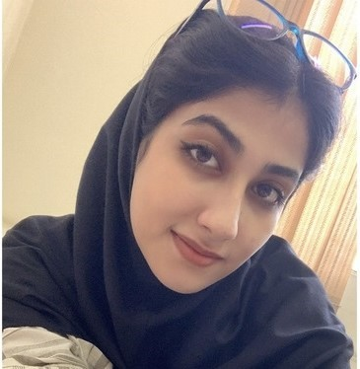
Mahya Pashapour | Mahya Pashapour is a master's student in Applied Mathematics, Numerical Analysis, at Amirkabir University of Technology (Tehran Polytechnic). Her research focuses on solving partial differential equations (PDEs) and parameter estimation for these equations using Physics-Informed Neural Networks (PINNs). She is working on the Fisher-KPP reaction-diffusion equation, which is used to model cell invasion. Pashapour is proficient in Python and MATLAB for numerical methods in solving PDEs. She holds a bachelor's degree in Applied Mathematics from Amirkabir University of Technology (Tehran Polytechnic). |  | https://www.linkedin.com/in/mahya-pashapour-18a939264 | https://github.com/mahyapashapour | mahyapashapour@aut.ac.ir
Shila Rezvani | Shila Rezvani is a master's student in applied mathematics in the field of numerical analysis at Amirkabir University of Technology. She has also completed her bachelor's degree in applied mathematics in the same university. Her research is in the field of various diseases such as the Corona virus and Alzheimer's disease and the numerical solution of their equations and machine learning methods, including Physics-informed neural networks (PINNs). She is interested in working on partial differential equations and ordinary differential equations with numerical methods and deep learning , parameter estimation and Physics-informed neural networks. She has programming skills in MATLAB and Python. Her senior project is in the field of Alzheimer's disease and discovering new equations for this disease. |  | linkedin.com/in/shila-rezvani-416853331 | https://github.com/shilarez | shilarezvani1380@aut.ac.ir
Atefeh Sadeghi | Atefeh Sadeghi is a Ph.D. student at Amirkabir University of Technology. Her research focuses on numerical solutions of partial differential equations and integral-differential equations. She holds her Master's degree in Financial Mathematics from Kharazmi University. Her Master's thesis was dedicated to Optimal trading strategy considering the stochastic price impact and incorporating signals. She is interested in developing numerial methods to solve problems related to engineering, biology and finance. |  |  |  | atef.sadeghi@aut.ac.ir |  | 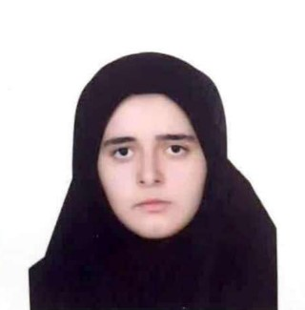
Fateme Loghmanpour | Fateme Loghmanpour is a master's student in Applied Mathematics, specializing in Numerical Analysis at Amirkabir University of Technology (Tehran Polytechnic). Her research focuses on data-driven discovery of partial differential equations (PDEs). She is proficient in using MATLAB and Python for numerical methods related to solving PDEs. Fateme holds a bachelor's degree in Applied Mathematics from Mazandaran University of Science and Technology. |  |  |  | fateme.loghmanpour@aut.ac.ir
Pooria Rostami | Pooria Rostami is a graduate student in Applied Mathematics at Amirkabir University of Technology with a background in mathematics and a growing passion for computational science and research. His academic journey began with a bachelor's degree in Mathematics from K.N. Toosi University of Technology, where he not only excelled academically but also explored hands-on opportunities in research and entrepreneurship. During his bachelor's studies, he: ● Completed a quantitative analysis internship, ● Co-founded Qorpi, a startup focused on AI and data science, and ● Authored his thesis, "Arbitrage Opportunities in Iran's Gold Market", under the supervision of Prof. Mahmoud Hadizadeh Yazdi. Following graduation, he joined the PDAT Laboratory as a research assistant, delving into stochastic cosmology. His contributions included applying approximation theory and neural networks to tackle numerical and mathematical challenges, guided by Prof. Javad Taghizadeh Firouzjaei and Seyed Sajjad Tabasi. With a strong command of Python programming, a knack for creative problem-solving, and a fearless approach to exploring new scientific fields, he strives to bridge mathematical theory and real-world applications, contributing to cutting-edge research and innovation. |  | https://www.linkedin.com/in/pooria-rostami |  | Prostami@aut.ac.ir
Ulduz Heidary | Ulduz Heidary is a master’s student in MBA-Finance. Her research applies machine learning to improve investment strategies and market forecasting. She is interested in practical approaches to addressing financial challenges. |  |  |  | ulduzheidary@aut.ac.ir |  | 