Chart1
 | 1 | 2
 | 2 | 2.5
 | 3 | 3
 | 4 | 3
 | 5 | 2.6
 | 6 | 2.5
 | 7 | 2.5714285714
 | 8 | 2.75
 | 9 | 2.7777777778
 | 10 | 2.6
 | 11 | 2.5454545455
 | 12 | 2.5833333333
 | 13 | 2.6923076923
 | 14 | 2.7142857143
 | 15 | 2.6
 | 16 | 2.5625
 | 17 | 2.5882352941
 | 18 | 2.6666666667
 | 19 | 2.6842105263
 | 20 | 2.6
 | 21 | 2.5714285714
 | 22 | 2.5909090909
 | 23 | 2.652173913
 | 24 | 2.6666666667
 | 25 | 2.6
 | 26 | 2.5769230769
 | 27 | 2.5925925926
 | 28 | 2.6428571429
 | 29 | 2.6551724138
 | 30 | 2.6
 | 31 | 2.5806451613
 | 32 | 2.59375
 | 33 | 2.6363636364
 | 34 | 2.6470588235
 | 35 | 2.6
 | 36 | 2.5833333333
 | 37 | 2.5945945946
 | 38 | 2.6315789474
 | 39 | 2.641025641
 | 40 | 2.6
 | 41 | 2.5853658537
 | 42 | 2.5952380952
 | 43 | 2.6279069767
 | 44 | 2.6363636364
 | 45 | 2.6
 | 46 | 2.5869565217
 | 47 | 2.5957446809
 | 48 | 2.625
 | 49 | 2.6326530612
 | 50 | 2.6

Sheet1
1 | 2 | 2
2 | 2.5 | 3
3 | 3 | 4
4 | 3 | 3
5 | 2.6 | 1
6 | 2.5 | 2
7 | 2.5714285714 | 3
8 | 2.75 | 4
9 | 2.7777777778 | 3
10 | 2.6 | 1
11 | 2.5454545455 | 2
12 | 2.5833333333 | 3
13 | 2.6923076923 | 4
14 | 2.7142857143 | 3
15 | 2.6 | 1
16 | 2.5625 | 2
17 | 2.5882352941 | 3
18 | 2.6666666667 | 4
19 | 2.6842105263 | 3
20 | 2.6 | 1
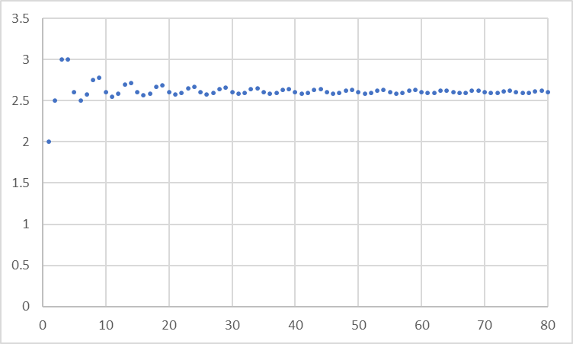
21 | 2.5714285714 | 2
22 | 2.5909090909 | 3
23 | 2.652173913 | 4
24 | 2.6666666667 | 3
25 | 2.6 | 1
26 | 2.5769230769 | 2
27 | 2.5925925926 | 3
28 | 2.6428571429 | 4
29 | 2.6551724138 | 3
30 | 2.6 | 1
31 | 2.5806451613 | 2
32 | 2.59375 | 3
33 | 2.6363636364 | 4
34 | 2.6470588235 | 3
35 | 2.6 | 1
36 | 2.5833333333 | 2
37 | 2.5945945946 | 3
38 | 2.6315789474 | 4
39 | 2.641025641 | 3
40 | 2.6 | 1
41 | 2.5853658537 | 2
42 | 2.5952380952 | 3
43 | 2.6279069767 | 4
44 | 2.6363636364 | 3
45 | 2.6 | 1
46 | 2.5869565217 | 2
47 | 2.5957446809 | 3
48 | 2.625 | 4
49 | 2.6326530612 | 3
50 | 2.6 | 1
51 | 2.5882352941 | 2
52 | 2.5961538462 | 3
53 | 2.6226415094 | 4
54 | 2.6296296296 | 3
55 | 2.6 | 1
56 | 2.5892857143 | 2
57 | 2.5964912281 | 3
58 | 2.6206896552 | 4
59 | 2.6271186441 | 3
60 | 2.6 | 1
61 | 2.5901639344 | 2
62 | 2.5967741935 | 3
63 | 2.619047619 | 4
64 | 2.625 | 3
65 | 2.6 | 1
66 | 2.5909090909 | 2
67 | 2.5970149254 | 3
68 | 2.6176470588 | 4
69 | 2.6231884058 | 3
70 | 2.6 | 1
71 | 2.5915492958 | 2
72 | 2.5972222222 | 3
73 | 2.6164383562 | 4
74 | 2.6216216216 | 3
75 | 2.6 | 1
76 | 2.5921052632 | 2
77 | 2.5974025974 | 3
78 | 2.6153846154 | 4
79 | 2.6202531646 | 3
80 | 2.6 | 1
81 |  | 2
82 |  | 3
83 |  | 4
84 |  | 3
85 |  | 1
86
87
88
89
90
91
92
93
94
95
96
97
98
99
100

