Sheet1
Test Case cho đăng ký tài khoản eBooks.com |  |  |  |  |  |  |  |  | TestCase cho đăng nhập tài khoản eBooks.com
STT | TestCase_11_phuong | email_11_phuong | password_11_phuong | confirm_password_11_phuong | KQ_MongDoi_11_phuong | KQ_ThucTe_11_phuong | Ảnh chụp màn hình | KQ_Test_11_phuong | STT | TestCase_11_phuong | email_11_phuong | password_11_phuong | KQ_MongDoi_11_phuong | KQ_ThucTe_11_phuong | Ảnh chụp màn hình | KQ_Test_11_phuong
1 | TC1_SaiDinhDangEmail_11_phuong | 2251010077 |  |  | Invalid email address | Invalid email address | 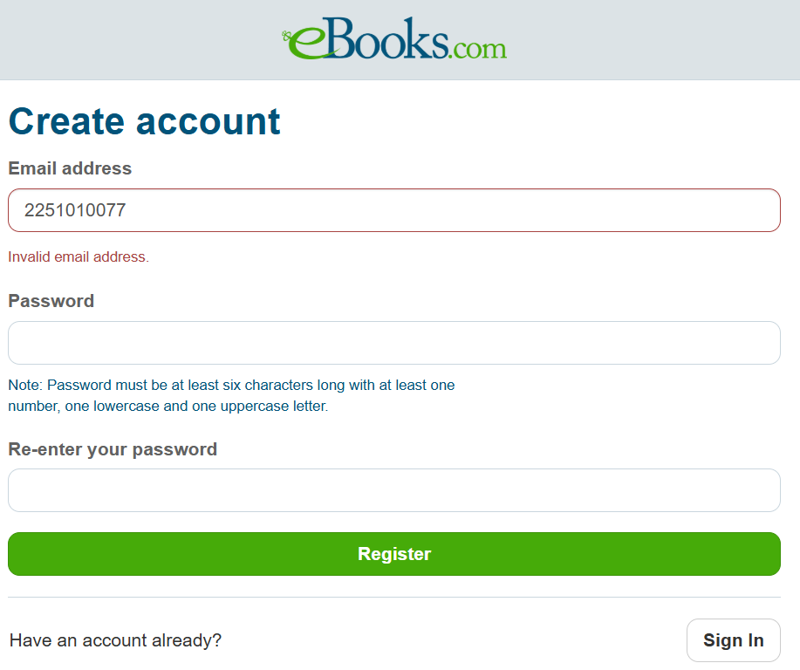 | pass | 1 | TC1_EmailRong_11_Phuong |  |  | Please enter your username | Please enter your username | 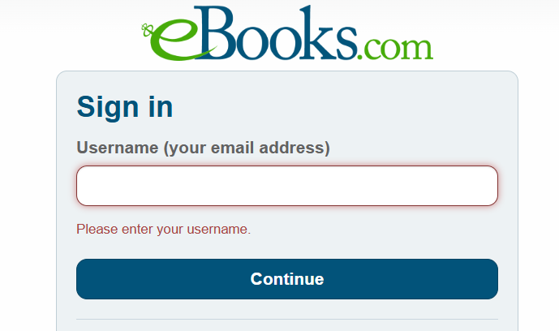 | pass
2 | TC2_SaiDinhDangPassword_11_phuong | 2251010077phuong@ou.edu | 123 | 123 | Your password does not meet the complexity requirements | Your password does not meet the complexity requirements | 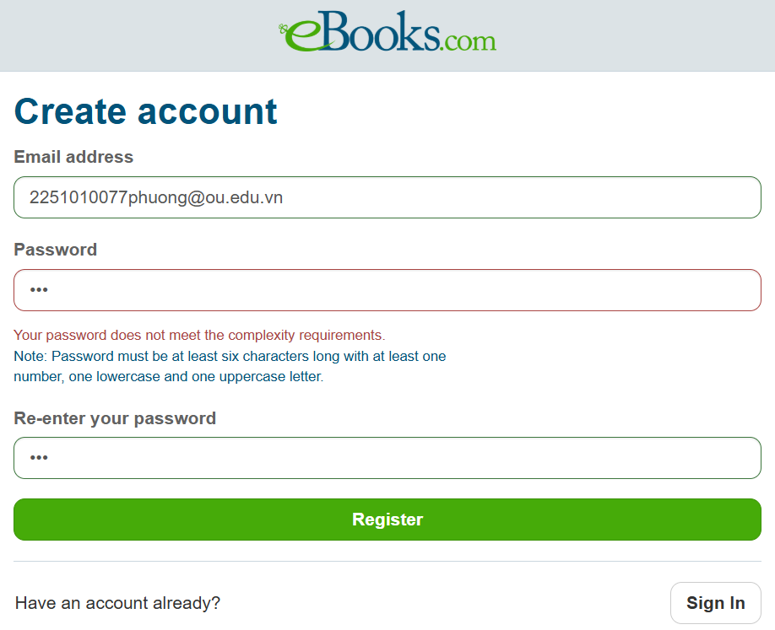 | pass | 2 | TC2_NhapEmailKhongTonTai_11_phuong | 2251010077phuong@ou.edu |  | We couldn’t find an account with that email address | We couldn’t find an account with that email address | 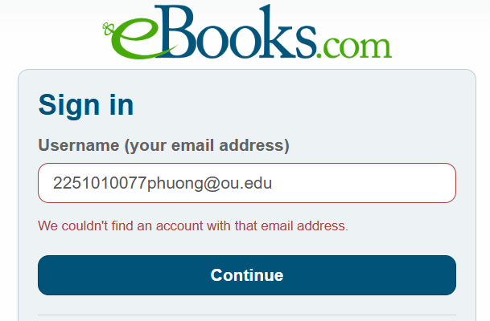 | pass
3 | TC3_BoTrongDuLieu_11_phuong | 2251010077phuong@ou.edu | Phuong123 |  | Please confirm your password | Please confirm your password | 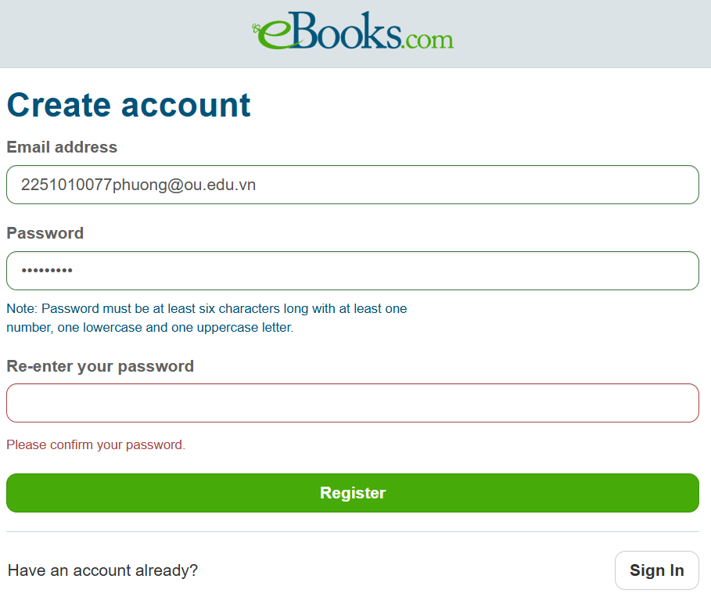 | pass | 3 | TC3_NhapPasswordRong_11_phuong | nguyenluhongphuong@gmail.com |  | Please enter your password | Please enter your password | 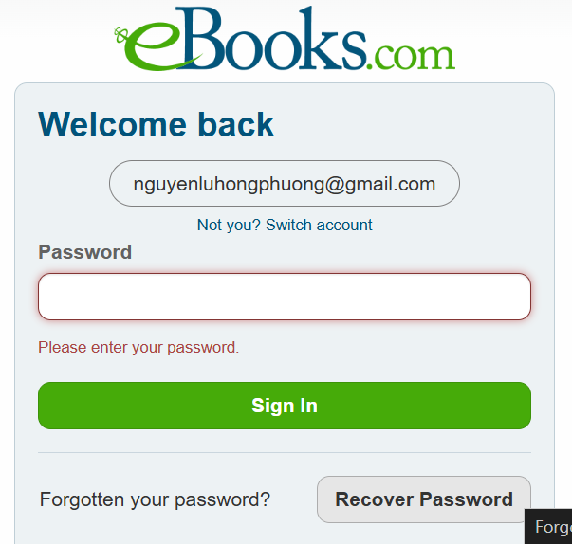 | pass
4 | TC4_KhongTrungPassword_11_phuong | 2251010077phuong@ou.edu.vn | Phuong123 | Phuong456 | Your passwords don’t match | Your passwords don’t match | 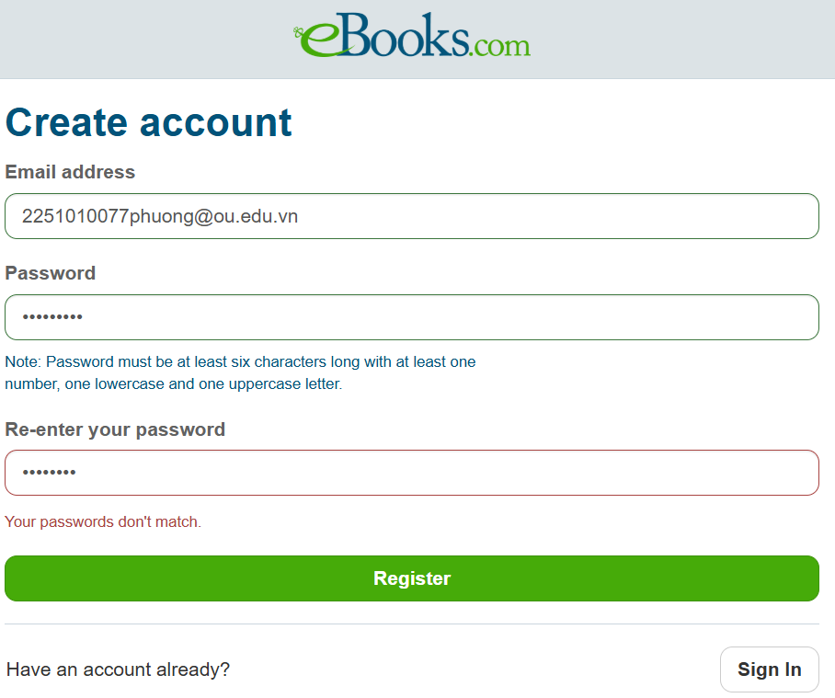 | pass | 4 | TC4_NhapPasswordSai_11_phuong | nguyenluhongphuong@gmail.com | 123 | Incorrect password. Please try again or click Recover Password | Incorrect password. Please try again or click Recover Password |  | pass
5 | TC5_NhapEmailTonTai_11_phuong | nguyenluhongphuong@gmail.com | Phuong123 | Phuong123 | This email address is already in use | This email address is already in use | 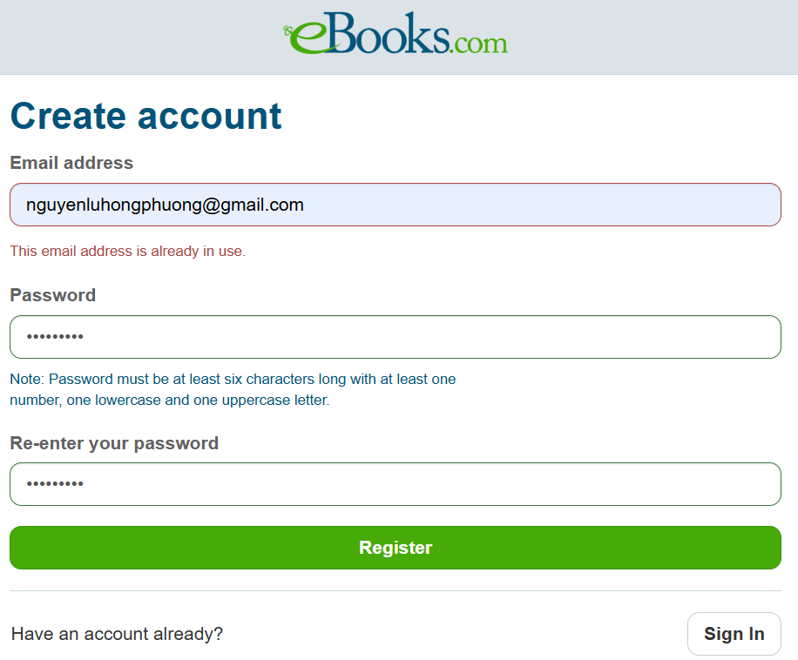 | pass | 5 | TC5_DangNhapDungThongTin_11_phuong | nguyenluhongphuong@gmail.com | VuiLen123* | email_11_phuong, password_11_phuong hợp lệ | email_11_phuong, password_11_phuong hợp lệ | 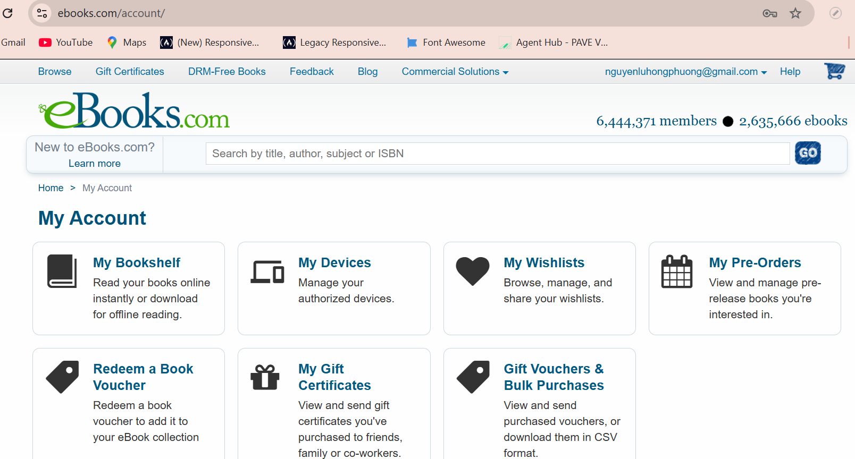 | pass
6 | TC6_DangKyHopLe_11_phuong | 2251010077phuong@ou.edu.vn | Phuong123 | Phuong123 | email_11_phuong, pasword_11_phuong, confirm_password_11_phuong hợp lệ. | email_11_phuong, pasword_11_phuong, confirm_password_11_phuong hợp lệ. | 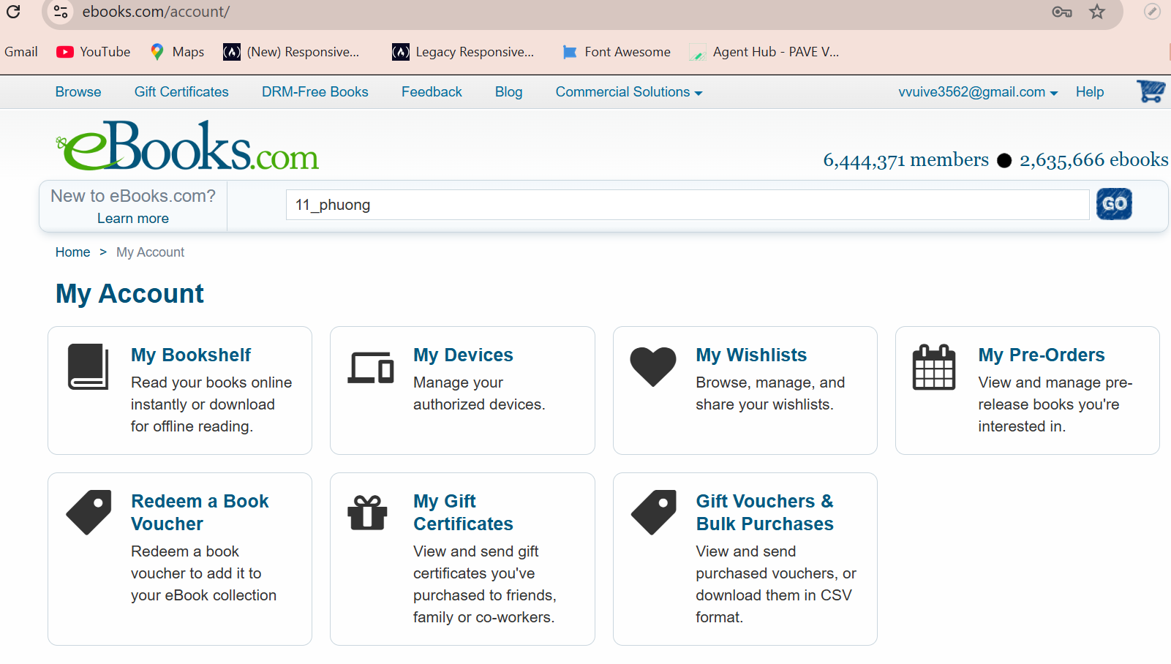 | pass

