RESULT_TEST
Username | Password | Action | Log Time | Test Method | Expected | Actual | Status | Exception | Image | Link Screenshot
HoangNM0 | 123 | Test login (authenticate) function | 2023-12-07 | multipleLogin | http://localhost:8080/SOF3011_ASM/index | http://localhost:8080/SOF3011_ASM/login | FAIL | expected [http://localhost:8080/SOF3011_ASM/index] but found [http://localhost:8080/SOF3011_ASM/login] | 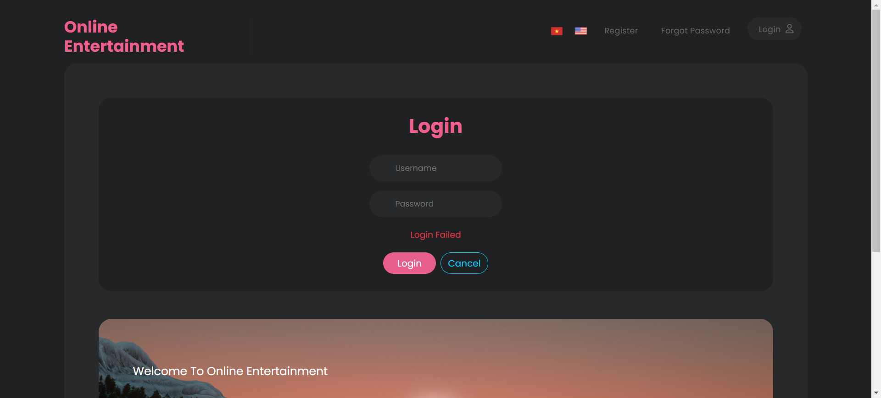 | Link Screenshot
HoangNM | 123 | Test login (authenticate) function | 2023-12-07 | multipleLogin | http://localhost:8080/SOF3011_ASM/index | http://localhost:8080/SOF3011_ASM/index | PASS
HoangNM1 | 123 | Test login (authenticate) function | 2023-12-07 | multipleLogin | http://localhost:8080/SOF3011_ASM/login | http://localhost:8080/SOF3011_ASM/login | PASS
 |  | Test login (authenticate) function | 2023-12-07 | multipleLogin | http://localhost:8080/SOF3011_ASM/login | http://localhost:8080/SOF3011_ASM/login | PASS

