3.Split
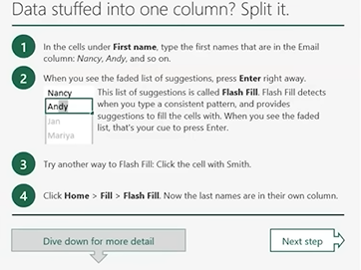
 | Email | First name | Last name
 | email.01@gmail.com | email | 1
 | email.02@gmail.com | email | 2
 | email.03@gmail.com | email | 3
 | email.04@gmail.com | email | 4
 | email.05@gmail.com | email | 5

 | Shortcut: Ctrl + E

 | Data | Fist name | Last name | Company name
 | Nancy, Smith, Contos Ltd. | Nancy | Smith | Contos Ltd.
 | Andy, North, Fabrikam Inc | Andy | North | Fabrikam Inc
 | Jan, Kotas, Relecloud | Jan | Kotas | Relecloud

Split a column with formulas https://datatofish.com/excel-string-functions-left-right-mid-len-find/
Formulas = EXTRACT_CHARS_POSITION_FUNCS (Column_RowValue, number_characters) | Name inside one cell |  | First name | Mid name | Last name | Company name
 | Nguyen-Ngoc-Doan*BigM |  | Nguyen- | =

