Questions
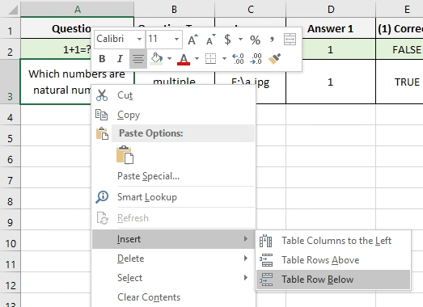
Questions | Question Type | Image | Answer 1 | (1) Correct? | Answer 2 | (2) Correct? | Answer 3 | (3) Correct? | Answer 4 | (4) Correct? | Answer 5 | (5) Correct?
1+1=? | single | E:\a.jpg | 1 | FALSE | 2 | TRUE | 3 | FALSE | 4 | FALSE | 5 | FALSE | HOW TO INSERT MORE QUESTIONS
Which numbers are natural numbers? | multiple | E:\a.jpg | 1 | TRUE | 2 | TRUE | -1 | FALSE | 0.1 | FALSE | 3/2 | FALSE

1. Right click on a table cell

2. Choose Insert > Table Row Below

