bài 4
1. Thiết kế Form

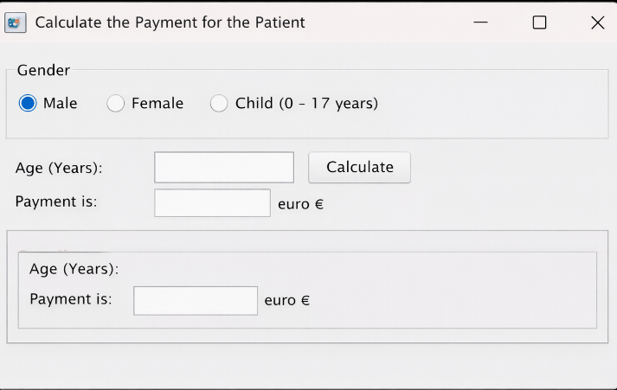

2. Class nghiệp vụ PaymentCalculator.java

package fpoly.payment;

public class PaymentCalculator {

public static int calculate(int age, String gender) {

if (age < 0 || age > 145) {
throw new IllegalArgumentException("Invalid age");
}

// Child
if (age <= 17) {
return 50;
}

// Adult
if (gender.equalsIgnoreCase("male")) {
if (age <= 35) return 100;
if (age <= 50) return 120;
return 140;
}

if (gender.equalsIgnoreCase("female")) {
if (age <= 35) return 80;
if (age <= 50) return 110;
return 140;
}

throw new IllegalArgumentException("Invalid gender");
}
}

3️. Test case với JUnit

Áp dụng phương pháp kết hợp (tuổi + giới tính)

PaymentCalculatorTest.java

package fpoly.payment;

import static org.junit.Assert.assertEquals;

import org.junit.Test;

public class PaymentCalculatorTest {

// ===== CHILD =====
@Test
public void testChild() {
assertEquals(50, PaymentCalculator.calculate(5, "male"));
assertEquals(50, PaymentCalculator.calculate(10, "female"));
assertEquals(50, PaymentCalculator.calculate(17, "male"));
}

// ===== MALE =====
@Test
public void testMale18To35() {
assertEquals(100, PaymentCalculator.calculate(18, "male"));
assertEquals(100, PaymentCalculator.calculate(30, "male"));
assertEquals(100, PaymentCalculator.calculate(35, "male"));
}

@Test
public void testMale36To50() {
assertEquals(120, PaymentCalculator.calculate(36, "male"));
assertEquals(120, PaymentCalculator.calculate(45, "male"));
assertEquals(120, PaymentCalculator.calculate(50, "male"));
}

@Test
public void testMaleAbove50() {
assertEquals(140, PaymentCalculator.calculate(60, "male"));
assertEquals(140, PaymentCalculator.calculate(100, "male"));
}

// ===== FEMALE =====
@Test
public void testFemale18To35() {
assertEquals(80, PaymentCalculator.calculate(18, "female"));
assertEquals(80, PaymentCalculator.calculate(30, "female"));
assertEquals(80, PaymentCalculator.calculate(35, "female"));
}

@Test
public void testFemale36To50() {
assertEquals(110, PaymentCalculator.calculate(36, "female"));
assertEquals(110, PaymentCalculator.calculate(45, "female"));
assertEquals(110, PaymentCalculator.calculate(50, "female"));
}

@Test
public void testFemaleAbove50() {
assertEquals(140, PaymentCalculator.calculate(70, "female"));
}

// ===== INVALID =====
@Test(expected = IllegalArgumentException.class)
public void testInvalidAge() {
PaymentCalculator.calculate(-1, "male");
}

@Test(expected = IllegalArgumentException.class)
public void testInvalidGender() {
PaymentCalculator.calculate(25, "other");
}
}

4️. Class chạy test

TestRunner.java

package fpoly.payment;

import org.junit.runner.JUnitCore;
import org.junit.runner.Result;
import org.junit.runner.notification.Failure;

public class TestRunner {

public static void main(String[] args) {
Result result = JUnitCore.runClasses(PaymentCalculatorTest.class);

for (Failure f : result.getFailures()) {
System.out.println(f.toString());
}

System.out.println("Run tests: " + result.getRunCount());
System.out.println("Failed tests: " + result.getFailureCount());
System.out.println("Success: " + result.wasSuccessful());
}
}

5️. Kết quả chạy mong đợi

Run tests: 10
Failed tests: 0
Success: true

bài 5
Câu 1:
Form đăng ký tài khoản

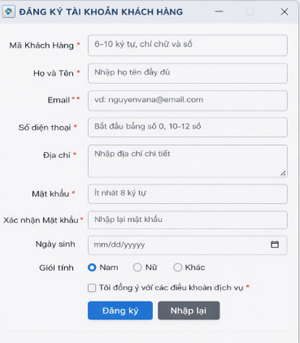

Câu 2:

BẢNG TEST CASE

TC | Dữ liệu | Kết quả
TC01 | Mã KH < 6 ký tự | Báo lỗi
TC02 | Mã KH có ký tự đặc biệt | Báo lỗi
TC03 | Email sai định dạng | Báo lỗi
TC04 | Email trùng | Báo lỗi
TC05 | SĐT không bắt đầu bằng 0 | Báo lỗi
TC06 | Mật khẩu < 8 ký tự | Báo lỗi
TC07 | Mật khẩu ≠ xác nhận | Báo lỗi
TC08 | Ngày sinh < 18 tuổi | Báo lỗi
TC09 | Không tick điều khoản | Báo lỗi
TC10 | Dữ liệu hợp lệ | Đăng ký thành công

