Tabelle1
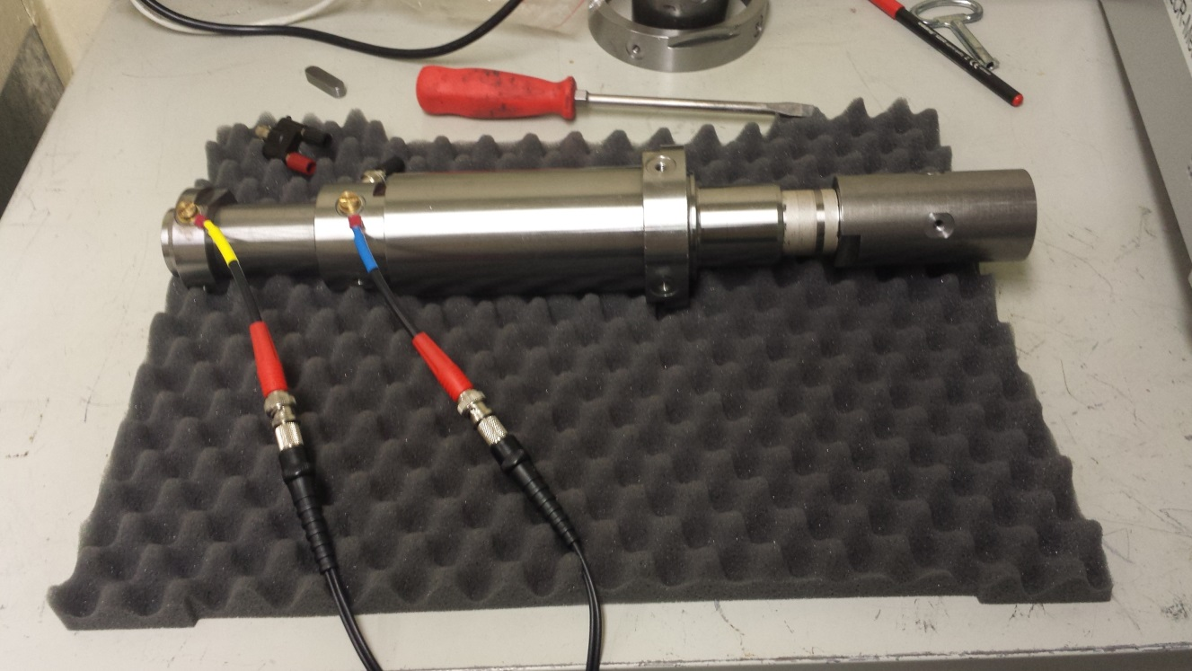
Frequenz [kHz] | Z [mOhm] | Theta [°]
0.02 | 19.1327 | -0.5974
0.04 | 19.1083 | -0.0519
0.06 | 19.1188 | 0.3161
0.08 | 18.9856 | 0.638
0.1 | 19.025 | 0.5326
0.12 | 19.0212 | 0.9389
0.14 | 19.2325 | 0.8806
0.16 | 19.3803 | 1.2179
0.18 | 19.2412 | 1.3869
0.2 | 19.0825 | 1.783
0.22 | 19.1302 | 1.763
0.24 | 19.1525 | 1.9234
0.26 | 19.0933 | 2.2009
0.28 | 19.1443 | 2.4192
0.3 | 19.0831 | 2.6869
0.32 | 19.1354 | 2.6414
0.34 | 19.1517 | 2.7215
0.36 | 19.1149 | 2.8924
0.38 | 19.1079 | 3.1138
0.4 | 19.1354 | 3.1878
0.42 | 19.1246 | 3.3439
0.44 | 19.0992 | 3.4722
0.46 | 19.1299 | 3.5466
0.48 | 19.0351 | 3.7922
0.5 | 19.0276 | 3.8975
0.52 | 19.0295 | 4.0187
0.54 | 19.0135 | 4.1852
0.56 | 18.997 | 4.3714
0.58 | 19.0032 | 4.5311
0.6 | 18.9893 | 4.7389
0.62 | 18.9721 | 4.9216
0.64 | 18.926 | 5.1037
0.66 | 18.892 | 5.2448
0.68 | 18.8745 | 5.4861
0.7 | 18.8874 | 5.6614
0.72 | 18.9052 | 5.8858
0.74 | 18.9064 | 6.1348
0.76 | 18.9035 | 6.2277
0.78 | 18.9012 | 6.513
0.8 | 18.912 | 6.6725
0.82 | 18.9066 | 6.9156
0.84 | 18.9379 | 7.142
0.86 | 18.9218 | 7.2499
0.88 | 18.9045 | 7.4752
0.9 | 18.9116 | 7.6202
0.92 | 18.9129 | 7.8009
0.94 | 18.9084 | 8
0.96 | 18.9096 | 8.1237
0.98 | 18.9061 | 8.323
1 | 18.9102 | 8.435
2 | 18.563 | 17.2025
3 | 18.0341 | 28.1646
4 | 18.0303 | 42.1097
5 | 19.3112 | 57.106
6 | 22.1615 | 70.885
7 | 26.762 | 81.5479
8 | 32.1111 | 89.1599
9 | 38.7286 | 94.0837
10 | 45.7049 | 97.6715
11 | 53.3976 | 99.8207
12 | 61.2393 | 101.577
13 | 69.3269 | 102.006
14 | 77.6568 | 102.703
15 | 86.1384 | 103.112
16 | 94.4604 | 103.043
17 | 102.876 | 102.947
18 | 111.424 | 102.847
19 | 120.195 | 102.769
20 | 128.804 | 102.724
21 | 137.111 | 102.355
22 | 145.748 | 102.032
23 | 154.24 | 101.757
24 | 162.859 | 101.509
25 | 171.629 | 101.265
26 | 179.97 | 100.952
27 | 188.436 | 100.679
28 | 196.866 | 100.372
29 | 205.418 | 100.108
30 | 213.957 | 99.8376
31 | 221.988 | 99.6009
32 | 230.294 | 99.3161
33 | 238.55 | 99.1001
34 | 246.907 | 98.8545
35 | 255.264 | 98.602
36 | 263.516 | 98.3715
37 | 271.802 | 98.1421
38 | 280.286 | 97.9318
39 | 288.612 | 97.7202
40 | 297.014 | 97.5013
41 | 305.159 | 97.3197
42 | 313.171 | 97.112
43 | 321.448 | 96.953
44 | 329.552 | 96.7578
45 | 337.689 | 96.5777
46 | 345.753 | 96.3971
47 | 354.027 | 96.2196
48 | 362.025 | 96.0733
49 | 370.391 | 95.8984
50 | 378.603 | 95.7275
51 | 386.587 | 95.5861
52 | 394.488 | 95.4468
53 | 402.617 | 95.2989
54 | 410.602 | 95.181
55 | 418.612 | 95.0468
56 | 426.559 | 94.9011
57 | 434.614 | 94.7704
58 | 442.653 | 94.6442
59 | 450.635 | 94.5123
60 | 458.567 | 94.3916
61 | 466.481 | 94.2765
62 | 474.417 | 94.1748
63 | 482.232 | 94.0646
64 | 490.198 | 93.9626
65 | 497.983 | 93.8539
66 | 505.789 | 93.7507
67 | 513.658 | 93.649
68 | 521.565 | 93.5485
69 | 529.401 | 93.4481
70 | 537.195 | 93.3546
71 | 545.042 | 93.2563
72 | 552.864 | 93.1629
73 | 560.709 | 93.0727
74 | 568.581 | 92.9843
75 | 576.337 | 92.8911
76 | 584.158 | 92.7996
77 | 591.941 | 92.7092
78 | 599.745 | 92.6231
79 | 607.479 | 92.5291
80 | 615.328 | 92.4531
81 | 623.044 | 92.372
82 | 630.756 | 92.3089
83 | 638.395 | 92.2367
84 | 646.091 | 92.165
85 | 653.81 | 92.0909
86 | 661.484 | 92.0231
87 | 669.126 | 91.9625
88 | 676.786 | 91.894
89 | 684.464 | 91.8296
90 | 692.178 | 91.7654
91 | 699.664 | 91.6981
92 | 707.389 | 91.6374
93 | 714.995 | 91.5749
94 | 722.647 | 91.5176
95 | 730.26 | 91.453
96 | 737.891 | 91.3854
97 | 745.468 | 91.3278
98 | 753.064 | 91.2686
99 | 760.689 | 91.2136
100 | 768.297 | 91.1542
200 | 1486.4 | 88.6859
300 | 2189.4 | 87.9536
400 | 2880.9 | 87.6873
500 | 3566.7 | 87.623
600 | 4248.2 | 87.6082
700 | 4926.6 | 87.6456
800 | 5601.1 | 87.6239
900 | 6272.8 | 87.6414
1000 | 6940 | 87.65
2000 | 13100 | 87.56
3000 | 17980 | 87.43
4000 | 19960 | 84.38
5000 | 17360 | 85.65

