Tabelle1
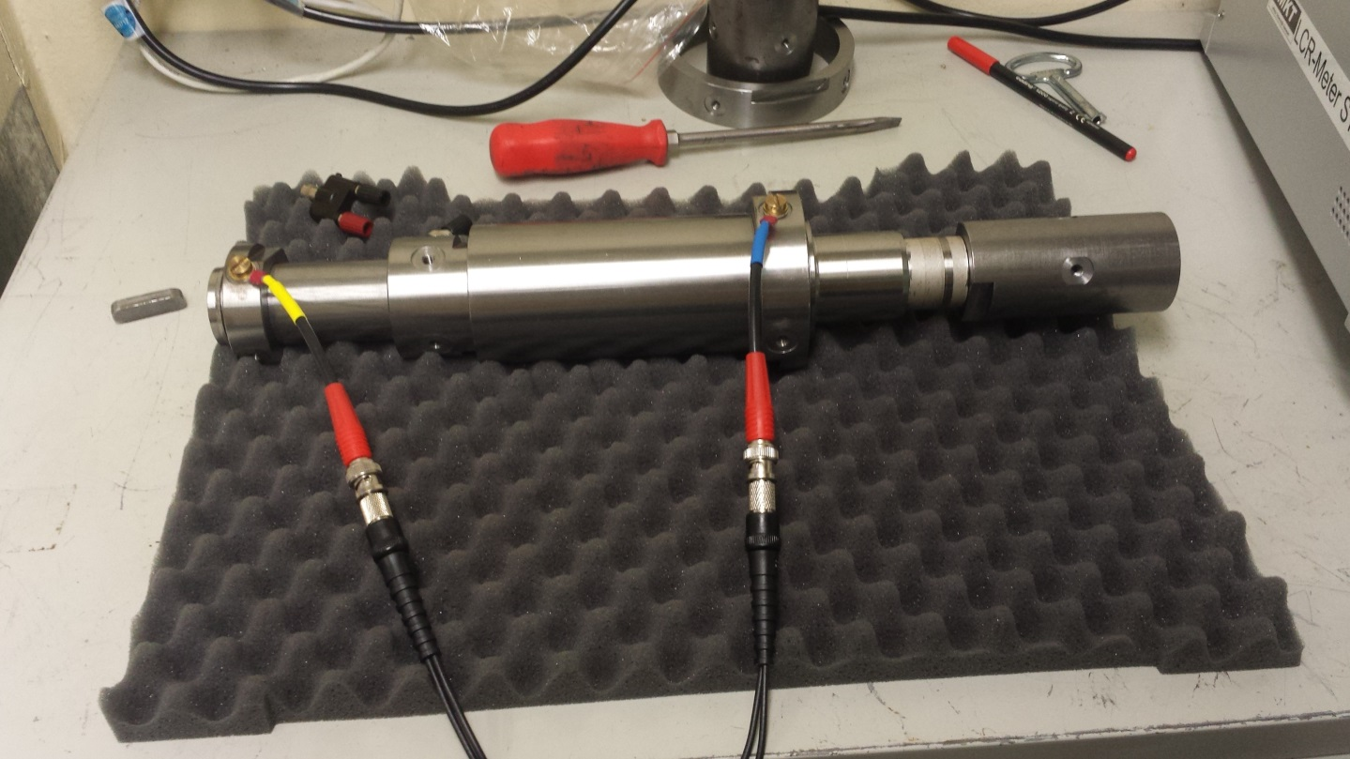
Frequenz [kHz] | Z [mOhm] | Theta [°]
0.02 | 19.2772 | -0.4447
0.04 | 19.2583 | 0.1468
0.06 | 19.3111 | 0.6904
0.08 | 19.1568 | 0.9462
0.1 | 19.2118 | 0.9253
0.12 | 19.2493 | 1.4781
0.14 | 19.42 | 1.5308
0.16 | 19.6902 | 1.7855
0.18 | 19.4888 | 1.9712
0.2 | 19.3332 | 2.3816
0.22 | 19.3808 | 2.3896
0.24 | 19.4376 | 2.6939
0.26 | 19.3514 | 2.8654
0.28 | 19.3927 | 3.1242
0.3 | 19.3766 | 3.5018
0.32 | 19.3804 | 3.5017
0.34 | 19.4025 | 3.7632
0.36 | 19.4489 | 3.8823
0.38 | 19.46 | 3.982
0.4 | 19.4447 | 4.1076
0.42 | 19.4383 | 4.363
0.44 | 19.4342 | 4.4476
0.46 | 19.4687 | 4.5326
0.48 | 19.4426 | 4.8381
0.5 | 19.3944 | 4.9346
0.52 | 19.3999 | 5.1226
0.54 | 19.3785 | 5.286
0.56 | 19.3922 | 5.5515
0.58 | 19.376 | 5.7121
0.6 | 19.3919 | 5.9571
0.62 | 19.3502 | 6.1048
0.64 | 19.3366 | 6.2826
0.66 | 19.3273 | 6.6038
0.68 | 19.3188 | 6.7183
0.7 | 19.3046 | 6.975
0.72 | 19.3246 | 7.2257
0.74 | 19.3535 | 7.4043
0.76 | 19.3443 | 7.6693
0.78 | 19.3394 | 7.8649
0.8 | 19.3953 | 8.0986
0.82 | 19.3926 | 8.2516
0.84 | 19.3732 | 8.4727
0.86 | 19.3925 | 8.6806
0.88 | 19.3689 | 8.9895
0.9 | 19.409 | 9.0547
0.92 | 19.4099 | 9.3488
0.94 | 19.4235 | 9.429
0.96 | 19.4389 | 9.6591
0.98 | 19.4535 | 9.8114
1 | 19.4417 | 10.0199
2 | 19.4094 | 19.3824
3 | 19.2617 | 30.4175
4 | 19.6823 | 44.0953
5 | 21.3478 | 57.8994
6 | 24.4151 | 70.4935
7 | 29.2383 | 80.4293
8 | 34.8197 | 87.6145
9 | 41.5736 | 92.4491
10 | 48.6962 | 96.1003
11 | 56.6754 | 98.347
12 | 64.6417 | 99.8977
13 | 73.2557 | 100.869
14 | 81.7484 | 101.332
15 | 90.4285 | 101.855
16 | 99.2386 | 101.828
17 | 107.869 | 101.783
18 | 116.724 | 101.75
19 | 125.634 | 101.701
20 | 134.601 | 101.722
21 | 143.422 | 101.423
22 | 152.181 | 101.171
23 | 161.163 | 100.888
24 | 170.123 | 100.692
25 | 179.172 | 100.462
26 | 187.798 | 100.19
27 | 196.554 | 99.8998
28 | 205.347 | 99.6497
29 | 214.178 | 99.3838
30 | 223.084 | 99.1598
31 | 231.535 | 98.9387
32 | 240.048 | 98.7
33 | 248.652 | 98.4388
34 | 257.252 | 98.2206
35 | 265.852 | 98.0116
36 | 274.594 | 97.7908
37 | 283.219 | 97.562
38 | 291.83 | 97.3432
39 | 300.579 | 97.1539
40 | 309.365 | 96.9718
41 | 317.707 | 96.7764
42 | 326.159 | 96.6051
43 | 334.516 | 96.4225
44 | 343.092 | 96.2305
45 | 351.566 | 96.0756
46 | 359.919 | 95.896
47 | 368.472 | 95.7381
48 | 376.899 | 95.5836
49 | 385.325 | 95.4198
50 | 393.876 | 95.2604
51 | 402.178 | 95.1252
52 | 410.456 | 94.9975
53 | 418.835 | 94.8544
54 | 427.046 | 94.713
55 | 435.409 | 94.5921
56 | 443.638 | 94.4629
57 | 451.996 | 94.3275
58 | 460.289 | 94.2087
59 | 468.537 | 94.0905
60 | 476.828 | 93.9828
61 | 484.978 | 93.8687
62 | 493.178 | 93.7559
63 | 501.332 | 93.657
64 | 509.557 | 93.5507
65 | 517.632 | 93.4644
66 | 525.718 | 93.3603
67 | 533.851 | 93.2621
68 | 541.969 | 93.1614
69 | 550.142 | 93.0705
70 | 558.264 | 92.9795
71 | 566.369 | 92.8802
72 | 574.498 | 92.7904
73 | 582.549 | 92.7072
74 | 590.65 | 92.6202
75 | 598.783 | 92.5257
76 | 606.89 | 92.4446
77 | 614.976 | 92.3593
78 | 623.089 | 92.271
79 | 631.134 | 92.1891
80 | 639.149 | 92.1114
81 | 647.153 | 92.0417
82 | 655.063 | 91.9753
83 | 663.114 | 91.9068
84 | 671.062 | 91.8376
85 | 679.056 | 91.7698
86 | 686.968 | 91.7052
87 | 694.946 | 91.6417
88 | 702.796 | 91.5747
89 | 710.825 | 91.5159
90 | 718.682 | 91.455
91 | 726.585 | 91.3913
92 | 734.604 | 91.3359
93 | 742.402 | 91.2718
94 | 750.362 | 91.215
95 | 758.235 | 91.1547
96 | 766.16 | 91.1012
97 | 773.94 | 91.0388
98 | 781.901 | 90.9831
99 | 789.703 | 90.9278
100 | 797.618 | 90.8762
200 | 1541.7 | 88.5625
300 | 2271.2 | 87.8912
400 | 2989.1 | 87.6608
500 | 3701 | 87.6046
600 | 4408.2 | 87.5996
700 | 5112.4 | 87.643
800 | 5813.3 | 87.6291
900 | 6509.1 | 87.6506
1000 | 7200 | 87.66
2000 | 13600 | 87.6
3000 | 18660 | 87.5
4000 | 20750 | 84.53
5000 | 18060 | 85.86

