Tabelle1
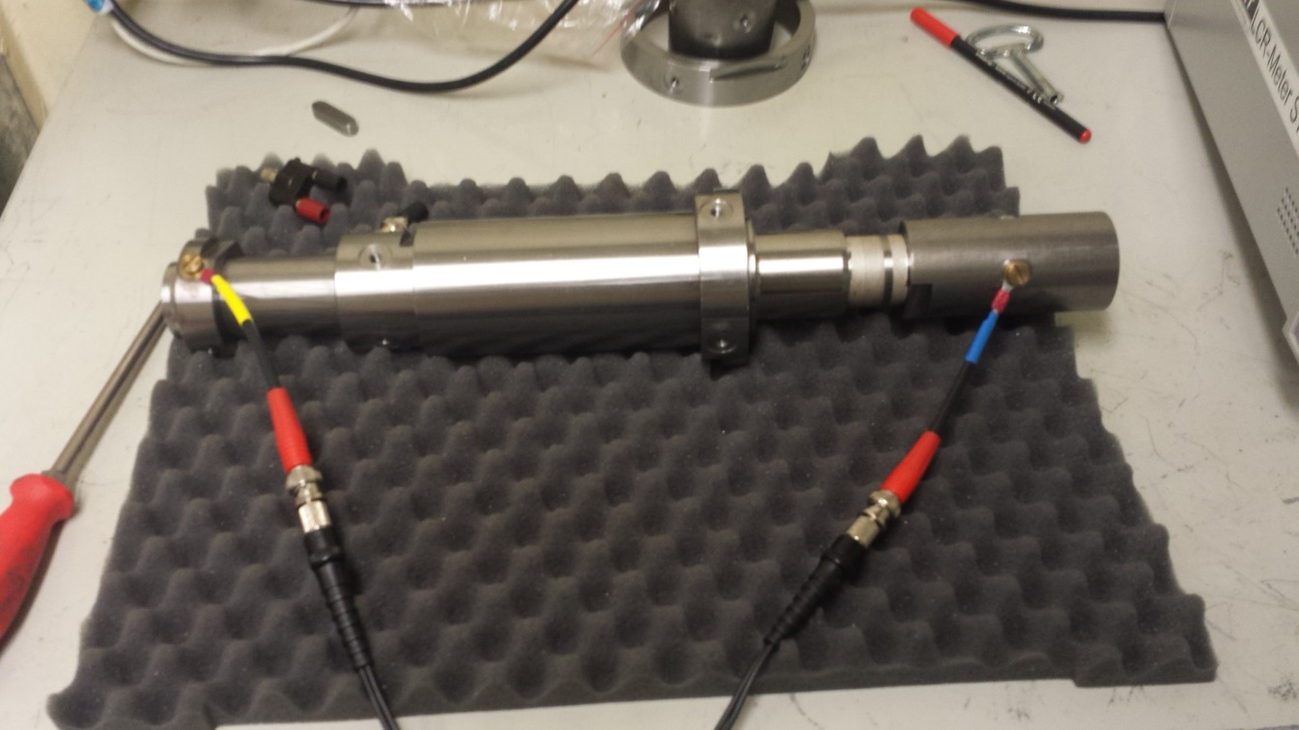
Frequenz [kHz] | Z [mOhm] | Theta [°]
0.02 | 18.343 | -0.8451
0.04 | 18.9176 | 0.7525
0.06 | 18.7192 | -0.248
0.08 | 18.0277 | -0.3668
0.1 | 17.6158 | 1.6914
0.12 | 17.9314 | 1.909
0.14 | 19.0902 | 2.3445
0.16 | 18.9062 | 1.2436
0.18 | 18.3961 | 1.1837
0.2 | 17.5713 | 3.9811
0.22 | 19.0268 | 5.9891
0.24 | 19.5866 | 2.3888
0.26 | 17.8011 | 2.6332
0.28 | 18.4775 | 4.8194
0.3 | 18.6184 | 4.851
0.32 | 18.8185 | 4.3099
0.34 | 18.6316 | 4.9861
0.36 | 18.7611 | 4.5156
0.38 | 18.6712 | 5.442
0.4 | 18.7021 | 5.2986
0.42 | 18.5234 | 5.3152
0.44 | 19.118 | 5.417
0.46 | 18.5452 | 7.4191
0.48 | 18.5643 | 5.7362
0.5 | 18.9908 | 5.9265
0.52 | 18.8595 | 7.4244
0.54 | 18.5988 | 6.4928
0.56 | 18.683 | 6.7
0.58 | 18.8112 | 7.0637
0.6 | 18.5784 | 6.6578
0.62 | 18.8482 | 7.6388
0.64 | 18.4566 | 7.5286
0.66 | 19.084 | 8.0175
0.68 | 18.7489 | 8.407
0.7 | 18.7343 | 8.3807
0.72 | 18.6729 | 8.6136
0.74 | 18.859 | 9.1548
0.76 | 18.654 | 8.3677
0.78 | 18.9333 | 10.2015
0.8 | 18.5744 | 9.6653
0.82 | 18.7363 | 10.0815
0.84 | 18.9085 | 9.6762
0.86 | 18.7965 | 10.3266
0.88 | 18.7829 | 9.8563
0.9 | 18.9341 | 10.5416
0.92 | 18.8338 | 10.6896
0.94 | 18.8741 | 11.251
0.96 | 19.1194 | 11.6162
0.98 | 18.9095 | 11.8814
1 | 18.9795 | 12.0029
2 | 19.2447 | 22.2323
3 | 19.5642 | 33.7248
4 | 20.3309 | 45.3156
5 | 22.4592 | 59.8056
6 | 26.0488 | 70.6598
7 | 31.1531 | 80.2263
8 | 37.3589 | 87.0396
9 | 42.9828 | 91.9619
10 | 51.2363 | 95.1051
11 | 58.5775 | 96.987
12 | 66.9624 | 98.8116
13 | 75.565 | 100.037
14 | 84.3116 | 100.393
15 | 93.4669 | 101.403
16 | 102.486 | 101.135
17 | 111.166 | 101.2
18 | 119.721 | 101.046
19 | 128.776 | 100.758
20 | 137.961 | 100.837
21 | 146.949 | 100.802
22 | 156.279 | 100.491
23 | 164.985 | 100.116
24 | 173.158 | 99.9286
25 | 181.803 | 99.7472
26 | 192.398 | 99.482
27 | 199.666 | 99.2869
28 | 209.274 | 98.9829
29 | 218.165 | 98.7632
30 | 227.497 | 98.4232
31 | 235.882 | 98.2341
32 | 244.436 | 97.9942
33 | 252.748 | 97.8085
34 | 261.502 | 97.5949
35 | 270.756 | 97.3919
36 | 279.532 | 97.2013
37 | 288.306 | 97.0411
38 | 296.554 | 96.8223
39 | 305.452 | 96.5128
40 | 314.498 | 96.4137
41 | 323.146 | 96.2587
42 | 330.921 | 96.1542
43 | 340.051 | 95.8205
44 | 348.4 | 95.7243
45 | 356.885 | 95.6216
46 | 365.57 | 95.4456
47 | 374.006 | 95.2155
48 | 382.713 | 95.1317
49 | 391.287 | 94.9336
50 | 399.929 | 94.762
51 | 408.452 | 94.6202
52 | 416.491 | 94.4729
53 | 424.703 | 94.4148
54 | 433.793 | 94.28
55 | 441.855 | 94.1476
56 | 450.334 | 93.9846
57 | 458.657 | 93.8787
58 | 466.83 | 93.7278
59 | 474.827 | 93.6892
60 | 483.598 | 93.5513
61 | 491.873 | 93.4271
62 | 500.033 | 93.3468
63 | 508.204 | 93.2058
64 | 516.411 | 93.1241
65 | 524.64 | 93.0479
66 | 532.856 | 92.9577
67 | 541.12 | 92.8284
68 | 549.515 | 92.7612
69 | 557.606 | 92.66
70 | 565.886 | 92.5922
71 | 573.88 | 92.4632
72 | 581.972 | 92.3984
73 | 590.405 | 92.3136
74 | 598.584 | 92.2002
75 | 606.505 | 92.1492
76 | 615.182 | 92.0338
77 | 623.078 | 92.0001
78 | 631.176 | 91.8506
79 | 639.639 | 91.8406
80 | 647.445 | 91.7317
81 | 655.475 | 91.6491
82 | 663.611 | 91.6015
83 | 671.617 | 91.5265
84 | 679.684 | 91.485
85 | 687.578 | 91.4023
86 | 695.585 | 91.3581
87 | 703.732 | 91.2623
88 | 712.038 | 91.2169
89 | 719.931 | 91.1702
90 | 727.697 | 91.1052
91 | 735.784 | 91.0309
92 | 743.746 | 90.9921
93 | 751.729 | 90.9084
94 | 759.74 | 90.8449
95 | 767.837 | 90.7971
96 | 775.936 | 90.7413
97 | 783.557 | 90.7124
98 | 791.297 | 90.6328
99 | 799.385 | 90.5646
100 | 807.405 | 90.5161
200 | 1556.8 | 88.2627
300 | 2292.8 | 87.674
400 | 3013.9 | 87.4753
500 | 3733.2 | 87.4275
600 | 4443.8 | 87.4347
700 | 5151.8 | 87.4733
800 | 5854.6 | 87.5143
900 | 6556.4 | 87.4966
1000 | 7250 | 87.53
2000 | 13690 | 87.52
3000 | 18790 | 87.43
4000 | 20910 | 84.5
5000 | 18240 | 85.88

