Tabelle1
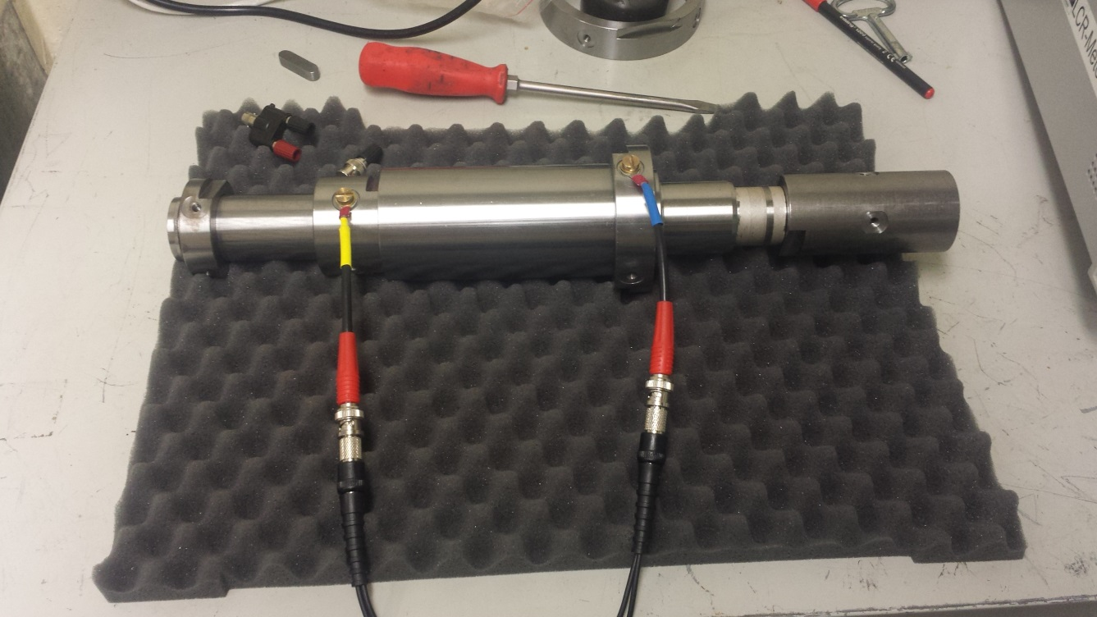
Frequenz [kHz] | Z [mOhm] | Theta [°]
0.02 | 20.0052 | -0.4602
0.04 | 19.9714 | 0.0733
0.06 | 20.021 | 0.7124
0.08 | 19.8578 | 0.7967
0.1 | 19.8618 | 0.7457
0.12 | 19.9087 | 1.1902
0.14 | 20.0662 | 1.1557
0.16 | 20.1173 | 1.6294
0.18 | 20.0424 | 1.7551
0.2 | 19.943 | 2.0327
0.22 | 19.9346 | 2.1394
0.24 | 19.9891 | 2.2798
0.26 | 20.068 | 2.7786
0.28 | 19.9871 | 2.767
0.3 | 19.9607 | 3.0906
0.32 | 19.9828 | 2.9979
0.34 | 19.999 | 3.2561
0.36 | 20.0021 | 3.4706
0.38 | 20.0115 | 3.6264
0.4 | 19.9772 | 3.7074
0.42 | 19.9773 | 3.8053
0.44 | 19.9566 | 4.0414
0.46 | 19.9487 | 4.1399
0.48 | 19.9598 | 4.2711
0.5 | 19.9233 | 4.4751
0.52 | 19.9199 | 4.6664
0.54 | 19.9177 | 4.683
0.56 | 19.8894 | 4.9367
0.58 | 19.8873 | 5.1767
0.6 | 19.8944 | 5.4003
0.62 | 19.8738 | 5.5823
0.64 | 19.8629 | 5.7555
0.66 | 19.8089 | 5.9221
0.68 | 19.7886 | 6.2157
0.7 | 19.8042 | 6.3959
0.72 | 19.8085 | 6.5523
0.74 | 19.825 | 6.7765
0.76 | 19.8233 | 7.0254
0.78 | 19.8424 | 7.2739
0.8 | 19.8775 | 7.4546
0.82 | 19.8514 | 7.7047
0.84 | 19.8511 | 7.8417
0.86 | 19.8466 | 8.0141
0.88 | 19.8374 | 8.1818
0.9 | 19.849 | 8.4645
0.92 | 19.8809 | 8.6199
0.94 | 19.8704 | 8.7709
0.96 | 19.8799 | 8.9621
0.98 | 19.9006 | 9.1173
1 | 19.8989 | 9.3298
2 | 19.7585 | 18.398
3 | 19.4505 | 29.3497
4 | 19.735 | 42.5653
5 | 21.2498 | 56.9052
6 | 24.2295 | 69.5858
7 | 28.9483 | 79.7938
8 | 34.4572 | 87.224
9 | 41.2372 | 92.2218
10 | 48.3223 | 95.7874
11 | 56.2397 | 98.1218
12 | 64.2825 | 99.937
13 | 72.934 | 100.614
14 | 81.2782 | 101.339
15 | 90.0205 | 101.884
16 | 98.6261 | 101.835
17 | 107.332 | 101.79
18 | 116.182 | 101.74
19 | 125.114 | 101.769
20 | 134.044 | 101.714
21 | 142.775 | 101.415
22 | 151.617 | 101.157
23 | 160.455 | 100.931
24 | 169.46 | 100.711
25 | 178.399 | 100.491
26 | 187.11 | 100.203
27 | 195.82 | 99.936
28 | 204.619 | 99.6502
29 | 213.386 | 99.413
30 | 222.29 | 99.175
31 | 230.721 | 98.9469
32 | 239.229 | 98.6846
33 | 247.796 | 98.4495
34 | 256.353 | 98.2229
35 | 264.995 | 97.9955
36 | 273.541 | 97.7796
37 | 282.307 | 97.5777
38 | 290.944 | 97.3467
39 | 299.631 | 97.1482
40 | 308.273 | 96.9797
41 | 316.784 | 96.7959
42 | 325.157 | 96.6066
43 | 333.477 | 96.4369
44 | 341.993 | 96.2515
45 | 350.47 | 96.1024
46 | 358.862 | 95.9224
47 | 367.272 | 95.7565
48 | 375.781 | 95.5987
49 | 384.268 | 95.4452
50 | 392.714 | 95.2876
51 | 400.963 | 95.1366
52 | 409.319 | 95.0051
53 | 417.535 | 94.8724
54 | 425.789 | 94.7457
55 | 434.047 | 94.6129
56 | 442.383 | 94.4748
57 | 450.671 | 94.356
58 | 458.923 | 94.2326
59 | 467.175 | 94.107
60 | 475.487 | 93.9979
61 | 483.719 | 93.8982
62 | 491.745 | 93.7855
63 | 499.918 | 93.6967
64 | 507.973 | 93.5811
65 | 516.143 | 93.4916
66 | 524.335 | 93.3939
67 | 532.464 | 93.2836
68 | 540.489 | 93.1895
69 | 548.592 | 93.0933
70 | 556.767 | 93.0012
71 | 564.857 | 92.908
72 | 572.916 | 92.8178
73 | 580.967 | 92.7316
74 | 589.1 | 92.6457
75 | 597.126 | 92.5566
76 | 605.239 | 92.4653
77 | 613.29 | 92.3864
78 | 621.404 | 92.3093
79 | 629.464 | 92.2218
80 | 637.448 | 92.1418
81 | 645.504 | 92.0692
82 | 653.393 | 92.0026
83 | 661.356 | 91.9383
84 | 669.309 | 91.8687
85 | 677.234 | 91.8
86 | 685.172 | 91.7374
87 | 693.118 | 91.6765
88 | 701.017 | 91.6095
89 | 708.909 | 91.546
90 | 716.844 | 91.4881
91 | 724.697 | 91.4161
92 | 732.647 | 91.3632
93 | 740.472 | 91.3028
94 | 748.485 | 91.2449
95 | 756.336 | 91.1825
96 | 764.135 | 91.1276
97 | 771.987 | 91.0703
98 | 779.897 | 91.0081
99 | 787.713 | 90.9603
100 | 795.583 | 90.9037
200 | 1583.2 | 88.5844
300 | 2266.8 | 87.9045
400 | 2983.8 | 87.6698
500 | 3694 | 87.6187
600 | 4400.3 | 87.6097
700 | 5103.8 | 87.6551
800 | 5802.8 | 87.638
900 | 6498.7 | 87.6555
1000 | 7190 | 87.66
2000 | 13570 | 87.59
3000 | 18620 | 87.46
4000 | 20670 | 84.48
5000 | 17930 | 85.88

