Tabelle1
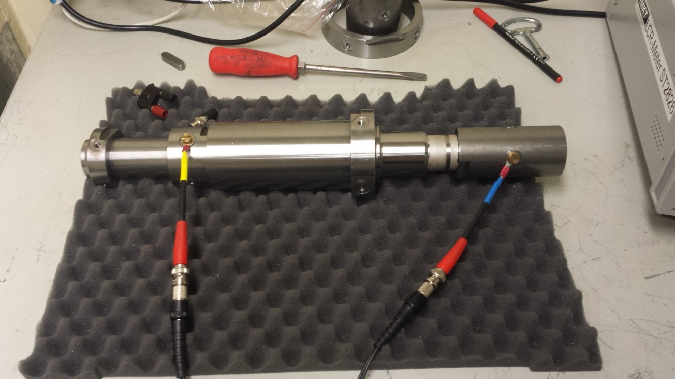
Frequenz [kHz] | Z [mOhm] | Theta [°]
0.02 | 20.6938 | -0.3323
0.04 | 20.667 | 0.2555
0.06 | 20.7676 | 0.7749
0.08 | 20.5717 | 1.1488
0.1 | 20.6204 | 1.1484
0.12 | 20.6536 | 1.5474
0.14 | 21.0474 | 1.7512
0.16 | 20.9216 | 2.0056
0.18 | 20.9066 | 2.216
0.2 | 20.7641 | 2.5658
0.22 | 20.8011 | 2.7597
0.24 | 20.8851 | 2.7336
0.26 | 20.8518 | 3.1276
0.28 | 20.8914 | 3.3247
0.3 | 20.8467 | 3.7066
0.32 | 20.9002 | 3.7275
0.34 | 20.9025 | 3.9298
0.36 | 20.8994 | 4.1217
0.38 | 20.9135 | 4.3021
0.4 | 20.9458 | 4.4579
0.42 | 20.9505 | 4.6713
0.44 | 20.9334 | 4.8156
0.46 | 20.9607 | 4.9786
0.48 | 20.9044 | 5.1627
0.5 | 20.9171 | 5.2892
0.52 | 20.9121 | 5.4812
0.54 | 20.919 | 5.6784
0.56 | 20.909 | 5.8828
0.58 | 20.8988 | 6.0883
0.6 | 20.9108 | 6.353
0.62 | 20.8994 | 6.498
0.64 | 20.8799 | 6.7021
0.66 | 20.8603 | 6.9277
0.68 | 20.8959 | 7.1868
0.7 | 20.8828 | 7.4602
0.72 | 20.8825 | 7.6336
0.74 | 20.8996 | 7.8907
0.76 | 20.9083 | 8.0992
0.78 | 20.9308 | 8.2844
0.8 | 20.9731 | 8.5023
0.82 | 20.9993 | 8.7015
0.84 | 20.9826 | 8.9604
0.86 | 20.9852 | 9.1847
0.88 | 20.9757 | 9.3336
0.9 | 21.0072 | 9.5411
0.92 | 20.9997 | 9.7348
0.94 | 21.0193 | 9.9259
0.96 | 21.0398 | 10.0806
0.98 | 21.0466 | 10.2921
1 | 21.0939 | 10.4825
2 | 21.2502 | 19.7719
3 | 21.3494 | 30.436
4 | 21.9412 | 43.0676
5 | 23.6469 | 55.8286
6 | 26.8447 | 67.4847
7 | 31.6675 | 77.1931
8 | 37.1556 | 84.2444
9 | 43.9821 | 89.2271
10 | 51.0984 | 92.9748
11 | 59.0805 | 95.5113
12 | 67.21 | 97.2737
13 | 75.7008 | 98.257
14 | 84.5021 | 99.002
15 | 93.3263 | 99.6583
16 | 102.169 | 99.8125
17 | 111.036 | 99.8548
18 | 119.947 | 99.9613
19 | 129.126 | 99.9768
20 | 138.109 | 100.035
21 | 147.098 | 99.8399
22 | 156.112 | 99.6467
23 | 165.141 | 99.4602
24 | 174.241 | 99.2749
25 | 183.431 | 99.1135
26 | 192.327 | 98.8878
27 | 201.118 | 98.6461
28 | 210.067 | 98.4042
29 | 218.939 | 98.2235
30 | 228.073 | 98.0157
31 | 236.73 | 97.8159
32 | 245.4 | 97.595
33 | 254.039 | 97.4111
34 | 262.813 | 97.2059
35 | 271.517 | 96.9832
36 | 280.416 | 96.819
37 | 289.238 | 96.6173
38 | 297.941 | 96.4401
39 | 306.984 | 96.2594
40 | 315.725 | 96.0913
41 | 324.328 | 95.9367
42 | 332.993 | 95.7512
43 | 341.535 | 95.597
44 | 350.147 | 95.4426
45 | 358.725 | 95.2989
46 | 367.213 | 95.1354
47 | 375.946 | 94.9964
48 | 384.504 | 94.8456
49 | 393.212 | 94.6944
50 | 401.868 | 94.561
51 | 410.316 | 94.4373
52 | 418.773 | 94.3103
53 | 427.234 | 94.2039
54 | 435.614 | 94.0622
55 | 444.108 | 93.9554
56 | 452.545 | 93.8427
57 | 460.991 | 93.7256
58 | 469.423 | 93.6099
59 | 477.942 | 93.4993
60 | 486.337 | 93.3951
61 | 494.669 | 93.2911
62 | 503.002 | 93.1932
63 | 511.293 | 93.1124
64 | 519.586 | 93.0109
65 | 527.858 | 92.9229
66 | 536.21 | 92.8308
67 | 544.451 | 92.7447
68 | 552.737 | 92.6506
69 | 560.981 | 92.5619
70 | 569.296 | 92.4862
71 | 577.58 | 92.3988
72 | 585.82 | 92.3118
73 | 594.108 | 92.2227
74 | 602.295 | 92.1462
75 | 610.556 | 92.0644
76 | 618.812 | 91.9815
77 | 627.053 | 91.9058
78 | 635.334 | 91.8224
79 | 643.52 | 91.7487
80 | 651.733 | 91.6781
81 | 659.894 | 91.6083
82 | 668 | 91.5452
83 | 676.139 | 91.4831
84 | 684.305 | 91.4249
85 | 692.405 | 91.3577
86 | 700.501 | 91.2994
87 | 708.564 | 91.2356
88 | 716.648 | 91.1811
89 | 724.759 | 91.1216
90 | 732.85 | 91.0659
91 | 740.874 | 91.0046
92 | 748.978 | 90.9438
93 | 757.026 | 90.8923
94 | 765.038 | 90.8382
95 | 773.114 | 90.7853
96 | 781.181 | 90.7255
97 | 789.239 | 90.6705
98 | 797.184 | 90.622
99 | 805.265 | 90.5679
100 | 813.246 | 90.5192
200 | 1571.5 | 88.3235
300 | 2314 | 87.6699
400 | 3044 | 87.459
500 | 3766.9 | 87.414
600 | 4485 | 87.4214
700 | 5200.2 | 87.4807
800 | 5911.9 | 87.4763
900 | 6618.7 | 87.5025
1000 | 7320 | 87.52
2000 | 13810 | 87.5
3000 | 18940 | 87.41
4000 | 21050 | 84.48
5000 | 18280 | 86

