Main
File name | Main image Laser+Optical | Main image2 Height | 3D image | Measured Date
180427_MinhS1_2 |  |  | 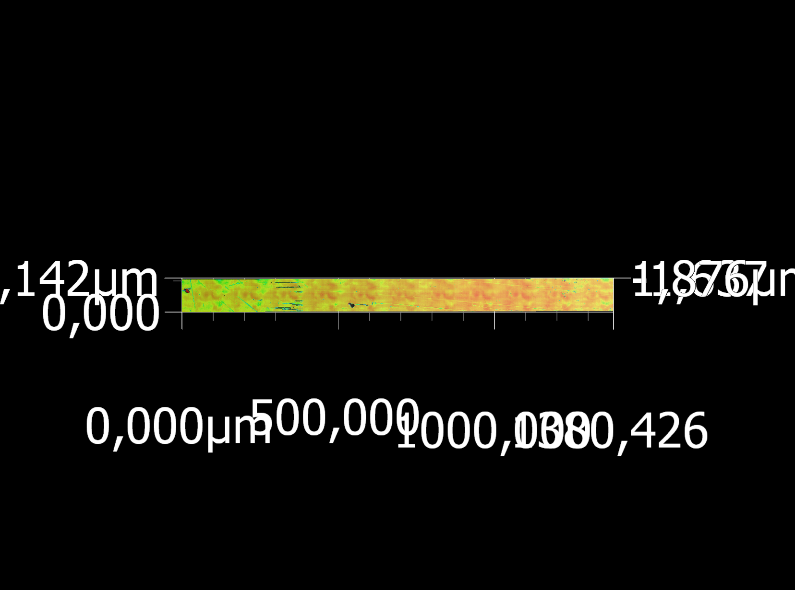 | 2018-04-27
180427_MinhS2 |  |  | 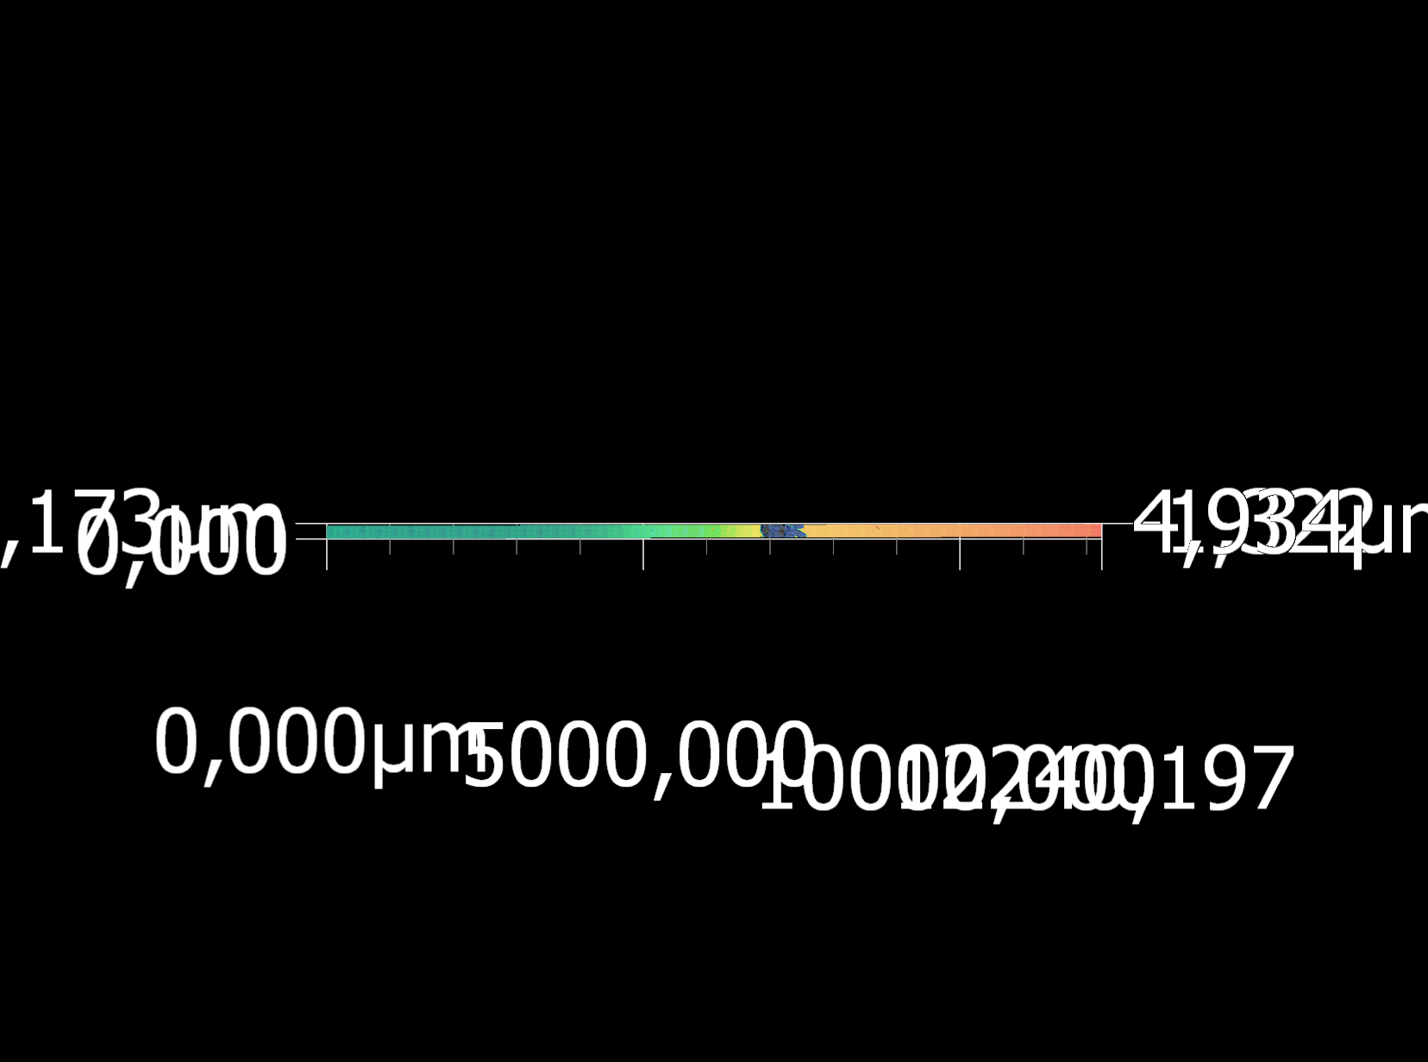 | 2018-04-27

Profile
File name | Profile Laser+Optical | Profile 3D | Profile Horizon1 Profile graph | Profile Horizon1 Measured values
180427_MinhS1_2 |  | 
180427_MinhS2 |  |  | 