Sheet7
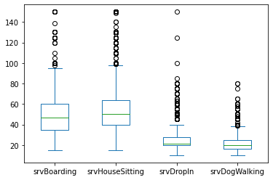

Pivot (3)
Price by Age

Row Labels | Count of sitterID
0-10yrs | 1,779.00
10-20yrs | 1,114.00
20-30yrs | 325.00
30-40yrs | 39.00
40yrs+ | 63.00
(blank) | 52.00
44.00 | 3.00
37.00 | 1.00
48.00 | 1.00
38.00 | 1.00
Grand Total | 3,378.00

