LH Web Schedule
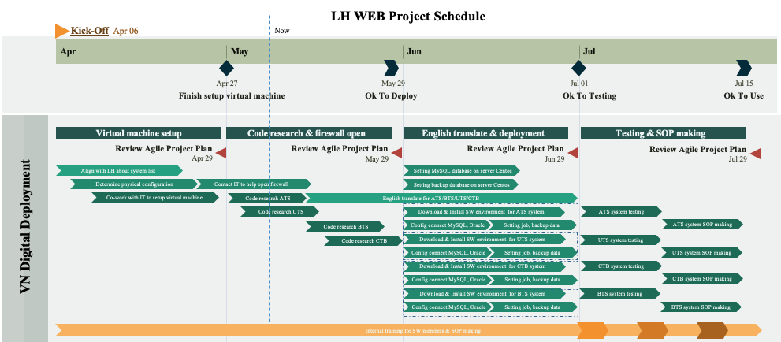

Setup Diagram
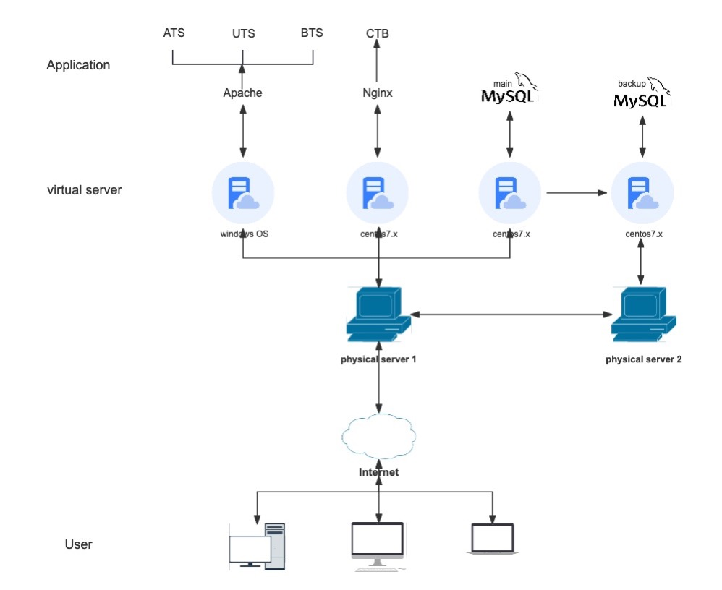

List Web Deloyed
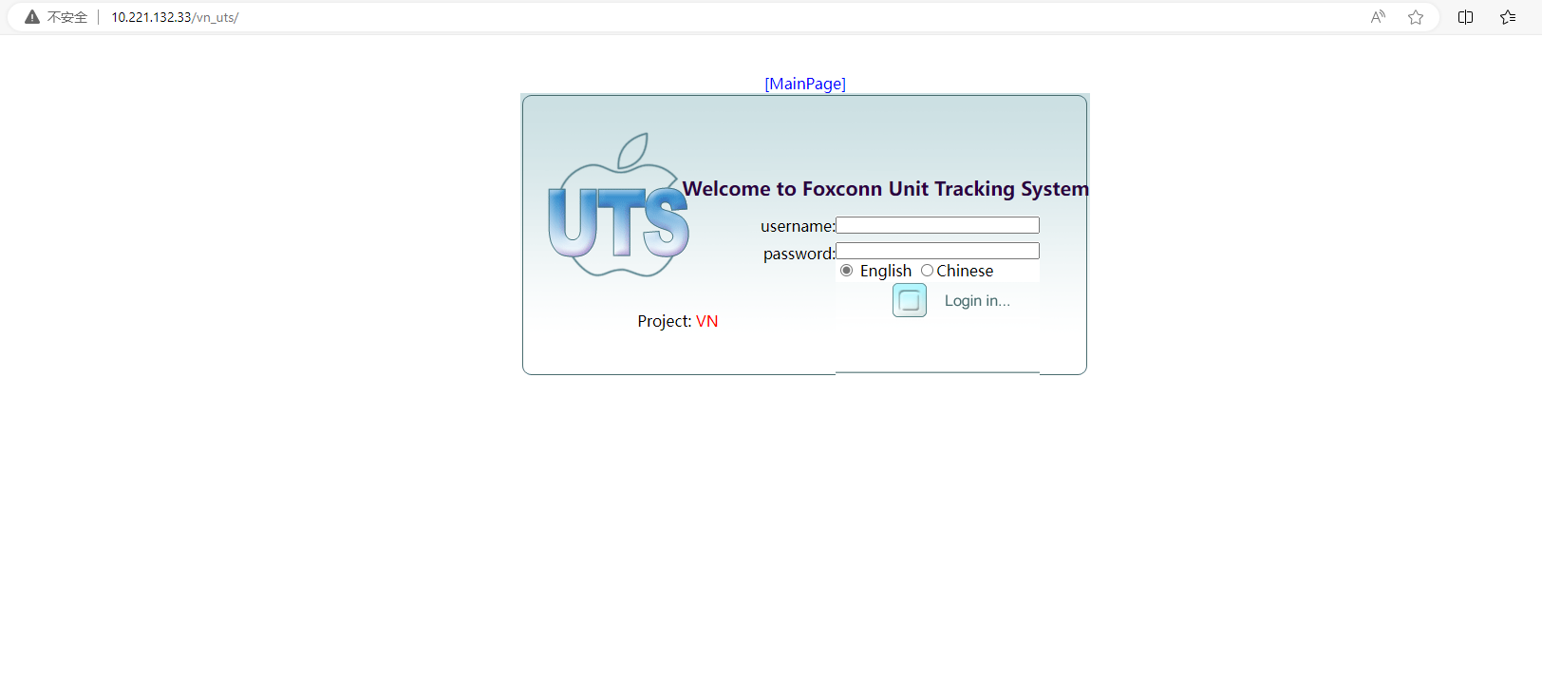
ATS | http://10.221.132.33/vn_ats

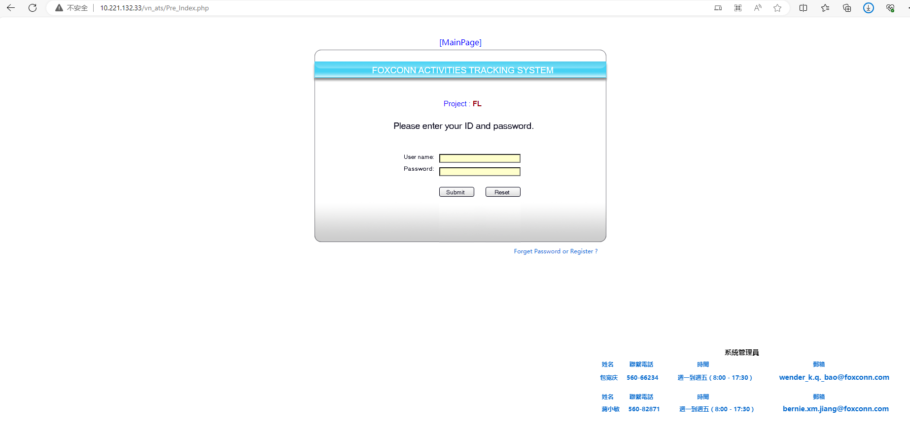

BTS | http://10.221.132.33/vn_bts
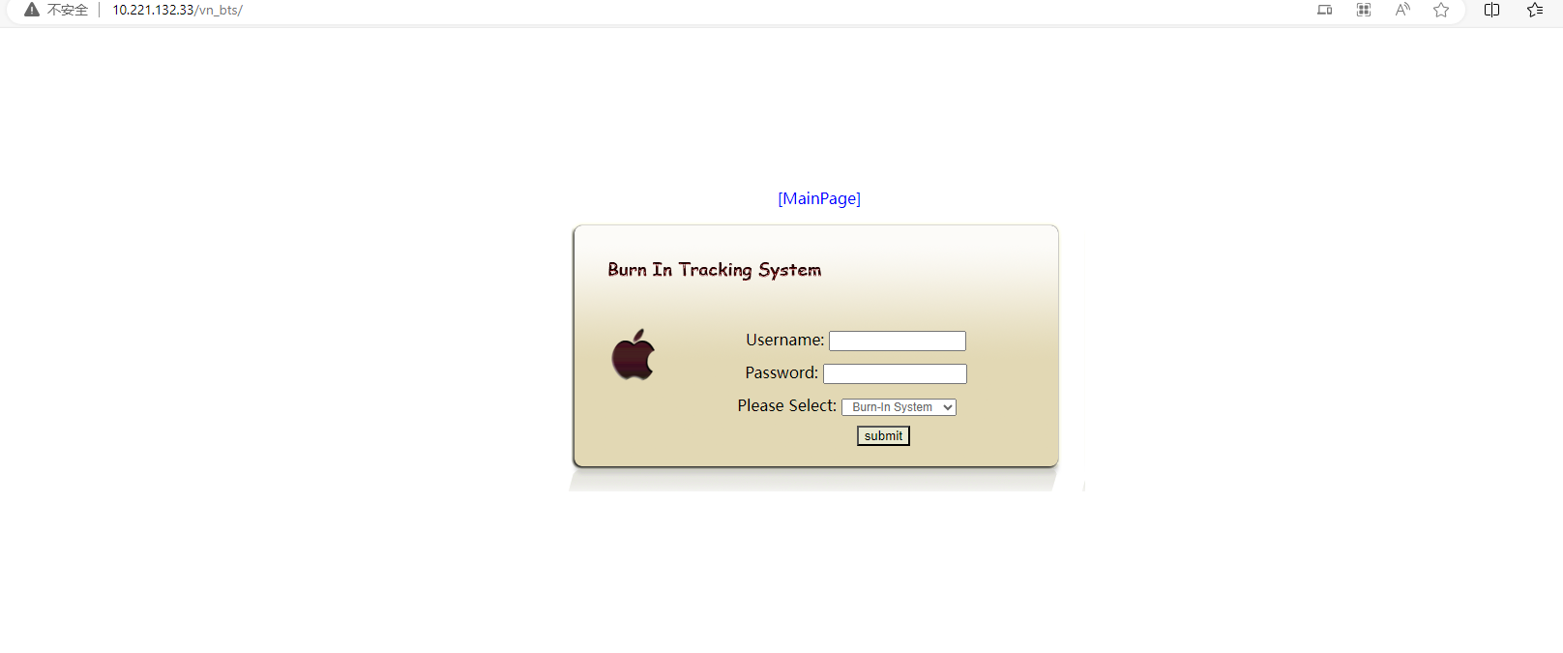

UTS | http://10.221.132.33/vn_uts

