Report
TEST REPORT |  |  |  |  | Write | Review | Approval

TEST ITEM |  | Breakaway Torque |  | DATE |  | 2026-06-22
PART NAME |  | Inner Tie Rod |  | TESTER
PART NO |  |  |  | LOT NO
SPECIFICATION |  | -29.999996-30.000000 Nm |  | QUANTITY |  | 1
TEST PURPOSE |  | Setting (S) |  | JUDGMENT |  | OK
TEAM |  | PM |  | LINE NO |  | S/Link #1
GRAPH | Start Time (s) | 0.002000 | End Time (s) | 18.670000
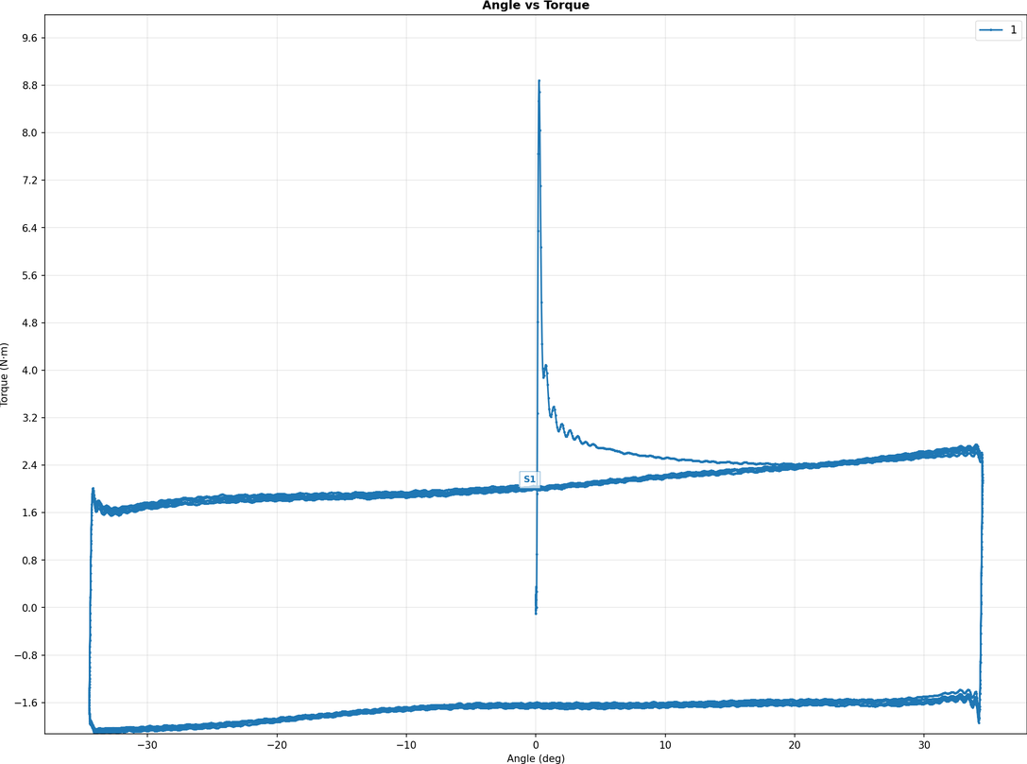

Sample No. | PART NO | Average Torque (Nm) | Average Torque (Kgf.cm) | Max Torque (Nm) | Max Torque (Kgf.cm) | Min Torque (Nm) | Min Torque (Kgf.cm)
1 |  | 1.91891839 | 19.56759462 | 8.88224400 | 90.57401852 | -2.12706700 | -21.69012761

