Class Diagram
Class diagram

I. Class diagram
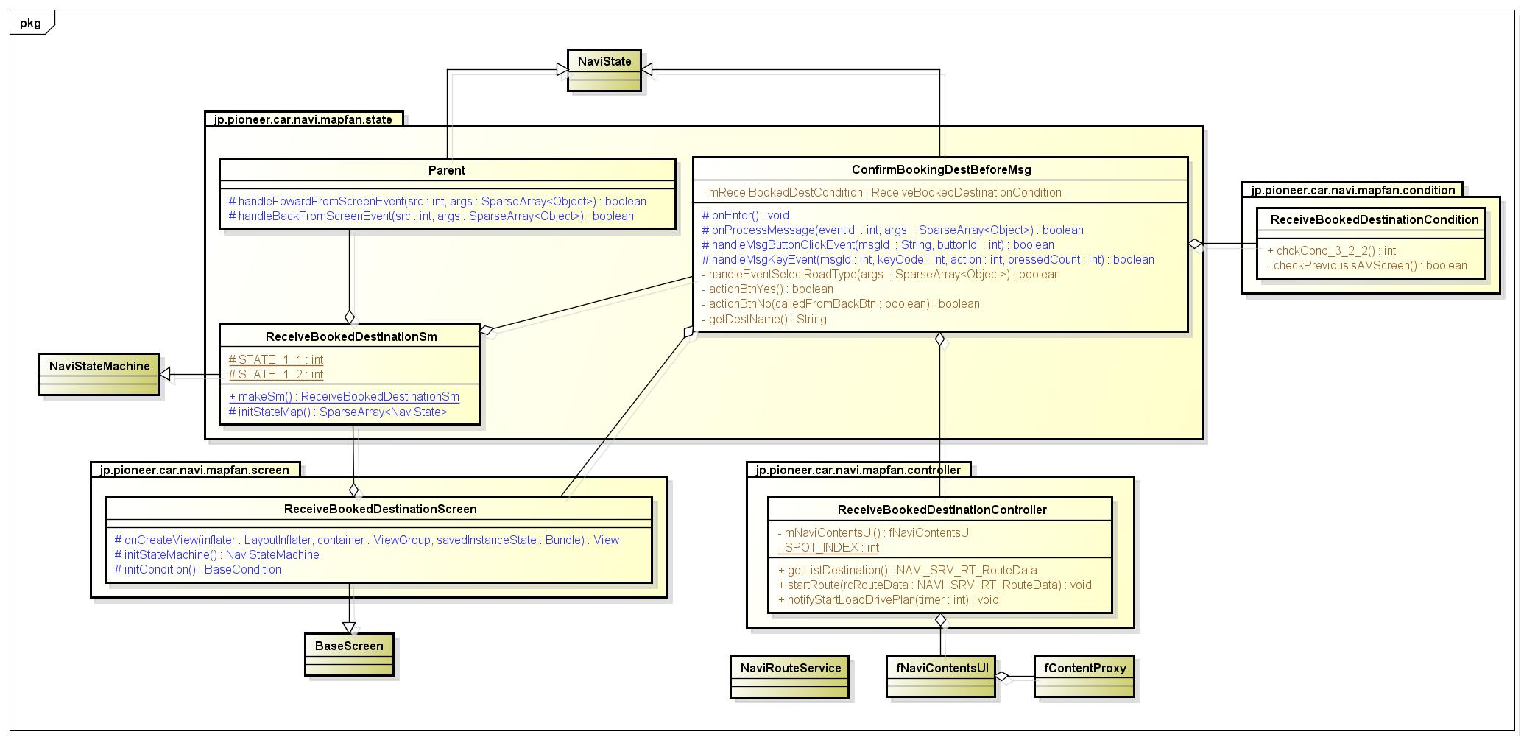

II. Class outline

 | No | Package | Name | Extend | Implement | Description
 | 1 | jp.pioneer.car.navi.mapfan.state | ConfirmBookingDestBeforeMsg | jp.pioneer.car.navi.base.screen.state.NaviState | N/A | A state of screen
 | 2 | jp.pioneer.car.navi.mapfan.state | Parent | jp.pioneer.car.navi.base.screen.state.NaviState | N/A | A state of screen
 | 3 | jp.pioneer.car.navi.mapfan.screen | ReceiveBookedDestinationScreen | jp.pioneer.car.navi.base.screen.view.BaseScreen | N/A | Screen displays MM_12_15_02
 | 4 | jp.pioneer.car.navi.mapfan.condition | ReceiveBookedDestinationCondition | jp.pioneer.car.navi.base.screen.condition.BaseCondition | N/A | Class to check conditions.
 | 5 | jp.pioneer.car.navi.mapfan.controller | ReceiveBookedDestinationController | jp.pioneer.car.navi.base.screen.controller.BaseController | N/A | Class to request to naviUI and request to navi proxy.
 | 6 | jp.pioneer.car.navi.mapfan.state | ReceiveBookedDestinationSm | jp.pioneer.car.navi.base.screen.state.NaviStateMachine | N/A | This screen's state machine

Sequence Diagram
Sequense Diagram

I. State Parent

<Describe sequence>
This sequence handle init state and transition to state 1_2 (目的地予約確認メッセージ状態)
<Input>
Ope: MM_12_15_MapFan / sheet MM_12_15_02.
Sequence: Navi-Contents-05
<Timing>
This sequence started when enter screen MM_12_15_02 (MapFan目的地予約受信画面)
<Additional>
N/A
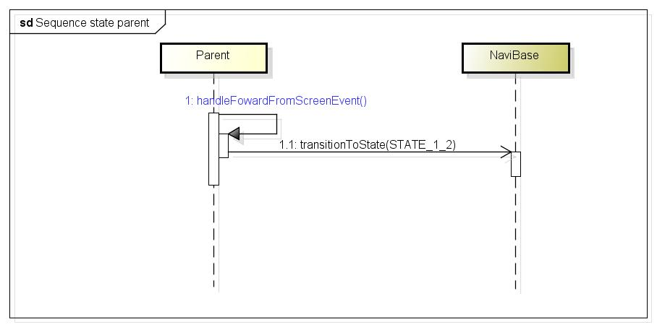

 | asdsad
II. State 1-2 (目的地予約確認メッセージ状態)

<Describe sequence>
Sequence that handle action show message and action when user clicks button yes/no on message
<Input>
Ope: MM_12_15_MapFan / sheet MM_12_15_02.
Sequence: Navi-Contents-05
<Timing>
This sequence stated when enter this state
<Additional>
N/A
 |  |  |  |  | a
 |  |  |  | d

 |  |  | a | as |  | d | d

 |  |  |  | d |  |  |  |  | as
 |  | d |  |  | d | a | s
 |  |  | a |  |  |  |  | s
 |  |  |  | d | ds |  |  |  | d
 |  |  |  |  |  | as
 |  | d |  |  | s |  |  | d
 |  |  |  |  |  |  |  | s
 |  |  |  |  |  |  |  | a
 |  |  |  |  | a |  | d

asdsad

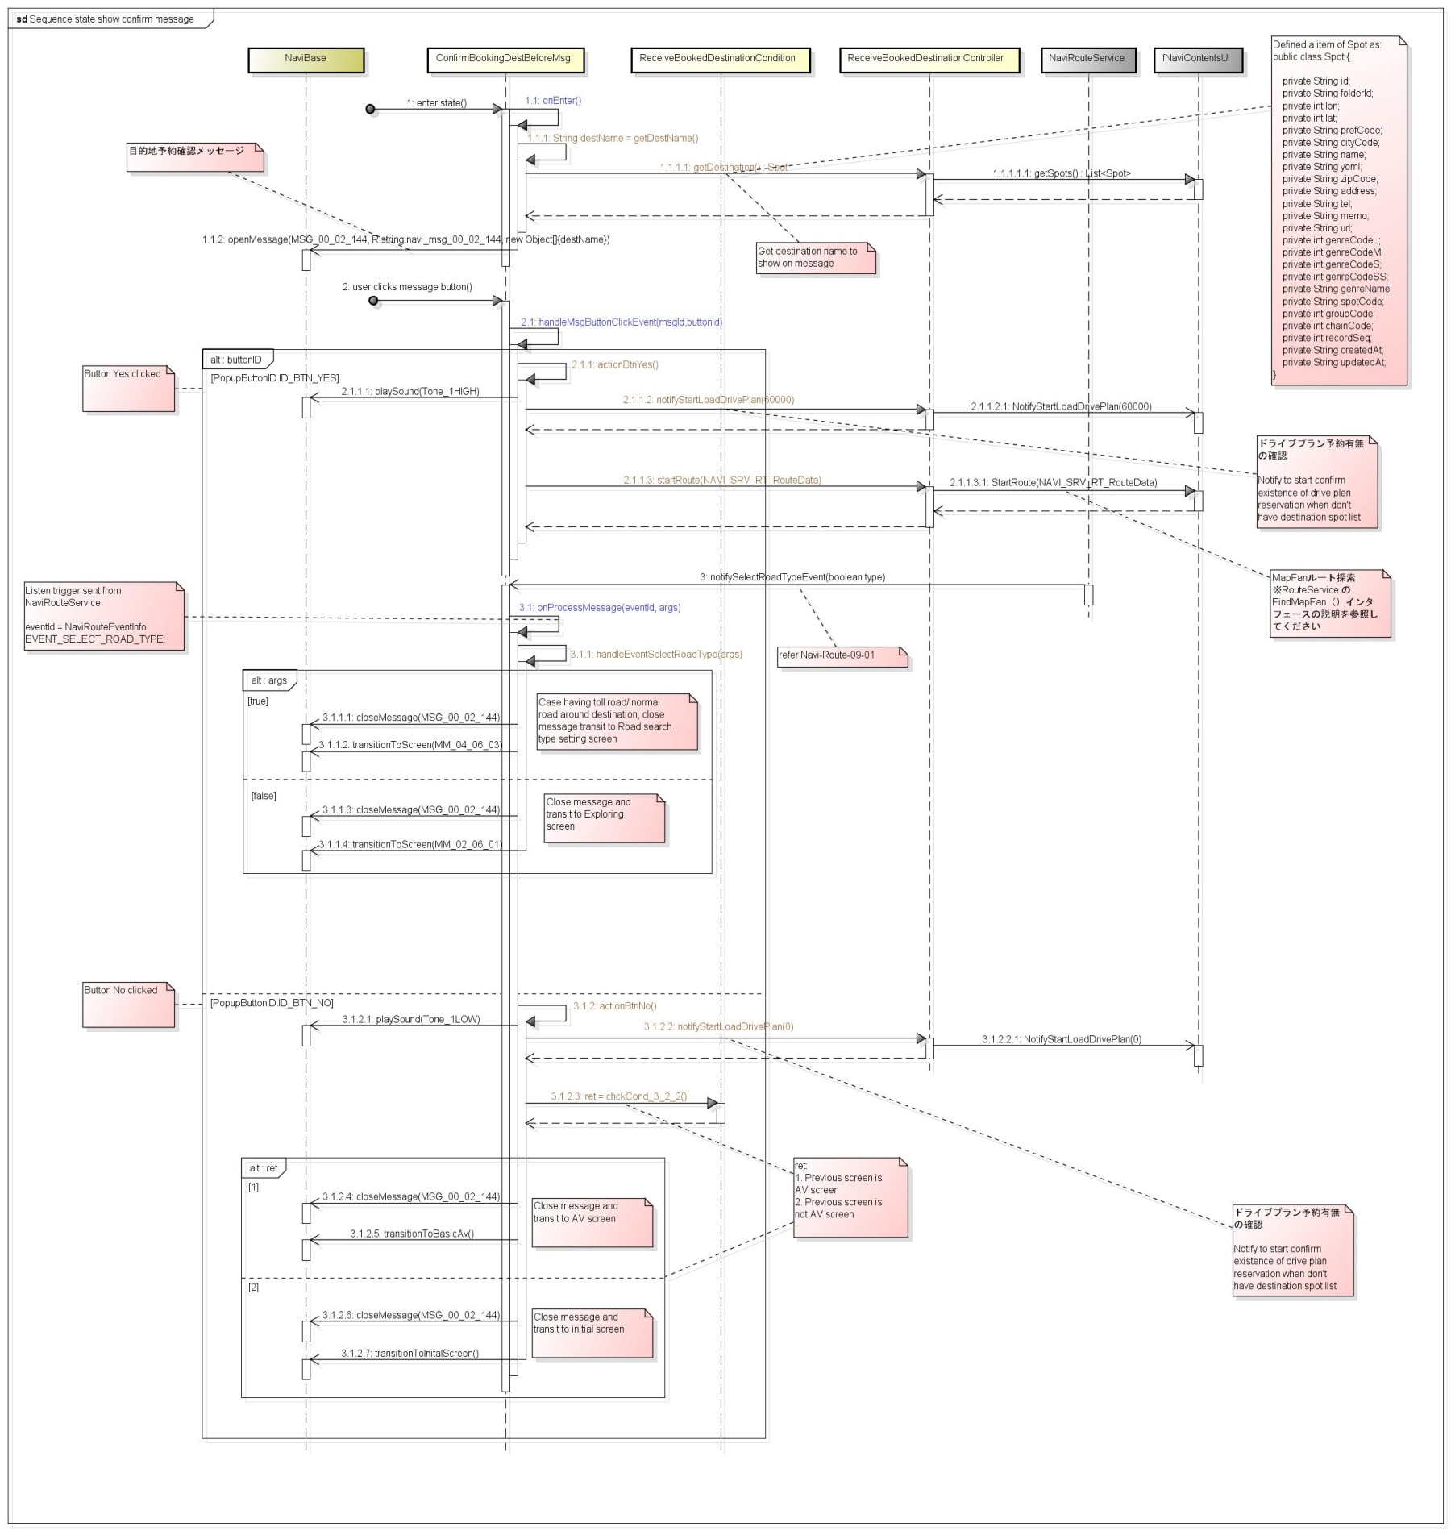

 |  | das

 |  |  |  | as
 | s
 |  |  | d |  |  | das
 |  | as

MainActivity
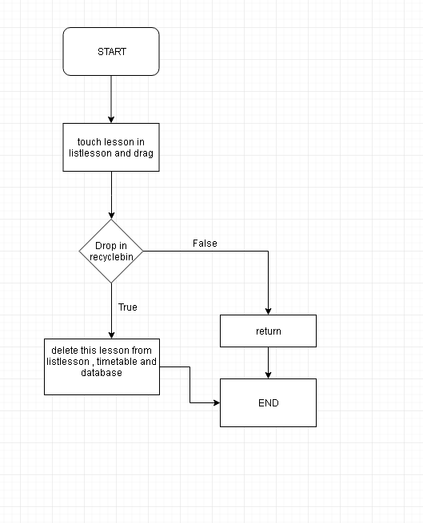
Detail Design
Package: | jp.pioneer.car.navi.mapfan.state

I. Table attributes:

 | No | Name |  | Type |  |  |  | Access modifer |  | Description
 | 1 | - |  | - |  |  |  | - |  | -

II. Functions/Methods
1. Function/Method Specification (Purpose: To clarify the outline of functions, to describe in Javadoc format.)

 | No | Name |  |  | Access modifer | Description |  |  |  |  | Remarks
 | 1 | onCreate |  |  | protected | Create view and data for main activity
 | 2 | getWeek |  |  | private
 | 3 | getListDayWithRegistedLesson |  |  | private
 | 7 | initMVC |  |  | private | Init view and controller object in MVC pattern
 | 8 | initView |  |  | private
 | 9 | onUpgateModel |  |  | private | Receive update from model object
 | 10 | addListener |  |  | private | Add listen for view in Android
 | 11 | dimView |  |  | private | Dim necessay views
 | 12 | disableView |  |  | private | Disable necessary views
 | 13 | reActiveView |  |  | private | Enable necessary views
 | 14 | getmModel |  |  | private | Get TimeTableModel Object
 | 15 | startEditActivity |  |  | private | Start EditActivity
 | 18 | callToShow |  |  | private | Call to show necessary dialog
 | 20 | restoringPreferences |  |  | private
 | 21 | savingPreferences |  |  | private
 | 22 | onPause |  |  | protected
 | 23 | onResume |  |  | protected
 | 24 | getDataTime |  |  | private
 | 25 | setDataTime |  |  | private
 | 26 | addLesson |  |  | private
 | 27 | deleteLessonFromTimeTable |  |  | private
 | 28 | removeChange |  |  | private
 | 29 | deleteLessonFromListLesson |  |  | private

2 Function/Method input/output details (Purpose: To clarify the function input / output.)

 | No | Input information | parameter name | Type |  | Minimum value | Description |  | Maximum value | Description |  | Exception value | Description | Remarks
 | 1 | onCreate | savedInstanceState | Bundle |  | - | - |  | - | - |  | - | - | -
 | 2 | getWeek | - | - |  | - | - |  | - | - |  | - | - | -
 | 3 | getListDayWithRegistedLesson | - | - |  | - | - |  | - | - |  | - | - | -
 | 4 | initMVC | - | - |  | - | - |  | - | - |  | - | - | -
 | 5 | initView |  |  |  | - | - |  | - | - |  | - | - | -
 | 6 | onUpgateModel | event | PropertyChangeEvent |  | - | - |  | - | - |  | - | - | -
 | 7 | addListener | - | - |  | - | - |  | - | - |  | - | - | -
 | 8 | dimView | - | - |  | - | - |  | - | - |  | - | - | -
 | 9 | disableView | - | - |  | - | - |  | - | - |  | - | - | -
 | 10 | reActiveView | - | - |  | - | - |  | - | - |  | - | - | -
 | 11 | getmModel |  |  |  | - | - |  | - | - |  | - | - | -
 | 12 | startEditActivity | lessonName | String |  | - | - |  | - | - |  | - | - | -
 | 13 | callToShow | - | - |  | - | - |  | - | - |  | - | - | -
 | 19 | updateView | lessonFromListLesson | String |  | - | - |  | - | - |  | - | - | -
 | 20 | restoringPreferences | - | - |  | - | - |  | - | - |  | - | - | -
 | 21 | savingPreferences | - | - |  | - | - |  | - | - |  | - | - | -
 | 22 | onPause | - | - |  | - | - |  | - | - |  | - | - | -
 | 23 | onResume | - | - |  | - | - |  | - | - |  | - | - | -
 | 24 | getDataTime | - | - |  | - | - |  | - | - |  | - | - | -
 | 25 | setDataTime | time | String |  | - | - |  | - | - |  | - | - | -
 | 26 | addLesson | - | - |  | - | - |  | - | - |  | - | - | -
 | 27 | deleteLessonFromTimeTable | - | - |  | - | - |  | - | - |  | - | - | -
 | 28 | removeChange | - | - |  | - | - |  | - | - |  | - | - | -
 | 29 | deleteLessonFromListLesson | - | - |  |  | - |  | - | - |  | - | - | -
3. Function/Method outline Flow (Purpose: To clarify rough processing and flow of functions.)

 | No | Output information | Output type | Minimum value |  | Description | Maximum value |  | Description | Exception value |  | Description | Remarks
 | 1 | onCreate | void | - |  | - | - |  | - | - |  | -
 | 2 | getWeek | Week | - |  | - | - |  | - | - |  | -
 | 3 | getListDayWithRegistedLesson | List<ListDayWithRegistedLesson> | - |  | - | - |  | - | - |  | -
 | 4 | initMVC | void | - |  | - | - |  | - | - |  | -
 | 5 | initView | void | - |  | - | - |  | - | - |  | -
 | 6 | onUpgateModel | void | - |  | - | - |  | - | - |  | -
 | 7 | addListener | void | - |  | - | - |  | - | - |  | -
 | 8 | dimView | void | - |  | - | - |  | - | - |  | -
 | 9 | disableView | void | - |  | - | - |  | - | - |  | -
 | 10 | reActiveView | void | - |  | - | - |  | - | - |  | -
 | 11 | getmModel | TimeTableModel | - |  | - | - |  | - | - |  | -
 | 12 | startEditActivity | void | - |  | - | - |  | - | - |  | -
 | 13 | callToShow | void | - |  | - | - |  | - | - |  | -
 | 19 | updateView | void
 | 20 | restoringPreferences | int
 | 21 | savingPreferences | void
 | 22 | onPause | void
 | 23 | onResume | void
 | 24 | getDataTime | String
 | 25 | setDataTime | void
 | 26 | addLesson | void
 | 27 | deleteLessonFromTimeTable | void
 | 28 | removeChange | void | - |  | - | - |  | - | -
 | 29 | deleteLessonFromListLesson | void | - |  | - | - |  | - | -

3. Function/Method outline Flow (Purpose: To clarify rough processing and flow of functions.)

 | 26. Method addLesson()

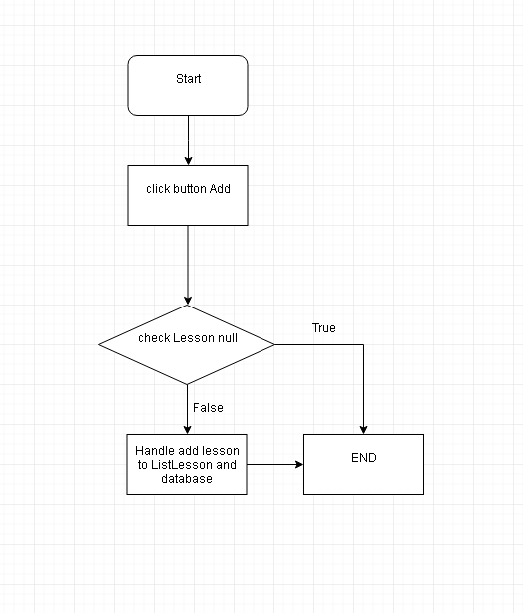

 | 27. Method deleteLessonFromTimeTable()

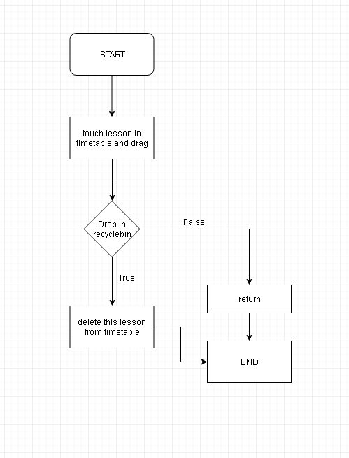

 | 28. Method removeChange()

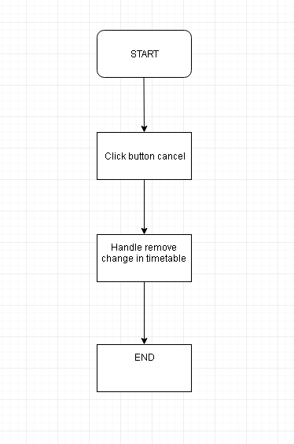

 | 29. Method deleteLessonFromListLesson()

