Guide
Isocyanate Conversion Workbook — DSC · FTIR · DMA · TMA
Estimates NCO conversion (α) for urethane-forming systems by four independent techniques and compares them sample-by-sample.

SHEET MAP — click a name to jump to that sheet's instructions
Sample_Prep ▸ | Read before mixing: one batch, matched specimens, and how to make and measure the specimen behind every value.
Formulation ▸ | Start here: stoichiometry, %NCO, gel point and the network model the other sheets use.
DSC ▸ | Conversion from residual exotherm (measured or theoretical total heat), plus an optional Tg route.
DSC_Isothermal ▸ | DSC only: α(t) and dα/dt from one isothermal hold plus a residual scan on the same specimen.
FTIR ▸ | Conversion from the NCO band at ~2270 cm⁻¹ normalised to an unchanging reference band.
DMA ▸ | Crosslink density from the rubbery-plateau modulus, and conversion from it and from tan δ Tg.
TMA ▸ | Conversion from the expansion Tg (tangent intersection) and from the rubbery compression modulus.
Summary ▸ | Every method side by side by sample ID, with mean, spread and an agreement flag.
MM_Table ▸ | Calculation sheet behind the DMA and TMA modulus conversions (no inputs).
Lambda_Fit ▸ | Calculation sheet: least-squares λ for the DiBenedetto Tg routes on DSC, DMA and TMA (no inputs).

HOW THE SHEETS CONNECT
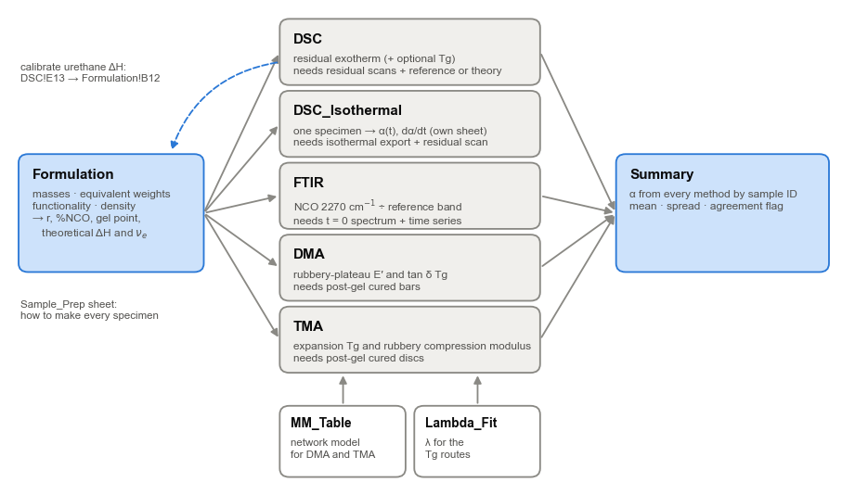

CELL LEGEND
Blue text, yellow fill | Input — type your data here. Every yellow cell is editable; nothing else needs touching.
Black text, grey fill | Calculated — do not overwrite.
Green text, grey fill | Pulled from another sheet (mostly Formulation).
Example data | Rows S0–S4 on every sheet are a worked example (PPG triol, EW 1000, f = 3 + IPDI, index 100, cured at 60 °C). Overwrite or clear them.

WORKFLOW
0. Sample_Prep | Plan the batch before mixing: one mix, matched specimens for every technique, cured together, the same Sample ID on every sheet.
1. Formulation | Enter masses, equivalent weights, functionalities and density. This sets NCO:OH ratio r, initial %NCO, the gel point and the network model used by DMA and TMA.
2. DSC | Enter the uncured reference scan(s), then the residual exotherm (and optionally Tg) for each partially cured sample. Choose the ΔH_total basis in E14: Measured reference, or Theoretical (formulation) when no fresh-mix reference scan exists.
2b. DSC_Isothermal | DSC-only kinetics on one specimen: paste the isothermal heat-flow export (time, W/g), enter the baseline and the residual heat from a dynamic scan run afterwards. Gives α(t) and dα/dt.
DSC on its own | Every DSC result is independent of FTIR, DMA and TMA — leave those sheets blank if you have no data; the Summary simply shows blanks for them.
3. FTIR | Row 11 MUST be the t = 0 (uncured) spectrum. Enter integrated NCO and reference-band areas for every time point.
4. DMA | Enter rubbery-plateau E′ and the temperature it was read at, plus tan δ peak Tg. Pre-gel samples cannot be measured — leave them out.
4b. TMA | Route 1: tangent points (or the instrument's Tg) from the expansion curve. Route 2: two force/deformation points in compression at ≥ Tg + 30 °C. Post-gel specimens only.
5. Summary | Type sample IDs in column A; α from every method is pulled in by ID (IDs must match exactly across sheets).

EQUATIONS
DSC — residual heat | α = 1 − ΔH_res / ΔH_total, both normalised per gram of reactive resin (ΔH per g sample ÷ reactive mass fraction w_r) so plasticiser/filler dilution cancels.
DSC — ΔH_total options | (a) Measured: complete dynamic scan of freshly mixed material. (b) Theoretical: ΔH_theo = n_NCO · ΔH_urethane / m_total (J/g), no reference scan. (c) Isothermal + residual: ΔH_total = Q_iso + Q_res on the same specimen.
DSC — isothermal | Q(t) = ∫ s·[q(t) − q_baseline] dt (trapezoid, s = ±1 for exo direction); α(t) = Q(t)/ΔH_total; dα/dt = s·[q − q_baseline]/ΔH_total.
 | The reference scan also yields an experimental urethane enthalpy, ΔH_total / (mol NCO per g) — use it to calibrate option (b) for later batches.
Tg routes (DSC/DMA/TMA) | DiBenedetto (Pascault–Williams form): (Tg − Tg0)/(Tg∞ − Tg0) = λα / [1 − (1 − λ)α], λ ≈ ΔCp∞/ΔCp0. Inverted: α = x / [λ + x(1 − λ)], x = (Tg − Tg0)/(Tg∞ − Tg0). Tg0, Tg∞ and λ must come from the same technique as the sample Tg (DSC midpoint vs DMA tan δ peak differ by ~5–20 °C).
 | λ is chosen per sheet: least-squares fit to residual-heat α (default; see Lambda_Fit), the measured ΔCp ratio, the Tg0/Tg∞ (kelvin) estimate, or a manual value.
FTIR | α = 1 − (A_NCO/A_ref)_t / (A_NCO/A_ref)_0. NCO asymmetric stretch ≈ 2270 cm⁻¹ (integrate ~2230–2300). Reference band must not change during cure (C–H stretch 2870–2970 cm⁻¹, or aromatic C=C ~1595 cm⁻¹ for MDI/TDI). Never use C=O or N–H — they grow with urethane formation.
DMA — modulus route | Rubber elasticity: E′ = 3φ ν_e R T → ν_e = E′ / (3φRT); Mc = ρ/ν_e. Affine φ = 1; phantom φ = 1 − 2/f.
 | Miller–Macosko for A2 + Bf (one difunctional component, crosslinker f = 3 or 4). With k = r α² (r = NCO/OH, α = NCO conversion), P(F_out) = b solves b = k b^(f−1) + 1 − k:
 | f = 3: b = (1 − k)/k for k > 1/2 f = 4: b = [−k + √(4k − 3k²)]/(2k) for k > 1/3 (b = 1 below the gel point)
 | ν_e = [Bf]0 · Σ (m/2)·P(X_m,f): f = 3 → 1.5(1 − b)³; f = 4 → 2(1 − b)⁴ + 6b(1 − b)³
 | The MM_Table sheet tabulates ν_e(α) in 0.001 steps; the measured ν_e is looked up to give α (resolution 0.001).
TMA — expansion | Tangents through (T1, ΔL1)–(T2, ΔL2) and (T3, ΔL3)–(T4, ΔL4); Tg = their intersection; CTE = slope / L0. α from Tg by DiBenedetto, as for DSC and DMA.
TMA — compression | Neo-Hookean in compression: σ = G(λ⁻² − λ), λ = 1 − d/L0, σ = F/A. Two points cancel probe seating: G = (σ2 − σ1) / [(λ2⁻² − λ2) − (λ1⁻² − λ1)]; ν_e = G/(φRT); α from the same Miller–Macosko lookup as DMA.
Gel point | Flory–Stockmayer: α_gel = [r(f − 1)]^−½ (NCO conversion). Maximum NCO conversion = min(1, 1/r).

ASSUMPTIONS & CAVEATS
Side reactions | Allophanate, biuret, isocyanurate and urea (moisture → amine + CO₂) consume NCO without matching urethane heat or the assumed network. Expect FTIR α > DSC/DMA α when they occur; a large, systematic gap is itself diagnostic.
DSC | ΔH_total must come from a complete dynamic scan of freshly mixed material (some reaction during mixing/loading biases it low). Check the measured/theoretical ratio on the DSC sheet. Overlapping events (evaporation, post-cure side reactions) inflate residual heat.
Urethane ΔH | Formulation!B12 (default 90 kJ/mol NCO) is only for the theoretical-enthalpy sanity check; literature values span roughly 80–100 kJ/mol depending on isocyanate/alcohol structure. Replace with a value for your chemistry (DSC!E13 gives one from your own reference scan). It enters α only when a Theoretical ΔH_total basis is selected; otherwise it is a sanity check.
Isothermal DSC | Run until the heat flow returns to baseline, or capture what remains with the residual scan (the sheet flags runs still >2 % of peak at the end). Heat released before data collection (mixing, loading, equilibration) is missed by Q_iso; the heat-balance row against theoretical shows how much. Vitrification can stall cure — the residual scan then holds the rest.
DMA | Read E′ well into the rubbery plateau (≥ 30 °C above tan δ Tg; the sheet flags this). Hard-segment phase separation, H-bonding and trapped entanglements raise E′ above the chemical-crosslink value, so modulus-derived α reads high in segmented PUs. Non-integer or mixed functionality (e.g. HTPB, f ≈ 2.2–2.5, or diol/triol blends) is NOT handled by the A2 + Bf model — use the Tg route or ν_e/ν_e,theo as a relative index instead.
TMA | Keep the expansion force small (≈0.02–0.05 N) or the probe sinks in above Tg and the rubbery slope is wrong. Compression discs need flat, parallel, lubricated faces — friction makes thin discs read stiff. Physical crosslinks inflate G just as they inflate E′.
Heating during tests | A partly cured specimen keeps curing while it is heated (DMA and TMA ramps, the Tg part of a DSC scan). Keep ramps short and, where possible, below the cure temperature, or α will read high.
Units | E′ and G in MPa, forces in N, deformations and ΔL in µm, thickness and diameter in mm, T in °C (converted to K), density in g/cm³, ν_e in mol/m³, Mc in g/mol, ΔH in J/g, IR areas in absorbance·cm⁻¹ (any consistent unit).

REFERENCES
 | Macosko, C. W.; Miller, D. R. Macromolecules 1976, 9, 199–206 (average MW of nonlinear polymers).
 | Miller, D. R.; Macosko, C. W. Macromolecules 1976, 9, 206–211 (post-gel properties, elastically active strands).
 | Pascault, J. P.; Williams, R. J. J. J. Polym. Sci. B: Polym. Phys. 1990, 28, 85–95 (DiBenedetto Tg–conversion relation).
 | Odian, G. Principles of Polymerization, 4th ed., Wiley, 2004 — Ch. 2 (step polymerisation, gelation, Flory–Stockmayer).
 | Test standards for specimen preparation and measurement are listed per value on the Sample_Prep sheet (check the current edition).

Sample_Prep
Sample preparation — the specimen behind every value
One batch, matched specimens, the same Sample ID on every sheet. Settings are typical starting points; adapt them to your instrument and material.
↩ Back to the Guide

THE ONE-BATCH WORKFLOW
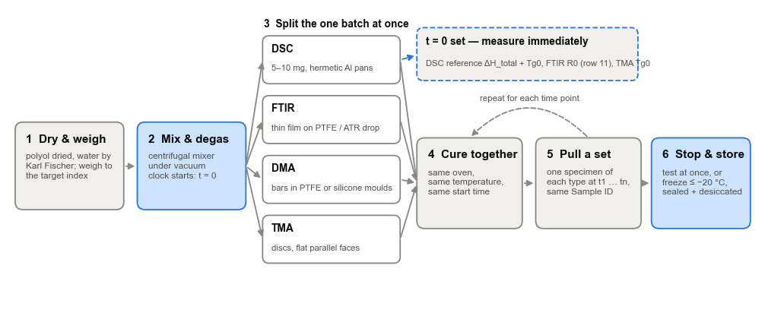

BEFORE YOU START — applies to every technique
Step | What to do | How | Why it matters | Standard
1 | Dry the polyol | 2–4 h at 80–100 °C under vacuum (or as the supplier advises); check water by Karl Fischer and keep it below ~0.05 %. | Water consumes NCO (urea + CO₂): FTIR then sees NCO loss with no urethane heat, and bubbles spoil DMA/TMA specimens. | ASTM D4672
2 | Check the raw materials | Titrate the OH number of the polyol lot and the %NCO of the isocyanate lot; enter those, not nominal values, on Formulation. | Index, gel point, %NCO and theoretical ΔH all depend on them. | ASTM D4274, D2572
3 | Make one batch | Weigh to the target index on an analytical balance and record the actual masses; add catalyst last; mix 1–2 min in a centrifugal mixer, under vacuum if available. | Every technique then measures the same material — the Summary comparison only means something this way.
4 | Start the clock | t = 0 is first contact of polyol and isocyanate. Note it, and the time each specimen goes into the oven or instrument. | Cure time is the x-axis of every comparison.
5 | Split at once | Within a few minutes fill DSC pans, cast FTIR films, pour DMA bars and TMA discs (table below). Measure the t = 0 set straight away. | The mix keeps reacting at room temperature; delays shift t = 0 and lower the measured ΔH_total.
6 | Cure together | Put every specimen in the same oven at the same time. At each time point pull one of each type and give them the same Sample ID. | Identical thermal history makes the techniques comparable.
7 | Stop and store | Test at once, or freeze at ≤ −20 °C (−80 °C is better) in a sealed, desiccated bag; let it reach room temperature before opening. | Cold well below Tg stops the reaction; opening a cold bag condenses water on the specimen.
8 | Measure gently | Keep heating ramps short and, where possible, below the cure temperature; note the maximum temperature each specimen saw. | A partly cured specimen keeps curing while it is heated, which biases α high.

VALUE BY VALUE — which specimen gives each input, and how to measure it
Sheet | Value (cells) | Specimen and how to prepare it | How to measure it | Standard
Formulation | Polyol equivalent weight (B5) | A sample of the polyol lot, dried as in step 1. | OH number by titration; EW = 56100 / OH number. | ASTM D4274
Formulation | Isocyanate equivalent weight (B8) | A sample of the isocyanate lot, handled under dry N₂ (it reacts with air moisture). | %NCO by di-n-butylamine back-titration; EW = 4202 / %NCO. | ASTM D2572
Formulation | Masses (B4, B7, B10) | The batch itself. | Analytical balance, weigh by difference; enter the actual masses, not the targets.
Formulation | Cured density (B11) | A void-free, fully cured piece cast alongside the DMA/TMA specimens. | Buoyancy (Archimedes) in water or another liquid that does not swell it, or gas pycnometry. | ASTM D792
DSC | Reference ΔH_total (C5–C7) | 5–10 mg of fresh mix in a hermetic aluminium pan, sealed and weighed within minutes of mixing; 2–3 replicates. | Cool to ~Tg0 − 30 °C, heat 10 K/min through the whole exotherm under N₂ (50 mL/min); check by TGA that the upper limit is below any mass loss. Integrate with a linear baseline. | ASTM E2160
DSC | Residual ΔH_res (column E) | Best: seal 5–10 mg pans of fresh mix at t = 0 and cure them in the oven with the other specimens. Otherwise cut 5–10 mg from the bulk specimen pulled at that time. | Exactly the same pan type, heating rate, range and baseline as the reference. | ASTM E2160
DSC | Tg midpoint (column I) and Tg0 (B18) | The same pans. For Tg0 use a fresh-mix pan quenched below Tg first. | Midpoint of the step on the first heat, read before the residual exotherm begins. | ASTM E1356
DSC | Tg∞ (B19) and ΔCp∞ (H18) | A pan cured to completion: post-cure until no residual exotherm remains. | Second heat after a complete scan: step midpoint and step height (J/g·K). | ASTM E1356
DSC | ΔCp0 (G18) | The fresh-mix reference pan. | Step height at Tg0 on the first heat (J/g·K). | ASTM E1356
DSC_Isothermal | Heat flow vs time (A27 down) | 5–10 mg of fresh mix in a hermetic pan, loaded as fast as possible after mixing. | Pre-equilibrate the cell at the cure temperature and drop the pan in (or jump at the maximum rate); hold until the signal is flat; export W/g against minutes. Record the delay from mixing to the start.
DSC_Isothermal | Baseline (B8) | The same pan after the run. | Repeat the identical isothermal program on the now-cured pan; its signal is the baseline.
DSC_Isothermal | Residual heat Q_res (B9) | The same pan. | Cool below Tg, then heat 10 K/min through the residual exotherm. | ASTM E2160
FTIR | A_NCO and A_ref at t = 0 (row 11) | A drop of fresh mix. | ATR: a thin layer over the crystal (a heated ATR at the cure temperature gives continuous kinetics). Transmission: a 10–25 µm film between KBr or NaCl so the NCO band stays below ~1 absorbance.
FTIR | A_NCO and A_ref at time t (columns D–E) | A thin film (~0.1–0.5 mm) cast on PTFE or release liner from the same batch and cured with the other specimens. | Same crystal, clamp pressure, 4 cm⁻¹ resolution and 32 scans every time; fresh background each session. Measure the face that was against the liner — the air side also reacts with humidity.
DMA | E′, T at E′ and tan δ peak (columns D–F) | Bars cast in PTFE or silicone moulds from the degassed batch, e.g. 30 × 6 × 1–2 mm (film tension) or 50 × 10 × 3 mm (single cantilever); thickness measured at three points. | Strain sweep first to find the linear region; then 1 Hz, 2–3 K/min from ~Tg − 30 °C to Tg + 50 °C. Read E′ at ≥ Tg + 30 °C; tan δ peak = Tg. Post-gel (handleable) specimens only. | ASTM D4065, E1640
DMA | Tg0 and Tg∞ (B13–B14) | Tg∞: a bar post-cured to completion. Tg0: the liquid cannot be clamped. | Tg∞ by the same ramp. Tg0: extrapolate the Tg–time trend, or use DSC Tg0 plus your DSC→tan δ offset. | ASTM E1640
TMA | Tangent points or Tg (Route 1, columns D–M) | A disc or flat piece 1–3 mm thick and 5–8 mm across with flat, parallel faces (cast in a mould, or cut and lightly sanded). | Expansion probe, small force (~0.02–0.05 N) so it does not sink in above Tg; cool to ~Tg − 40 °C, heat 3–5 K/min. Pick two points on each straight segment, or enter the instrument's Tg in column E. | ASTM E831, E1545
TMA | Forces and deformations (Route 2, columns D–J) | A cylinder or disc smaller than the flat probe (e.g. Ø5 × 2 mm under a Ø6 mm probe); thin silicone oil or PTFE film on both faces so it does not barrel; thickness and diameter by micrometer. | Equilibrate at ≥ Tg + 30 °C; apply a small preload (force 1), then a higher force (force 2) or a slow force ramp; keep compression below 20 %.
TMA | Tg0 and Tg∞ (B13–B14) | Tg0: fresh mix quenched below Tg in a TMA pan. Tg∞: a fully post-cured disc. | Same expansion program; for Tg0 the probe sinks where the material softens — take the onset. | ASTM E1545

Standards are listed for method guidance — check the current edition and your laboratory's own procedures.

Summary
Summary — NCO conversion by method
Type sample IDs in column A; values are looked up by ID from each method sheet. ▸ How to use this sheet: column O
Agreement tolerance (α range) |  |  | 5.0%

Sample ID | Cure time (h) | α DSC (residual heat) | α DSC (Tg) | α FTIR | α DMA (Miller–Macosko) | α DMA (tan δ Tg) | α TMA (expansion Tg) | α TMA (compression) | Mean α | Std. dev. | Range | Agreement | HOW TO USE — Summary
S0 |  |  |  |  |  |  |  |  |  |  |  |  | ↩ Back to the Guide
S1 |  |  |  |  |  |  |  |  |  |  |  |  | 1 Type each sample ID in column A exactly as it appears on the method sheets.
S2 |  |  |  |  |  |  |  |  |  |  |  |  | 2 α from every method fills in automatically; a blank means no data on that sheet.
S3 |  |  |  |  |  |  |  |  |  |  |  |  | 3 D3 sets the agreement tolerance (default 5 percentage points).
S4 |  |  |  |  |  |  |  |  |  |  |  |  | 4 Columns J–L: mean, standard deviation and range of the methods that have data.
 |  |  |  |  |  |  |  |  |  |  |  |  | Reading disagreements
 |  |  |  |  |  |  |  |  |  |  |  |  | • FTIR > DSC heat → NCO used without urethane heat: moisture → urea, allophanate, isocyanurate.
 |  |  |  |  |  |  |  |  |  |  |  |  | • Modulus routes (DMA, TMA) > others → physical crosslinks or hard-segment phase separation.
 |  |  |  |  |  |  |  |  |  |  |  |  | • Tg routes scatter at low α → Tg barely moves early in cure when λ < 1; trust heat or FTIR there.
 |  |  |  |  |  |  |  |  |  |  |  |  | • DSC heat low at high α → a small residual exotherm lost in noise, or a baseline drawn too high.
 |  |  |  |  |  |  |  |  |  |  |  |  | Specimens
 |  |  |  |  |  |  |  |  |  |  |  |  | Matched specimens: one batch, cured together, the same Sample ID on every sheet.
 |  |  |  |  |  |  |  |  |  |  |  |  | ▸ Full preparation protocol for this sheet (Sample_Prep)

 |  |  |  |  |  |  |  |  |  |  |  |  | Figure — schematic only: the usual patterns when methods disagree.
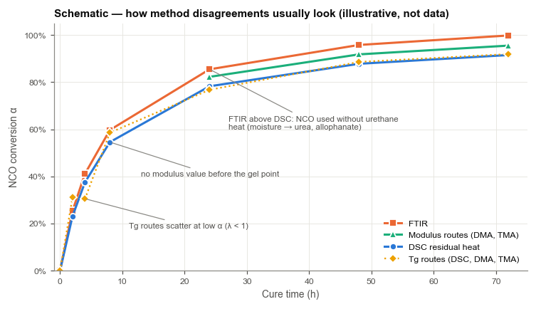

Blank = no data for that sample on that sheet (e.g. pre-gel samples have no DMA or TMA value). Text results such as "> theoretical" are excluded from the statistics.
Typical pattern: FTIR ≥ DSC heat when side reactions consume NCO; the modulus routes (DMA, TMA) read high in phase-separated (segmented) PUs.

Formulation
Formulation & Network Parameters |  |  |  | HOW TO USE — Formulation
Inputs here feed DSC (reactive fraction), FTIR (%NCO, OH conversion) and DMA (Miller–Macosko network model). ▸ How to use this sheet: column F |  |  |  | ↩ Back to the Guide
Parameter | Value | Units | Note | Steps
Polyol mass | 10.00 | g | Example: PPG triol, MW ≈ 3000 | 1 Polyol (B4–B6): mass, equivalent weight per OH, functionality.
Polyol equivalent weight (per OH) | 1000.0 | g/eq | EW = 56100 / OH number (mg KOH/g) | EW = 56100 / OH number (mg KOH/g). Take it from the CoA of the lot you actually used.
Polyol functionality | 3 | – | Integer; 2 for a diol | 2 Isocyanate (B7–B9): mass, equivalent weight per NCO, functionality.
Isocyanate mass | 1.111 | g | Example: IPDI | EW = 4202 / %NCO. IPDI 111.1 · HDI 84.1 · MDI 125.1 · TDI 87.1 g/eq.
Isocyanate equivalent weight (per NCO) | 111.1 | g/eq | EW = 4202 / %NCO. IPDI 111.1, HDI 84.1, MDI 125.1, TDI 87.1 | 3 Non-reactive mass (plasticiser, filler, additives) and cured density (B10–B11).
Isocyanate functionality | 2 | – | Integer; 2 for a diisocyanate | 4 Urethane ΔH (B12): keep 90 kJ/mol, or paste DSC!E13 once you have a fresh-mix reference scan.
Non-reactive mass (plasticiser, filler, additives) | 0.00 | g | Dilutes ΔH per gram of sample; corrected for on the DSC sheet | 5 Check the results: index (B18), initial %NCO (B21), gel point (B27), theoretical ΔH (B31).
Cured density | 1.020 | g/cm³ | Of the whole formulation | 6 B32 must read OK for the DMA and TMA modulus routes; otherwise rely on DSC, FTIR or the Tg routes.
Urethane reaction enthalpy (magnitude) | 90.0 | kJ/mol NCO | Sanity check only — see Guide. Replace with a value for your chemistry | Every other sheet reads this one — keep one copy of the workbook per formulation.
 |  |  |  | Specimens
Calculated |  |  |  | Titrate the OH number and %NCO of the actual lots, dry the polyol, and weigh on an analytical balance.
OH equivalents |  | eq |  | ▸ Full preparation protocol for this sheet (Sample_Prep)
NCO equivalents |  | eq
NCO:OH ratio, r |  | – |  | Figure — where a network can form. Find your r on the x-axis; DMA and TMA need conversions above the gel curve.
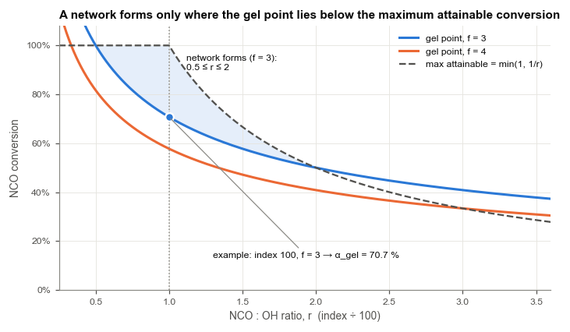
Isocyanate index |  | –
Total mass |  | g
Reactive mass fraction, w_r |  | – | Used on the DSC sheet
Initial NCO content |  | wt fraction | NCO = 42.02 g/mol
Specimen volume |  | m³
Crosslinker functionality, f |  | –
Crosslinker component
Crosslinker concentration, [Bf]0 |  | mol/m³
Maximum attainable NCO conversion |  | – | NCO in excess (r > 1) cannot fully react
Gel-point NCO conversion, α_gel |  | – | Flory–Stockmayer [r(f−1)]^−½
k at maximum conversion (= r·α_max²) |  | –
P(F_out) b at maximum conversion |  | –
Theoretical ν_e at maximum conversion |  | mol/m³ | Miller–Macosko, elastically active strands
Theoretical ΔH_total |  | J/g sample | Compare with measured on DSC sheet
Network-model check

DSC
DSC — residual exotherm and Tg |  |  |  |  |  |  |  |  |  |  |  |  | HOW TO USE — DSC (residual heat)
α = 1 − ΔH_res/ΔH_total on a reactive-resin basis; optional Tg route via DiBenedetto. ▸ How to use this sheet: column O |  |  |  |  |  |  |  |  |  |  |  |  | ↩ Back to the Guide
Reference: uncured, freshly mixed, full dynamic scan
Replicate | Sample mass (mg) | ΔH_total (J/g sample) | w_r | ΔH_total (J/g reactive) |  |  |  |  |  |  |  |  | Reference scan — rows 5–7 (skip if you will use the theoretical basis)
Ref-1 | 8.12 | 79.4 |  |  |  |  |  |  |  |  |  |  | 1 Mix fresh, load at once, cool below Tg0, then heat at 10 K/min through the whole exotherm.
Ref-2 | 7.95 | 80.6 |  |  |  |  |  |  |  |  |  |  | 2 Integrate the exotherm against a linear baseline; enter ΔH in J/g of sample (C5–C7).
 |  |  |  |  |  |  |  |  |  |  |  |  | 3 E12 should be close to 100 %. Much lower: heat lost before the scan, or Formulation!B12 too high.
Mean ΔH_total (J/g reactive) |  |  |  |  |  |  |  |  |  |  |  |  | Choose the ΔH_total basis — E14
Std. dev. |  |  |  |  |  |  |  |  |  |  |  |  | 4 Measured reference = rows 5–7. Theoretical (formulation) = no reference scan needed.
RSD |  |  |  |  |  |  |  |  |  |  |  |  | Partially cured samples — rows 23–42
Theoretical ΔH (J/g reactive) |  |  |  |  |  |  |  |  |  |  |  |  | 5 Scan each sample at the same rate, integrate the same way, and enter ΔH_res in column E.
Measured / theoretical |  |  |  |  | Low ratio → reaction before/while loading, or ΔH_urethane input too high |  |  |  |  |  |  |  | 6 Conversion appears in column H.
Urethane ΔH implied by reference (kJ/mol NCO) |  |  |  |  | Copy into Formulation!B12 to calibrate the theoretical basis (valid only if the reference scan reached full cure) |  |  |  |  |  |  |  | Optional Tg route
ΔH_total basis used for α ▼ |  |  |  | Measured reference |  |  | Theoretical = no uncured reference scan needed; accuracy then rests on Formulation!B12 |  |  |  |  |  | 7 Enter the Tg midpoint in column I, then Tg0 and Tg∞ (B18–B19). Pick where λ comes from in G17:
ΔH_total used (J/g reactive) |  |  |  |  |  |  |  |  |  |  |  |  | Fitted (default) = least-squares fit to the residual-heat α of samples that have both (needs ≥ 2);
 |  |  |  |  |  |  |  |  |  |  |  |  | ΔCp ratio = enter the Tg-step ΔCp of uncured and fully cured material in G18–H18;
DiBenedetto parameters (DSC midpoint Tg) |  |  |  | λ source ▼ |  | Fitted to residual-heat α |  |  |  |  |  |  | Tg0/Tg∞ estimate = first guess in kelvin; Manual = type λ in J21. B20 shows the λ in use.
Tg0 — uncured (°C) | -65.0 | °C |  | ΔCp0 | ΔCp∞ (J/g·K) |  | 0.500 | 0.230 | → λ |  |  |  |  | 8 Column K = α from Tg; column L = its gap to the heat result.
Tg∞ — fully cured (°C) | -40.0 | °C |  | Tg0 / Tg∞ in kelvin |  |  |  |  |  |  |  |  | Specimens
λ used (source picked in G17) |  | – |  | Fitted to residual-heat α |  | points used |  |  |  |  |  |  | 5–10 mg in hermetic pans; best: seal pans of fresh mix at t = 0 and cure them in the oven with everything else.
Tg∞: post-cure a sample until Tg stops rising |  |  |  | Manual λ |  |  |  |  | 0.450 |  |  |  | ▸ Full preparation protocol for this sheet (Sample_Prep)
Sample ID | Cure temp (°C) | Cure time (h) | Sample mass (mg) | ΔH_residual (J/g sample) | w_r | ΔH_residual (J/g reactive) | α — residual heat | Tg midpoint (°C) | x = (Tg−Tg0)/(Tg∞−Tg0) | α — DiBenedetto | α(Tg) − α(heat) | Notes
S0 | 60 | 0.0 | 8.05 | 80.0 |  |  |  | -65.0 |  |  |  |  | Figure — left: what to integrate on each scan. Right: how λ shapes the Tg–conversion curve.
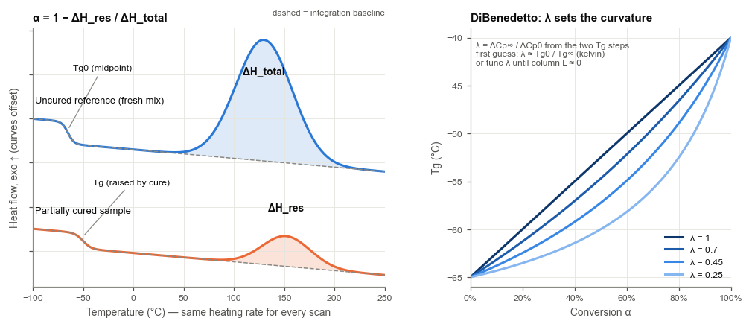
S1 | 60 | 2.0 | 7.88 | 44.0 |  |  |  | -58.3
S2 | 60 | 8.0 | 8.21 | 20.0 |  |  |  | -50.6
S3 | 60 | 24.0 | 7.92 | 8.0 |  |  |  | -45.0
S4 | 60 | 72.0 | 8.10 | 2.4 |  |  |  | -41.6

DSC_Isothermal
DSC only — isothermal cure + residual scan (no reference scan, no FTIR) |  |  |  |  |  |  | HOW TO USE — DSC_Isothermal (DSC only, one specimen)
Paste the isothermal heat-flow export; Q(t) is integrated (trapezoid) and α(t) = Q(t)/ΔH_total, with ΔH_total = Q_iso + Q_residual by default. ▸ How to use this sheet: column J |  |  |  |  |  |  | ↩ Back to the Guide
 |  |  |  |  |  |  | Run
Sample ID | ISO-80 |  |  |  |  |  | 1 Mix, load quickly, jump to the cure temperature and hold until the heat flow is flat.
Isothermal temperature (°C) | 80 |  |  |  |  | Information only | 2 Cool, then heat the same specimen through its residual exotherm (dynamic scan).
Sample mass (mg) | 9.50 |  |  |  |  | If the export is in mW, divide by mass in mg → W/g (mW/mg = W/g) | Enter
Exotherm direction in export ▼ | Exo up |  |  |  |  | Sign convention of your instrument | 3 Paste time (min) and heat flow (W/g) from A27 down — no gaps, up to 1000 points. Clear unused example rows.
Baseline heat flow (W/g, same sign as export) | 0.000500 |  |  |  |  | Best: rerun the cured specimen at the same T, or an empty-pan run. Blank → last data point is taken as baseline | Exported in mW? Divide by the sample mass in mg (mW/mg = W/g).
Residual heat, dynamic scan after isothermal (J/g sample) | 9.76 |  |  |  |  | Cool after the isothermal, then scan through the residual exotherm | 4 B7: exotherm direction of your instrument. B8: baseline heat flow, ideally from re-running the
ΔH_total basis ▼ | Isothermal + residual |  |  |  |  | Isothermal + residual = one specimen, DSC only. Alternatives use DSC!E8 or the formulation | cured specimen at the same temperature. Blank B8 = last point, valid only if cure had finished.
 |  |  |  |  |  |  | 5 B9: residual heat from step 2 (J/g sample). B10: leave on Isothermal + residual.
Calculated |  |  |  |  |  |  | Read
Data points |  |  |  |  |  | Data must start at row 27 with no gaps | 6 B19 = conversion at the end of the hold; columns E–F = α(t) and dα/dt for every point.
Baseline used (W/g) |  |  |  |  |  |  | 7 B21 compares the total heat with theory; B23 warns if the run ended before the reaction did.
Sign factor |  |  |  |  |  |  | To plot α(t): select the filled rows of columns A and E, then Insert → Scatter.
Isothermal heat, Q_iso (J/g sample) |  |  |  |  |  | Integrated net exotherm over the whole run | Specimens
Q_iso + Q_residual (J/g sample) |  |  |  |  |  |  | 5–10 mg of fresh mix in a hermetic pan, dropped into a cell already at the cure temperature.
ΔH_total used (J/g sample) |  |  |  |  |  |  | ▸ Full preparation protocol for this sheet (Sample_Prep)
α at end of isothermal = Q_iso / ΔH_total
α from residual = 1 − Q_res / ΔH_total |  |  |  |  |  | Identical to the row above when basis = Isothermal + residual | Figure — 1 paste the isothermal export, 2 add the residual scan, 3 read α(t).
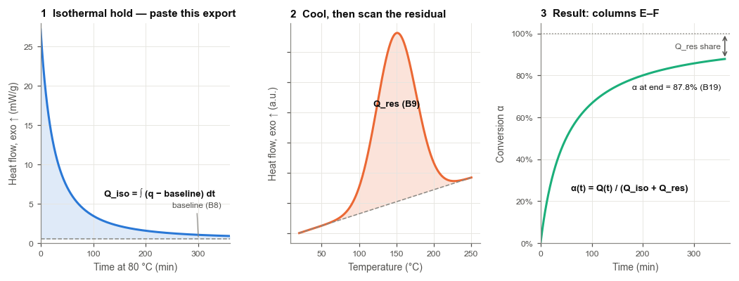
(Q_iso + Q_res) / theoretical ΔH |  |  |  |  |  | Heat balance; well below 100 % → heat lost before data collection began, or ΔH_urethane set too high
End-of-run net heat flow, % of peak
Run check
The first ~0.5–1 min after loading is usually lost to thermal equilibration; that heat is missed by Q_iso but still counted in the heat-balance row.

Time (min) | Heat flow, as exported (W/g) | Net exotherm (W/g) | Cumulative heat Q(t) (J/g sample) | α(t) | dα/dt (min⁻¹)
0.0 | 0.027167
3.0 | 0.024233
6.0 | 0.021759
9.0 | 0.019652
12.0 | 0.017843
15.0 | 0.016279
18.0 | 0.014918
21.0 | 0.013725
24.0 | 0.012674
27.0 | 0.011744
30.0 | 0.010917
33.0 | 0.010177
36.0 | 0.009514
39.0 | 0.008916
42.0 | 0.008376
45.0 | 0.007887
48.0 | 0.007442
51.0 | 0.007035
54.0 | 0.006664
57.0 | 0.006323
60.0 | 0.006010
63.0 | 0.005721
66.0 | 0.005454
69.0 | 0.005208
72.0 | 0.004979
75.0 | 0.004767
78.0 | 0.004569
81.0 | 0.004385
84.0 | 0.004213
87.0 | 0.004052
90.0 | 0.003901
93.0 | 0.003760
96.0 | 0.003628
99.0 | 0.003503
102.0 | 0.003386
105.0 | 0.003275
108.0 | 0.003171
111.0 | 0.003072
114.0 | 0.002979
117.0 | 0.002890
120.0 | 0.002807
123.0 | 0.002727
126.0 | 0.002652
129.0 | 0.002581
132.0 | 0.002513
135.0 | 0.002448
138.0 | 0.002386
141.0 | 0.002327
144.0 | 0.002271
147.0 | 0.002218
150.0 | 0.002167
153.0 | 0.002118
156.0 | 0.002071
159.0 | 0.002026
162.0 | 0.001983
165.0 | 0.001942
168.0 | 0.001903
171.0 | 0.001865
174.0 | 0.001829
177.0 | 0.001794
180.0 | 0.001760
183.0 | 0.001728
186.0 | 0.001697
189.0 | 0.001667
192.0 | 0.001638
195.0 | 0.001611
198.0 | 0.001584
201.0 | 0.001558
204.0 | 0.001533
207.0 | 0.001509
210.0 | 0.001486
213.0 | 0.001464
216.0 | 0.001442
219.0 | 0.001421
222.0 | 0.001401
225.0 | 0.001382
228.0 | 0.001363
231.0 | 0.001344
234.0 | 0.001327
237.0 | 0.001309
240.0 | 0.001293
243.0 | 0.001277
246.0 | 0.001261
249.0 | 0.001246
252.0 | 0.001231
255.0 | 0.001217
258.0 | 0.001203
261.0 | 0.001189
264.0 | 0.001176
267.0 | 0.001163
270.0 | 0.001151
273.0 | 0.001139
276.0 | 0.001127
279.0 | 0.001116
282.0 | 0.001105
285.0 | 0.001094
288.0 | 0.001084
291.0 | 0.001073
294.0 | 0.001063
297.0 | 0.001054
300.0 | 0.001044
303.0 | 0.001035
306.0 | 0.001026
309.0 | 0.001017
312.0 | 0.001009
315.0 | 0.001000
318.0 | 0.000992
321.0 | 0.000984
324.0 | 0.000977
327.0 | 0.000969
330.0 | 0.000962
333.0 | 0.000954
336.0 | 0.000947
339.0 | 0.000941
342.0 | 0.000934
345.0 | 0.000927
348.0 | 0.000921
351.0 | 0.000915
354.0 | 0.000908
357.0 | 0.000902
360.0 | 0.000897

FTIR
FTIR — NCO band (~2270 cm⁻¹) normalised to an internal reference |  |  |  |  |  |  |  |  |  |  |  |  | HOW TO USE — FTIR
α = 1 − R/R0, R = A_NCO/A_ref. Row 11 must be the t = 0 spectrum. ▸ How to use this sheet: column O |  |  |  |  |  |  |  |  |  |  |  |  | ↩ Back to the Guide
 |  |  |  |  |  |  |  |  |  |  |  |  | Measure
NCO band / integration limits | 2270 cm⁻¹ (integrate 2230–2300) |  |  |  |  |  |  |  |  |  |  |  | 1 Record the freshly mixed material first. It goes in row 11 and defines R0.
Reference band | 2870–2970 cm⁻¹ C–H stretch |  |  |  |  |  |  |  |  |  |  |  | 2 Keep sampling identical at every time point: crystal, pressure, number of scans, resolution.
Sampling mode | ATR, diamond |  |  |  |  |  |  |  |  |  |  |  | Integrate
Reference-band drift tolerance | 10% | Flags a sample whose A_ref differs from t = 0 by more than this (contact/thickness change) |  |  |  |  |  |  |  |  |  |  | 3 A_NCO (column D): NCO band, ~2230–2300 cm⁻¹, with a local linear baseline.
 |  |  |  |  |  |  |  |  |  |  |  |  | 4 A_ref (column E): a band that does not change on cure — C–H 2850–2990 cm⁻¹, or ~1595 cm⁻¹
 |  |  |  |  |  |  |  |  |  |  |  |  | aromatic C=C for MDI/TDI. Never C=O (~1700) or N–H (~3300): both grow as urethane forms.
Sample ID | Cure temp (°C) | Cure time (h) | A_NCO (area) | A_ref (area) | R = A_NCO/A_ref | R / R0 | α — NCO conversion | OH conversion (= r·α) | Residual NCO (wt %) | A_ref drift vs t = 0 | Flag | Notes | Read
S0 | 60 | 0.0 | 12.500 | 8.200 |  |  |  |  |  |  |  |  | 5 Column H = NCO conversion; I = OH conversion (r·α); J = residual NCO in wt %.
S1 | 60 | 2.0 | 6.830 | 8.150 |  |  |  |  |  |  |  |  | 6 Column L flags a reference band that moved more than B7 (10 %) — re-seat the sample and re-measure.
S2 | 60 | 8.0 | 3.140 | 8.250 |  |  |  |  |  |  |  |  | 7 OH conversion above 100 % (red): NCO consumed by side reactions such as moisture → urea.
S3 | 60 | 24.0 | 1.250 | 8.180 |  |  |  |  |  |  |  |  | Specimens
S4 | 60 | 72.0 | 0.380 | 8.220 |  |  |  |  |  |  |  |  | Thin films cast from the same batch on PTFE; measure the liner side with the same pressure and settings.
 |  |  |  |  |  |  |  |  |  |  |  |  | ▸ Full preparation protocol for this sheet (Sample_Prep)

 |  |  |  |  |  |  |  |  |  |  |  |  | Figure — integration windows. The NCO band shrinks with cure; the reference band must not change.
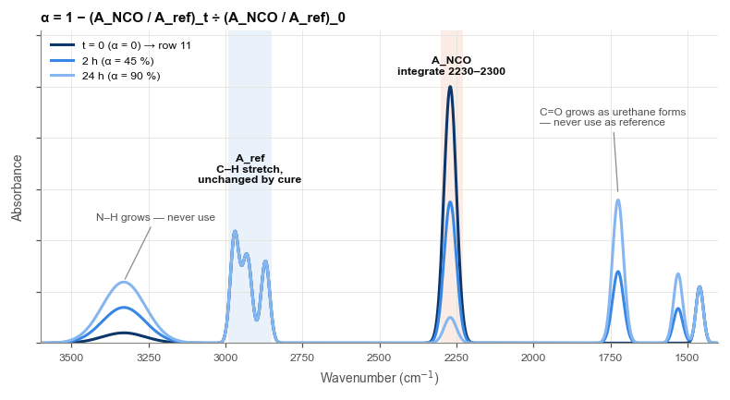

OH conversion > 100 % (red) means NCO consumed beyond the OH available — side reactions (urea, allophanate, isocyanurate) or a baseline/normalisation problem.

DMA
DMA — rubbery-plateau modulus and tan δ Tg |  |  |  |  |  |  |  |  |  |  |  |  |  | HOW TO USE — DMA
ν_e = E′/(3φRT) → α by Miller–Macosko lookup; independent α from tan δ Tg via DiBenedetto. ▸ How to use this sheet: column P |  |  |  |  |  |  |  |  |  |  |  |  |  | ↩ Back to the Guide
 |  |  |  |  |  |  |  |  |  |  |  |  |  | Set up
Front-factor model | Affine | Affine φ = 1; Phantom φ = 1 − 2/f |  |  |  |  |  |  |  |  |  |  |  | 1 B4: front factor — Affine (φ = 1) is the usual choice; Phantom uses φ = 1 − 2/f.
φ |  |  |  |  |  |  |  |  |  |  |  |  |  | 2 B10 must read OK (one difunctional component, crosslinker f = 3 or 4) for column K to be valid.
R (J/mol·K) | 8.314 | CODATA 2018 gas constant |  |  |  |  |  |  |  |  |  |  |  | Measure each cured, post-gel specimen
Density (g/cm³) |  |  |  |  |  |  |  |  |  |  |  |  |  | 3 Temperature ramp from below Tg (e.g. 1 Hz, strain inside the linear region, 2–3 K/min).
Theoretical ν_e at max conversion (mol/m³) |  |  |  |  |  |  |  |  |  |  |  |  |  | 4 Column D: E′ on the rubbery plateau, at least 30 °C above the tan δ peak. Column E: that temperature.
Gel-point NCO conversion |  |  |  |  |  |  |  |  |  |  |  |  |  | 5 Column F: tan δ peak temperature (Tg). Leave pre-gel samples (conversion below B9) out.
Network model |  |  |  |  |  |  |  |  |  |  |  |  |  | Read
 |  |  |  |  |  |  |  |  |  |  |  |  |  | 6 H = crosslink density ν_e, I = Mc, J = ν_e / ν_e,theo, K = α from Miller–Macosko.
DiBenedetto parameters (tan δ peak Tg) |  |  |  |  | λ source ▼ |  | Fitted to DSC α |  |  |  |  |  |  | 7 Tg route (column L): set Tg0 and Tg∞ (B13–B14) from DMA data, and pick the λ source in H12.
Tg0 — uncured, tan δ (°C) | -55.0 |  |  |  | Tg0 / Tg∞ in kelvin |  |  |  |  |  |  |  |  | Default: λ fitted to the DSC residual-heat α of the same sample IDs (needs ≥ 2). B15 shows the λ in use.
Tg∞ — fully cured, tan δ (°C) | -30.0 |  |  |  | Fitted to DSC α (by sample ID) |  |  | points used |  |  |  |  |  | "> theoretical" in column K: physical crosslinks, entanglements or side-reaction branching inflate E′.
λ used (source picked in H12) |  |  |  |  | Same λ as the DSC sheet |  |  |  |  |  |  |  |  | Specimens
Tg0 by DMA is rarely measurable (liquid): extrapolate, or use DSC Tg0 plus your DSC→tan δ offset |  |  |  |  | Manual λ |  |  |  |  | 0.450 |  |  |  | Bars moulded from the same degassed batch and cured alongside; strain sweep first, then the ramp.
Sample ID | Cure temp (°C) | Cure time (h) | E′ rubbery plateau (MPa) | T at E′ (°C) | tan δ peak Tg (°C) | T (K) | ν_e (mol/m³) | Mc (g/mol) | ν_e / ν_e,theo | α — Miller–Macosko | α — DiBenedetto | Plateau check | Notes | ▸ Full preparation protocol for this sheet (Sample_Prep)
S2 | 60 | 8.0 | 0.040 | 25.0 | -40.6
S3 | 60 | 24.0 | 1.530 | 25.0 | -35.0 |  |  |  |  |  |  |  |  | Figure — read E′ on the plateau (dots); Tg is the tan δ peak.
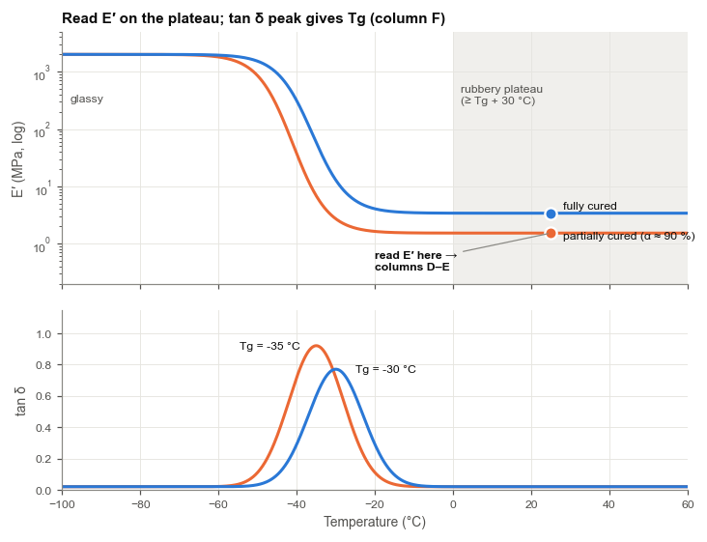
S4 | 60 | 72.0 | 2.810 | 25.0 | -31.6

"> theoretical": measured ν_e exceeds the ideal network — physical crosslinks (hard segments, H-bonding), trapped entanglements, side-reaction branching, or wrong φ/inputs.

TMA
TMA — Tg from thermal expansion, and rubbery compression modulus |  |  |  |  |  |  |  |  |  |  |  |  |  |  |  |  |  |  |  |  |  |  | HOW TO USE — TMA
Route 1: Tg where the glassy and rubbery tangents cross → α by DiBenedetto. Route 2: compression modulus above Tg → ν_e → α by Miller–Macosko. ▸ How to use this sheet: column Y |  |  |  |  |  |  |  |  |  |  |  |  |  |  |  |  |  |  |  |  |  |  | ↩ Back to the Guide
 |  |  |  |  |  |  |  |  |  |  |  |  |  |  |  |  |  |  |  |  |  |  | Set up
Front-factor model ▼ | Affine | Affine φ = 1; Phantom φ = 1 − 2/f |  |  |  |  |  |  |  |  |  |  |  |  |  |  |  |  |  |  |  |  | 1 B4: front factor (Affine or Phantom), as on DMA. B10 must read OK for Route 2.
φ |  |  |  |  |  |  |  |  |  |  |  |  |  |  |  |  |  |  |  |  |  |  | 2 Tg0 and Tg∞ (B13–B14) measured by TMA; pick the λ source in H12 (default: fitted to DSC α by sample ID).
R (J/mol·K) | 8.314 |  |  |  |  |  |  |  |  |  |  |  |  |  |  |  |  |  |  |  |  |  | Route 1 — Tg from expansion (rows 20–39)
Density (g/cm³) |  |  |  |  |  |  |  |  |  |  |  |  |  |  |  |  |  |  |  |  |  |  | 3 Run the expansion program and enter the specimen thickness L0 (column D).
Theoretical ν_e at max conversion (mol/m³) |  |  |  |  |  |  |  |  |  |  |  |  |  |  |  |  |  |  |  |  |  |  | 4 Type the instrument's Tg in column E, or pick two points on the glassy line (T1, T2) and two on
Gel-point NCO conversion |  |  |  |  |  |  |  |  |  |  |  |  |  |  |  |  |  |  |  |  |  |  | the rubbery line (T3, T4) with their ΔL; the sheet finds where the tangents cross (column P).
Network model |  |  |  |  |  |  |  |  |  |  |  |  |  |  |  |  |  |  |  |  |  |  | 5 Columns N–O give the glassy and rubbery CTE; column S gives α from Tg.
 |  |  |  |  |  |  |  |  |  |  |  |  |  |  |  |  |  |  |  |  |  |  | Route 2 — compression modulus (rows 43–62)
DiBenedetto parameters (TMA expansion Tg) |  |  |  |  | λ source ▼ |  | Fitted to DSC α |  |  |  |  |  |  |  |  |  |  |  |  |  |  |  | 6 At ≥ Tg + 30 °C enter thickness, diameter, then force 1 (preload) and force 2 with their deformations.
Tg0 — uncured, TMA (°C) | -66.0 |  |  |  | Tg0 / Tg∞ in kelvin |  |  |  |  |  |  |  |  |  |  |  |  |  |  |  |  |  | 7 Column N = shear modulus G (neo-Hookean, two-point), Q = ν_e, T = α from Miller–Macosko.
Tg∞ — fully cured, TMA (°C) | -41.0 |  |  |  | Fitted to DSC α (by sample ID) |  |  | points used |  |  |  |  |  |  |  |  |  |  |  |  |  |  | Column V flags T < Tg + 30 °C (using the Route 1 Tg of the same sample ID) and compression above 20 %.
λ used (source picked in H12) |  |  |  |  | Same λ as the DSC sheet |  |  |  |  |  |  |  |  |  |  |  |  |  |  |  |  |  | Specimens
Tg0: quench fresh mix below Tg in a TMA pan; the probe sinks where it softens |  |  |  |  | Manual λ |  |  |  |  | 0.450 |  |  |  |  |  |  |  |  |  |  |  |  | Flat, parallel discs moulded from the same batch; small expansion force; lubricated faces for compression.
 |  |  |  |  |  |  |  |  |  |  |  |  |  |  |  |  |  |  |  |  |  |  | ▸ Full preparation protocol for this sheet (Sample_Prep)
Route 1 — Tg from thermal expansion (expansion probe, small static force)
Sample ID | Cure temp (°C) | Cure time (h) | Thickness L0 (mm) | Tg from instrument (°C, optional) | T1 (°C) | ΔL1 (µm) | T2 (°C) | ΔL2 (µm) | T3 (°C) | ΔL3 (µm) | T4 (°C) | ΔL4 (µm) | CTE glassy (ppm/K) | CTE rubbery (ppm/K) | Tg from tangents (°C) | Tg used (°C) | x = (Tg−Tg0)/(Tg∞−Tg0) | α — DiBenedetto | Notes |  |  |  | Figure — left: pick T1–T4 on the straight segments. Right: two force points on the linear part give G.
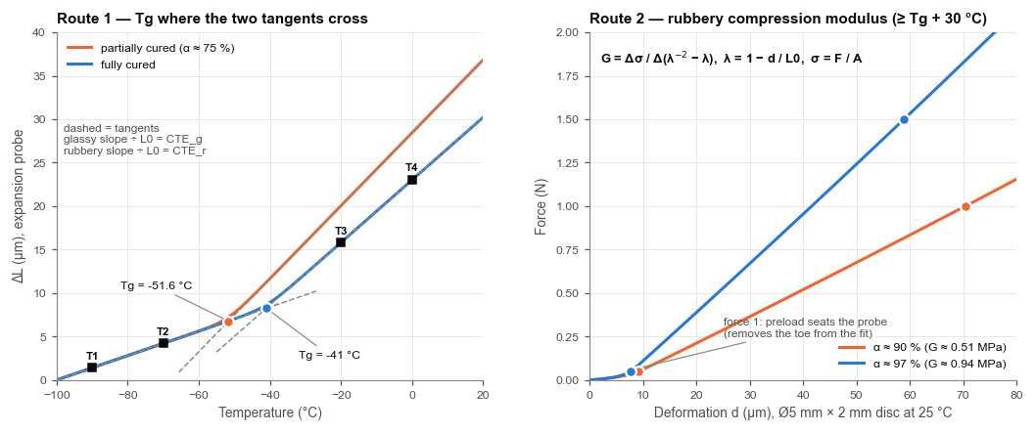
S2 | 60 | 8.0 | 2.000 |  | -90.0 | 1.40 | -70.0 | 4.20 | -20.0 | 20.06 | 0.0 | 28.46
S3 | 60 | 24.0 | 2.000 |  | -90.0 | 1.40 | -70.0 | 4.20 | -20.0 | 17.69 | 0.0 | 25.49
S4 | 60 | 72.0 | 2.000 |  | -90.0 | 1.40 | -70.0 | 4.20 | -20.0 | 16.40 | 0.0 | 23.80

Route 2 — rubbery compression modulus (flat probe, lubricated faces, T ≥ Tg + 30 °C)
Sample ID | Cure temp (°C) | Cure time (h) | Test T (°C) | Thickness L0 (mm) | Diameter (mm) | Force 1 (N) | Deformation 1 (µm) | Force 2 (N) | Deformation 2 (µm) | Area (mm²) | λ1 = 1 − d1/L0 | λ2 = 1 − d2/L0 | G (MPa) | E = 3G (MPa) | T (K) | ν_e (mol/m³) | Mc (g/mol) | ν_e / ν_e,theo | α — Miller–Macosko | Tg on file (°C) | Checks | Notes
S2 | 60 | 8.0 | 25.0 | 2.000 | 5.00 | 0.010 | 26.82 | 0.050 | 127.13
S3 | 60 | 24.0 | 25.0 | 2.000 | 5.00 | 0.050 | 3.32 | 1.000 | 64.37
S4 | 60 | 72.0 | 25.0 | 2.000 | 5.00 | 0.050 | 1.81 | 1.500 | 52.92

"> theoretical": measured ν_e exceeds the ideal network — physical crosslinks, trapped entanglements, side-reaction branching, friction at unlubricated faces, or wrong φ/inputs.

MM_Table
Miller–Macosko lookup table (calculation sheet — no inputs)
ν_e as a function of NCO conversion; DMA looks measured ν_e up here. Rows beyond the maximum attainable conversion are set to 1E+30. ▸ How to use this sheet: column E
r (NCO:OH) |  |  |  | HOW TO USE — MM_Table
f (crosslinker) |  |  |  | ↩ Back to the Guide
[Bf]0 (mol/m³) |  |  |  | No inputs — everything here is calculated from the Formulation sheet.
α_max |  |  |  | DMA and TMA look up their measured ν_e in column D and get the matching α (resolution 0.001).
 |  |  |  | Below the gel point ν_e = 0, so the modulus routes cannot resolve conversion there.
α (NCO conversion) | k = r·α² | b = P(F_out) | ν_e (mol/m³)
0.000 |  |  |  | Figure — ν_e is far from proportional to conversion; it rises only after the gel point.
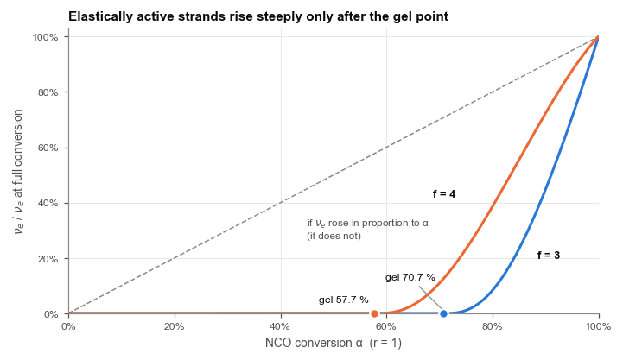
0.001
0.002
0.003
0.004
0.005
0.006
0.007
0.008
0.009
0.010
0.011
0.012
0.013
0.014
0.015
0.016
0.017
0.018
0.019
0.020
0.021
0.022
0.023
0.024
0.025
0.026
0.027
0.028
0.029
0.030
0.031
0.032
0.033
0.034
0.035
0.036
0.037
0.038
0.039
0.040
0.041
0.042
0.043
0.044
0.045
0.046
0.047
0.048
0.049
0.050
0.051
0.052
0.053
0.054
0.055
0.056
0.057
0.058
0.059
0.060
0.061
0.062
0.063
0.064
0.065
0.066
0.067
0.068
0.069
0.070
0.071
0.072
0.073
0.074
0.075
0.076
0.077
0.078
0.079
0.080
0.081
0.082
0.083
0.084
0.085
0.086
0.087
0.088
0.089
0.090
0.091
0.092
0.093
0.094
0.095
0.096
0.097
0.098
0.099
0.100
0.101
0.102
0.103
0.104
0.105
0.106
0.107
0.108
0.109
0.110
0.111
0.112
0.113
0.114
0.115
0.116
0.117
0.118
0.119
0.120
0.121
0.122
0.123
0.124
0.125
0.126
0.127
0.128
0.129
0.130
0.131
0.132
0.133
0.134
0.135
0.136
0.137
0.138
0.139
0.140
0.141
0.142
0.143
0.144
0.145
0.146
0.147
0.148
0.149
0.150
0.151
0.152
0.153
0.154
0.155
0.156
0.157
0.158
0.159
0.160
0.161
0.162
0.163
0.164
0.165
0.166
0.167
0.168
0.169
0.170
0.171
0.172
0.173
0.174
0.175
0.176
0.177
0.178
0.179
0.180
0.181
0.182
0.183
0.184
0.185
0.186
0.187
0.188
0.189
0.190
0.191
0.192
0.193
0.194
0.195
0.196
0.197
0.198
0.199
0.200
0.201
0.202
0.203
0.204
0.205
0.206
0.207
0.208
0.209
0.210
0.211
0.212
0.213
0.214
0.215
0.216
0.217
0.218
0.219
0.220
0.221
0.222
0.223
0.224
0.225
0.226
0.227
0.228
0.229
0.230
0.231
0.232
0.233
0.234
0.235
0.236
0.237
0.238
0.239
0.240
0.241
0.242
0.243
0.244
0.245
0.246
0.247
0.248
0.249
0.250
0.251
0.252
0.253
0.254
0.255
0.256
0.257
0.258
0.259
0.260
0.261
0.262
0.263
0.264
0.265
0.266
0.267
0.268
0.269
0.270
0.271
0.272
0.273
0.274
0.275
0.276
0.277
0.278
0.279
0.280
0.281
0.282
0.283
0.284
0.285
0.286
0.287
0.288
0.289
0.290
0.291
0.292
0.293
0.294
0.295
0.296
0.297
0.298
0.299
0.300
0.301
0.302
0.303
0.304
0.305
0.306
0.307
0.308
0.309
0.310
0.311
0.312
0.313
0.314
0.315
0.316
0.317
0.318
0.319
0.320
0.321
0.322
0.323
0.324
0.325
0.326
0.327
0.328
0.329
0.330
0.331
0.332
0.333
0.334
0.335
0.336
0.337
0.338
0.339
0.340
0.341
0.342
0.343
0.344
0.345
0.346
0.347
0.348
0.349
0.350
0.351
0.352
0.353
0.354
0.355
0.356
0.357
0.358
0.359
0.360
0.361
0.362
0.363
0.364
0.365
0.366
0.367
0.368
0.369
0.370
0.371
0.372
0.373
0.374
0.375
0.376
0.377
0.378
0.379
0.380
0.381
0.382
0.383
0.384
0.385
0.386
0.387
0.388
0.389
0.390
0.391
0.392
0.393
0.394
0.395
0.396
0.397
0.398
0.399
0.400
0.401
0.402
0.403
0.404
0.405
0.406
0.407
0.408
0.409
0.410
0.411
0.412
0.413
0.414
0.415
0.416
0.417
0.418
0.419
0.420
0.421
0.422
0.423
0.424
0.425
0.426
0.427
0.428
0.429
0.430
0.431
0.432
0.433
0.434
0.435
0.436
0.437
0.438
0.439
0.440
0.441
0.442
0.443
0.444
0.445
0.446
0.447
0.448
0.449
0.450
0.451
0.452
0.453
0.454
0.455
0.456
0.457
0.458
0.459
0.460
0.461
0.462
0.463
0.464
0.465
0.466
0.467
0.468
0.469
0.470
0.471
0.472
0.473
0.474
0.475
0.476
0.477
0.478
0.479
0.480
0.481
0.482
0.483
0.484
0.485
0.486
0.487
0.488
0.489
0.490
0.491
0.492
0.493
0.494
0.495
0.496
0.497
0.498
0.499
0.500
0.501
0.502
0.503
0.504
0.505
0.506
0.507
0.508
0.509
0.510
0.511
0.512
0.513
0.514
0.515
0.516
0.517
0.518
0.519
0.520
0.521
0.522
0.523
0.524
0.525
0.526
0.527
0.528
0.529
0.530
0.531
0.532
0.533
0.534
0.535
0.536
0.537
0.538
0.539
0.540
0.541
0.542
0.543
0.544
0.545
0.546
0.547
0.548
0.549
0.550
0.551
0.552
0.553
0.554
0.555
0.556
0.557
0.558
0.559
0.560
0.561
0.562
0.563
0.564
0.565
0.566
0.567
0.568
0.569
0.570
0.571
0.572
0.573
0.574
0.575
0.576
0.577
0.578
0.579
0.580
0.581
0.582
0.583
0.584
0.585
0.586
0.587
0.588
0.589
0.590
0.591
0.592
0.593
0.594
0.595
0.596
0.597
0.598
0.599
0.600
0.601
0.602
0.603
0.604
0.605
0.606
0.607
0.608
0.609
0.610
0.611
0.612
0.613
0.614
0.615
0.616
0.617
0.618
0.619
0.620
0.621
0.622
0.623
0.624
0.625
0.626
0.627
0.628
0.629
0.630
0.631
0.632
0.633
0.634
0.635
0.636
0.637
0.638
0.639
0.640
0.641
0.642
0.643
0.644
0.645
0.646
0.647
0.648
0.649
0.650
0.651
0.652
0.653
0.654
0.655
0.656
0.657
0.658
0.659
0.660
0.661
0.662
0.663
0.664
0.665
0.666
0.667
0.668
0.669
0.670
0.671
0.672
0.673
0.674
0.675
0.676
0.677
0.678
0.679
0.680
0.681
0.682
0.683
0.684
0.685
0.686
0.687
0.688
0.689
0.690
0.691
0.692
0.693
0.694
0.695
0.696
0.697
0.698
0.699
0.700
0.701
0.702
0.703
0.704
0.705
0.706
0.707
0.708
0.709
0.710
0.711
0.712
0.713
0.714
0.715
0.716
0.717
0.718
0.719
0.720
0.721
0.722
0.723
0.724
0.725
0.726
0.727
0.728
0.729
0.730
0.731
0.732
0.733
0.734
0.735
0.736
0.737
0.738
0.739
0.740
0.741
0.742
0.743
0.744
0.745
0.746
0.747
0.748
0.749
0.750
0.751
0.752
0.753
0.754
0.755
0.756
0.757
0.758
0.759
0.760
0.761
0.762
0.763
0.764
0.765
0.766
0.767
0.768
0.769
0.770
0.771
0.772
0.773
0.774
0.775
0.776
0.777
0.778
0.779
0.780
0.781
0.782
0.783
0.784
0.785
0.786
0.787
0.788
0.789
0.790
0.791
0.792
0.793
0.794
0.795
0.796
0.797
0.798
0.799
0.800
0.801
0.802
0.803
0.804
0.805
0.806
0.807
0.808
0.809
0.810
0.811
0.812
0.813
0.814
0.815
0.816
0.817
0.818
0.819
0.820
0.821
0.822
0.823
0.824
0.825
0.826
0.827
0.828
0.829
0.830
0.831
0.832
0.833
0.834
0.835
0.836
0.837
0.838
0.839
0.840
0.841
0.842
0.843
0.844
0.845
0.846
0.847
0.848
0.849
0.850
0.851
0.852
0.853
0.854
0.855
0.856
0.857
0.858
0.859
0.860
0.861
0.862
0.863
0.864
0.865
0.866
0.867
0.868
0.869
0.870
0.871
0.872
0.873
0.874
0.875
0.876
0.877
0.878
0.879
0.880
0.881
0.882
0.883
0.884
0.885
0.886
0.887
0.888
0.889
0.890
0.891
0.892
0.893
0.894
0.895
0.896
0.897
0.898
0.899
0.900
0.901
0.902
0.903
0.904
0.905
0.906
0.907
0.908
0.909
0.910
0.911
0.912
0.913
0.914
0.915
0.916
0.917
0.918
0.919
0.920
0.921
0.922
0.923
0.924
0.925
0.926
0.927
0.928
0.929
0.930
0.931
0.932
0.933
0.934
0.935
0.936
0.937
0.938
0.939
0.940
0.941
0.942
0.943
0.944
0.945
0.946
0.947
0.948
0.949
0.950
0.951
0.952
0.953
0.954
0.955
0.956
0.957
0.958
0.959
0.960
0.961
0.962
0.963
0.964
0.965
0.966
0.967
0.968
0.969
0.970
0.971
0.972
0.973
0.974
0.975
0.976
0.977
0.978
0.979
0.980
0.981
0.982
0.983
0.984
0.985
0.986
0.987
0.988
0.989
0.990
0.991
0.992
0.993
0.994
0.995
0.996
0.997
0.998
0.999
1.000

