Alt-TextExcel
File Name | Thumbnail | Alt Text
MMGCN_ATT.png |  | Fig. 1. MMGCN architecture diagram where user and item embeddings are processed through graph convolution and combined with image–title features. The outputs are fused by attention to produce the final recommendation representation
result1.1.png | 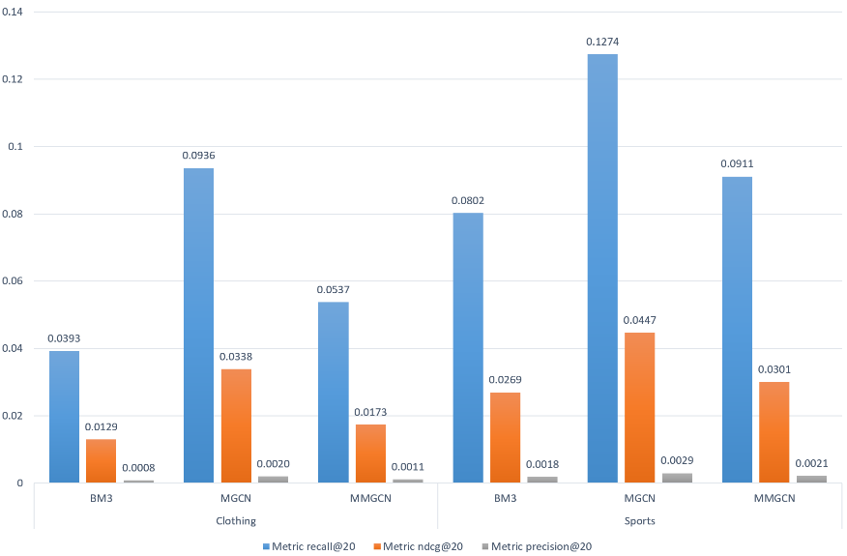 | Fig. 2. Bar chart showing Recall@20, NDCG@20, and Precision@20 for BM3, MGCN, and MMGCN models on clothing and sports datasets. Blue bars represent Recall@20, orange bars represent NDCG@20, and gray bars represent Precision@20. MGCN achieves the highest Recall@20 in the sports category, while performance varies across other models and metrics.
result_att1.1.png | 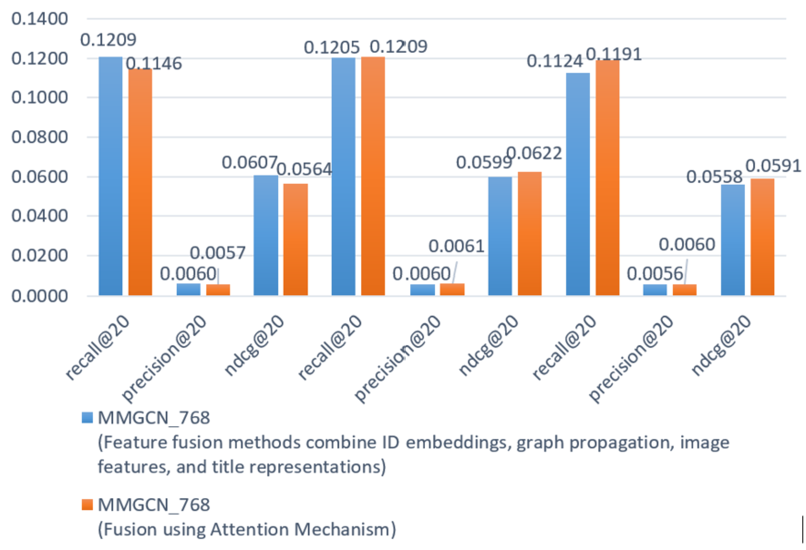 | Fig. 3. Bar chart comparing MMGCN_768 feature fusion and attention-based fusion across recall@20, precision@20, and ndcg@20. Blue bars show feature fusion combining ID embeddings, graph propagation, image features, and titles, while orange bars indicate attention mechanism fusion. Recall values reach ~0.1209, precision ~0.1146–0.1191, and ndcg ~0.0564–0.0622, highlighting small but notable differences between strategies
dataset.png |  | Table 1 listing the number of users, items, item images and user–item interactions for the Sports, Clothing and Amazon Fashion datasets
result_att.png | 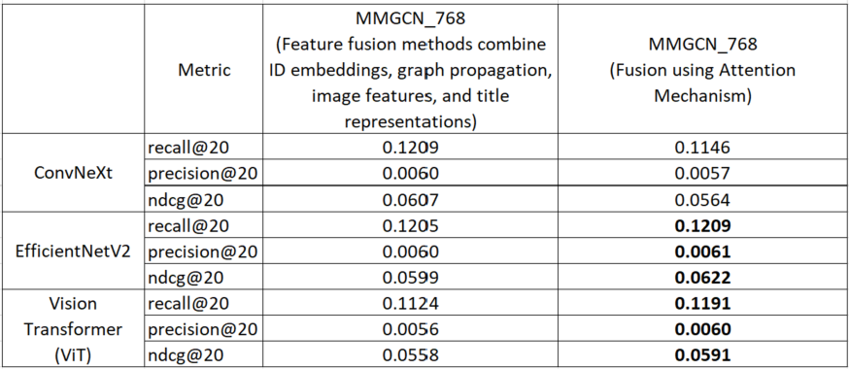 | Table 3 comparing two fusion strategies for MMGCN_768, baseline feature fusion and attention-based fusion, with ConvNeXt, EfficientNetV2 and Vision Transformer image features, measured by recall@20, precision@20 and NDCG@20
result1.png |  | Table 2 comparing BM3, MGCN and MMGCN on the Clothing, Sports and Amazon Fashion datasets using recall, NDCG and precision at cutoffs 5, 10 and 20; MGCN (in bold) achieves the best result in every column

