1.1
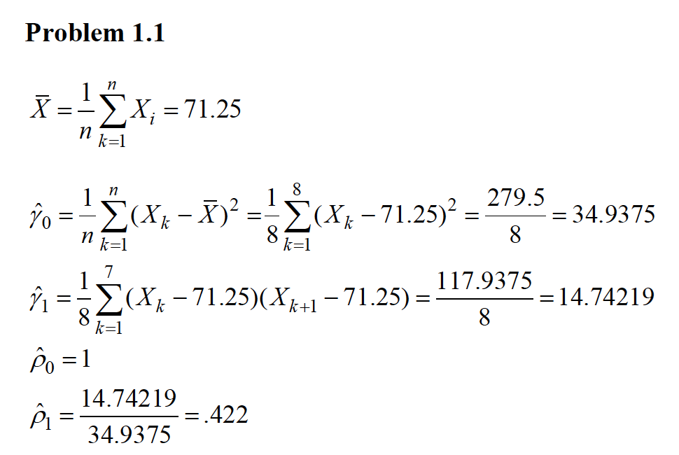
Period | Sales (Xt) | Xt+1 | Xt - Mu | Xt+1 - Mu | Gamma0 | Gamma1 | Rho0 | Rho1
1 | 76 | 70 | 4.75 | -1.25 | 22.5625 | -5.9375
2 | 70 | 66 | -1.25 | -5.25 | 1.5625 | 6.5625
3 | 66 | 60 | -5.25 | -11.25 | 27.5625 | 59.0625
4 | 60 | 70 | -11.25 | -1.25 | 126.5625 | 14.0625
5 | 70 | 72 | -1.25 | 0.75 | 1.5625 | -0.9375
6 | 72 | 76 | 0.75 | 4.75 | 0.5625 | 3.5625
7 | 76 | 80 | 4.75 | 8.75 | 22.5625 | 41.5625
8 | 80 |  | 8.75 |  | 76.5625 | 0
 | 71.25 |  |  |  | 34.9375 | 14.7421875 | 1 | 0.4219588551

