tag form
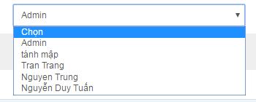
tag form spring mvc

form:select

