Summary
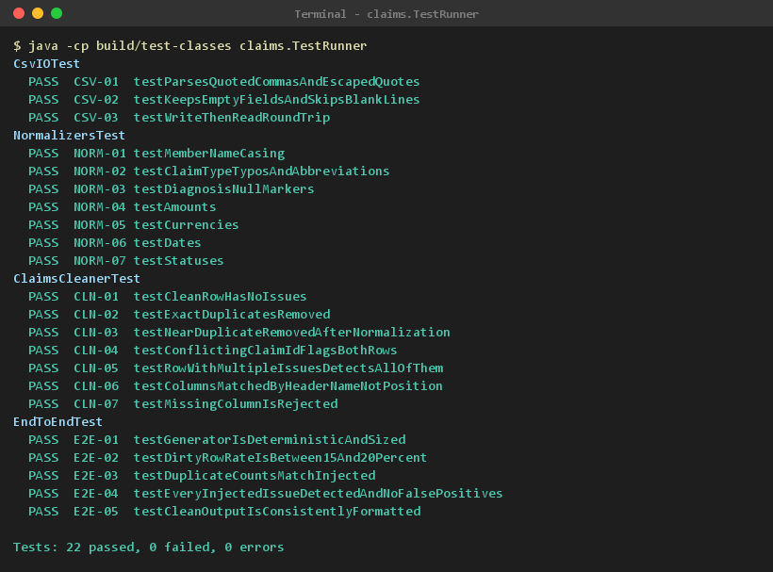
Test Report - AI Challenge 02: Claims Data Cleanup & Report

Executed at | 2026-10-19 12:20:24
Command | java -cp build/test-classes claims.TestRunner (run via test.sh / test.ps1)
Environment | Java 21.0.11 (Eclipse Adoptium), Windows 11 amd64
Total test cases | 22
Passed | 22
Failed | 0
Errors | 0
Pass rate | 100.00%
Total duration (ms) | 183.64
Overall result | PASS

Results by test class
Test Class | Total | Passed | Failed | Errors | Pass rate | Duration (ms)
CsvIOTest | 3 | 3 | 0 | 0 | 100.00% | 53.21
NormalizersTest | 7 | 7 | 0 | 0 | 100.00% | 33.18
ClaimsCleanerTest | 7 | 7 | 0 | 0 | 100.00% | 8.09
EndToEndTest | 5 | 5 | 0 | 0 | 100.00% | 89.16
Total | 22 | 22 | 0 | 0 | 100.00% | 183.64

Console output (evidence/00_console.png)

Evidence
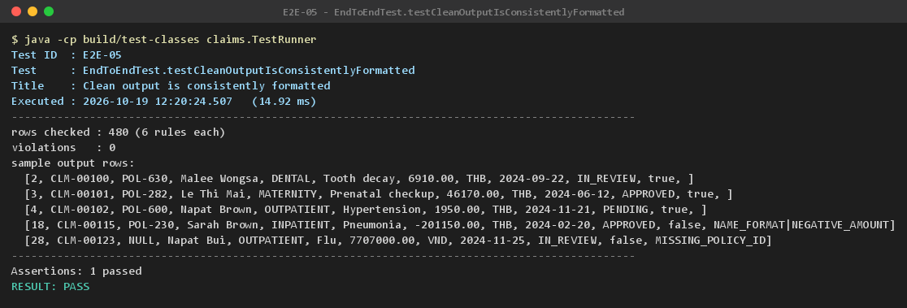
CSV-01 | CsvIOTest.testParsesQuotedCommasAndEscapedQuotes | Parse quoted fields containing commas and escaped quotes | PASS | Back to Testcase
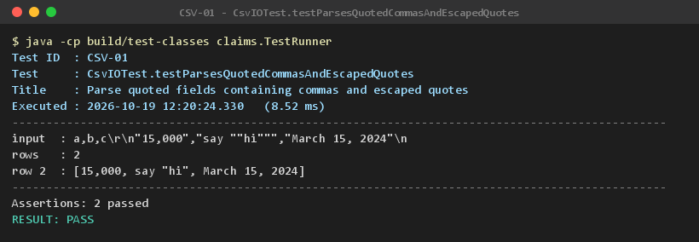

CSV-02 | CsvIOTest.testKeepsEmptyFieldsAndSkipsBlankLines | Keep empty fields and skip blank lines | PASS | Back to Testcase
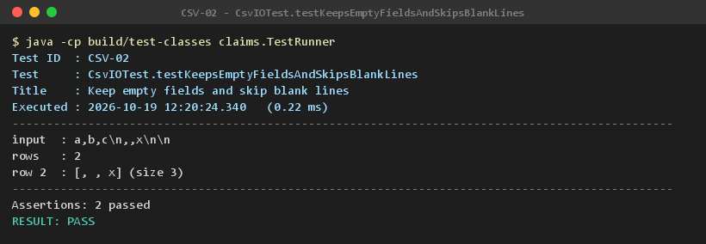

CSV-03 | CsvIOTest.testWriteThenReadRoundTrip | Write then read back returns identical values | PASS | Back to Testcase
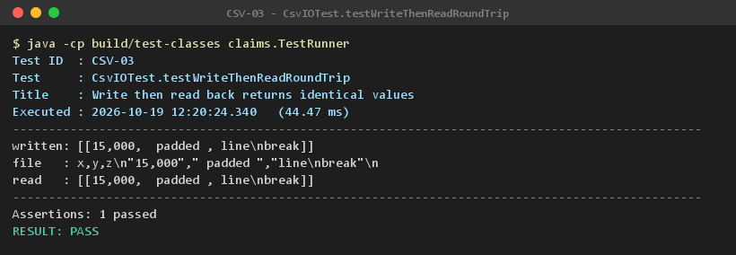

NORM-01 | NormalizersTest.testMemberNameCasing | member_name is normalized to Title Case | PASS | Back to Testcase
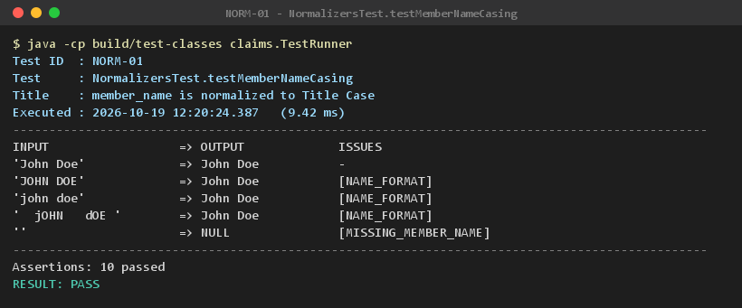

NORM-02 | NormalizersTest.testClaimTypeTyposAndAbbreviations | claim_type casing, typos and abbreviations are corrected | PASS | Back to Testcase
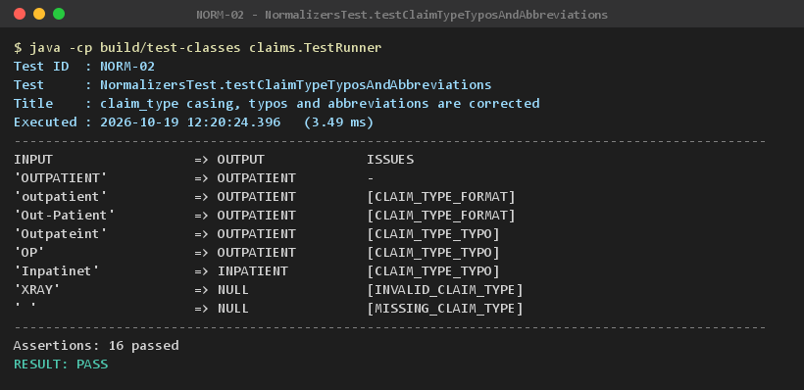

NORM-03 | NormalizersTest.testDiagnosisNullMarkers | diagnosis 'N/A', 'n/a' and empty become the NULL marker | PASS | Back to Testcase
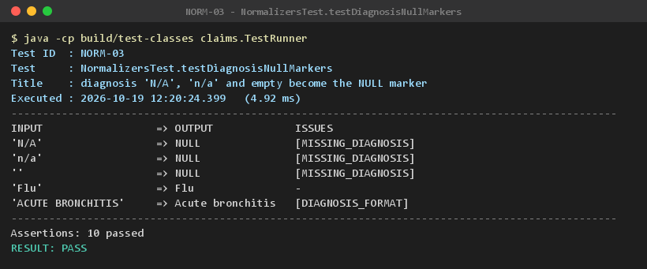

NORM-04 | NormalizersTest.testAmounts | submitted_amount: commas parsed, negative / zero / non-numeric flagged | PASS | Back to Testcase
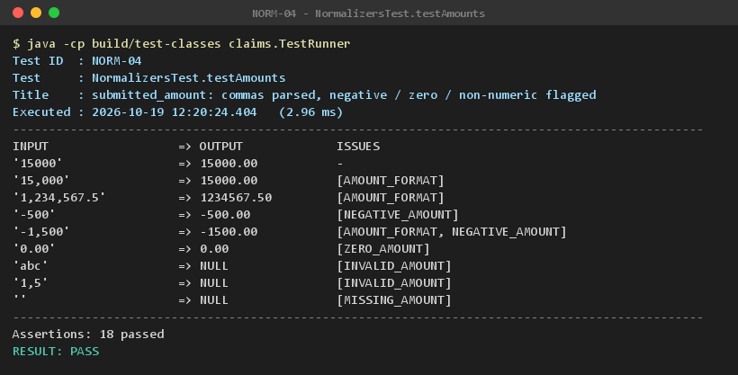

NORM-05 | NormalizersTest.testCurrencies | currency is standardized to uppercase ISO 4217 | PASS | Back to Testcase
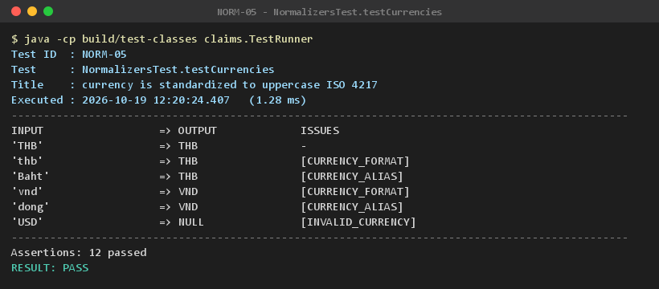

NORM-06 | NormalizersTest.testDates | submitted_date in 3 formats is converted to ISO 8601 | PASS | Back to Testcase
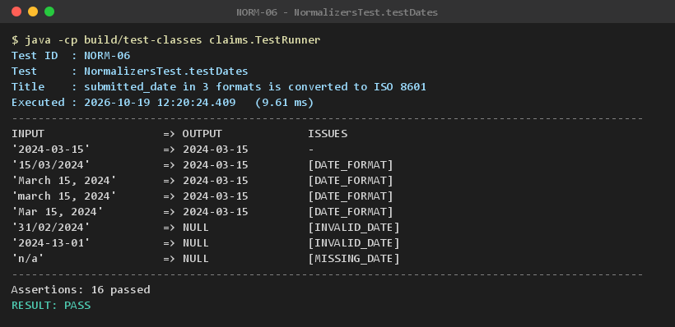

NORM-07 | NormalizersTest.testStatuses | status is normalized to APPROVED / REJECTED / PENDING / IN_REVIEW | PASS | Back to Testcase
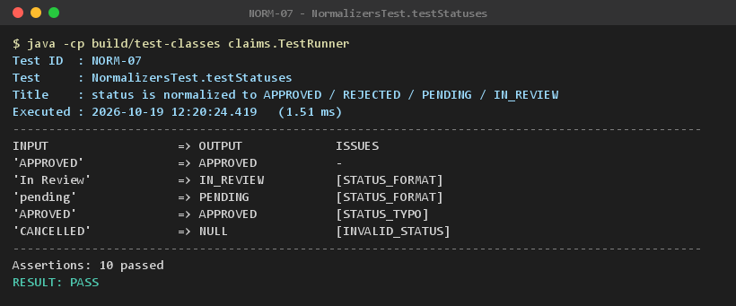

CLN-01 | ClaimsCleanerTest.testCleanRowHasNoIssues | A clean row passes through unchanged with no issue | PASS | Back to Testcase
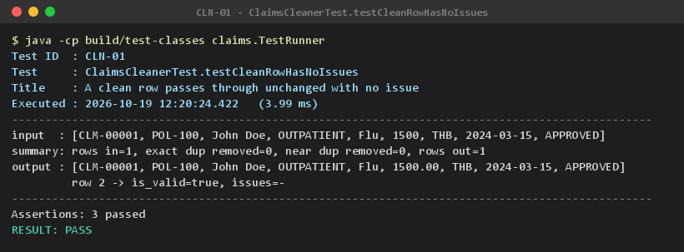

CLN-02 | ClaimsCleanerTest.testExactDuplicatesRemoved | Exact duplicate rows are removed | PASS | Back to Testcase
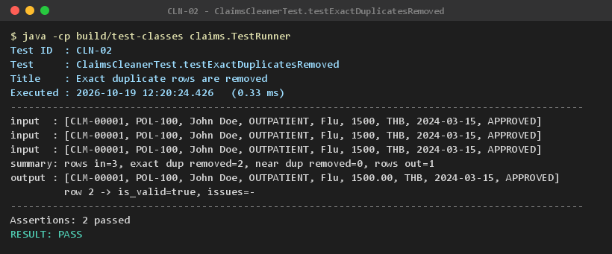

CLN-03 | ClaimsCleanerTest.testNearDuplicateRemovedAfterNormalization | Rows identical after normalization are removed as near duplicates | PASS | Back to Testcase
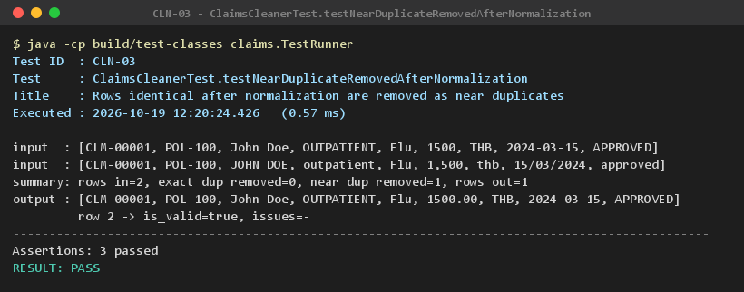

CLN-04 | ClaimsCleanerTest.testConflictingClaimIdFlagsBothRows | claim_id shared by different claims flags both rows | PASS | Back to Testcase
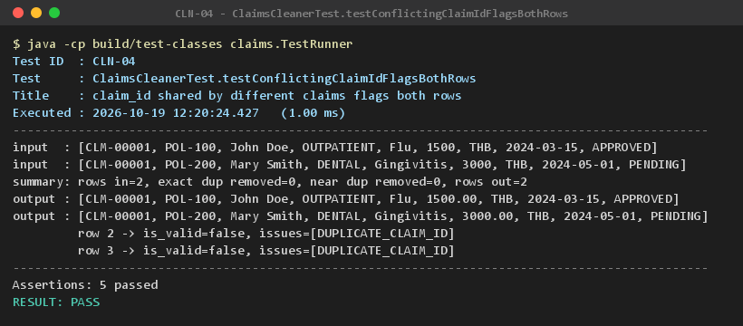

CLN-05 | ClaimsCleanerTest.testRowWithMultipleIssuesDetectsAllOfThem | Edge case: a row with many issues reports all of them | PASS | Back to Testcase

CLN-06 | ClaimsCleanerTest.testColumnsMatchedByHeaderNameNotPosition | Columns are matched by header name, not position | PASS | Back to Testcase

CLN-07 | ClaimsCleanerTest.testMissingColumnIsRejected | A file missing required columns is rejected | PASS | Back to Testcase

E2E-01 | EndToEndTest.testGeneratorIsDeterministicAndSized | Generator is deterministic and produces 500 rows | PASS | Back to Testcase

E2E-02 | EndToEndTest.testDirtyRowRateIsBetween15And20Percent | 15-20% of generated rows contain at least one issue | PASS | Back to Testcase
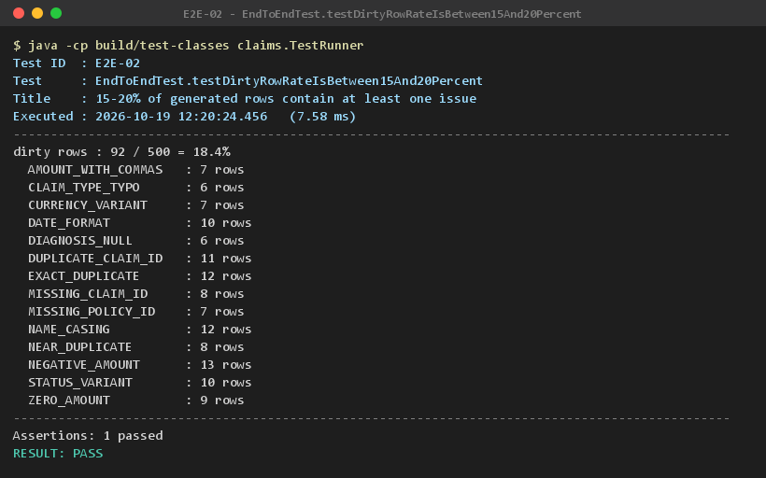

E2E-03 | EndToEndTest.testDuplicateCountsMatchInjected | Duplicates removed match the duplicates injected | PASS | Back to Testcase
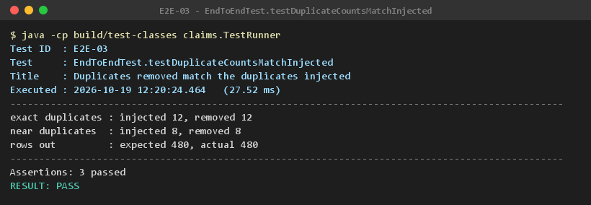

E2E-04 | EndToEndTest.testEveryInjectedIssueDetectedAndNoFalsePositives | Every injected issue is detected, untouched rows report none | PASS | Back to Testcase
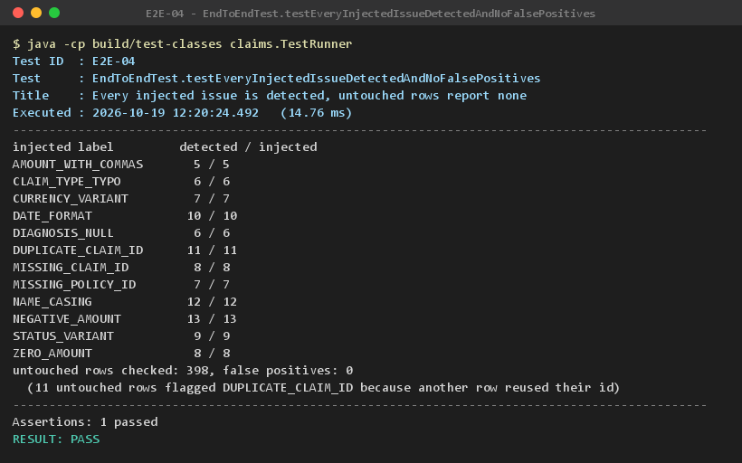

E2E-05 | EndToEndTest.testCleanOutputIsConsistentlyFormatted | Clean output is consistently formatted | PASS | Back to Testcase

