Summary
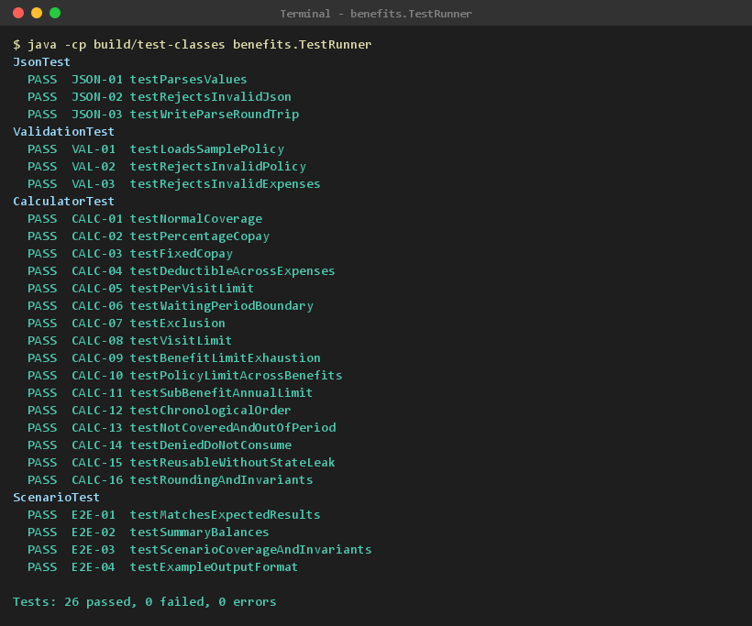
Test Report - AI Challenge 06: Policy Benefits Calculator

Executed at | 2026-10-19 14:34:16
Command | java -cp build/test-classes benefits.TestRunner (run via test.sh / test.ps1)
Environment | Java 21.0.11 (Eclipse Adoptium), Windows 11 amd64
Total test cases | 26
Passed | 26
Failed | 0
Errors | 0
Pass rate | 100.00%
Total duration (ms) | 113.15
Overall result | PASS

Results by test class
Test Class | Total | Passed | Failed | Errors | Pass rate | Duration (ms)
JsonTest | 3 | 3 | 0 | 0 | 100.00% | 17.57
ValidationTest | 3 | 3 | 0 | 0 | 100.00% | 26.62
CalculatorTest | 16 | 16 | 0 | 0 | 100.00% | 39.82
ScenarioTest | 4 | 4 | 0 | 0 | 100.00% | 29.14
Total | 26 | 26 | 0 | 0 | 100.00% | 113.15

Console output (evidence/00_console.png)

Evidence
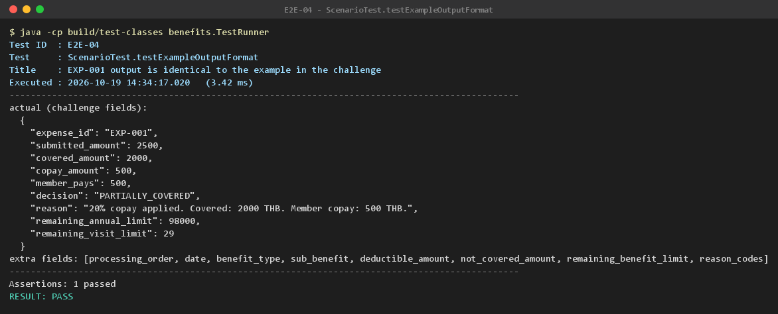
JSON-01 | JsonTest.testParsesValues | Parse objects, arrays, escapes and exact decimal numbers | PASS | Back to Testcase
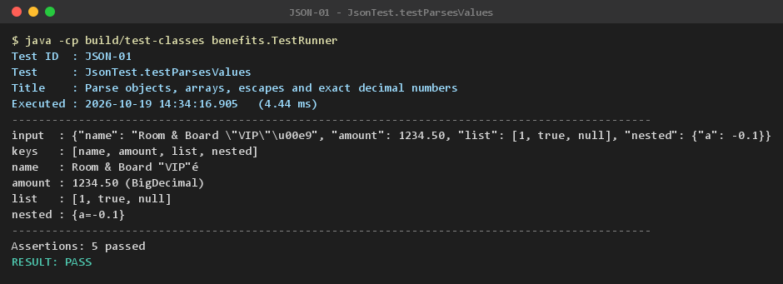

JSON-02 | JsonTest.testRejectsInvalidJson | Invalid JSON is rejected with line and column | PASS | Back to Testcase
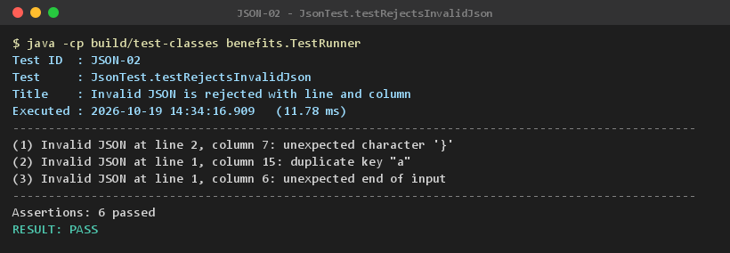

JSON-03 | JsonTest.testWriteParseRoundTrip | Write then parse returns the same data | PASS | Back to Testcase
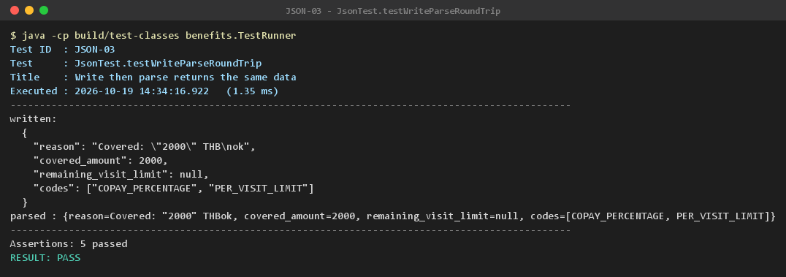

VAL-01 | ValidationTest.testLoadsSamplePolicy | The sample policy file loads with all its rules | PASS | Back to Testcase

VAL-02 | ValidationTest.testRejectsInvalidPolicy | An invalid policy is rejected with the exact field path | PASS | Back to Testcase
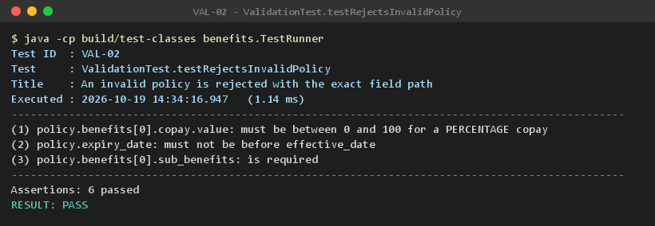

VAL-03 | ValidationTest.testRejectsInvalidExpenses | Invalid expenses are rejected with the exact field path | PASS | Back to Testcase
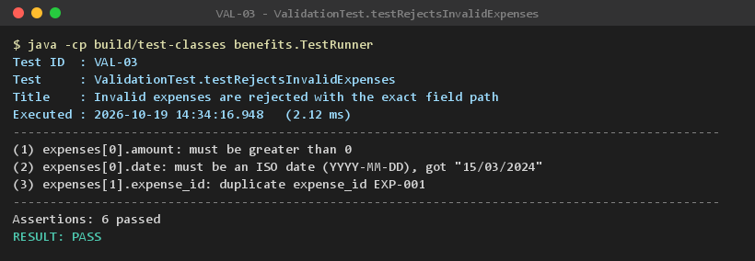

CALC-01 | CalculatorTest.testNormalCoverage | Normal coverage: expense paid in full | PASS | Back to Testcase

CALC-02 | CalculatorTest.testPercentageCopay | Percentage copay (challenge example) | PASS | Back to Testcase

CALC-03 | CalculatorTest.testFixedCopay | Fixed copay, including an expense smaller than the copay | PASS | Back to Testcase
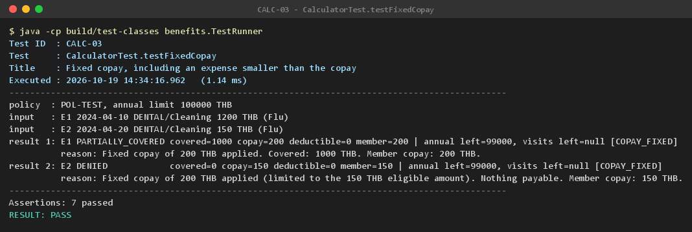

CALC-04 | CalculatorTest.testDeductibleAcrossExpenses | Annual deductible is consumed across several expenses | PASS | Back to Testcase

CALC-05 | CalculatorTest.testPerVisitLimit | Per-visit sub-limit caps the payment after copay | PASS | Back to Testcase

CALC-06 | CalculatorTest.testWaitingPeriodBoundary | Waiting period: denied the day before cover starts, covered on the first day | PASS | Back to Testcase
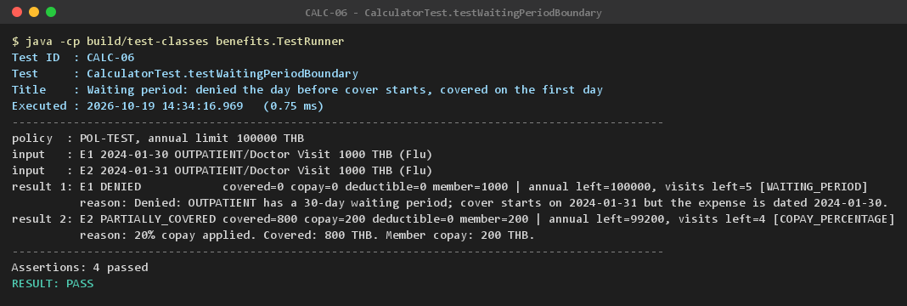

CALC-07 | CalculatorTest.testExclusion | Exclusion: diagnosis matching an exclusion keyword is denied | PASS | Back to Testcase
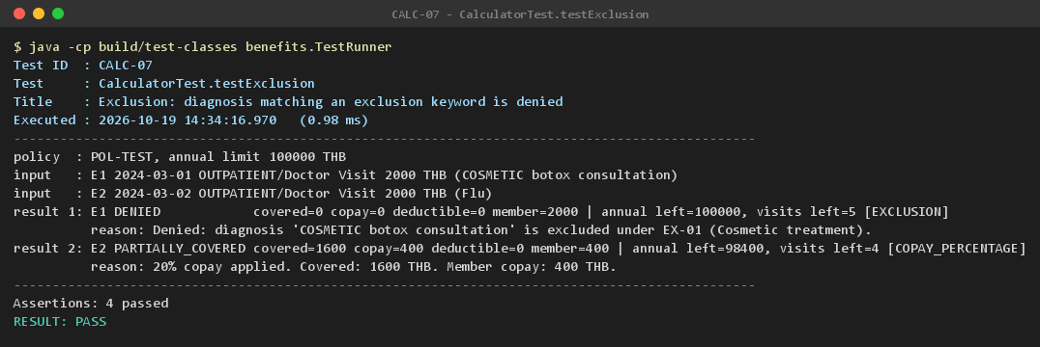

CALC-08 | CalculatorTest.testVisitLimit | Visit limit: the visit after the cap is denied | PASS | Back to Testcase
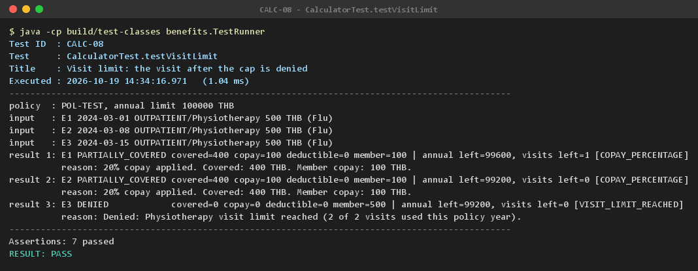

CALC-09 | CalculatorTest.testBenefitLimitExhaustion | Several expenses consume the same benefit limit until it is exhausted | PASS | Back to Testcase
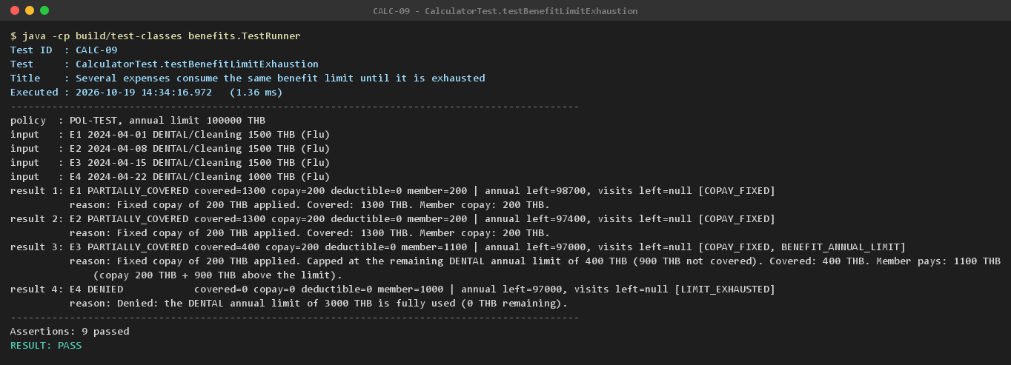

CALC-10 | CalculatorTest.testPolicyLimitAcrossBenefits | Overlapping limits: the policy annual limit binds across benefits | PASS | Back to Testcase

CALC-11 | CalculatorTest.testSubBenefitAnnualLimit | Sub-benefit annual limit caps a later visit | PASS | Back to Testcase

CALC-12 | CalculatorTest.testChronologicalOrder | Expenses are processed chronologically whatever the input order | PASS | Back to Testcase


CALC-13 | CalculatorTest.testNotCoveredAndOutOfPeriod | Unknown benefit, unknown sub-benefit and out-of-period expenses are denied | PASS | Back to Testcase
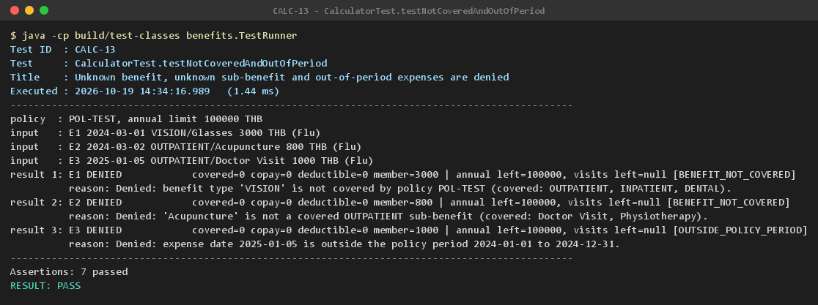

CALC-14 | CalculatorTest.testDeniedDoNotConsume | Denied expenses consume neither limits nor visits | PASS | Back to Testcase
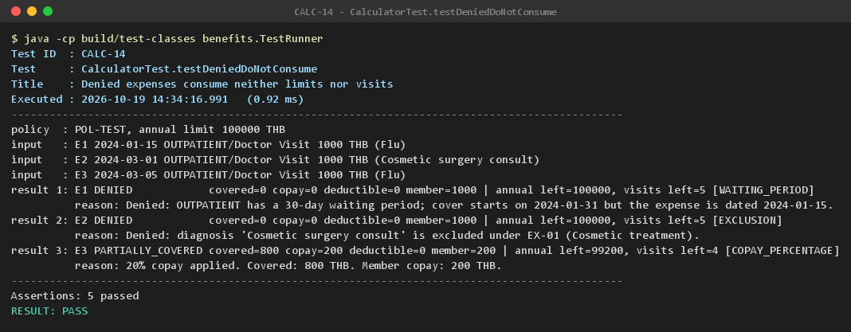

CALC-15 | CalculatorTest.testReusableWithoutStateLeak | Calculator is reusable: no state leaks between calls | PASS | Back to Testcase

CALC-16 | CalculatorTest.testRoundingAndInvariants | Percentage copay is rounded HALF_UP to 2 decimals; amounts always add up | PASS | Back to Testcase

E2E-01 | ScenarioTest.testMatchesExpectedResults | All 20 expenses match the hand-calculated expected results | PASS | Back to Testcase
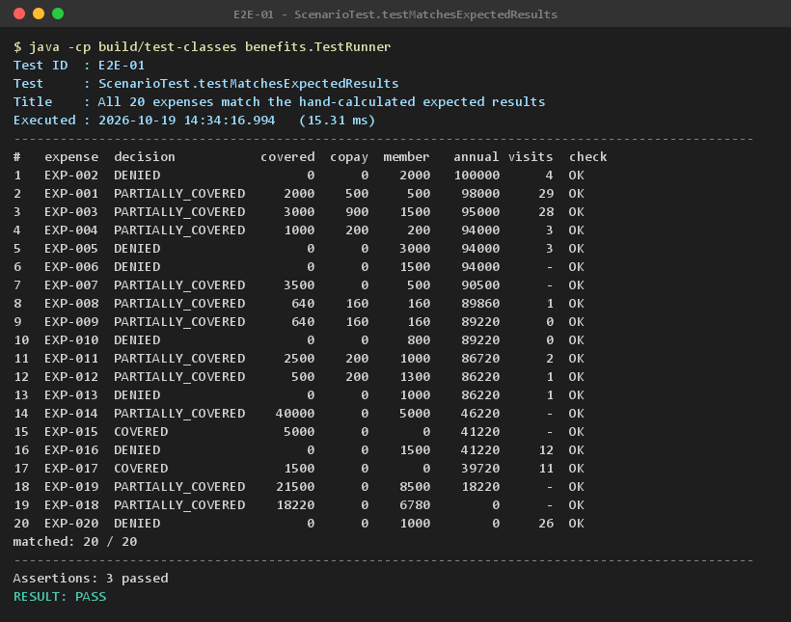

E2E-02 | ScenarioTest.testSummaryBalances | Remaining balance per benefit matches the expected summary | PASS | Back to Testcase
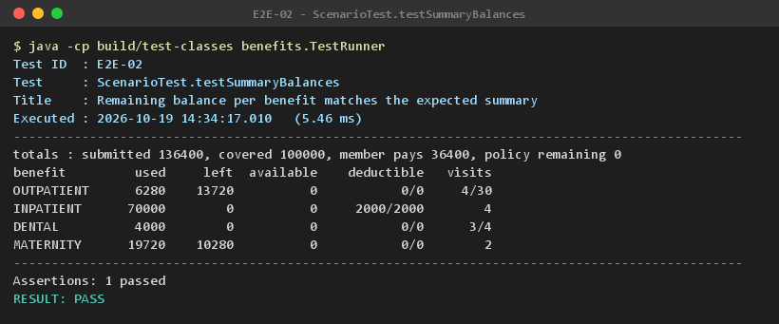

E2E-03 | ScenarioTest.testScenarioCoverageAndInvariants | The 20 expenses exercise every required rule, with a reason for each decision | PASS | Back to Testcase
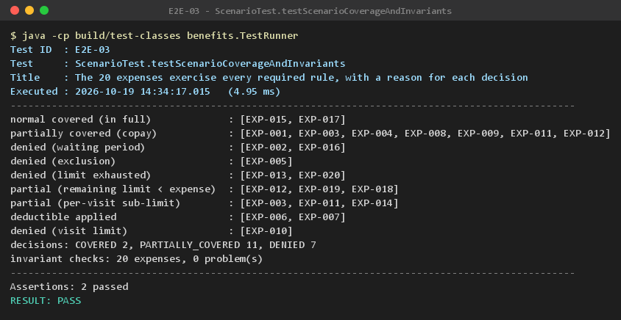

E2E-04 | ScenarioTest.testExampleOutputFormat | EXP-001 output is identical to the example in the challenge | PASS | Back to Testcase

