mpbhmsauthsignup
 | NON-FUNCTIONAL TEST DOCUMENT

Project Name | Customers Management System for NAWACO |  | Creator | GiangPT
Project Code | CMSN |  | Issue Date | 06/04/2026
Document Code | CMSN_NonFunctionalTest_v1.0 |  | Version | v1.0

Record of change
Test Type | Objective | Test Description | Expected Result | Actual Result | Tool Used | Evidence
Performance Testing | Measure API response time under load | 1000 concurrent Sign Up requests with valid data | Avg response time < 500ms | Avg: 410ms, Max: 860ms, 0 errors | Apache JMeter | 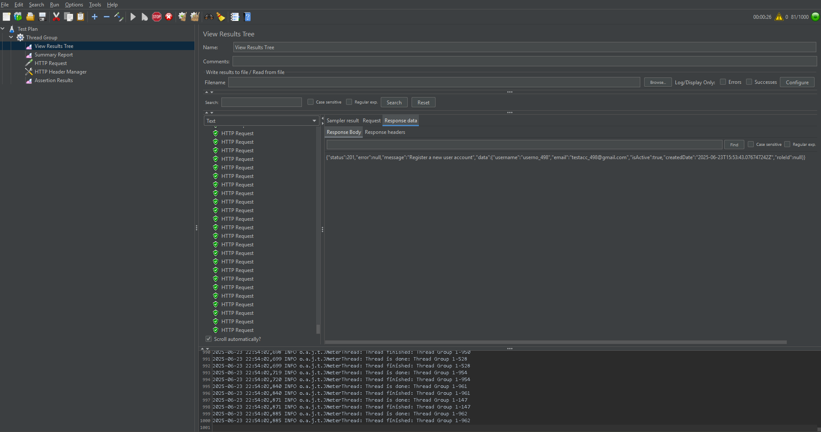
Scalability Testing | Check performance with increasing users | Gradually increase Sign Up requests from 100 to 5000 users | API stays stable, no 5xx errors | Stable up to 4000 users, 504 errors occurred when load > 4753 users | JMeter | 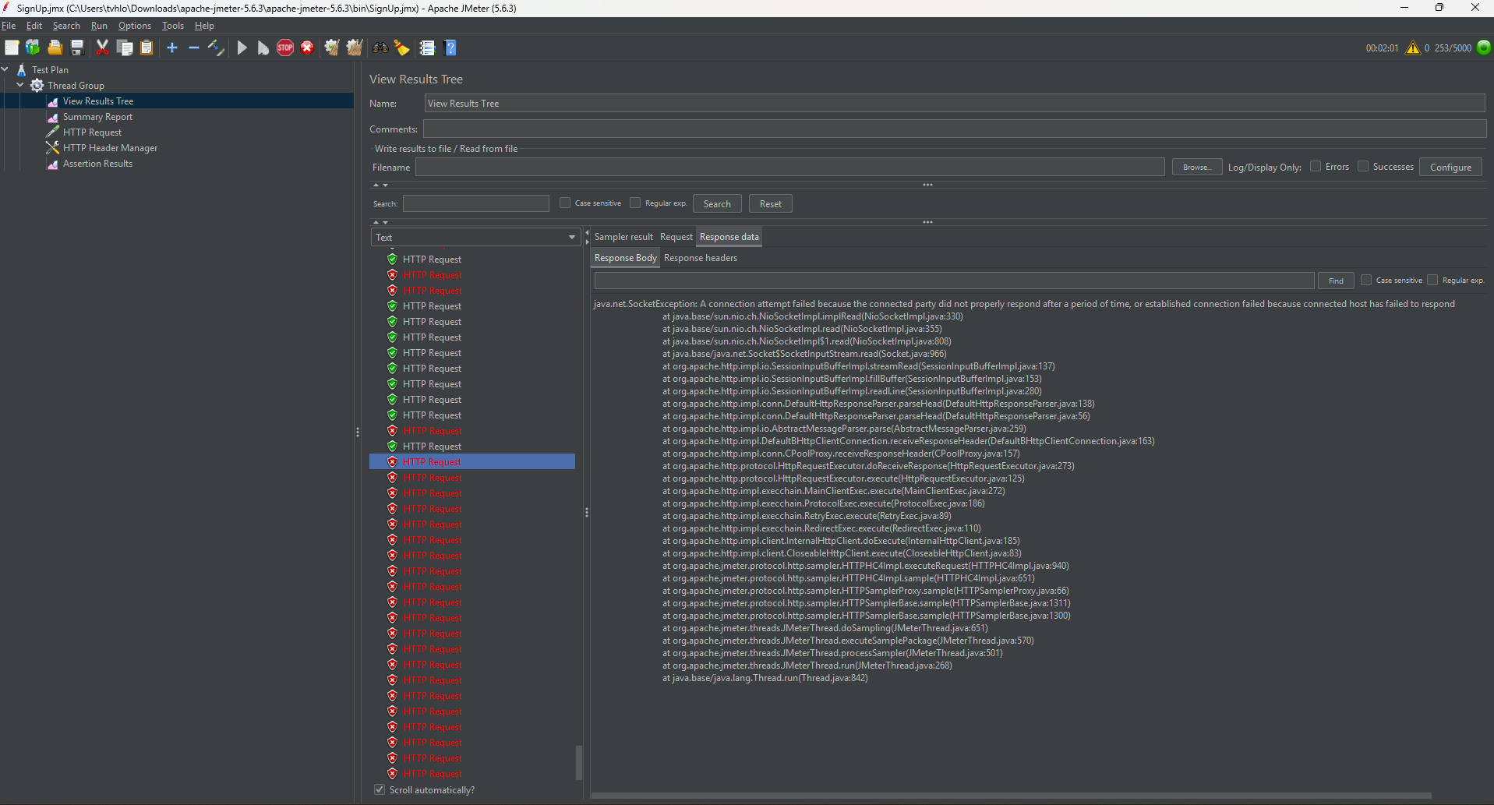
Reliability Testing | Ensure stability during prolonged usage | Send 1 Sign Up request every 5s for 4 hours | No memory leaks or server crashes | No crashes, memory usage stable (~42%), CPU usage < 60% | JMeter | 