Sheet2
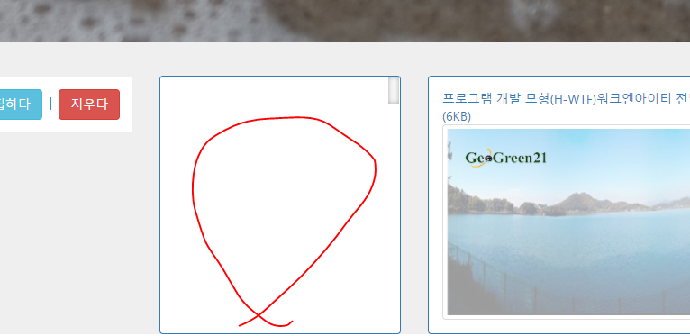

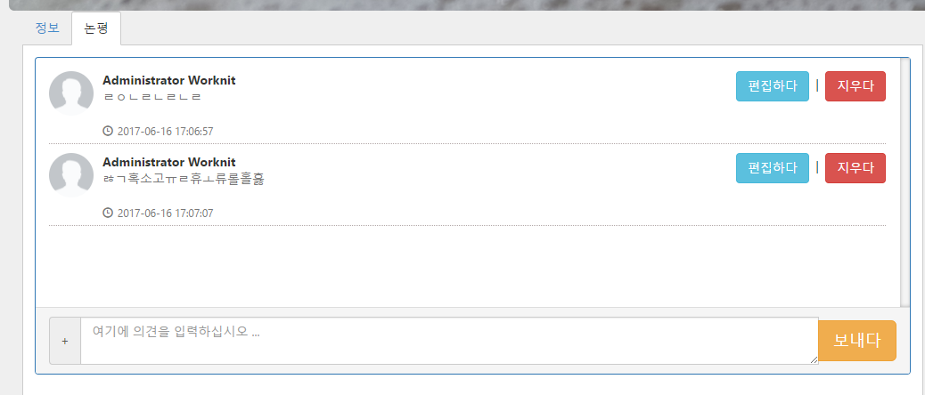

Only this area needs to be updated.
Do not reload the full screen.

Sheet3
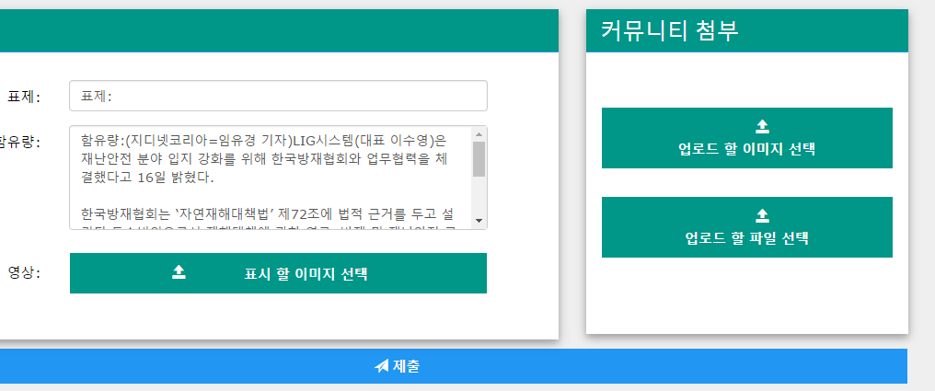
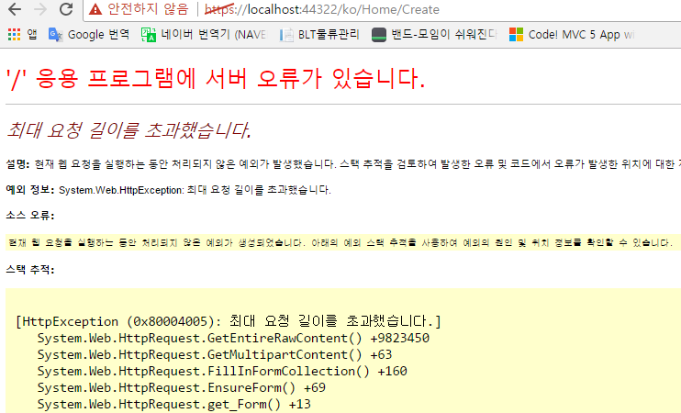
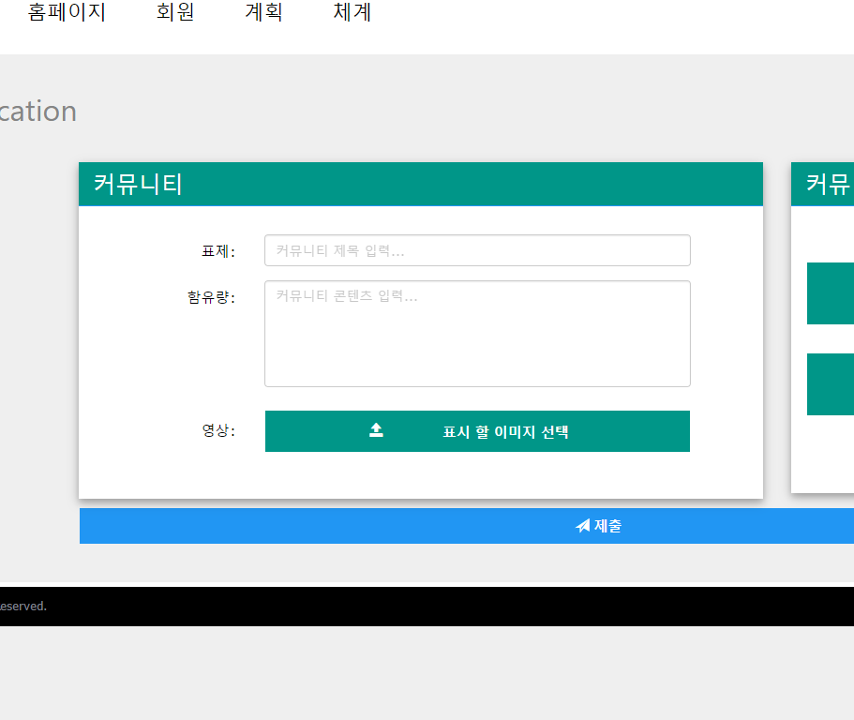

Please height more than 500px.

This zone: I want Editor
 | http://demos.telerik.com/aspnet-mvc/editor/index

Even if the attachment file name is long, it should be uploaded.

 |  | Maximum request length exceeded.

Sheet5
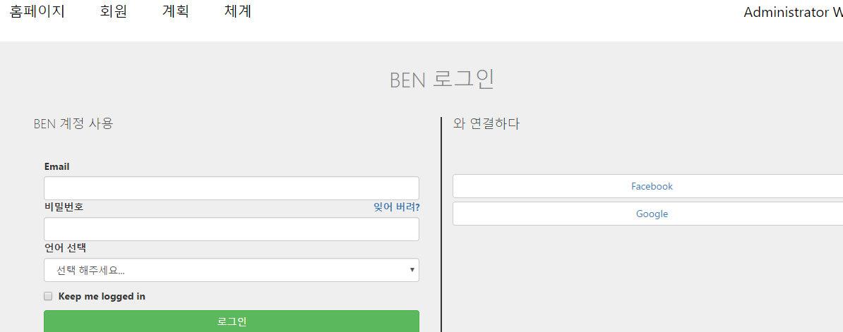
Click > go to the Login pagee

Sheet6
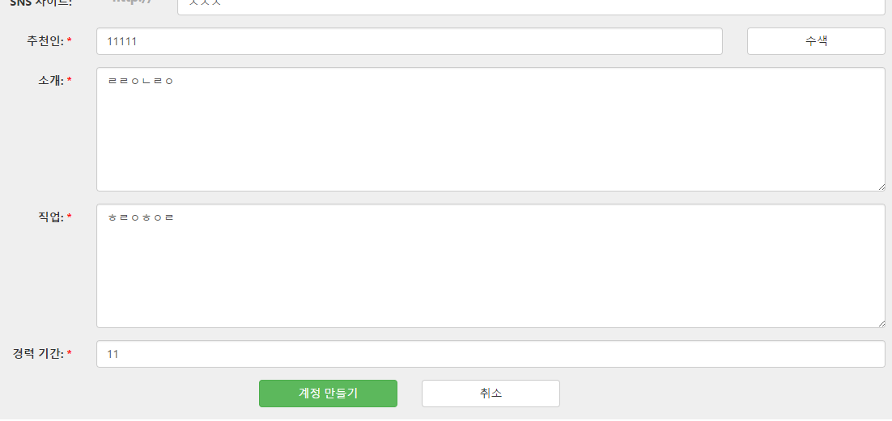

Temp value input

Saved
Recommendation If this information can not be verified, it should not be saved.

I want

"추천인" > Input value > [수색] Button Click > Check > OK > [계정만들기] Button Click > Submit
 | NO > [계정만들기] Button Click > Alter Message " 추천인 정보를 확인 하십시오." > Can't save

Sheet8
