Sheet1

Hướng dẫn lên Campaign Facebook trên XMP

Bước 1: Chọn Ads Manager => Facebook => Create


Bước 2: Create new campaign => Turn on Advantage + app campaign => Continue

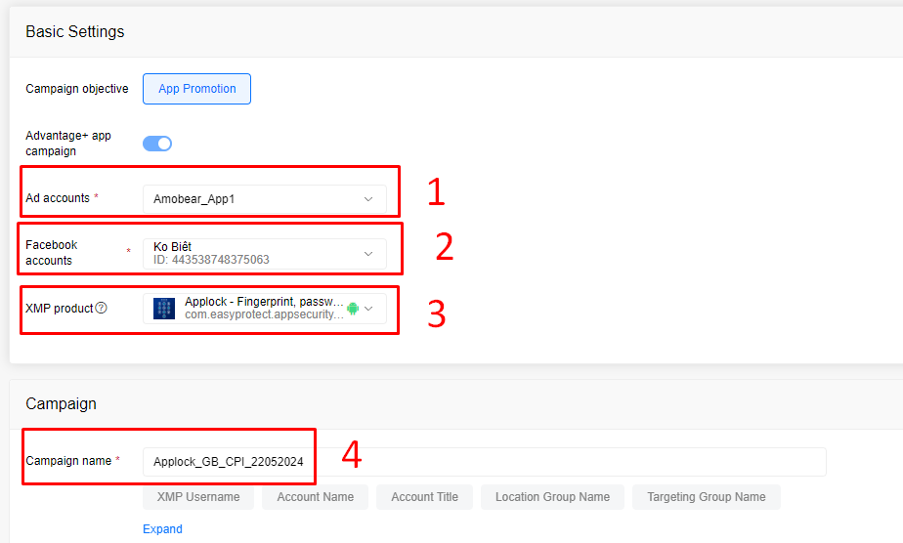

Bước 3: Basic Settings

1, Ad accounts: Chọn Amobear_App1

2, Facebook accounts: Chọn : Minh Anh Nguyễn ( BM Amobear PTE & Skytechlab )

3, XMP product: Chọn App ( Báo SP để add App và Tài khoản quảng cáo )

4, Campaign name: Đặt tên theo format: App_Location_Target_ngày tháng năm lên campaign

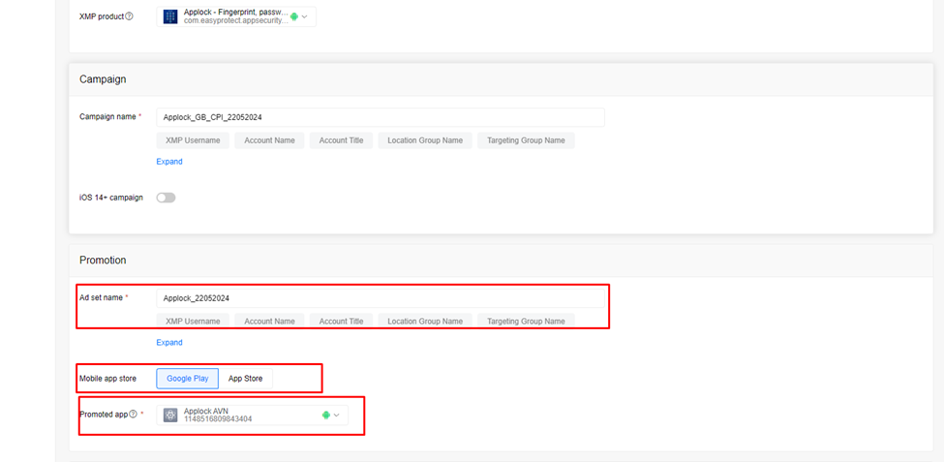
Bước 4: Promotion

Ad set name: Đặt tên: App_ ngày tháng năm lên campaign (có thể đặt tên giống Campaign name )

Chọn kiểu store: Android => Google Play
iOS => App Store

Promoted app: Để hiện app muốn chạy thì cần kết nối ứng dụng đó với các tài khoản quảng cáo đã chọn trong Trình quản lý doanh nghiệp hoặc trang tổng quan dành cho nhà phát triển

Bước 5: Setup Location:

* Chọn người thụ hưởng và người trả : Amobear

Lên camp hàng loạt chọn thêm country

Chọn All Language

Setup camp CPI

Camp CPI: Cần chạy Camp CPI để check số install có lên không
Test CPI cho Tear3 / Brazil: Budget 10$ sáng lên chiều đã có thể thấy số rồi

Setup camp Event

Camp Event: Estimate spend 40$ là đủ điều kiện

Set Budget 10-15$/ ngày

Sau 2 - 3 ngày là Camp có thể đủ điều kiện tối ưu hóa giá trị để lên Camp ROAS

Event: Impresion / Purchase

Setup camp ROAS

Camp ROAS: Set giá trị cao nhất

Set tROAS roas trả về thấp không tiêu hết Budget

Ad name: Đặt tên: App_ngày tháng năm lên campaign
" Có thể đặt tên theo Creative group name (nếu có yêu cầu )"

Chọn Page type:

Chọn Facebook page:

Page sẽ cần share cho User có quyền Editor all Account để mọi người chọn

Up Ads Group gồm 1 Video và 5 Text

- Video có thể tăng ( giảm ) theo yêu cầu

- Text bao gồm: Primary text = Description 1
Headline = Headline 1

- Call to action: Chọn: Install now / Download

Preview ( Có thể Save Template )

Sau khi Confirm, thì Publish là hoàn thành quá trình lên Campaign

* Lưu ý:

Nhớ check trạng thái Campaign đã lên:

Tools -> Task center:

Success là hoàn thành việc lên Campaign

Trường hợp nếu Failed => Nhấn Retry ( Retry tới khi Success )

( Nếu đã Retry nhiều lần mà vẫn báo Failed => Chọn Detail để xem lỗi/ lí do Failed

