COVER
W I S |  |  |  | Part: |  |  |  |  |  |  |  |  |  |  |  | DATE |  |  |  |  |  | PAGE ( COVER 1/ 3 )
PART NO: |  |  |  |  |  |  |  |  |  |  | PART NAME: |  |  |  |  |  |  |  |  |  |  |  |  |  |  | ib_safety |  | trimmer_hdpe |  | acessory_1 | accessory_2 |  | accessory_3 |  | accessory_4
 |  |  |  |  |  |  |  |  | PROCESS: |  | Build & Pack
 |  |  |  |  |  |  |  |  | MATERIAL: TPO
SKETCH:

 |  |  |  |  |  |  |  |  |  |  |  |  |  |  | lazer_actual

 |  | fg_colorbox_front |  |  |  |  |  |  |  |  | trimmer_front & trimmer_back

 |  |  |  |  |  |  |  |  |  |  |  |  |  |  |  |  |  |  |  |  |  |  |  |  |  | colorbox_front & colorbox_back |  | colorbox_top & colorbox_bottom |  | colorbox_left & colorbox_right | label | top_view_inside |  | how_to_fold_1 |  | how_to_fold_2 | how_to_fold_3

 |  |  |  |  |  |  |  |  |  |  |  |  |  |  | lazer_drawing

 |  |  |  |  |  |  |  |  |  |  |  |  |  |  | nom_lable
 |  |  |  |  |  |  |  |  |  |  |  |  |  |  |  |  |  |  |  |  |  |  |  |  |  |  |  |  |  |  | colorbox_nom_label

 | ISS. |  | DATE |  |  |  | REVISION RECORD |  |  |  |  |  |  |  | Wahl |  |  |  |  |  | Supplier
 |  |  |  |  |  |  |  |  |  |  |  |  |  |  | MGR. |  | Mfg Eng | Quality |  | SPEC. | DIR. | MGR. |  | A.MGR. | ENG.
0 |  |  |  |  |  |  | Initial Issue

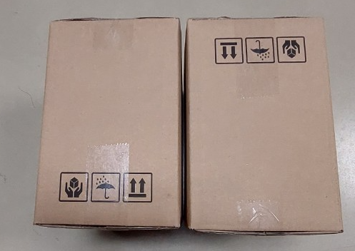
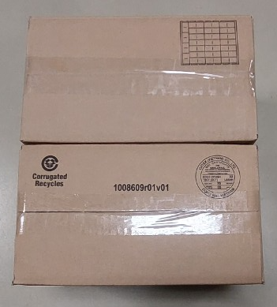
 |  |  |  |  |  |  |  |  |  |  |  |  |  |  |  |  |  |  |  |  |  |  |  |  |  |  | actual_inside_packaging

 | INITIAL WAHL SIGN-OFF |  |  |  |  |  |  |  |  |  | WAHL LOCATION: |  |  |  |  |  |  | INITIAL SUPPLIER SIGN-OFF
 | MGR. |  |  |  | Mfg Eng |  |  | Quality |  | SPEC. |  |  |  |  |  |  |  |  | DIR. |  | MGR. |  | A/MGR. |  | ENGIN.

 |  |  |  |  |  |  |  |  |  |  | SUPPLIER (CODE):
 |  | / / |  |  | / / |  |  | / / |  | / / |  |  |  |  |  |  |  |  | / / |  | / / |  | / / |  | / / |  |  |  | mastercarton_label_drawing
 | DISTRIBUTION: |  |  |  |  | q | WAHL |  | q | Sterling |  | q | SUPPLIER | q |  |  | q
 |  |  |  |  |  | q | GmbH |  | q |  |  | q |  | q

