1
 |  | Monte- carlo Crystal Ball line 6 simulation

Worksheet: [Formatted_Assembly_Line_Sim.xlsx]1.0_1. tán_co_terminal |  |  |  |  | Worksheet: [Formatted_Assembly_Line_Sim.xlsx]1.1_2. Housing_top_lò_xo |  |  |  |  |  | Worksheet: [Formatted_Assembly_Line_Sim.xlsx]1.2_3. lắp_dao,_bắn_vít |  |  |  |  | Worksheet: [Formatted_Assembly_Line_Sim.xlsx]1.3_4. cắm_vào_hipot,_bỏ_
 | Pareto distribution with parameters: |  |  |  |  | Student's t distribution with parameters: |  |  |  |  |  | Maximum Extreme distribution with parameters: |  |  |  |  | Beta distribution with parameters:
 |  | Location | 21.15 | 0 |  |  | Midpoint | 13.18 | 0 |  |  |  | Likeliest | 24.15 | 0 |  |  | Minimum | 20.8 | 0
 |  | Shape | 6.0977648955 |  |  |  | Scale | 1.15 |  |  |  |  | Scale | 2.02 |  |  |  | Maximum | 36.34
 |  |  |  |  |  |  | Deg. Freedom | 1 |  |  |  |  |  |  |  |  |  | Alpha | 0.94629339614
 |  |  |  |  |  |  |  |  |  |  |  |  |  |  |  |  |  | Beta | 0.64115343364

Worksheet: [Formatted_Assembly_Line_Sim.xlsx]1.4_5. xịt,_lắp_chèn,_dâ |  |  |  |  | Worksheet: [Formatted_Assembly_Line_Sim.xlsx]1.5_6. luồn_hdpe,_hộp_nhu |  |  |  |  |  | Worksheet: [Formatted_Assembly_Line_Sim.xlsx]1.6_7. bỏ_color_box,_dán_ke |  |  |  |  | Worksheet: [Formatted_Assembly_Line_Sim.xlsx]1.7_8. master_carton,_keo
 | Beta distribution with parameters: |  |  |  |  | Pareto distribution with parameters: |  |  |  |  |  | Weibull distribution with parameters: |  |  |  |  | Minimum Extreme distribution with parameters:
 |  | Minimum | 15.23 | 0 |  |  | Location | 16.94 | 0 |  |  |  | Location | 6.16 | 0 |  |  | Likeliest | 13.51 | 0
 |  | Maximum | 19.63 |  |  |  | Shape | 4.8019323408 |  |  |  |  | Scale | 5.99 |  |  |  | Scale | 1.06
 |  | Alpha | 1.2102376304 |  |  |  |  |  |  |  |  |  | Shape | 3.4231713298
 |  | Beta | 0.50620585721

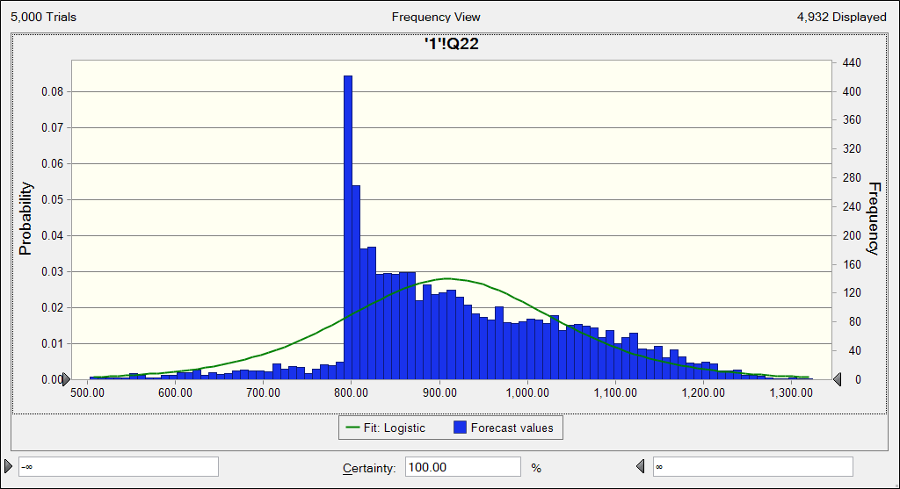
 |  |  |  |  |  |  |  |  | #DIV/0!
 |  |  |  |  |  |  |  |  | Trials | 5,000
 |  |  |  |  |  |  |  |  | Base Case | 1,001.98
 |  |  |  |  |  |  |  |  | Mean | 913.44
 |  |  |  |  |  |  |  |  | Median | 896.03
 |  |  |  |  |  |  |  |  | Mode | 224.22
 |  |  |  |  |  |  |  |  | Standard Deviation | 146.82
 |  |  |  |  |  |  |  |  | Variance | 21,557.54
 |  |  |  |  |  |  |  |  | Skewness | -0.5014
 |  |  |  |  |  |  |  |  | Kurtosis | 5.27
 |  |  |  |  |  |  |  |  | Coeff. of Variation | 0.1607
 |  |  |  |  |  |  |  |  | Minimum | 224.22
 |  |  |  |  |  |  |  |  | Maximum | 1,337.31
 |  |  |  |  |  |  |  |  | Mean Std. Error | 2.08

1.0_1. tán_co_terminal
1 | 28.27
2 | 23.78
3 | 21.68
4 | 24.16 |  |  |  |  | Assumptions
5 | 34.48
6 | 21.38
7 | 24.73 | Worksheet: [Formatted_Assembly_Line_Sim.xlsx]1.0_1. tán_co_terminal
8 | 21.49
9 | 28.27 | Assumption: Data Series 1 (F5) |  |  |  |  | Cell: F5
10 | 23.78
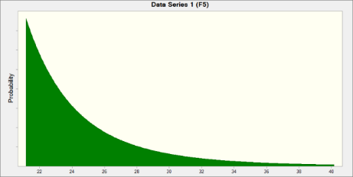
11 | 21.68 |  | Pareto distribution with parameters:
12 | 24.16 |  |  | Location | 21.15
13 | 34.48 |  |  | Shape | 6.0977648955
14 | 21.38
15 | 24.73

 |  | End of Assumptions

1.1_2. Housing_top_lò_xo
1 | 8.39
2 | 16.73
3 | 13.37
4 | 14.55 |  |  |  |  | Assumptions
5 | 12.02
6 | 13.48
7 | 13.59 | Worksheet: [Formatted_Assembly_Line_Sim.xlsx]1.1_2. Housing_top_lò_xo
8 | 8.39
9 | 16.73 | Assumption: Data Series 1 (B18) |  |  |  |  | Cell: B18
10 | 13.37
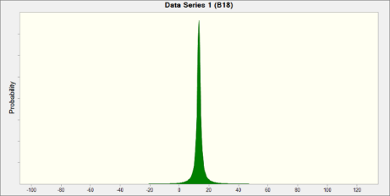
11 | 14.55 |  | Student's t distribution with parameters:
12 | 12.02 |  |  | Midpoint | 13.18
13 | 13.48 |  |  | Scale | 1.15
14 | 13.59 |  |  | Deg. Freedom | 1
15 | 13.48

 |  | End of Assumptions

1.2_3. lắp_dao,_bắn_vít
1 | 25.54
2 | 22.1
3 | 24.15 |  |  |  |  | Assumptions
4 | 31.45
5 | 24.88
6 | 26.21 | Worksheet: [Formatted_Assembly_Line_Sim.xlsx]1.2_3. lắp_dao,_bắn_vít
7 | 25.54
8 | 22.1 | Assumption: Data Series 1 |  |  |  |  | Cell: C18
9 | 24.15
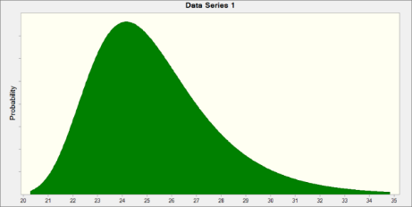
10 | 31.45 |  | Maximum Extreme distribution with parameters:
11 | 24.88 |  |  | Likeliest | 24.15
12 | 26.21 |  |  | Scale | 2.02
13 | 25.54
14 | 22.1
15 | 24.15

 |  | End of Assumptions

1.5_6. luồn_hdpe,_hộp_nhu
1 | 20.92
2 | 33.69
3 | 17.18
4 | 17.26 | Worksheet: [Formatted_Assembly_Line_Sim.xlsx]1.5_6. luồn_hdpe,_hộp_nhu
5 | 18.75
6 | 20.65 | Assumption: Data Series 1 |  |  |  | Cell: C18
7 | 22.45
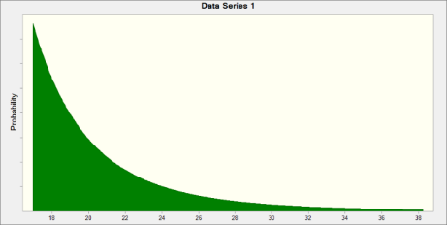
8 | 20.92 |  | Pareto distribution with parameters:
9 | 33.69 |  |  | Location | 16.94
10 | 17.18 |  |  | Shape | 4.8019323408
11 | 17.26
12 | 18.75
13 | 20.65
14 | 22.45
15 | 18.75

 |  | End of Assumptions

1.6_7. bỏ_color_box,_dán_ke
1 | 9.79
2 | 13.56 |  |  |  |  | Assumptions
3 | 11.21
4 | 13.2
5 | 10.93 | Worksheet: [Formatted_Assembly_Line_Sim.xlsx]1.6_7. bỏ_color_box,_dán_ke
6 | 9.36
7 | 13.45 | Assumption: Data Series 1 |  |  |  |  | Cell: C19
8 | 9.79
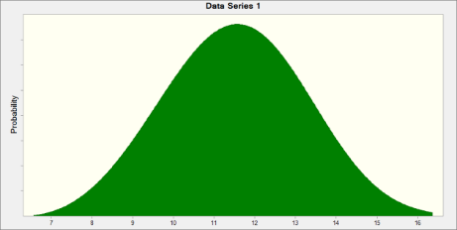
9 | 13.56 |  | Weibull distribution with parameters:
10 | 11.21 |  |  | Location | 6.16
11 | 13.2 |  |  | Scale | 5.99
12 | 10.93 |  |  | Shape | 3.4231713298
13 | 9.36
14 | 13.45
15 | 9.36

 |  | End of Assumptions

1.7_8. master_carton,_keo
1 | 14.51
2 | 13.78
3 | 13.27
4 | 10.93 |  |  |  |  | Assumptions
5 | 12.3
6 | 11.01
7 | 14.51 | Worksheet: [Formatted_Assembly_Line_Sim.xlsx]1.7_8. master_carton,_keo
8 | 13.78
9 | 13.27 | Assumption: Data Series 1 |  |  |  |  | Cell: B18
10 | 10.93
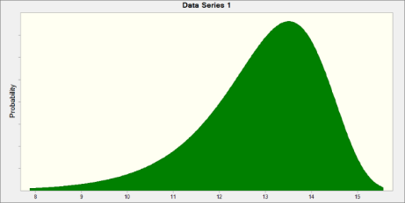
11 | 12.3 |  | Minimum Extreme distribution with parameters:
12 | 11.01 |  |  | Likeliest | 13.51
13 | 14.51 |  |  | Scale | 1.06
14 | 13.78
15 | 13.27

 |  | End of Assumptions

