Overview
REQ ID | Model overview | Reference link
Req: SPIDCTL_AD_Overview_001 Ref: {MCR_RVC_1.0_1} | SPIDCTL model has sub-blocks inside as below. Refer to "Block diagram of SPIDCTL" for more info. - Clock handler: checks the input clocks, the clock command from Python IF to generate the period of operation clock. - Reset handler: checks the reset ports, the reset command from Python IF to reset model. - There is one target sockets of APB 32bit to support access registers. + Target sockets "ts" to access registers of SPIDCTL_Func blocks. - Python IF: with parameters/commands supports controlling SPIDCTL. - Output handler: control the output ports. - SPIDCTL_Func has registers inside. It supervises the SPID value which BusMasters can use | Commands_Parameters
 | All features of this model are listed in "Feature list" sheet | Feature_list
 | All registers of this model are listed in "Registers" sheet | Registers
 | The detail of input/output ports of this model is described in "Ports" sheet | Ports

Req: SPIDCTL_AD_Overview_002 Ref: {MCR_RVC_1.0_1} | Block diagram of SPIDCTL model

SPIDCTL

Reset handler
Reset
BMSPIDOUTn (*1)
Output handler

Clock handler
PCLK

Python IF
Commands & Parameters

SPIDCTL_Func

SPIDCTL_Registers
ts

Calling API
port
payload data
Target socket

 | Note:
 | (*1) n = 0 ~ 63

Req: SPIDCTL_AD_Overview_003 Ref: {IL_1.0_22} | Copyright(c) 2020-2021 Renesas Electronics Corporation. All rights reserved.

Appendix
case1 : reset port
delay period
reset period
case2 : reset port
case3 : reset port
case4 : reset port
case5 : reset port
reset command
case6 : reset port
delay period
case7 : reset port
 | Reset period description

 | Timing format
Simulation time
sc_time_stamp
Expected format time
15 ps
15 ps
15 ps
1000 ps
1 ns
1000 ps
keep time unit

 | Initial value of SPID
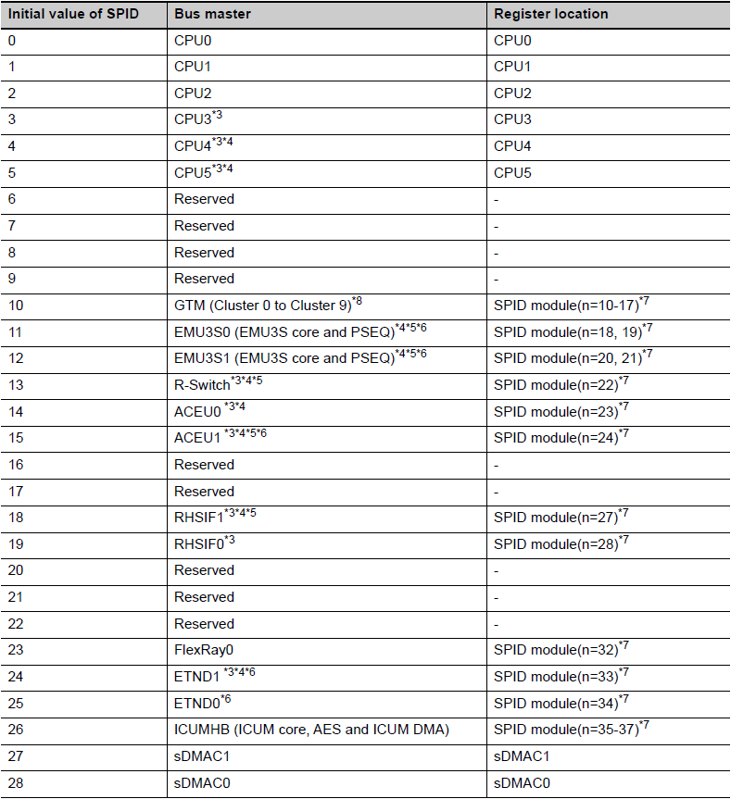
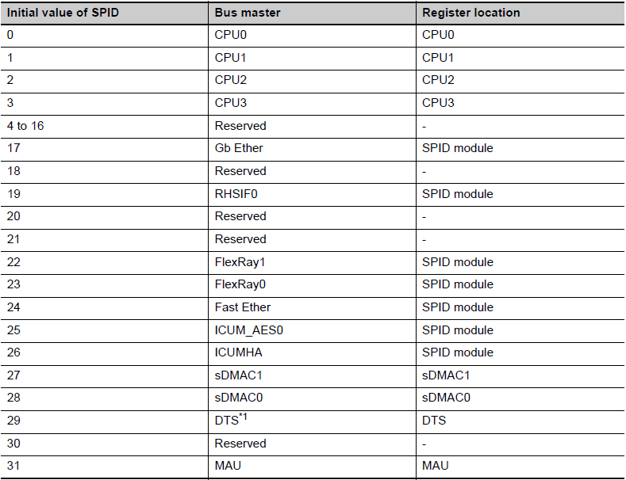
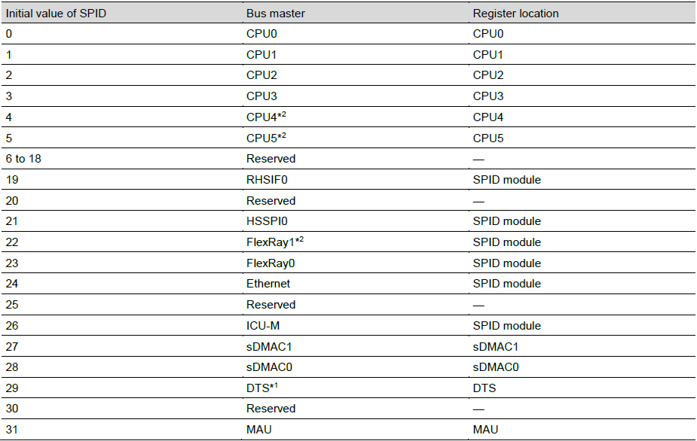

 |  |  |  | U2A | E2x

 |  |  | U2B
 |  | Note: The default initial value in this model when config_file setting is not input is:
 |  | · BMnSPID = n when n = [0:31]
 |  | · BMnSPID = 31 when n > 31

Req: SPIDCTL_AD_Appendix_001 Ref: {IL_1.0_22} | Copyright(c) 2020-2021 Renesas Electronics Corporation. All rights reserved.

