Sheet1
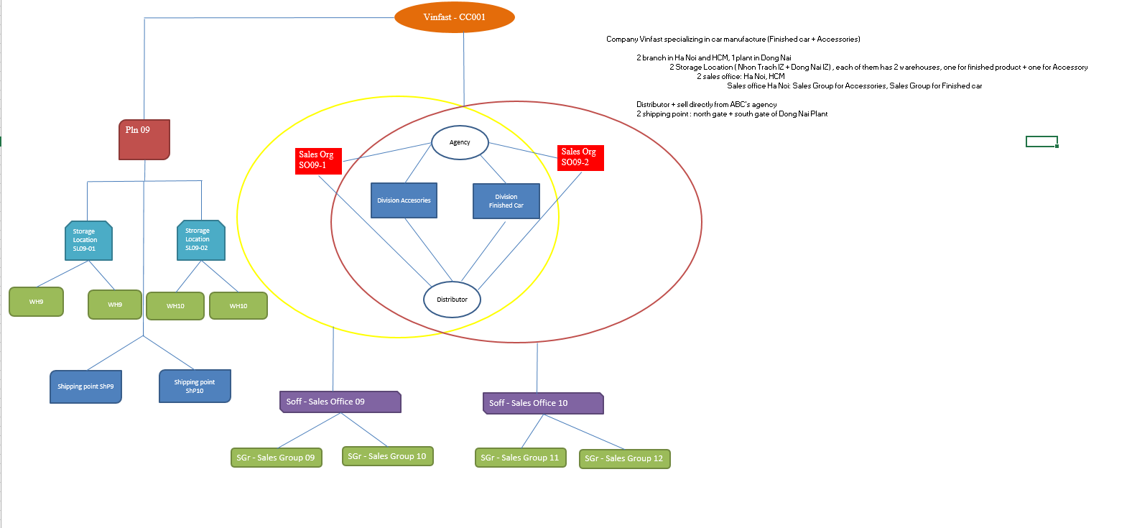
2. STANDARD SALES PROCESS

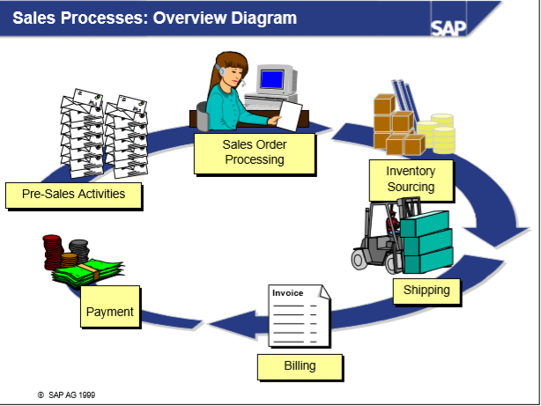
 |  | Pre-sales: Call, Email, Inquiry, Quotation

 |  | Sales Order Processing: Fill order |  |  |  |  |  | customer, material info,quantity, shipping, billing

 |  | Inventory Sourcing: Check available goods, tranfer requirement to material planning |  |  |  |  |  | in-house produced or extenally produced

 |  | Shipping: outbound delivery, picking, packing, posting goods issue

 |  | Billing: Create invoices, debit or crebit meno, transfer invoices to accounting |  |  |  |  |  | debit posting to revievable account, credit posting to revenue account

 |  | Payment: part of accounting FICO |  |  |  |  |  | debit posting to cash account, credit posting to recievable account

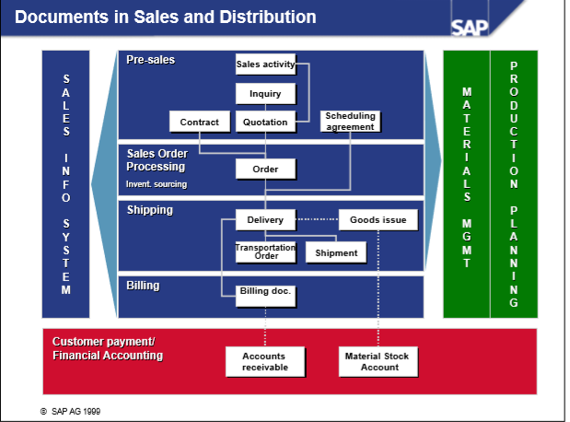

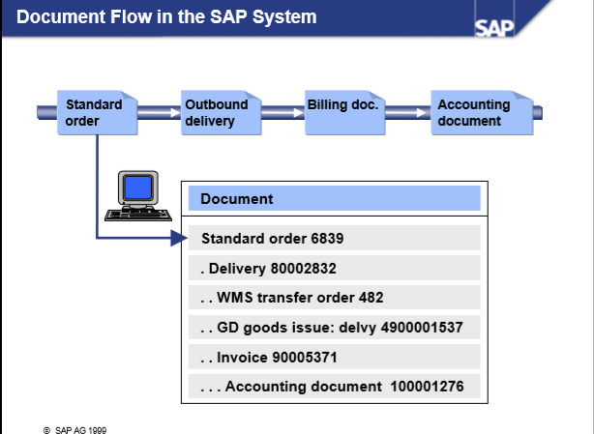

 | 3. Ogranization structure

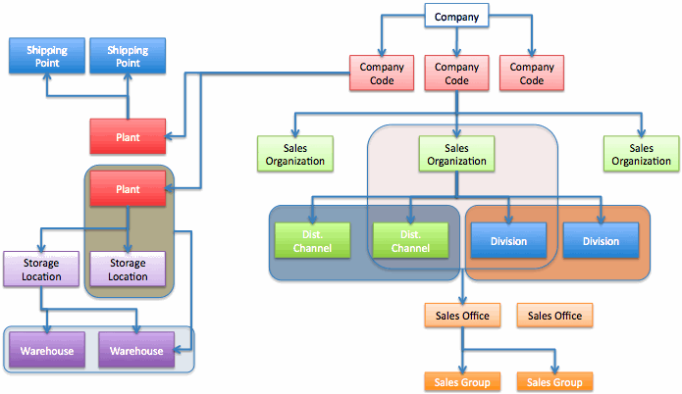

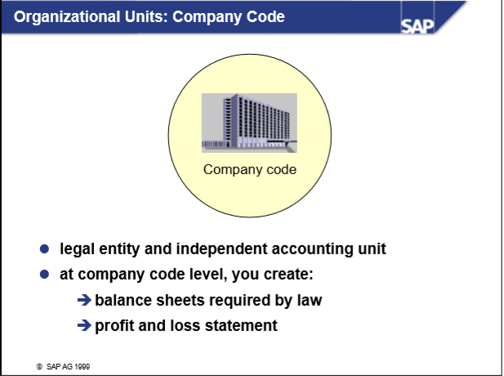

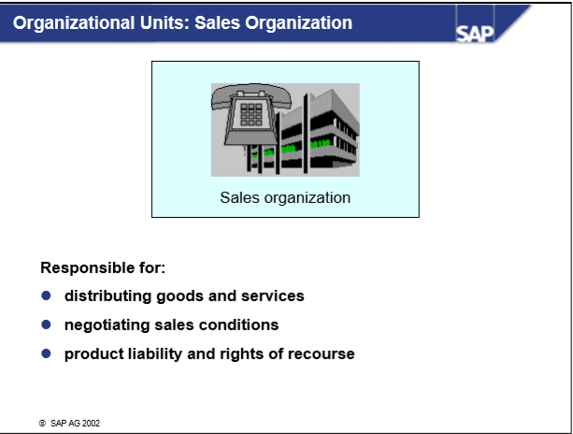

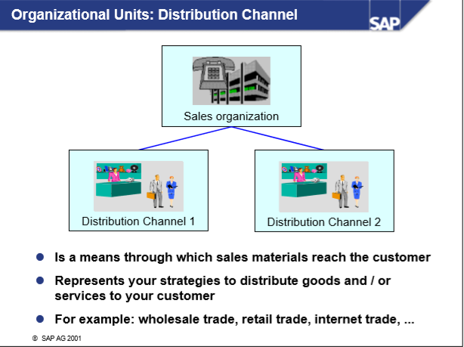

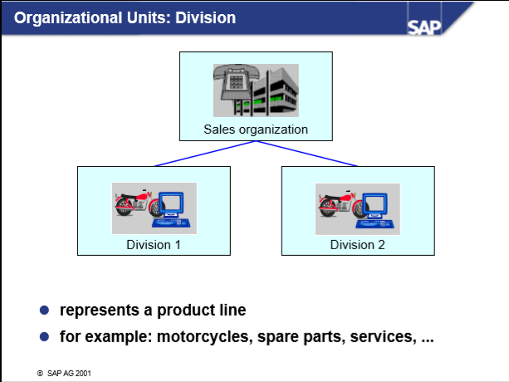

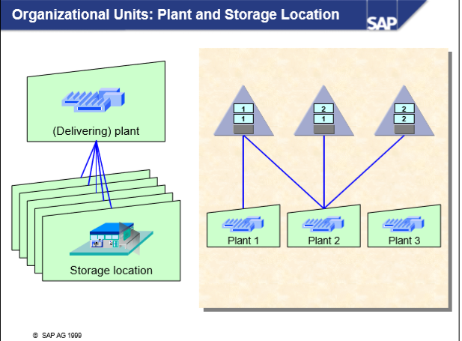

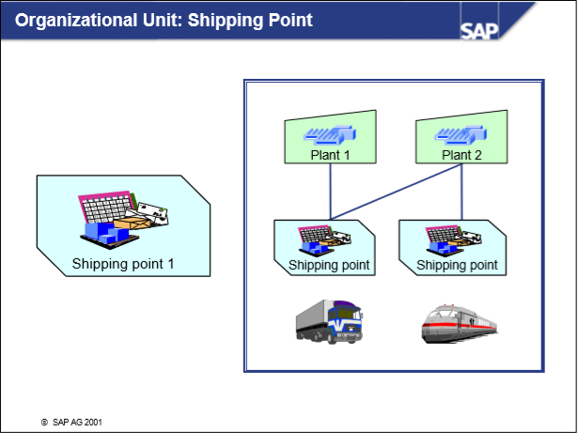

 |  |  | Company Vinfast specializing in car manufacture (Finished car + Accessories)

 |  |  |  | 2 branch in Ha Noi and HCM, 1 plant in Dong Nai
 |  |  |  |  | 2 Storage Location ( Nhon Trach IZ + Dong Nai IZ) , each of them has 2 warehouses, one for finished product + one for Accessory
 |  |  |  |  |  | 2 sales office: Ha Noi, HCM
 | Example |  |  |  |  |  | Sales office Ha Noi: Sales Group for Accessories, Sales Group for Finished car
 |  |  |  |  |  |  | Sales office HCM: Sales Group for Accessories, Sales Group for Finished car
 |  |  |  | Distributor + sell directly from ABC's agency
 |  |  |  | 2 shipping point : north gate + south gate of Dong Nai Plant

