Sheet1
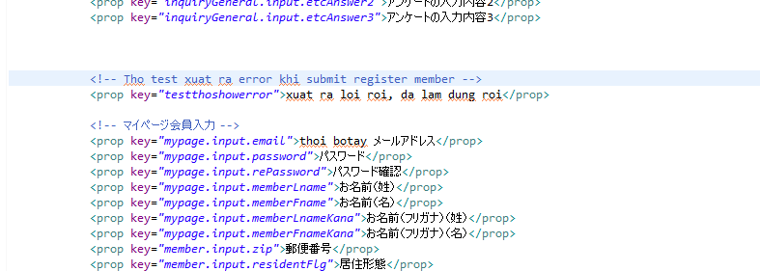
myPageEdit.xml |  |  | Bean Controller

MemberAddInput.jsp
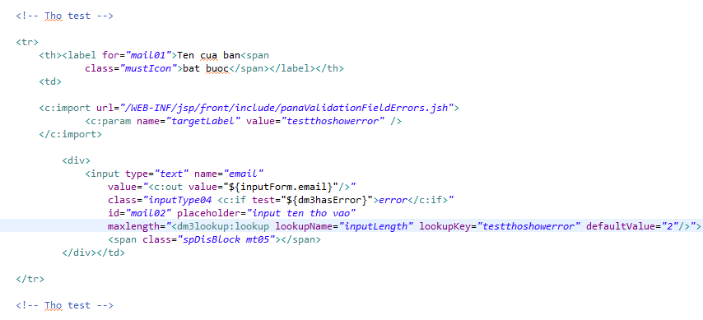

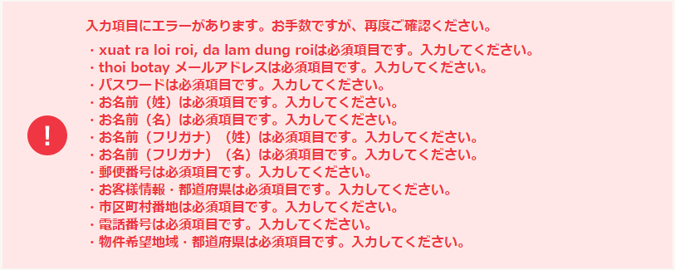
 |  | View
 |  |  |  |  |  | <c:import url="/WEB-INF/front/default_jsp/include/validationerrors.jsh" />
 |  | import: panaValidateFieldError.jsh |  | → | show div error
 |  | get key: value= testthoshowerror

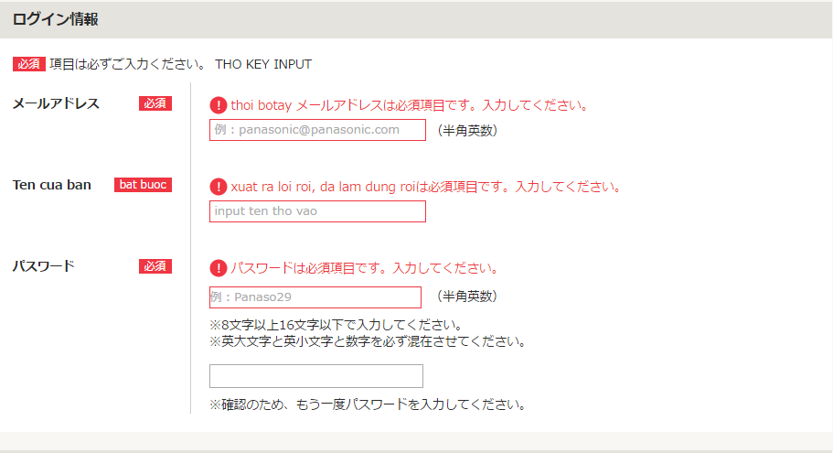

MemberInputCommand.java
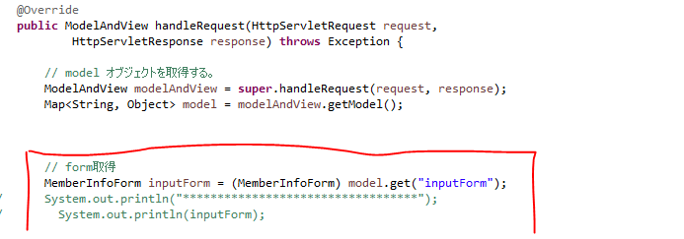

MyPageUserForm.java

 | errorMessage.xml

