Charging energy
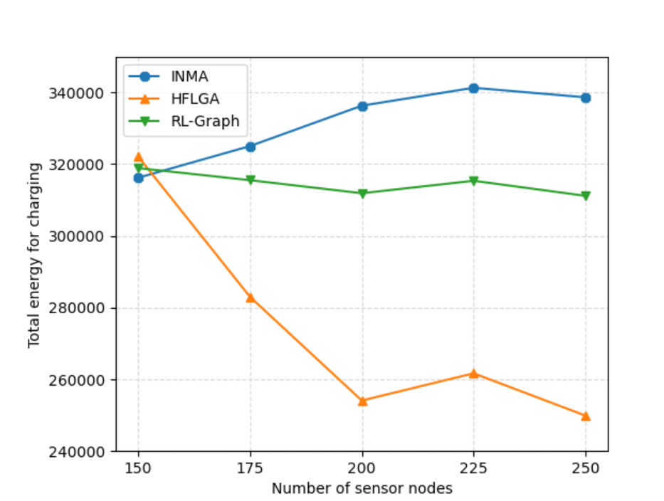
Nodes | INMA | HFLGA | RL-Graph
150 | 316196.23 | 322090 | 318883.19009
175 | 325028.43 | 282982 | 315510.25441
200 | 336288.81 | 254075 | 311879.76711
225 | 341279.68 | 261675 | 315350.48715
250 | 338620.01 | 249877 | 311157.16745

Moving energy
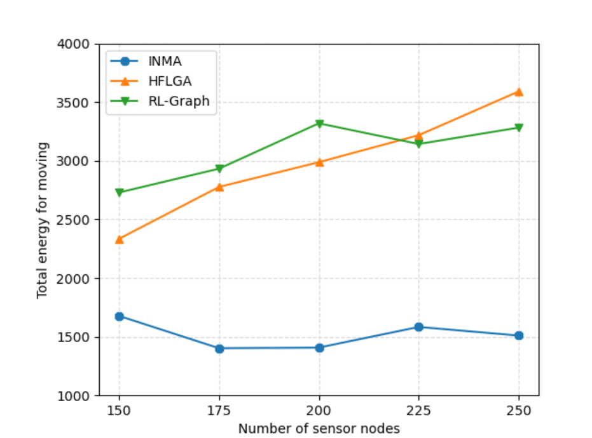
Nodes | INMA | HFLGA | RL-Graph
150 | 1677.29 | 2334.52 | 2729.183437
175 | 1401.82 | 2776.17 | 2931.9272193
200 | 1406.99 | 2987.58 | 3318.8803179
225 | 1583.08 | 3217.64 | 3142.524984
250 | 1509.69 | 3590.37 | 3282.0737204

