The number of dead nodes
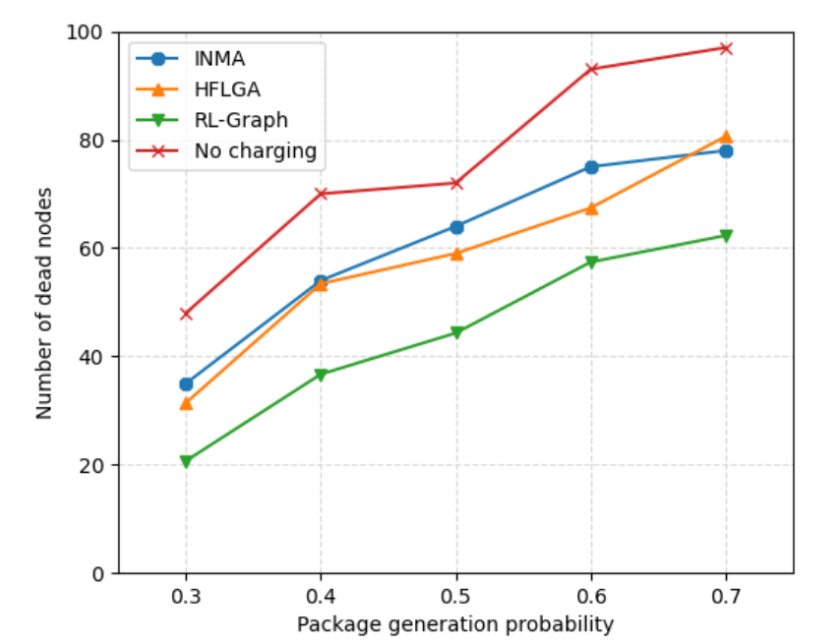
Frequency | INMA | HFLGA | RL-Graph | No charging
0.3 | 35 | 31.4 | 20.7 | 48
0.4 | 54 | 53.4 | 36.7 | 70
0.5 | 64 | 59 | 44.3 | 72
0.6 | 75 | 67.4 | 57.4 | 93
0.7 | 78 | 80.6 | 62.3 | 97

Charging energy
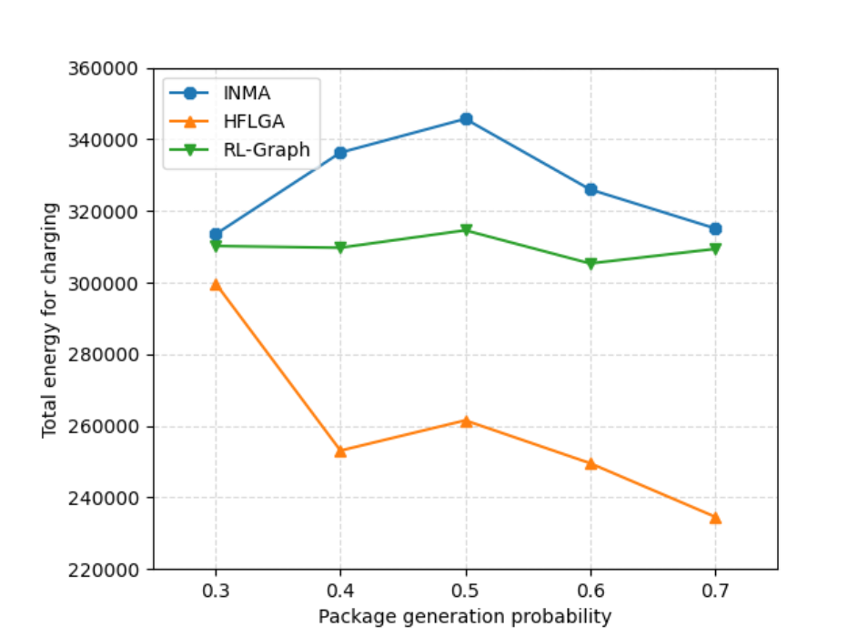
Frequency | INMA | HFLGA | RL-Graph
0.3 | 313496.61 | 299742 | 310198.96663
0.4 | 336288.81 | 253071 | 309726.76555
0.5 | 345705.41 | 261511 | 314589.46574
0.6 | 326001.23 | 249552 | 305328.53355
0.7 | 315147.45 | 234619 | 309377.03285

Moving energy
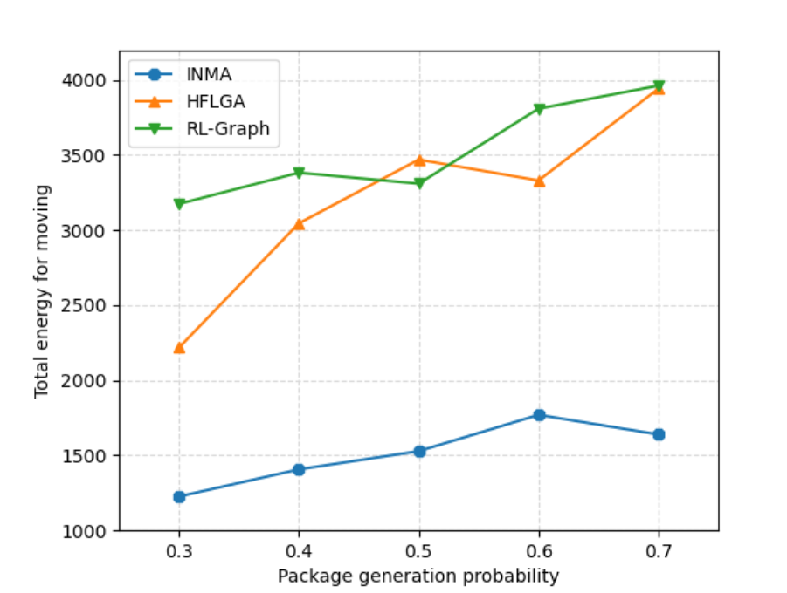
Frequency | INMA | HFLGA | RL-Graph
0.3 | 1226.35 | 2218.61 | 3174.9961136
0.4 | 1406.99 | 3045.9 | 3383.1756159
0.5 | 1528.12 | 3470.07 | 3309.9167816
0.6 | 1769.96 | 3331.15 | 3809.1091851
0.7 | 1639.55 | 3942.06 | 3962.6078136

