About CVM
The Open Group FACE™ (Future Airborne Capability Environment)
Conformance Verification Matrix for FACE Technical Standard, Edition 3.1

January 2023
Prepared by The Open Group FACE Consortium Technical Working Group Conformance Verification Matrix Subcommittee.

Copyright © 2023 The Open Group L.L.C. for the benefit of the FACE Consortium Members. All rights reserved.

Introduction
The Conformance Verification Matrix (CVM) is a tool which identifies the conformance requirements of the FACE Technical Standard that a Unit of Conformance (UoC) must meet in order to be certified as FACE conformant. The CVM for each FACE Technical Standard edition identifies the requirements and technique(s) to be used to verify a UoC's conformance to the FACE Technical Standard.
The text in the "Technical Standard Requirements" column on the "CVM 3.1" tab contains the exact text from the corresponding Technical Standard. The "Row ID" column is used to indicate from which standard the text originates. A Row ID value beginning with 'F' indicates the text originates from FACE Technical Standard, Edition 3.1. A Row ID value beginning with 'U' indicates the text originates from the Open Universal Domain Description Language (Open UDDL) Standard, Edition 1.0.
The CVM can also be used to provide traceability to the documentation that demonstrates how a Software Supplier's UoC conforms to the requirements of the FACE Technical Standard. When used in this way, the CVM becomes an artifact that can be used during the FACE Conformance Process.
The FACE Conformance Matrix User's Guide provides guidance on how to use the CVM. The guidance in this document is intended to be used by both Verification Authorities and Software Suppliers.
This version is an update to the CVM published in February 2021. The updates are listed in the Change Log (Tab 3) and are identified in the CVM 3.1a (Tab 2) using yellow highlight.
For more information on how to use this matrix, download the FACE Conformance Matrix User's Guide from the link below:
www.opengroup.org/face/conformance-publications-and-tools

CVM 3.1a
Row ID | Verification Needed (Y/N/H/F) | FACE Segment | Technical Standard Requirements | Verification Method | Conformance Artifacts | Software Supplier Artifact Cross-Reference | Verification Notes | Conditional Requirements
U-2 | H |  | Open Universal Domain Description Language Edition 1.0
U-3 | H |  | 4 UDDL Requirements
U-4 | Y | PCS PSSS TSS DSDM | 1. A UDDL Data Model shall be an XMI file conforming to the EMOF metamodel specified in Chapter 7. | Test | Test Suite |  |  | Data Model
U-5 | Y | PCS PSSS TSS DSDM | 2. A UDDL Data Model shall use the “xmi:id” attribute with a unique UUID as the ID for all elements. | Test | Test Suite |  |  | Data Model
U-6 | Y | PCS PSSS TSS DSDM | 3. A UDDL Data Model shall adhere to the Metamodel Constraints (OCL) in Chapter 8. | Test | Test Suite |  |  | Data Model
U-7 | Y | PCS PSSS TSS DSDM | 4. A UDDL Data Model shall adhere to the query grammar and constraints in Chapter 6. | Test | Test Suite |  |  | Data Model
F-8 | H |  | FACE Technical Standard, Edition 3.1
F-9 | H |  | 4 FACE Reference Architecture Requirements
F-10 | N |  | The FACE Reference Architecture, as depicted in Figure 4, shows the segmented approach establishing the separation of concerns necessary to accomplish the overarching FACE goals of affordability, interoperability, and time-to-field. Each segment and interface and their respective requirements are defined in further detail in the following sections.
F-11 | F |  | 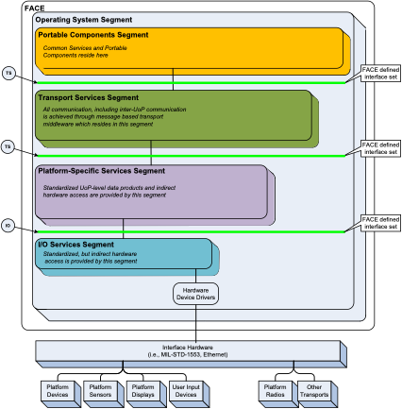
F-12 | F |  | Figure 4: FACE Reference Architecture
F-13 | N |  | 4.1 Operating System Segment
F-14 | N |  | The OSS provides and controls access to the computing platform and software environment for the other FACE segments. Access to these capabilities is provided to the other FACE segments through implementations of the OS APIs and through OSS managed configuration data. The OSS uses, as appropriate, processor control mechanisms, such as memory management units and register access controls (e.g., user versus kernel privileges) to restrict FACE segments to their required computing platform resources and operational capabilities. These processor control mechanisms permit various levels of independence between FACE segments, permitting greater portability across FACE aligned computing platforms. Whether an OSS capability executes with kernel or user privileges, the capability is still considered part of the OSS.
F-15 | N |  | The OSS requirements are defined in Section 4.1.1. The OS API standards are defined in Section 4.2.1.
F-16 | N |  | The OSS includes networking and file system capabilities adhering to published, standards-based operating system interfaces to meet basic platform requirements (Section 4.1.1). The OSS can also provide HMFM capabilities as described in Section 4.1.3.
F-17 | N |  | Other capabilities the OSS provides are:
F-18 | N |  | • An environment where conformant software capabilities may execute
F-19 | N |  | • A set of software services accessed by managed OS API sets
F-20 | H |  | 4.1.1 Operating System Segment Requirements
F-21 | H |  | 1. An OSS UoC provides support for partition, POSIX process, ARINC 653 process/POSIX thread, and memory management functionalities.
F-22 | Y | OSS | a. OSS interfaces for the Security OSS Profile shall support POSIX and ARINC 653 in accordance with Section 4.2.1.3. | Inspection | Per Referenced Section |  |  | Security Profile
F-23 | Y | OSS | b. OSS interfaces for the Safety OSS Profile shall support POSIX and ARINC 653 in accordance with Section 4.2.1.4. | Inspection | Per Referenced Section |  |  | Safety Profiles
F-24 | Y | OSS | c. OSS interfaces for the General Purpose OSS Profile shall support POSIX and ARINC 653 in accordance with Section 4.2.1.5. | Inspection | Per Referenced Section |  |  | General Purpose Profile
F-25 | Y | OSS | 2. An OSS UoC shall provide an operating system. | Inspection | UoC Designs
F-26 | H |  | 3. An OSS UoC provides support for partitioning.
F-27 | Y | OSS | a. A General Purpose Profile OSS UoC shall provide space partitioning. | Inspection | UoC Designs |  |  | General Purpose Profile
F-28 | N |  | Note: A General Purpose Profile OSS UoC may provide time partitioning.
F-29 | Y | OSS | b. A Safety Profile OSS UoC shall provide space partitioning. | Inspection | UoC Designs |  |  | Safety Profiles
F-30 | N |  | Note: Space partitioning must be used for a UoC running in the Safety Profile. When per-partition access control is used, an OSS UoC uses configuration data to enable access control.
F-31 | Y | OSS | c. A Safety Profile OSS UoC shall provide time partitioning. | Inspection | UoC Designs |  |  | Safety Profiles
F-32 | N |  | Note: Time partitioning must be used when running Safety Profile-based software components that are dependent upon an ARINC 653 operational environment.
F-33 | Y | OSS | d. A Security Profile OSS UoC shall provide space partitioning. | Inspection | UoC Designs |  |  | Security Profile
F-34 | Y | OSS | e. A Security Profile OSS UoC shall provide time partitioning. | Inspection | UoC Designs |  |  | Security Profile
F-35 | Y | OSS | 4. An OSS UoC shall use a priority preemptive scheduling algorithm across the set of POSIX threads and ARINC 653 processes associated with software components whose partitions have been assigned the same partition time window. | Inspection | Fully Tested Requirement |  |  | Time Partitioning
F-36 | N |  | Note: It is intended that when partitions are assigned to the same partition time window they are scheduled using priority preemptive scheduling.
F-37 | N |  | Note: The POSIX threads and ARINC 653 processes in these partitions may not be considered sufficiently segregated to allow qualification at different levels of criticality when allocated identical time windows.
F-38 | N |  | Note: In multicore environments, this requirement is not intended to require support for partitions concurrently executing on different cores.
F-39 | Y | OSS | 5. When an OSS UoC provides HMFM support, the UoC shall do so in accordance with Section 4.1.3. | Inspection | Per Referenced Section |  |  | HMFM
F-40 | Y | OSS | 6. When a Programming Language Run-Time is provided by an OSS UoC, the Run-Time shall be in accordance with Section 4.2.3. | Inspection | Per Referenced Section |  |  | Programming Language Run-Time
F-41 | Y | OSS | 7. When a Component Framework is provided by an OSS UoC, the Framework shall be in accordance with Section 4.2.4. | Inspection | Per Referenced Section |  |  | OSS Component Framework
F-42 | Y | OSS | 8. When Configuration Services are provided by an OSS UoC, the Services shall be in accordance with Section 4.2.5. | Inspection | Per Referenced Section |  |  | Configuration Services
F-43 | H |  | 4.1.1.1 OSS Configuration Requirements
F-44 | N |  | An OSS UoC provides support for configuration of OS characteristics.
F-45 | H |  | 1. An OSS UoC provides support for ARINC 653-defined configuration data types (XML-based schema) for allocating computing platform resources:
F-46 | Y | OSS | a. When a General Purpose Profile OSS UoC supports ARINC 653, the UoC shall support ARINC 653-defined configuration data types (XML-based schema) for allocating computing platform resources. | Inspection | Configuration Information |  |  | General Purpose Profile ARINC 653
F-47 | N |  | Note: POSIX does not define types or methods for specifying configuration.
F-48 | Y | OSS | b. A Safety Profile OSS UoC shall support ARINC 653-defined configuration data types (XML-based schema) for allocating computing platform resources. | Inspection | Configuration Information |  |  | Safety Profiles
F-49 | Y | OSS | c. A Security Profile OSS UoC shall support ARINC 653 -defined configuration data types (XML-based schema) for allocating computing platform resources. | Inspection | Configuration Information |  |  | Security Profile
F-50 | H |  | 2. An OSS UoC provides support for configuration of OS-level HMFM.
F-51 | Y | OSS | a. When a General Purpose Profile OSS UoC supports ARINC 653, the UoC shall support configuration of OS-level HMFM. | Inspection | Configuration Information |  |  | General Purpose Profile HMFM
F-52 | N |  | Note: POSIX does not define methods for specifying configuration.
F-53 | Y | OSS | b. A Safety Profile OSS UoC shall support configuration of OS-level HMFM. | Inspection | Configuration Information |  |  | Safety Profiles
F-54 | Y | OSS | c. A Security Profile OSS UoC shall support configuration of OS-level HMFM. | Inspection | Configuration Information |  |  | Security Profile
F-55 | Y | OSS | 3. An OSS UoC shall support configuration of memory regions and access to those regions. | Inspection | Configuration Information
F-56 | Y | OSS | 4. An OSS UoC shall support configuration of device driver access. | Inspection | Configuration Information
F-57 | Y | OSS | 5. An OSS UoC shall support configuration of POSIX named semaphore access. | Inspection | Configuration Information
F-58 | Y | OSS | 6. An OSS UoC shall support configuration of partitions in accordance with the defined FACE OSS Profiles. | Inspection | Configuration Information
F-59 | N |  | Note: Support for ARINC 653-defined configuration data types related to multicore is not required.
F-60 | Y | OSS | 7. An OSS UoC shall support configuration of partition time windows in accordance with the defined FACE OSS Profiles. | Inspection | Configuration Information |  |  | Time Partitioning
F-61 | Y | OSS | 8. An OSS UoC shall support configuration of inter-partition communications (i.e., between partitions) in accordance with the defined FACE OSS Profiles. | Inspection | Configuration Information
F-62 | Y | OSS | 9. An OSS UoC shall support configuration of permission to set calendar time visible to all partitions. | Inspection | Configuration Information
F-63 | H |  | Note: POSIX does not define methods for specifying configuration.
F-64 | H |  | 10. An OSS UoC provides support for network communications configuration.
F-65 | Y | OSS | a. An OSS UoC shall support the control over which partitions are authorized to bind/connect to a network communication endpoint. | Inspection | UoC Designs
F-66 | Y | OSS | b. An OSS UoC shall support the control over which partitions are authorized to receive from a network communication endpoint. | Inspection | UoC Designs
F-67 | Y | OSS | c. An OSS UoC shall support the control over which partitions are authorized to transmit to a network communication endpoint. | Inspection | UoC Designs
F-68 | H |  | 4.1.1.2 OSS File System Requirements
F-69 | N |  | An OSS UoC may provide file system support.
F-70 | H |  | 1. When an OSS UoC provides file system support, then:
F-71 | Y | OSS | a. A General Purpose Profile OSS UoC shall support configuration of a file system. | Inspection | UoC Designs |  |  | General Purpose Profile File System
F-72 | Y | OSS | b. A General Purpose Profile OSS UoC shall support data storing of buffered data. | Inspection | UoC Designs |  |  | General Purpose Profile File System
F-73 | Y | OSS | c. A General Purpose Profile OSS UoC shall support data flushing of buffered data. | Inspection | UoC Designs |  |  | General Purpose Profile File System
F-74 | Y | OSS | d. A Safety Profile OSS UoC shall support configuration of a file system. | Inspection | UoC Designs |  |  | Safety Profiles File System
F-75 | Y | OSS | e. A Safety Profile OSS UoC shall support data storing of buffered data. | Inspection | UoC Designs |  |  | Safety Profiles File System
F-76 | Y | OSS | f. A Safety Profile OSS UoC shall support data flushing of buffered data. | Inspection | UoC Designs |  |  | Safety Profiles File System
F-77 | N |  | Note: File systems are not supported by the Security Profile.
F-78 | H |  | 2. When an OSS UoC provides support for multiple file system storage elements, then:
F-79 | Y | OSS | a. A General Purpose Profile OSS UoC shall support files storage. | Inspection | UoC Designs |  |  | General Purpose Profile File System
F-80 | Y | OSS | b. A General Purpose Profile OSS UoC shall support directories storage. | Inspection | UoC Designs |  |  | General Purpose Profile File System
F-81 | Y | OSS | c. A General Purpose Profile OSS UoC shall support volumes storage. | Inspection | UoC Designs |  |  | General Purpose Profile File System
F-82 | Y | OSS | d. A Safety Profile OSS UoC shall support files storage. | Inspection | UoC Designs |  |  | Safety Profiles File System
F-83 | Y | OSS | e. A Safety Profile OSS UoC shall support directories storage. | Inspection | UoC Designs |  |  | Safety Profiles File System
F-84 | Y | OSS | f. A Safety Profile OSS UoC shall support volumes storage. | Inspection | UoC Designs |  |  | Safety Profiles File System
F-85 | N |  | Note: There may be multiple file system types available in the implementation to different hardware devices with different attributes for access rights, support for time and space partitioning, authentication, and integrity.
F-86 | N |  | Note: File systems are not supported by the Security Profile.
F-87 | H |  | 3. An OSS UoC supports the ability to allocate read and write access permissions of volumes to specific partitions (i.e., no default access permissions) when an OSS UoC provides file system support.
F-88 | Y | OSS | a. A General Purpose Profile OSS UoC shall support individual configuration of read and write access permission settings for each partition to each volume. | Inspection | UoC Designs |  |  | General Purpose Profile File System
F-89 | Y | OSS | b. When supporting multiple POSIX processes, a General Purpose Profile OSS UoC shall support individual configuration of execute access permission settings for each partition to each volume. | Inspection | UoC Designs |  |  | General Purpose Profile File System Multiple POSIX Processes
F-90 | Y | OSS | c. A Safety Profile OSS UoC shall support configuration of read-access permission settings for each partition to each volume. | Inspection | UoC Designs |  |  | Safety Profiles File System
F-91 | Y | OSS | d. A Safety Profile OSS UoC shall support configuration of permission settings such that at most one partition has write access to each volume. | Inspection | UoC Designs |  |  | Safety Profiles File System
F-92 | N |  | Note: Restriction to at most one partition is per ARINC 653 Part 2.
F-93 | Y | OSS | e. When supporting multiple POSIX processes, a Safety Extended Sub-profile OSS UoC shall support configuration of execute access permission settings for each partition to each volume. | Inspection | UoC Designs |  |  | Safety Extended Sub-Profile File System Multiple POSIX Processes
F-94 | N |  | Note: Execute permissions are in support of the creation of multiple POSIX processes which is not required in the Safety Base Sub-profile and is optional in the Safety Extended Sub-profile.
F-95 | N |  | Note: File systems are not supported by the Security Profile.
F-96 | H |  | 4. When an OSS UoC provides support for portable data media, then:
F-97 | Y | OSS | a. A General Purpose Profile OSS UoC shall support mounting data media and/or insertion/mounting of portable data media. | Inspection | UoC Designs |  |  | General Purpose Profile Portable Media
F-98 | Y | OSS | b. A Safety Profile OSS UoC shall support mounting data media and/or insertion/mounting of portable data media. | Inspection | UoC Designs |  |  | Safety Profiles Portable Media
F-99 | N |  | Note: File systems are not supported by the Security Profile.
F-100 | H |  | 5. When an OSS UoC provides support for atomic file updates, then:
F-101 | Y | OSS | a. A General Purpose Profile OSS UoC shall support atomically updated data blocks (i.e., the data block is ensured to be completely saved in non-volatile storage or, if interrupted, none of the data block is saved). | Inspection | Fully Tested Requirement |  |  | General Purpose Profile File System
F-102 | Y | OSS | b. A Safety Profile OSS UoC shall support atomically updated data blocks (i.e., the data block is ensured to be completely saved in non-volatile storage or, if interrupted, none of the data block is saved). | Inspection | Fully Tested Requirement |  |  | Safety Profiles File System
F-103 | N |  | Note: This capability ensures consistency of the stored blocks of data.
F-104 | N |  | Note: File systems are not supported by the Security Profile.
F-105 | H |  | 4.1.1.3 OSS POSIX Clock Requirements
F-106 | N |  | An OSS UoC provides support for POSIX clocks.
F-107 | Y | OSS | 1. An OSS UoC shall support the POSIX Monotonic Clock option (CLOCK_MONOTONIC), including setting absolute and relative timers on this clock. | Inspection | Fully Tested Requirement
F-108 | Y | OSS | 2. An OSS UoC shall support clock read-access based POSIX CLOCK_REALTIME clock (calendar-based clock time). | Inspection | Fully Tested Requirement
F-109 | Y | OSS | 3. An OSS UoC shall support setting a relative timer-based POSIX CLOCK_REALTIME clock (calendar-based clock time). | Inspection | Fully Tested Requirement
F-110 | Y | OSS | 4. An OSS UoC shall support clock time write access for POSIX CLOCK_REALTIME clock value under the constraint that configuration data specifies the partition is authorized to set the clock time (using the clock_settime() API). | Inspection | Fully Tested Requirement
F-111 | N |  | Note: The time value set by one partition becomes visible to all other partitions. The timezone value set by one POSIX process using the tzset() or setenv() APIs is local to that POSIX process.
F-112 | Y | OSS | 5. An OSS UoC shall return an error when a software component attempts to set an absolute timer on the POSIX CLOCK_REALTIME clock. | Inspection | Fully Tested Requirement
F-113 | N |  | Note: The behavior is necessary (e.g., to prevent backwards and forwards shifts in sequential timers) due to the setting of POSIX_CLOCK_REALTIME clock impacting all partitions.
F-114 | H |  | 4.1.1.4 OSS Networking Requirements
F-115 | N |  | An OSS UoC may provide support for an IP-based network stack.
F-116 | H |  | 1. When an OSS UoC provides an IP-based network stack, then:
F-117 | Y | OSS | a. A General Purpose Profile OSS UoC shall provide support for an IP-based network stack as defined by the IETF Requests for Comments (RFCs) listed in Table 38 and Table 39 shown in Section A.4. | Inspection | Referenced Standards |  |  | General Purpose Profile Network Implementation
F-118 | Y | OSS | b. A Safety Extended Sub-profile OSS UoC shall provide support for an IP-based network stack as defined by the RFCs listed in Table 38 and Table 39 shown in Section A.4. | Inspection | Referenced Standards |  |  | Safety Extended Sub-Profile Network Implementation
F-119 | Y | OSS | c. A Safety Base Sub-profile OSS UoC shall provide support for an IP-based network stack as defined by the RFCs listed in Table 38 shown in Section A.4. | Inspection | Referenced Standards |  |  | Safety Base Sub-Profile Network Implementation
F-120 | Y | OSS | d. A Security Profile OSS UoC shall provide support for an IP-based network stack as defined by the RFCs listed in Table 38 shown in Section A.4. | Inspection | Referenced Standards |  |  | Security Profile Network Implementation
F-121 | N |  | Note: There are RFCs applicable to security. Requirements for those RFCs are outside the scope of this standard.
F-122 | Y | OSS | 2. When providing IPv6 networking capabilities, an OSS UoC shall provide the networking capabilities per the RFCs referenced in Table 40 shown in Section A.4. | Inspection | Referenced Standards |  |  | Network Implementation
F-123 | Y | OSS | 3. When providing an integrated IPv4/IPv6 network transition mechanism, an OSS UoC shall provide the network transition mechanism per the RFCs referenced in Table 41 shown in Section A.4. | Inspection | Referenced Standards |  |  | Network Implementation
F-124 | H |  | 4.1.2 OSS UoC Life Cycle Management Services Interface Requirements
F-125 | N |  | An OSS UoC is not required to provide an LCM Services Interface.
F-126 | N |  | 4.1.3 OSS Health Monitoring and Fault Management
F-127 | N |  | The purpose of the FACE OSS Health Monitoring and Fault Management (HMFM) software component is to provide standardized methods for detecting, reporting, and handling faults and failures within the scope of a single system or platform. The basic goals of OSS HMFM include:
F-128 | N |  | • Detecting and handling faults and errors that occur during run-time
F-129 | N |  | • Detecting and handling faults and errors at the ARINC 653 process (i.e., POSIX thread), partition, and module (i.e., platform) levels
F-130 | N |  | • Providing the flexibility to enable system designers to control the appropriate level of HMFM capabilities given the desired design objectives
F-131 | N |  | Faults and errors can arise from any software component, including the OSS and the OSS HMFM.
F-132 | N |  | 4.1.3.1 HMFM Introduction
F-133 | N |  | Figure 5 depicts a fault management cycle state machine that provides a framework for an overall HMFM capability.
F-134 | F |  | 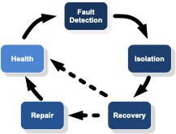
F-135 | F |  | Figure 5: Fault Management Cycle State Machine
F-136 | N |  | The overall HMFM goal is to eliminate service outages through an HMFM system that is aware of the occurrence of faults and errors that occur during run-time. Upon detection of a fault or error, the HMFM cycle is engaged to direct the system back to a healthy state or to some fail-safe state. This direction is controlled by pre-configured Fault Management (FM) policies. Given a start state of a healthy system, management of a real fault (i.e., not a false alarm) can cycle through the FM state machine diagram as follows:
F-137 | N |  | • Fault detection state – a fault or error is detected and declared by HMFM when some defined fault criteria have been met and thus promoted to “fault” status; such faults and errors can originate from any segment within the scope of a system
F-138 | N |  | • Fault isolation state – HMFM determines the scope of a fault or error given the particular source of the fault or error
F-139 | N |  | • Fault recovery state – HMFM enforces a fault recovery policy; this policy can result in:
F-140 | N |  | ◦ Full re-establishment of system health resulting in continued service availability
F-141 | N |  | ◦ Partial re-establishment of system health (e.g., shutdown a partition but permit other partitions to continue to execute)
F-142 | N |  | ◦ Transition to a fail-safe state
F-143 | N |  | ◦ Attempt a repair action (when supported)
F-144 | N |  | • Fault repair state – when supported and configured, HMFM restores (e.g., performs a hot-swap) a capability that was impacted by a fault back to a healthy state and then re-integrates the capability back into the system
F-145 | N |  | • Health – the operational state of a system with functional HMFM
F-146 | N |  | Parts or all of the HMFM fault management cycle capabilities may be relevant to a particular design.
F-147 | H |  | 4.1.3.2 OSS HMFM Requirements
F-148 | N |  | An OSS UoC supports HMFM capability requirements that include scope, functional capabilities, and configuration properties.
F-149 | H |  | 1. An OSS UoC supports HMFM capabilities based on the OSS Profiles.
F-150 | Y | OSS | a. A Security Profile OSS UoC shall provide the HMFM capability in accordance with requirements in Section 4.2.1.3. | Inspection | Per Referenced Section |  |  | Security Profile
F-151 | Y | OSS | b. A Safety Profile OSS UoC shall provide the HMFM capability in accordance with requirements in Section 4.2.1.4. | Inspection | Per Referenced Section |  |  | Safety Profiles
F-152 | Y | OSS | c. When a General Purpose Profile OSS UoC provides HMFM capabilities, the UoC shall provide the HMFM capability according to the requirements in Section 4.2.1.5. | Inspection | Per Referenced Section |  |  | General Purpose Profile HMFM
F-153 | H |  | 2. An OSS UoC includes Health Monitor (HM) capabilities at the module level (i.e., computing platform level), partition-level, and thread-level.
F-154 | Y | OSS | a. Module-level HM capabilities shall include the ability to idle the module. | Inspection | UoC Designs |  |  | HMFM
F-155 | Y | OSS | b. Module-level HM capabilities shall include the ability to restart the module. | Inspection | UoC Designs |  |  | HMFM
F-156 | Y | OSS | c. Partition-level HM capabilities shall include the ability to idle the partition. | Inspection | UoC Designs |  |  | HMFM
F-157 | Y | OSS | d. Partition-level HM capabilities shall include the ability to restart the partition. | Inspection | UoC Designs |  |  | HMFM
F-158 | N |  | Note: These capabilities are controlled using configuration data managed directly by an OSS UoC.
F-159 | N |  | Note: Thread-level HM runs in the context of a partition-specific error handler that is included as part of the software component. Thread-level HM can invoke the OS APIs available in this context.
F-160 | H |  | 3. An OSS UoC supports HMFM types and services that can be used by other UoCs.
F-161 | Y | OSS | a. The HMFM capability shall implement ARINC 653 Part 1 Health Monitoring Types and Health Monitoring Services capabilities for use by FACE ARINC 653-based UoCs. | Test | Test Suite |  |  | HMFM ARINC 653
F-162 | Y | OSS | b. The HMFM capability shall implement FACE HMFM Types and APIs defined in Section 4.2.2 and Appendix F for use by FACE POSIX based UoCs. | Test | Test Suite |  |  | HMFM
F-163 | Y | OSS | 4. The HMFM capability shall be initialized at system start-up. | Inspection | UoC Designs |  |  | HMFM
F-164 | Y | OSS | 5. The HMFM capability shall provide monitoring to detect faults/errors. | Inspection | UoC Designs |  |  | HMFM
F-165 | Y | OSS | 6. The HMFM capability shall execute response and recovery actions for detected faults/errors as configured. | Inspection | UoC Designs |  |  | HMFM
F-166 | N |  | 4.2 Operating System Segment Interface
F-167 | N |  | The OSS Interface provides a standardized means for software to use the services within the operating system and other capabilities related to the OSS. This interface is provided by software in the OSS to software in other segments.
F-168 | N |  | Section 4.2.1 describes the POSIX and ARINC 653 make-up of the OSS Interface for each profile. The profiles are separated into General Purpose, Safety, and Security. The Safety Profile contains two Sub-profiles referred to as Safety Base and Safety Extended. Section 4.2.2 describes the Interface to the Health Monitoring and Fault Management (HMFM) capability for both POSIX and ARINC 653-based implementations. Section 4.2.3 describes constraints on programming language features and run-times that are deployed as part of an OSS UoC. Section 4.2.4 describes constraints on Component Frameworks that are deployed as part of an OSS UoC. Section 4.2.5 describes the Configuration Services which are available for UoCs to utilize. Programming Language Run-Times, Component Frameworks, and Configuration Services that do not use the FACE Standardized Interfaces can be used in FACE conformant solutions only when included as part of an OSS UoC. Figure 6 shows multiple Run-Times and Component Frameworks that use non-standardized FACE Interfaces on the “Bottom side” while still providing aligned FACE Interfaces.
F-169 | F |  | 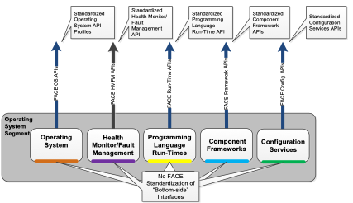
F-170 | F |  | Figure 6: Operating System Segment Interfaces
F-171 | N |  | The software resources (e.g., bottom-side interfaces) used by Operating Systems, Programming Language Run-Times, Life Cycle, Component Frameworks, and Configuration Services are expected to vary and are not prescribed or otherwise controlled by the FACE Technical Standard. As an example, Operating Systems are often fielded on computing hardware with different Board Support Packages (BSPs). Operating Systems may use device drivers to abstract differences between hardware devices.
F-172 | N |  | The number of Programming Language Run-Times and Component Frameworks is not prescribed by the FACE Technical Standard. The use of Programming Language Run-Times and/or Component Frameworks is optional. It may be necessary to have distinct instances of Programming Language Run-Times and/or Component Frameworks in different partitions to support safety and security.
F-173 | N |  | Operating Systems, Programming Language Run-Times, and Component Frameworks provide an environment for the collaborative execution of software components, as depicted in Figure 6.
F-174 | N |  | 4.2.1 Operating System Interface
F-175 | N |  | OSS UoCs provide POSIX and ARINC 653-based operating environments and API subsets based on the following profile requirements.
F-176 | N |  | FACE OS APIs correspond to the General Purpose, Safety, and Security Profiles.
F-177 | N |  | The POSIX and ARINC 653 standards include Ada and C language bindings for the OS APIs included in the OSS Profiles. The C language header files for the POSIX and ARINC 653 APIs may be compatible for direct use by C++ based software components. Bindings for Java may be provided by other means such as by a compiler vendor or the development of a standard that defines a binding. Appendix A details the POSIX API required for each OSS Profile, including the identification of the multi-process POSIX APIs.
F-178 | N |  | Partitions and POSIX processes execute software components designed for one of the FACE OSS Profiles.
F-179 | N |  | Partitions may use a different operational environment (POSIX or ARINC 653). Each partition uses either a POSIX or an ARINC 653 operational environment.
F-180 | N |  | A computing platform may simultaneously support partitions of different OSS Profiles and operational environments. The FACE Technical Standard recognizes the APIs associated with the General Purpose, Safety, and Security Profiles provide divergent capabilities. The divergence of these capabilities may prevent or represent considerable safety or security risks, including simultaneous hosting of General Purpose, Safety, and Security Profile OSS UoCs on the same computing platform. When system requirements include software components of different OSS Profiles, the use of multiple computing platforms may be required. Other architectural capabilities (e.g., virtualization), if supported by the processor and OS selected by the system integrator, may provide other means to simultaneously host on the same computing platform software components which are using different FACE OSS Profiles.
F-181 | N |  | Based on the profile and operating environment, OSS UoCs provide support for ARINC 653 sampling ports, ARINC 653 queuing ports, and POSIX sockets to be used for inter-partition communications (i.e., the lower-layer transport mechanism that can be used by other FACE standardized interface software libraries).
F-182 | N |  | A UoC designed to the General Purpose Profile, when communicating with UoCs designed to the Security and/or Safety Profile, uses the same restricted inter-partition communications as a UoC designed to the Security and/or Safety Profile. A UoC designed to the General Purpose Profile, if communicating to another UoC designed to the General Purpose Profile, may use additional sockets services (if supported by the transport mechanism).
F-183 | N |  | 4.2.1.1 Operating System Segment Profiles
F-184 | N |  | This section summarizes the OSS Interface characteristics for the General Purpose, Safety, and Security Profiles. These characteristics are based on support of APIs and OS capabilities defined in the ARINC 653 and POSIX standards.
F-185 | N |  | The referenced ARINC 653 standards for all OSS Profiles include API and OS support for utilizing multiple processor cores to concurrently schedule multiple ARINC 653 processes within a partition based on an ARINC 653 operating environment. When a computing platform basis includes multiple equivalent processing cores, the supported APIs provide a means to control how ARINC 653 processes are concurrently scheduled on the processor cores allocated to the partition.
F-186 | N |  | The OS configuration data includes a means to control the number of cores available to each partition. A partition allocated a single processor core of a multicore processor has the same ARINC 653 scheduling characteristics the partition would have when running on a single-core processor.
F-187 | H |  | 4.2.1.2 Operating System Interface Profile Requirements
F-188 | N |  | For General Purpose and Safety Extended POSIX implementations:
F-189 | Y | OSS | 1. An OSS UoC implementing POSIX shall support via setsockopt() the configuration of: a. A TCP socket such that small packets are not delayed (TCP_NODELAY) | Inspection | Fully Tested Requirement |  |  | General Purpose Profile Safety Extended Sub-Profile
F-190 | Y | OSS | 2. An OSS UoC shall provide the following configuration information via getsockopt() for the specified socket: a. The TCP small packet delay characteristics for a socket (TCP_NODELAY). | Inspection | Fully Tested Requirement |  |  | General Purpose Profile Safety Extended Sub-Profile
F-191 | N |  | For General Purpose, Safety, and Security Profile ARINC 653 implementations:
F-192 | Y | OSS | 1. An OSS UoC implementing ARINC 653 shall provide messages to UoCs in the order they are received. | Inspection | UoC Designs |  |  | ARINC 653
F-193 | Y | OSS | 2. An OSS UoC implementing ARINC 653 shall support delivery of available messages. | Inspection | UoC Designs |  |  | ARINC 653
F-194 | Y | OSS | 3. An OSS UoC implementing ARINC 653 shall support receipt of complete messages. | Inspection | UoC Designs |  |  | ARINC 653
F-195 | N |  | Note: No silently truncated messages.
F-196 | Y | OSS | 4. An OSS UoC implementing ARINC 653 shall support sending messages on an ARINC 653 port and receiving the same messages in another partition using an ARINC 653 port. | Inspection | UoC Designs |  |  | ARINC 653
F-197 | N |  | For General Purpose, Safety, and Security Profile POSIX implementations:
F-198 | Y | OSS | 1. An OSS UoC implementing POSIX shall provide messages to UoCs in the order they are received. | Inspection | UoC Designs
F-199 | Y | OSS | 2. An OSS UoC implementing POSIX shall support delivery of available messages. | Inspection | UoC Designs
F-200 | Y | OSS | 3. An OSS UoC implementing POSIX shall support receipt of complete messages. | Inspection | UoC Designs
F-201 | N |  | Note: No silently truncated messages.
F-202 | Y | OSS | 4. An OSS UoC implementing POSIX shall support sending messages on POSIX sockets and receiving the same messages in another partition using POSIX sockets. | Inspection | UoC Designs
F-203 | Y | OSS | 5. An OSS UoC implementing POSIX shall support blocking on an empty socket (receive). | Inspection | UoC Designs
F-204 | Y | OSS | 6. An OSS UoC implementing POSIX shall support blocking on a full socket (transmit). | Inspection | UoC Designs
F-205 | Y | OSS | 7. An OSS UoC implementing POSIX shall support via setsockopt() the configuration of: a. The size of the space reserved for a socket’s receive buffer (e.g., SO_RCVBUF) b. The size of the space reserved for a socket’s transmit buffer (e.g., SO_SNDBUF) c. The multicast characteristics for a socket | Inspection | UoC Designs |  | This requirement may be verified with test cases and test results for setsockopt() and the described behavior en lieu of UoC Design.
F-206 | N |  | Note: Multicast characteristics that can be configured on a per socket per partition basis are: IP_MULTICAST_IF, IP_MULTICAST_TTL, IP_MULTICAST_LOOP, IP_ADD_MEMBERSHIP, IP_DROP_MEMBERSHIP, SO_REUSEADDR.
F-207 | N |  | Note: The ip_mreq structure is supported to provide a means to add and drop multicast group memberships.
F-208 | Y | OSS | 8. An OSS UoC shall limit based on configuration: a. Socket maximum receive message size b. Socket maximum transmit message size | Inspection | Fully Tested Requirement
F-209 | Y | OSS | 9. An OSS UoC shall provide the following configuration information via getsockopt() for the specified socket: a. The size of the space reserved for a socket’s receive buffer (e.g., SO_RCVBUF) b. The size of the space reserved for a socket’s transmit buffer (e.g., SO_SNDBUF) c. The multicast characteristics for a socket | Inspection | Fully Tested Requirement
F-210 | N |  | Note: A socket may have multiple multicast group memberships set for it. The getsockopt() API does not provide a means to retrieve a socket’s multicast group memberships. All other characteristics can be obtained.
F-211 | Y | OSS | 10. An OSS UoC shall define: a. A macro in <sys/ioctl.h> named FIONBIO to configure sockets for non-blocking I/O b. A macro in <devctl.h> named SOCKCLOSE to close an open socket | Test | Test Suite
F-212 | Y | OSS | 11. An OSS UoC shall provide: a. The FIONBIO command in the posix_devctl() API defined in Section A.1 b. The SOCKCLOSE command in the posix_devctl() API defined in Section A.1 | Test | Test Suite
F-213 | H |  | 4.2.1.3 Security Profile API Requirements
F-214 | Y | OSS | 1. A Security Profile OSS UoC shall support ARINC 653 and POSIX. | Inspection | UoC Designs |  |  | Security Profile
F-215 | Y | OSS | 2. A Security Profile OSS UoC shall provide the following ARINC 653 APIs for use in an ARINC 653 operational environment: a. ARINC 653 Part 1 – all services associated with Avionics Application Software Standard Interface Part 1 – Required Services i. For platforms that support multicore partitions, all services from ARINC 653 Part 1-4 (Part 1, Supplement 4, August 2015) ii. For platforms that support only single core partitions, all services from ARINC 653 Part 1-3 (Part 1, Supplement 3, November 2010) or ARINC 653 Part 1-4 (Part 1, Supplement 4, August 2015) b. Services associated with the following categories of Avionics Application Software Standard Interface Part 2 – Extended Services: i. Memory Blocks | Test | Test Suite |  |  | Security Profile
F-216 | N |  | Note: All other Part 2 services are intentionally excluded from the Security Profile.
F-217 | N |  | Note: OSS UoCs are permitted to include additional ARINC 653 APIs outside of the profile. Software components are restricted to using only the APIs defined as being part of the profile.
F-218 | Y | OSS | 3. A Security Profile OSS UoC shall provide the POSIX APIs defined in Section A.1 and Section A.3 for the Security Profile for use in a POSIX operational environment. | Test | Test Suite |  |  | Security Profile
F-219 | Y | OSS | 4. A Security Profile OSS UoC for a POSIX operational environment shall support mutex operations (e.g., pthread_mutexattr_setprotocol() API) with priority protect protocol (_POSIX_THREAD_PRIO_PROTECT). | Inspection | UoC Designs |  |  | Security Profile
F-220 | Y | OSS | 5. A Security Profile OSS UoC for a POSIX operational environment shall support memory mapping operations (e.g., mmap() API) with shared memory objects (_POSIX_SHARED_MEMORY_OBJECTS). | Inspection | UoC Designs |  |  | Security Profile
F-221 | Y | OSS | 6. A Security Profile OSS UoC for a POSIX operational environment shall include support for use of ARINC 653 sampling and queueing ports for inter-partition communications. | Inspection | UoC Designs |  |  | Security Profile
F-222 | Y | OSS | 7. A Security Profile OSS UoC for a POSIX operational environment shall include support for the Health Monitoring APIs defined in Section 4.2.2 to communicate with an ARINC 653 Health Monitor. | Inspection | Referenced Standards |  |  | Security Profile
F-223 | H |  | 4.2.1.4 Safety Profile API Requirements
F-224 | Y | OSS | 1. A Safety Profile OSS UoC shall support ARINC 653 and POSIX. | Inspection | UoC Designs |  |  | Safety Profiles
F-225 | Y | OSS | 2. A Safety Profile OSS UoC shall provide the following ARINC 653 APIs for use in an ARINC 653 operational environment: a. ARINC 653 Part 1 — all services associated with Avionics Application Software Standard Interface Part 1 — Required Services: i. For platforms that support multicore partitions, all services from ARINC 653 Part 1-4 (Part 1, Supplement 4, August 2015) ii. For platforms that support only single core partitions, all services from ARINC 653 Part 1-3 (Part 1, Supplement 3, November 2010) or ARINC 653 Part 1-4 (Part 1, Supplement 4, August 2015) b. Services associated with the following categories of Avionics Application Software Standard Interface Part 2 — Extended Services: i. File System ii. Sampling Port Extensions iii. Memory Blocks iv. Multiple Module Schedules | Test | Test Suite |  |  | Safety Profiles
F-226 | N |  | Note: All other Part 2 services, including Logbooks and Multiple Processor Core Extensions, are intentionally excluded. File system services can be used instead of Logbooks.
F-227 | N |  | Note: FACE OSS UoCs are permitted to include additional ARINC 653 APIs outside of the profile. Software components are restricted to using only the APIs defined as being part of the profile.
F-228 | Y | OSS | 3. A Safety Profile OSS UoC for a POSIX operational environment shall support mutex operations (e.g., pthread_mutexattr_setprotocol() API) with priority protect protocol (_POSIX_THREAD_PRIO_PROTECT). | Inspection | UoC Designs |  |  | Safety Profiles
F-229 | Y | OSS | 4. A Safety Profile OSS UoC for a POSIX operational environment shall support memory mapping operations (e.g., mmap() API) with shared memory objects (_POSIX_SHARED_MEMORY_OBJECTS). | Inspection | UoC Designs |  |  | Safety Profiles
F-230 | Y | OSS | 5. A Safety Profile OSS UoC for a POSIX operational environment shall include support for use of ARINC 653 sampling and queueing ports for inter-partition communications. | Inspection | UoC Designs |  |  | Safety Profiles
F-231 | Y | OSS | 6. A Safety Profile OSS UoC for a POSIX operational environment shall include support for the Health Monitoring APIs defined in Section 4.2.2 to communicate with an ARINC 653 Health Monitor. | Inspection | Referenced Standards |  |  | Safety Profiles
F-232 | H |  | 4.2.1.4.1 Safety Base Sub-Profile API Requirements
F-233 | Y | OSS | 1. A Safety Base Sub-profile OSS UoC shall provide the POSIX APIs defined in Section A.1 and Section A.3 for the Safety Base Sub-profile. | Test | Test Suite |  |  | Safety Base Sub-Profile
F-234 | Y | OSS | 2. A Safety Base Sub-profile OSS UoC shall provide the FD_CLR(), FD_ISSET(), FD_SET(), FD_ZERO(), and select() APIs for use with sockets. | Inspection Test | UoC Designs Test Suite |  | The Test Suite checks the functions are provided. UoC Designs is needed to show select() can be used with sockets. Test cases and test results for the described behavior of select() can be used en lieu of UoC Design. For Non-OSS UoCs, the CTS will flag any usage of these functions. The Software Supplier provides documentation showing appropriate usage of the functions for each flagged instance. | Safety Base Sub-Profile
F-235 | Y | OSS | 3. A Safety Base Sub-profile OSS UoC shall provide message queue support within a partition only (i.e., if not an inter-partition communications mechanism). | Inspection | UoC Designs |  |  | Safety Base Sub-Profile
F-236 | H |  | 4.2.1.4.2 Safety Extended Sub-Profile API Requirements
F-237 | Y | OSS | 1. A Safety Extended OSS UoC implementation shall provide the POSIX APIs defined in Section A.1 marked as “INCL” and Section A.3 for the Safety Extended Sub-profile. | Test | Test Suite |  | Per CR 605, sched_getparam(), sched_setparam(), sched_getscheduler(), and sched_setscheduler() are not required to be provided by the OSS UoC unless multiple processes are supported. | Safety Extended Sub-Profile
F-238 | N |  | Note: The Safety Extended Sub-profile includes all of the Safety Base Sub-profile OS POSIX APIs.
F-239 | Y | OSS | 2. When supporting multiple POSIX processes, a Safety Extended OSS UoC implementation shall provide the multi-process POSIX APIs defined in Section A.1 marked as “MP” for the Safety Extended Sub-profile. | Test | Test Suite |  | Per CR 605, sched_getparam(), sched_setparam(), sched_getscheduler(), and sched_setscheduler() should also be marked as "MP". | Safety Extended Sub-Profile Multiple POSIX Processes
F-240 | Y | OSS | 3. A Safety Extended Sub-profile OSS UoC shall provide FD_CLR(), FD_ISSET(), FD_SET(), FD_ZERO(), and select() for use with sockets. | Inspection Test | UoC Designs Test Suite |  | The Test Suite checks the functions are provided. UoC Designs is needed to show select() can be used with sockets. Test cases and test results for the described behavior of select() can be used en lieu of UoC Design. For Non-OSS UoCs, the CTS will flag any usage of these functions. The Software Supplier provides documentation showing appropriate usage of the functions for each flagged instance. | Safety Extended Sub-Profile
F-241 | H |  | 4.2.1.5 General Purpose Profile API Requirements
F-242 | Y | OSS | 1. A General Purpose Profile OSS UoC shall provide the POSIX APIs defined in Section A.1 marked as “INCL” and Section A.3 for the General Purpose Profile. | Test | Test Suite |  | Per CR 603, confstr() is no longer required to be provided and should not be tested by the CTS. Per CR 605, sched_getparam(), sched_setparam(), sched_getscheduler(), and sched_setscheduler() are not required to be provided by the OSS UoC unless multiple processes are supported. | General Purpose Profile
F-243 | Y | OSS | 2. When supporting multiple POSIX processes, a General Purpose Profile OSS UoC implementation shall provide the multi-process POSIX APIs defined in Section A.1 marked as “MP” for the General Purpose Profile. | Test | Test Suite |  | Per CR 605, sched_getparam(), sched_setparam(), sched_getscheduler(), and sched_setscheduler() should also be marked as "MP". | General Purpose Profile Multiple POSIX Processes
F-244 | Y | OSS | 3. A General Purpose Profile OSS UoC shall provide FD_CLR(), FD_ISSET(), FD_SET(), FD_ZERO(), and select() for use with sockets. | Inspection Test | UoC Designs Test Suite |  | The Test Suite checks the functions are provided. UoC Designs is needed to show select() can be used with sockets. Test cases and test results for the described behavior of select() can be used en lieu of UoC Design. For Non-OSS UoCs, the CTS will flag any usage of these functions. The Software Supplier provides documentation showing appropriate usage of the functions for each flagged instance. | General Purpose Profile
F-245 | Y | OSS | 4. When providing ARINC 653, a General Purpose Profile OSS UoC shall provide the following ARINC 653 APIs: a. All services associated with Avionics Application Software Standard Interface Part 1 — Required Services: i. For platforms that support multicore partitions, all services from ARINC 653 Part 1-4 (Part 1, Supplement 4, August 2015) ii. For platforms that support only single core partitions, all services from ARINC 653 Part 1-3 (Part 1, Supplement 3, November 2010) or ARINC 653 Part 1-4 (Part 1, Supplement 4, August 2015) b. Services associated with Avionics Application Software Standard Interface Part 2 — Extended Services: i. File System ii. Sampling Port Extensions iii. Memory Blocks iv. Multiple Module Schedules | Test | Test Suite |  |  | General Purpose Profile ARINC 653
F-246 | N |  | Note: All other Part 2 services, including Logbooks and Multiple Processor Core Extensions, are intentionally excluded. File system services can be used instead of Logbooks.
F-247 | Y | OSS | 5. When supporting ARINC 653, a General Purpose Profile OSS UoC shall include support for use of ARINC 653 sampling and queueing ports for inter-partition communication. | Inspection | UoC Designs |  |  | General Purpose Profile ARINC 653
F-248 | Y | OSS | 6. When an ARINC 653 Health Monitor is used, a General Purpose Profile OSS UoC for a POSIX operational environment shall include support for the Health Monitoring APIs defined in Section 4.2.2 to communicate with an ARINC 653 Health Monitor. | Inspection | Referenced Standards |  |  | General Purpose Profile HMFM
F-249 | H |  | 4.2.2 Operating System HMFM Interface Requirements
F-250 | N |  | This section contains the interface requirements for an OSS UoC HMFM functions used to support POSIX operational environments.
F-251 | N |  | ARINC 653 operational environments include services for OSS UoC HMFM as part of the required API and operational support. As such, the requirements in the following subsections are applicable only to POSIX operational environments.
F-252 | N |  | For the General Purpose Profile, support for HMFM interfaces is optional. Support for POSIX HMFM can depend upon support for ARINC 653 operational environments.
F-253 | N |  | The scope of the POSIX HMFM interfaces is the partition (i.e., POSIX process) boundary.
F-254 | H |  | 4.2.2.1 Initialize(HMFM) Function Requirements
F-255 | Y | OSS | 1. The Initialize(HMFM) function shall initialize the HMFM POSIX implementation for the current POSIX process. | Inspection | Fully Tested Requirement |  |  | HMFM
F-256 | Y | OSS | 2. The Initialize(HMFM) function shall return one of the return codes as specified in Section F.2.1. | Inspection | Fully Tested Requirement |  |  | HMFM
F-257 | H |  | 4.2.2.2 Report_Application_Message(HMFM) Function Requirements
F-258 | Y | OSS | 1. The Report_Application_Message(HMFM) function shall send a message to the HM function. | Inspection | Fully Tested Requirement |  |  | HMFM
F-259 | N |  | Note: Means to retrieve messages sent to the HM function are OS-specific.
F-260 | Y | OSS | 2. The Report_Application_Message(HMFM) function shall return one of the return codes specified in Section F.2.2. | Inspection | Fully Tested Requirement |  |  | HMFM
F-261 | H |  | 4.2.2.3 Create_Fault_Handler(HMFM) Function Requirements
F-262 | Y | OSS | 1. The Create_Fault_Handler(HMFM) function shall register a partition-specific fault handler invoked in the event of thread-level faults detected by the OS. | Inspection | Fully Tested Requirement |  |  | HMFM
F-263 | Y | OSS | 2. The Create_Fault_Handler(HMFM) function shall register a partition-specific fault handler invoked in the event of thread-level faults raised by the software component. | Inspection | Fully Tested Requirement |  |  | HMFM
F-264 | Y | OSS | 3. The Create_Fault_Handler(HMFM) function shall return one of the return codes as specified in Section F.2.3. | Inspection | Fully Tested Requirement |  |  | HMFM
F-265 | Y | OSS | 4. The Create_Fault_Handler(HMFM) function shall activate partition-specific fault handling when the function call is successful. | Inspection | Fully Tested Requirement |  |  | HMFM
F-266 | N |  | Note: POSIX operational environments do not include a concept of initialization and operational phases present in an ARINC 653 operational environment. As such, POSIX process-level fault handling becomes active (i.e., available to be scheduled) as part of a successful function call to create it.
F-267 | H |  | 4.2.2.4 Get_Fault_Status(HMFM) Function Requirements
F-268 | Y | OSS | 1. The Get_Fault_Status(HMFM) function shall return status information related to a detected fault that has been configured to be handled as a thread-level fault. | Inspection | Fully Tested Requirement |  |  | HMFM
F-269 | Y | OSS | 2. The Get_Fault_Status(HMFM) function shall return one of the return codes specified in Section F.2.4. | Inspection | Fully Tested Requirement |  |  | HMFM
F-270 | Y | OSS | 3. The fault status referenced by the fault parameter shall contain information regarding the fault when the function call is successful. | Inspection | Fully Tested Requirement |  |  | HMFM
F-271 | Y | OSS | 4. The POSIX thread ID shall be reported for ARINC 653 Part 1 FAILED_PROCESS_ID. | Inspection | Fully Tested Requirement |  |  | HMFM
F-272 | H |  | 4.2.2.5 Raise_Application_Fault(HMFM) Function Requirements
F-273 | Y | OSS | 1. The Raise_Application_Fault(HMFM) function shall raise the reported application fault to the thread-level fault handler when a thread-level error handler has been defined and the interface was not invoked by the thread-level error handler. | Inspection | Fully Tested Requirement |  |  | HMFM
F-274 | Y | OSS | 2. The Raise_Application_Fault(HMFM) function shall raise the reported application fault to partition HM when a thread-level error handler has not been defined or the interface was invoked by the thread-level error handler. | Inspection | Fully Tested Requirement |  |  | HMFM
F-275 | Y | OSS | 3. The Raise_Application_Fault(HMFM) function shall return one of the return codes specified in Section F.2.5. | Inspection | Fully Tested Requirement |  |  | HMFM
F-276 | Y | OSS | 4. The Raise_Application_Fault(HMFM) function shall cause the thread-level fault handler to be scheduled when the function call is successful, the thread-level error handler was defined, and the function interface was not invoked by the thread-level error handler. | Inspection | Fully Tested Requirement |  |  | HMFM
F-277 | N |  | 4.2.3 Programming Language Run-Time
F-278 | N |  | 4.2.3.1 Programming Language Run-Time Description
F-279 | N |  | A UoC can use a run-time provided by the OSS following the requirements in this section. A UoC can also use a non-standard run-time if that run-time is included in the UoC and follows all requirements for the segment in which the UoC is implemented. This concept also applies to frameworks, as depicted in Figure 7.
F-280 | F |  | 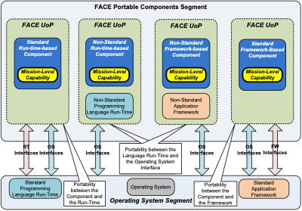
F-281 | F |  | Figure 7: Portability Distinctions
F-282 | N |  | The following subsections define Programming Language capability sets that are considered part of the OSS. The defined Programming Language capability sets include features that typically do not require Programming Language Run-Time support and features that typically require Programming Language Run-Time support. To account for potential differences between compiler/Programming Language Run-Time implementations, minimal discussion is included as to actual Programming Language Run-Time dependencies. OSS UoC support for Programming Language capability sets is optional.
F-283 | N |  | Component use of compiler-specific language extensions is prohibited unless the entire Programming Language Run-Time utilizes only function calls defined in the corresponding FACE OSS Profile.
F-284 | N |  | Note: There are some overlaps in library functions between C++, C, and the POSIX standards. The C++ library capabilities consist of library functions that are unique to C++ and a set of functions that are in common with the C library (to permit components developed in C to be ported to C++). The POSIX standard includes the same functions as the C library specification, but does not include the additional library functions unique to C++. The number of C library functions supported varies by FACE OSS Profile. As such, for the library functions that are in common between C++ and C, only the functions from the corresponding FACE OSS Profile are supported.
F-285 | N |  | 4.2.3.2 C Programming Language
F-286 | N |  | The C Programming Language can be supported on all OSS Profiles.
F-287 | N |  | Component developers may apply their own safety-related restrictions, such as programming restrictions defined by the Motor Industry Software Reliability Association (MISRA C:2004 Guidelines for the Use of the C language in Critical Systems).
F-288 | N |  | 4.2.3.2.1 C Programming Language Definition
F-289 | N |  | The language features supported in the C Programming Language adhere to ANSI/ISO/IEC 9899:1999: Programming Languages – C with the following modifications:
F-290 | N |  | • The optional compiler support for the exact-width types in <stdint.h> is included (ANSI/ISO/IEC 9899:1999, §7.18.1.1)
F-291 | N |  | • Component use of the pragma directive (ANSI/ISO/IEC 9899:1999, §6.10.6) for data structure compositions on FACE Interfaces is excluded
F-292 | N |  | Note: All other uses of pragma directives are permitted.
F-293 | N |  | Note: Support for pragma directives is compiler implementation-dependent. A compiler ignores pragma directives it does not recognize.
F-294 | N |  | • Component use of wide characters (ANSI/ISO/IEC 9899:1999, §3.7.3), multibyte characters (ANSI/ISO/IEC 9899:1999, §3.7.2), wide strings (ANSI/ISO/IEC 9899:1999, §7.1.4), and multibyte strings (ANSI/ISO/IEC 9899:1999, §7.1.1) is excluded, including library functions that manipulate those types
F-295 | N |  | The C library functions include those defined in ANSI/ISO/IEC 9899:1999, §7 supporting the selected FACE OSS Profile and the Section A.1 FACE OSS Profile APIs whose POSIX Functionality Categories are defined as POSIX_C_LANG_SUPPORT_R.
F-296 | N |  | Note: Use of compiler-specific Programming Language extensions (i.e., not defined in the above standard) is prohibited.
F-297 | H |  | 4.2.3.2.2 C Programming Language and Run-Time Requirements
F-298 | N |  | The requirements associated with this language include:
F-299 | Y | PSSS PCS TSS IOSS | 1. UoCs using the C Programming Language Run-Time supplied by the OS shall be restricted to the Programming Language capability set features listed in Section 4.2.3.2.1. | Inspection | Fully Tested Requirement |  |  | C Programming Language
F-300 | N |  | Note: An OSS UoC must provide the functionality as defined, but may support excluded and/or additional features.
F-301 | Y | PSSS PCS TSS IOSS | 2. UoCs using the C Programming Language Run-Time supplied by the OS shall be restricted to the Programming Language capability set library functions listed in Section 4.2.3.2.1. | Test | Test Suite |  | For POSIX operational environments, the available library functions are listed in Section A.1. For ARINC 653 operational environments, the available library functions are listed in Section A.8. | C Programming Language
F-302 | N |  | Note: An OSS UoC must provide the functionality as defined, but may support excluded and/or additional features.
F-303 | Y | OSS | 3. OSS UoCs providing a C Programming Language Run-Time shall support the capability set defined in Section 4.2.3.2.1. | Test | Test Suite |  | For POSIX operational environments, the required library functions are listed in Section A.1. For ARINC 653 operational environments, the required library functions are listed in Section A.8. | C Programming Language
F-304 | N |  | Note: An OSS UoC must provide the functionality as defined, but may support excluded and/or additional features.
F-305 | N |  | 4.2.3.3 C++ Programming Language
F-306 | N |  | The following sections define C++ Programming Language features and library functions for the supported capability sets. These capability sets are listed in the order of most permissive (General Purpose) to most restrictive (Security). As with the OSS Profiles, the restrictions are established to allow deployment of a UoC in an environment developed to any of the more permissive capability sets. Note that the deployment of a UoC into more permissive capability sets may not be adequate for the required design assurance of the UoC.
F-307 | N |  | Additional implementation-specific restrictions may be imposed on software component development that are outside the C++ restrictions imposed in this section (e.g., MISRA Guidelines for the Use of the C++ language in Critical Systems).
F-308 | N |  | 4.2.3.3.1 C++ Programming Language Definition for General Purpose Capability Set
F-309 | N |  | The General Purpose C++ Programming Language capability set includes features from the Programming Language specification defined in ISO/IEC 14882:2003: Programming Languages – C++ with the following modifications:
F-310 | N |  | • Component use of the pragma directive (ISO/IEC 14882:2003, §16.6) for data structure compositions on FACE Interfaces is excluded
F-311 | N |  | Note: All other uses of pragma directives are permitted.
F-312 | N |  | Note: Support for pragma directives is compiler implementation-dependent. A compiler ignores pragma directives it does not recognize.
F-313 | N |  | • Input/Output library standard iostream objects (ISO/IEC 14882:2003, §27.3) and all dependencies on them (e.g., ISO/IEC 14882:2003, §27.4.2.1.6, 27.4.2.4) are excluded
F-314 | N |  | Note: Some Input/Output library capabilities (e.g., file streams) may have other implementation-dependent platform dependencies (e.g., file storage device, Input/Output device).
F-315 | N |  | • Component use of wide characters (ISO/IEC 14882:2003, §3.9.1.5), multibyte characters (ISO/IEC 14882:2003, §1.3.8), wide strings (ISO/IEC 14882:2003, §17.3.2.1.3.3), and multibyte strings (ISO/IEC 14882:2003, §17.3.2.1.3.2) is excluded, including library functions that manipulate those types
F-316 | N |  | For the portion of the C++ library functions that are in common with the C library functions, including functions categorized in Section A.1 as POSIX_C_LANG_SUPPORT_R, only the functions defined in Appendix A for the General Purpose Profile are supported.
F-317 | N |  | Exception Handling (ISO/IEC 14882:2003, §15, 18.6, 19.1) is supported except across the FACE defined API boundaries. Exceptions may be thrown and caught within a single UoC.
F-318 | N |  | 4.2.3.3.2 C++ Programming Language Definition for Safety Extended Capability Set
F-319 | N |  | The Safety Extended C++ Programming Language capability set includes features from the Programming Language specification defined in ISO/IEC 14882:2003: Programming Languages – C++ with the following modifications:
F-320 | N |  | • Component use of the pragma directive (ISO/IEC 14882:2003, §16.6) for data structure compositions on FACE Interfaces is excluded
F-321 | N |  | Note: All other uses of pragma directives are permitted.
F-322 | N |  | Note: Support for pragma directives is compiler implementation-dependent. A compiler ignores pragma directives it does not recognize.
F-323 | N |  | • Input/output library (ISO/IEC 14882:2003, §27) is excluded
F-324 | N |  | Note: For input/output support (including file system), safety-related C++ components use the input/output functional interfaces defined as part of the corresponding OSS Profile.
F-325 | N |  | • Component use of wide characters (ISO/IEC 14882:2003, §3.9.1.5), multibyte characters (ISO/IEC 14882:2003, §1.3.8), wide strings (ISO/IEC 14882:2003, §17.3.2.1.3.3), and multibyte strings (ISO/IEC 14882:2003, §17.3.2.1.3.2) is excluded, including library functions that manipulate those types
F-326 | N |  | • C++ Standard Template Libraries (STL) (ISO/IEC 14882:2003, §19, 20, 21, 22, 23, 24, 25, 26, 27) are excluded
F-327 | N |  | Note: No restrictions on software suppliers developing their own template implementations (ISO/IEC 14882:2003, §14).
F-328 | N |  | • Run-Time Type Information (RTTI) (ISO/IEC 14882:2003, §18.5) and use of dynamic_cast (ISO/IEC 14882:2003, §5.2.7) are excluded
F-329 | N |  | Dynamic memory management via “operator new” and “operator delete” is supported. Software components may override the default operator new and operator delete (ISO/IEC 14882:2003, §17.4.3.4) to implement software component-specific object memory management systems.
F-330 | N |  | The C++ library functions (ISO/IEC 14882:2003, §18.1, 18.2.2, 19.3, 20.4.6, 21.4, 26.5, 27.8.2) that are supported are those that are in common with the C library functions, including functions categorized in Section A.1 as POSIX_C_LANG_SUPPORT_R, defined in the corresponding OSS Profile defined in Appendix A.
F-331 | N |  | Exception Handling (ISO/IEC 14882:2003, §15, 18.6, 19.1) is supported except across the FACE defined API boundaries. Exceptions may be thrown and caught within a single UoC.
F-332 | N |  | 4.2.3.3.3 C++ Programming Language Definition for Safety Base and Security Capability Sets
F-333 | N |  | Restrictions to the C++ Programming Language features and libraries for the Safety Base and Security capability sets are based on recommendations in DO-332 (Object-Oriented Technology and Related Techniques Supplement to DO-178C and DO-278A) and recommendations from the Embedded C++ Committee. The recommendations from these are used to define C++ restrictions appropriate for use in safety-critical and real-time systems.
F-334 | N |  | The Safety Base and Security C++ Programming Language capability sets includes features from the Programming Language specification defined in ISO/IEC 14882:2003: Programming Languages – C++ with the following modifications:
F-335 | N |  | • Component use of the pragma directive (ISO/IEC 14882:2003, §16.6) for data structure compositions on FACE Interfaces are excluded
F-336 | N |  | Note: All other uses of pragma directives are permitted.
F-337 | N |  | Note: Support for pragma directives is compiler implementation-dependent. A compiler ignores pragma directives it does not recognize.
F-338 | N |  | • Virtual base classes (ISO/IEC 14882:2003, §10.1) are excluded
F-339 | N |  | • Dynamic memory de-allocation via default “operator delete” (ISO/IEC 14882:2003, §3.7.3.2, 18.4.1) is excluded
F-340 | N |  | Note: Dynamic memory allocation via “operator new” is supported. Software components can override the default operator new and delete (ISO/IEC 14882:2003, §17.4.3.4) to implement software component-specific object memory management systems.
F-341 | N |  | Note: The intention is to provide the single object and array allocation functions.
F-342 | N |  | o void* operator new ( std::size_t count );
F-343 | N |  | o void* operator new[]( std::size_t count );
F-344 | N |  | However, no allocators are allowed to throw an exception. A failing new operation that returns to the caller should return NULL.
F-345 | N |  | • Run-Time Type Information (ISO/IEC 14882:2003, §18.5) and use of dynamic_cast (ISO/IEC 14882:2003, §5.2.7) are excluded
F-346 | N |  | • Exception Handling (ISO/IEC 14882:2003, §15, 18.6, 19.1) is excluded
F-347 | N |  | • C++ Standard Template Libraries (ISO/IEC 14882:2003, §19, 20, 21, 22, 23, 24, 25, 26, 27) are excluded
F-348 | N |  | Note: There are no restrictions on software suppliers developing their own template implementations (ISO/IEC 14882:2003, §14).
F-349 | N |  | • Input/output library (ISO/IEC 14882:2003, §27) is excluded
F-350 | N |  | Note: There are no C++ input/output library functions supported. For input/output support (including file system), safety-related C++ components utilize the input/output functional interfaces defined as part of the corresponding OSS Profile.
F-351 | N |  | • Component use of wide characters (ISO/IEC 14882:2003, §3.9.1.5), multibyte characters (ISO/IEC 14882:2003, §1.3.8), wide strings (ISO/IEC 14882:2003, §17.3.2.1.3.3), and multibyte strings (ISO/IEC 14882:2003, §17.3.2.1.3.2) is excluded, including library functions that manipulate those types
F-352 | N |  | The C++ library functions (ISO/IEC 14882:2003, §18.1, 18.2.2, 19.3, 20.4.6, 21.4, 26.5, 27.8.2) that are supported are only those that are in common with the C library functions, including functions categorized in Section A.1 as POSIX_C_LANG_SUPPORT_R, defined in the corresponding OSS Profile.
F-353 | H |  | 4.2.3.3.4 C++ Programming Language and Run-Time Requirements
F-354 | N |  | The requirements associated with C++ Programming Language Run-Time include:
F-355 | Y | PSSS PCS TSS IOSS | 1. UoCs using the C++ Programming Language Run-Time supplied by the OS shall be restricted to the Programming Language features for the selected capability set. | Inspection | Fully Tested Requirement |  |  | C++ Programming Language
F-356 | N |  | Note: An OSS UoC must provide the functionality as defined, but may support excluded and/or additional features.
F-357 | Y | PSSS PCS TSS IOSS | 2. UoCs using the C++ Programming Language Run-Time supplied by the OS shall be restricted to the Programming Language library functions, including functions categorized in Section A.1 as POSIX_C_LANG_SUPPORT_R, for the selected capability set. | Test | Test Suite |  |  | C++ Programming Language
F-358 | N |  | Note: An OSS UoC must provide the functionality as defined, but may support excluded and/or additional features.
F-359 | Y | OSS | 3. OSS UoCs providing a C++ Programming Language Run-Time shall support the capabilities defined in the selected capability set. | Test | Test Suite |  |  | C++ Programming Language
F-360 | N |  | Note: An OSS UoC must provide the functionality as defined, but may support excluded and/or additional features.
F-361 | N |  | Note: The appropriate capability set sections for the preceding requirements are as follows:
F-362 | N |  | ◦ General Purpose capability set – Section 4.2.3.3.1
F-363 | N |  | ◦ Safety Extended capability set – Section 4.2.3.3.2
F-364 | N |  | ◦ Safety Base capability sets – Section 4.2.3.3.3
F-365 | N |  | ◦ Security capability set – Section 4.2.3.3.3
F-366 | Y | PSSS PCS TSS IOSS | 4. UoCs using the C++ STL function calls in the Safety (Extended or Base) or Security capability sets shall encapsulate the C++ STL functions within the UoC. | Inspection | UoC Designs |  |  | Safety Profiles Security Profile C++ Programming Language STL
F-367 | N |  | 4.2.3.4 Ada Programming Language
F-368 | N |  | The following sections define Ada Programming Language features and library functions for the supported capability sets. These capability sets are listed in the order of most permissive (General Purpose) to most restrictive (Security). As with the OSS Profiles, the restrictions are established to allow deployment of a UoC in an environment developed to any of the more permissive capability sets. Note that the deployment of a UoC into a more permissive capability set may not be adequate for the required design assurance of the UoC.
F-369 | N |  | Restrictions to Ada 95 and Ada 2012 Programming Language features and libraries for the Safety Extended, Safety Base, and Security capability sets are based on the Ravenscar Ada subset profile developed at the Eighth International Real-Time Ada Workshop. This profile is advocated in the ISO/IEC/JTC1/SC22/WG9 Technical Report TR 15942 and is defined in Section D.13 of the Ada 2012 Language Reference Manual. The Ravenscar Ada subset is enforced by a compiler using “pragma Restrictions” in Ada 95 or “pragma Profile(Ravenscar)” in Ada 2012.
F-370 | N |  | 4.2.3.4.1 Ada 95 Programming Language Definition for General Purpose Capability Set
F-371 | N |  | The General Purpose Ada 95 Programming Language capability set includes features from the Programming Language specification defined in ANSI/ISO/IEC 8652:1995: Ada Reference Manual, Language, and Standard Libraries (herein referred to as “Ada 95 LRM”) with the following modifications:
F-372 | N |  | • Implementation-defined pragmas (Ada 95 LRM, §2.8 (14)) for data structure compositions on FACE Interfaces are excluded
F-373 | N |  | Note: All other uses of implementation-defined pragma directives are permitted.
F-374 | N |  | Note: Use of the language-defined pragmas (e.g., pragma Priority, pragma Import, pragma Export) defined throughout the Ada 95 LRM is permitted.
F-375 | N |  | Note: Support for pragma directives is compiler implementation-dependent. A compiler ignores pragma directives it does not recognize.
F-376 | N |  | • Asynchronous Transfer of Control (Ada 95 LRM, §9.7.4) is excluded
F-377 | N |  | • Wide characters, wide strings, and wide text are excluded
F-378 | N |  | • Input/Output capabilities as defined in Ada 95 LRM, §13.13, A.6, A.7, A.8, A.9, A.10, A.11, A.12, A.13 access to files requiring any external communications interface hardware or to external hardware devices is excluded
F-379 | N |  | As described in §A.10, In_File and Out_File must be defined to an internal file. This file definition restriction applies to all of Annex A and §13.13.
F-380 | N |  | Note: The definition of external_file and file_objects is restricted to files accessible internally by the OSS.
F-381 | N |  | • The Distributed Systems Annex (Ada 95 LRM, Annex E) is excluded
F-382 | N |  | • The Information Systems Annex (Ada 95 LRM, Annex F) is excluded
F-383 | N |  | For Ada 95-based components, the component uses the tasking/threading capabilities defined as part of the Programming Language.
F-384 | N |  | The supported Ada 95 exception handling is maintained except across the FACE defined API boundaries. Exceptions may be thrown and caught within a single UoC.
F-385 | N |  | 4.2.3.4.2 Ada 2012 Programming Language Definition for General Purpose Capability Set
F-386 | N |  | The General Purpose Ada 2012 Programming Language capability set includes features from the Programming Language specification defined in ISO/IEC 8652:2012(E) with Technical Corrigendum 1: Ada Reference Manual, Language, and Standard Libraries (herein referred to as “Ada 2012 LRM”), with the following modifications:
F-387 | N |  | • Implementation-defined pragmas (Ada 2012 LRM, §2.8 (14)) for data structure compositions on FACE Interfaces are excluded
F-388 | N |  | Note: All other uses of implementation-defined pragma directives are permitted.
F-389 | N |  | Note: Use of the language-defined pragmas (e.g., pragma Priority, pragma Import, pragma Export) defined throughout the Ada 2012 LRM is permitted.
F-390 | N |  | Note: Support for pragma directives is compiler implementation-dependent. A compiler ignores pragma directives it does not recognize.
F-391 | N |  | • Asynchronous Transfer of Control (Ada 2012 LRM, §9.7.4) is excluded
F-392 | N |  | • Wide characters, wide strings, and wide text are excluded
F-393 | N |  | • Wide wide characters, wide wide strings, and wide wide text are excluded
F-394 | N |  | • Input/Output capabilities as defined in Ada 2012 LRM, §13.13, A.6, A.7, A.8, A.9, A.10, A.11, A.12, A.13 access to files requiring any external communications interface hardware or to external hardware devices is excluded
F-395 | N |  | As described in §A.10, In_File and Out_File must be defined to an internal file. This file definition restriction applies to all of Annex A and §13.13.
F-396 | N |  | Note: The definition of external_file and file_objects is restricted to files accessible internally by the OSS.
F-397 | N |  | • The Distributed Systems Annex (Ada 2012 LRM, Annex E) is excluded
F-398 | N |  | • The Information Systems Annex (Ada 2012 LRM, Annex F) is excluded
F-399 | N |  | For Ada 2012-based components, the component uses the tasking/threading capabilities defined as part of the Programming Language.
F-400 | N |  | Ada 2012 exception handling is supported except across the FACE defined API boundaries. Exceptions may be thrown and caught within a single UoC.
F-401 | N |  | 4.2.3.4.3 Ada 95 Programming Language Definition for Safety Extended Capability Set
F-402 | N |  | The Safety Extended Ada 95 Programming Language capability set includes Programming Language features based on a subset definition of the ANSI/ISO/IEC 8652:1995: Ada 95 Reference Manual, Language, and Standard Libraries (i.e., Ada 95 LRM), and as restricted by the Ravenscar Profile for High-Integrity Systems, ISO/IEC/JTC1/SC22/WG9 Technical Report TR 1594215942with the following modifications:
F-403 | N |  | • Component use of implementation-defined pragmas (Ada 95 LRM, §2.8 (14)) for data structure compositions on FACE Interfaces is excluded
F-404 | N |  | Note: All other uses of implementation-defined pragma directives are permitted.
F-405 | N |  | Note: Use of the language-defined pragmas (e.g., pragma Priority, pragma Import, pragma Export, etc.) defined throughout the Ada 95 LRM is permitted.
F-406 | N |  | Note: Support for pragma directives is compiler implementation-dependent. A compiler ignores pragma directives it does not recognize.
F-407 | N |  | • Asynchronous Transfer of Control (Ada 95 LRM, §9.7.4) and dependencies are excluded
...
Row ID | Verification Needed (Y/N/H/F) | FACE Segment | Technical Standard Requirements | Verification Method | Conformance Artifacts | Software Supplier Artifact Cross-Reference | Verification Notes | Conditional Requirements
F-611 | N |  | 4.3 Device Drivers
F-612 | N |  | A device driver encapsulates hardware dependent and operating system-specific interfaces used to control and operate a device, such as an I/O device. A device driver is accessed via a device driver interface. Device driver interfaces may include:
F-613 | N |  | ◦ The FACE OS Interface
F-614 | N |  | ◦ POSIX interfaces that are not part of an existing FACE OSS Profile, such as termios
F-615 | N |  | ◦ Non-POSIX interfaces available through operating system kernels, such as ioctl
F-616 | N |  | ◦ Libraries encapsulating device drivers instantiated in user space
F-617 | N |  | The FACE Technical Standard defines FACE OSS Profiles that constrain the OS APIs a FACE UoC may use. The FACE Reference Architecture isolates use of device drivers to FACE UoCs designed to abstract those devices from the portable software. Device drivers provide a mechanism for a UoC to access a hardware device which otherwise would not be allowed due to the UoC's FACE OSS Profile restrictions. Sections 4.4, 4.6.3.1.3, 4.7.2, 4.12.4 and 4.12.9 describe how device drivers can be used in the FACE Reference Architecture
F-618 | N |  | 4.4 I/O Services Segment
F-619 | N |  | The I/O Services Segment (IOSS) abstracts interface hardware and device drivers into I/O Services that implement communication via the IOS Interface between PSSS UoCs and I/O devices. An I/O Service is defined for each of several common I/O bus architectures. A PSSS UoC can use several I/O Services to access multiple I/O bus architectures, and an I/O Service can provide communications with the same I/O bus architecture to multiple PSSS UoCs. An IOSS UoC packages one or more I/O Services.
F-620 | N |  | Figure 8 illustrates the potential relationships between PSSS UoCs and I/O Services. The figure depicts MIL-STD-1553, Serial and Discrete bus architectures. PSSS UoC A requires the MIL-STD-1553 and Serial I/O Services. PSSS UoC B requires the Serial and Discrete I/O Services. The packaging of the I/O Services does not impact either PSSS UoC.
F-621 | F |  | 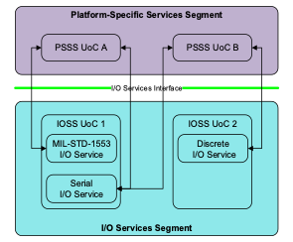
F-622 | F |  | Figure 8: I/O Services Related to PSSS and IOSS UoCs
F-623 | N |  | An I/O connection is the logical relationship between a PSSS UoC and a specific I/O device via the I/O Services Interface. It is implemented by an I/O Service. Figure 9 depicts several potential bus and device configurations that are normalized by an I/O Service. PSSS UoC A has four I/O connections, where each connection is a line to an I/O Service. Two connections are to separate MIL-STD-1553 devices, each on a separate bus that are accessed via a single MIL-STD-1553 I/O Service. Similarly, the other two connections are to serial devices on the same bus that are accessed via a single Serial I/O Service. Each I/O Service encapsulates computing platform details so PSSS UoC A is not impacted.
F-624 | F |  | 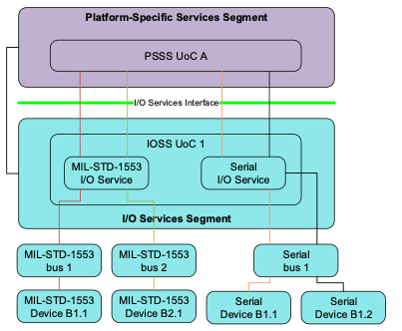
F-625 | F |  | Figure 9: I/O Connections Between PSSS UoCs and I/O Devices
F-626 | N |  | An IOSS UoC is constrained to a FACE OSS Profile except when it may need to call non-standard OS or device driver interfaces of the FACE Computing Environment. The IOSS exists to encapsulate this behavior so that PSSS UoCs can be constrained to FACE Interfaces, including the OSS Profiles and the I/O Services Interface.
F-627 | N |  | The IOSS offers two capabilities to the PSSS. The I/O Service Management Capability addresses initialization, configuration, and status queries. The I/O Data Movement Capability encompasses communication via an I/O connection.
F-628 | H |  | 4.4.1 I/O Services Segment Requirements
F-629 | Y | IOSS | 1. An IOSS UoC shall provide at least one I/O Service. | Inspection | UoC Designs
F-630 | Y | IOSS | 2. When an IOSS UoC uses the OS Interface, the IOSS UoC shall use the OS Interface as specified by the applicable FACE OSS Profile defined in Section 4.2.1. | Test | Test Suite |  | Per CR 603, confstr() is no longer required in the Operating System Interface and should be flagged as a failure by the Test Suite. Per CR 605, sched_getparam(), sched_setparam(), sched_getscheduler(), and sched_setscheduler() should be flagged as a failure by the Test Suite unless multiple processes are used.
F-631 | Y | IOSS | 3. When an IOSS UoC uses multiple POSIX processes, the IOSS UoC shall use the POSIX multi-process APIs as defined in Section 4.2.1. | Test | Test Suite |  |  | Multiple POSIX Processes
F-632 | Y | IOSS | 4. When an IOSS UoC uses OS Health Monitoring, the IOSS UoC defined to operate in a POSIX operational environment shall use the OS HMFM Interface described in Section 4.2.2. | Test | Test Suite |  |  | HMFM
F-633 | Y | IOSS | 5. When an IOSS UoC uses a Component Framework, the IOSS UoC shall use the Component Framework in accordance with Section 4.2.4. | Inspection | UoC Designs |  | This requirement applies to a UoC using a Component Framework provided by an OSS UoC. | Component Framework
F-634 | Y | IOSS | 6. When an IOSS UoC retrieves configuration information locally, the IOSS UoC shall use Configuration Services as defined in Section 4.2.5. | Inspection | UoC Designs |  |  | Configuration Services
...
Row ID | Verification Needed (Y/N/H/F) | FACE Segment | Technical Standard Requirements | Verification Method | Conformance Artifacts | Software Supplier Artifact Cross-Reference | Verification Notes | Conditional Requirements
F-653 | Y | IOSS | 1. The I/O Service shall provide the I/O Service Management Capability for the corresponding I/O bus architecture per the requirements in Section 4.5. | Inspection | Per Referenced Section
F-654 | Y | IOSS | 2. The I/O Service shall provide the I/O Data Movement Capability for the corresponding I/O bus architecture per the requirements in Section 4.5. | Inspection | Per Referenced Section
F-655 | Y | IOSS | 3. The I/O Service shall support the I/O connection parameters of its corresponding I/O bus architecture as defined in Appendix C. | Inspection | Structures and Enumerations
F-656 | Y | IOSS | 4. The I/O Service shall support the I/O connection status values of its corresponding I/O bus architecture as defined in Appendix C. | Inspection | Structures and Enumerations
F-657 | Y | IOSS | 5. The I/O Service shall supply the return code value as specified in Appendix C. | Inspection | Fully Tested Requirement
F-658 | N |  | 4.5 I/O Services Interface
F-659 | N |  | The IOS Interface defines a standard interface for communication between a PSSS UoC and an I/O device. This communication is implemented by I/O Services in the IOSS. The logical relationship between the PSSS UoC and the I/O device is called an I/O connection. Refer to Section 4.4 for a detailed description of an I/O Service and an I/O connection.
F-660 | N |  | The functions of the IOS Interface are common for each I/O Service supporting a specific I/O bus architecture. Some functions have parameter types that are tailored for the corresponding I/O bus architecture. Refer to Appendix C for details regarding the function signatures and data types for each defined I/O Service.
F-661 | N |  | The IOS Interface defines functions to configure and query status for both an I/O connection and its associated bus instance. Appendix C describes the configuration and status fields for each defined I/O Service. The I/O bus types specified in Appendix C and the bus type-specific APIs and configuration parameters are not intended to be exhaustive. These status and configuration parameters can be extended by the IOSS developer with previously undefined status and configuration details as needed. These extensions, as well as any previously undefined bus types, could be submitted for potential inclusion in the FACE Technical Standard going forward as required during FACE Verification. Each PSSS UoC creates connections to an IOSS UoC that supports the corresponding bus type. The connection configuration information is defined so that the I/O Service can correlate a connection with a specific handle. In order to provide portability of PSSS UoCs across different platforms, the type of connection is identified as an analogy for each I/O bus architecture as depicted in Table 6. While these analogies are not requirements, they do represent the perspective from which the IOS Interface is defined and serve as recommended guidance.
F-662 | F |  | Table 6: I/O Connection Analogies
F-663 | F | 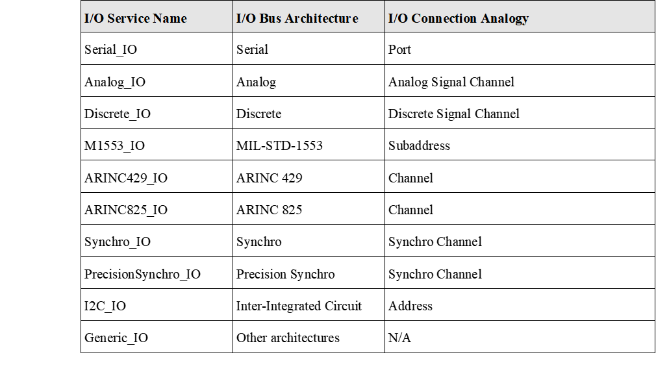
F-664 | H |  | 4.5.1 I/O Services Interface Requirements
F-665 | Y | IOSS | 1. An I/O Service UoC shall provide the IOS Interface as specified in Appendix C. | Test | Test Suite
F-666 | Y | IOSS | 2. An I/O Service UoC shall implement the IOS Interface according to the IDL to Programming Language Mappings defined in Section 4.14. | Test | Test Suite
F-667 | N |  | 4.6 Platform-Specific Services Segment
F-668 | N |  | The PSSS creates an infrastructure unique to the platform that provides device data to the components located in the PCS. The components of the PSSS may be portable and may be reused between platforms that share the corresponding platform devices. The PSSS is broken into three sub-segments:
F-669 | N |  | • Platform-Specific Device Services
F-670 | N |  | • Platform-Specific Common Services
F-671 | N |  | • Platform-Specific Graphics Services
F-672 | N |  | Only components that meet the requirements of one of these three sub-segments reside within the PSSS.
F-673 | N |  | The PSDS sub-segment is made up of components to remove platform device-unique variability from the PCS. The components of the PSDS act as software abstractions of platform hardware devices to provide data and control capabilities to the PCS.
F-674 | N |  | The PSCS sub-segment defines a set of service components that may be implemented to include Logging, Device Protocol Mediation (DPM) Services, Streaming Media Services, Configuration Services, and System Level Health Monitoring. The PSCS sub-segment contains only service types defined in Section 4.6.3 and cannot be augmented without updating the FACE Technical Standard.
F-675 | N |  | The PSGS sub-segment provides a set of graphics services to the PCS. The graphics services provided vary by platform requirements and are selected by the system integrator.
F-676 | N |  | A notional FACE Reference Architecture is shown in Figure 10. The figure includes PSSS sub-segments, UoCs, and interfaces.
F-677 | F |  | 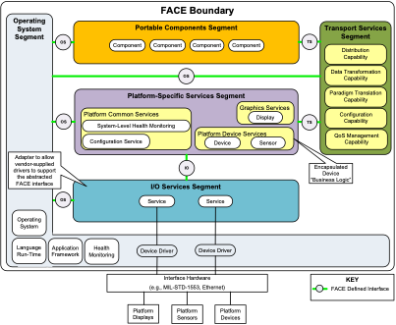
F-678 | F |  | Figure 10: Notional Platform-Specific Services Segment
F-679 | H |  | 4.6.1 Platform-Specific Services Segment Requirements
F-680 | Y | PSSS | 1. A PSSS UoC shall only use the interfaces defined in Section 4.2, Section 4.5, Section 4.8, Section 4.12, and Section 4.13. | Test | Test Suite |  | Per CR 603, confstr() is no longer required in the Operating System Interface and should be flagged as a failure by the Test Suite. Per CR 605, sched_getparam(), sched_setparam(), sched_getscheduler(), and sched_setscheduler() should be flagged as a failure by the Test Suite unless multiple processes are used.
F-681 | Y | PSSS | 2. When a PSSS UoC uses multiple POSIX processes, the PSSS UoC shall use the POSIX multi-process APIs as defined in Section 4.2.1. | Test | Test Suite |  |  | Multiple POSIX Processes
F-682 | Y | PSSS | 3. When a PSSS UoC uses the OSS Interface, the PSSS UoC shall adhere to the restrictions specified in Section A.6 and Section A.7. | Test Inspection | Test Suite UoC Designs Fully Tested Requirements |  | Note: The Test Suite should flag any uses of ARINC 653 Inter-UoC calls, POSIX Inter-UoC calls, posix_devctl(), fork() and exec*() as needing further inspection. When usage of ARINC 653 or POSIX Inter-UoC calls are used by the UoC, then the supplier is responsible for showing appropriate usage through UoC Designs. When use of posix_devctl() is used by the UoC, then the supplier is responsible for showing appropriate usage through UoC Designs. When use of fork() or exec*() is used by the UoC, then the supplier is responsible for showing appropriate usage through Fully Tested Requirement.
F-683 | Y | PSSS | 4. A PSSS UoC, with the exception of DPM, shall communicate with PCS and PSSS UoCs through the TS Interface. | Inspection | UoC Designs |  | The evidence provided with a DPM should document communication is through IOS
F-684 | Y | PSSS | 5. All data communicated over the TS Interface shall be defined by the FACE Data Architecture in accordance with requirements in Section 4.9. | Test Inspection | Test Suite UoC Designs |  | Inspect UoC Designs as to whether the Type-Specific Extended Typed Interface is used for each client connection in the USM. | TS Interface
F-685 | Y | PSSS | 6. A Connection element “name” property shall be a case-insensitive string. | Inspection | UoC Designs |  |  | TS Interface
F-686 | Y | PSSS | 7. The Connection name provided to TSS UoCs to create a connection shall match the “name” property of the corresponding Connection element in the UoC’s USM. | Inspection | UoC Designs |  | The value might be hard-coded or the USM may contain a default name which could be overridden by configuration data. | TS Interface
F-687 | N |  | Note: The USM may contain a default name which could be overridden by configuration data.
...
Row ID | Verification Needed (Y/N/H/F) | FACE Segment | Technical Standard Requirements | Verification Method | Conformance Artifacts | Software Supplier Artifact Cross-Reference | Verification Notes | Conditional Requirements
F-762 | N |  | 4.6.3.1.1.1 Centralized Logging
F-763 | Y | PSSS | 1. When a centralized logging service is provided, it shall exchange data over the TS Interface formatted in accordance with IETF RFC 5424: The Syslog Protocol. | Inspection | Referenced Standards |  |  | Centralized Logging
F-764 | Y | PSSS | 2. When a centralized logging service is provided, it shall exchange data over the IOS Interface formatted in accordance with IETF RFC 5424: The Syslog Protocol. | Inspection | Referenced Standards |  |  | Centralized Logging
F-765 | N |  | Note: Faults are logged by the Health Monitoring and Fault Manager described in Section 4.1.3.
F-766 | N |  | 4.6.3.1.1.2 Localized Logging
F-767 | N |  | Localized logging is handled within the UoC according to the individual UoC’s implementation. Software suppliers may choose to implement a localized logging method.
F-768 | H |  | 4.6.3.1.2 Device Protocol Mediation Requirements
F-769 | N |  | DPM services are UoCs of the PSCS sub-segment acting as a protocol mediator for platform devices using transport protocols (e.g., SNMP, SNMP V3, HTTP, HTTPS, FTP, and SFTP) supported by the OSS Interface. The DPM Service is only accessible by UoCs of the PSDS sub-segment of the PSSS. See Figure 11 for a visual depiction of DPM services.
F-770 | Y | PSSS | 1. The DPM Service shall communicate with UoCs of the PSDS sub-segment of the PSSS through the IOS Interface defined in Appendix C. | Inspection | UoC Designs |  |  | Device Protocol Mediation
F-771 | Y | PSSS | 2. The DPM Service shall communicate with the platform device using data as defined by the platform device ICD. | Inspection | Device Interface Documentation |  |  | Device Protocol Mediation
F-772 | F |  | 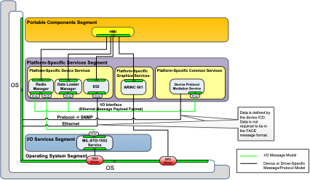
F-773 | F |  | Figure 11: DPM Example
F-774 | H |  | 4.6.3.1.3 Streaming Media Requirements
F-775 | N |  | Streaming Media Services are UoCs of the PSCS sub-segment acting as a streaming media adapter for platform imaging devices using media protocols (e.g., MPEG Formats, SMPTE-292). See Figure 12 for a visual depiction of Streaming Media Services.
F-776 | Y | PSSS | 1. A Streaming Media Service UoC shall communicate with the streaming media driver. | Inspection | UoC Designs |  |  | Streaming Media
F-777 | N |  | Note: When hardware-accelerated decoding of streaming media protocols and formats is required, the Streaming Media Service may have access to streaming media hardware drivers.
F-778 | N |  | Note: Recommended for low latency high bandwidth implementations.
F-779 | Y | PSSS | 2. A Streaming Media Service UoC shall exchange data over the TS Interface. | Inspection | UoC Designs |  |  | Streaming Media
F-780 | F |  | 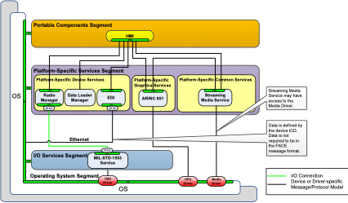
F-781 | F |  | Figure 12: Streaming Media Services Notional Example
F-782 | H |  | 4.6.3.1.4 Centralized Configuration Service Requirements
F-783 | N |  | The primary purpose of the Centralized Configuration Service is to enable sharing of configuration information among system components and services.
F-784 | Y | PSSS | 1. The Centralized Configuration Service shall provide a mechanism to provide configuration information for the following FACE segments: a. PCS b. TSS c. PSSS | Inspection | UoC Designs |  |  | Centralized Configuration Service
F-785 | N |  | Note: The Centralized Configuration Service provides a mechanism for a software component to make configuration information available to other components.
F-786 | N |  | Note: The Centralized Configuration Service is intended to communicate with software components residing in the PSSS, TSS, and PCS, using the TS Interface.
F-787 | N |  | Note: The Centralized Configuration Service is intended to communicate with software components residing in the IOSS, using the IOS Interface.
F-788 | Y | PSSS | 2. When a Centralized Configuration Service uses the Configuration Interface, it shall be as defined in Appendix G. | Test | Test Suite |  |  | Centralized Configuration Service
F-789 | H |  | 4.6.3.1.5 System Level Health Monitoring Requirements
F-790 | N |  | The primary purpose of the System Level Health Monitor is monitoring and reporting system and application faults and failures. The System Level Health Monitor configuration may be administratively viewable at run-time. The System Level Health Monitor may support one or more redundancy models as fault recovery and avoidance mechanisms. The System Level Health Monitor may support the “repair” option, such that HMFM attempts to resurrect failed or faulted resources. The System Level Health Monitor may monitor/manage the instantiation and termination of components. The System Level Health Monitor may generate alarms and notifications to indicate internal state transitions experienced by the components.
F-791 | Y | PSSS | 1. The System Level Health Monitor shall use the HMFM Interface defined in Section 4.2.2. | Test | Test Suite |  |  | System Level Health Monitoring
F-792 | N |  | 4.6.4 Platform-Specific Graphics Services
F-793 | N |  | The Platform-Specific Graphics Services (PSGS) sub-segment provides a set of graphics services to the PCS. The graphics services provided vary by platform requirements and are selected by the system integrator. See Section 4.12.9.
F-794 | H |  | 4.6.4.1 Platform-Specific Graphics Services Requirements
F-795 | Y | PSSS | 1. When communicating with the graphics driver, the Graphics Services UoC shall do so in accordance with requirements in Section 4.12.9. | Inspection | Per Referenced Section |  |  | Graphics
F-796 | N |  | 4.7 Transport Services Segment
F-797 | N |  | 4.7.1 Introduction
F-798 | N |  | The Transport Services Segment (TSS) abstracts data access and access to common technical functions and facilitates integration of PCS and PSSS software components into disparate architectures and platforms. UoCs within the TSS provide capabilities related to data access. They also provide standardized interfaces for UoCs located in the PCS and PSSS. Support capabilities specified within the TSS may include distribution, routing, prioritization, addressability, association, abstraction, and transformation of software component information. In the FACE Technical Standard, some of the TSS support capabilities are identified, and requirements are allocated to these capabilities. There are additional support capabilities that fit into the TSS that are not individually identified and do not have requirements for implementation. An example of a capability that may be allocated to TSS UoCs is specific security concerns such as encryption of data, or enforcement of access control. The TSS Interfaces are defined in Section 4.8 and Appendix E.
F-799 | N |  | Figure 13 depicts the TSS support capabilities, and the inter-segment and intra-segment interfaces.
F-800 | F |  | 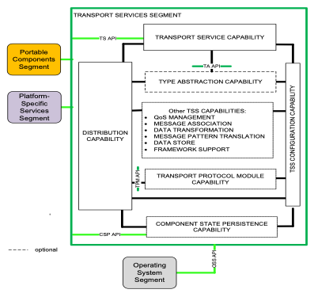
F-801 | F |  | Figure 13: Transport Services Segment Capabilities
F-802 | N |  | TSS UoCs support data access to a variety of common technical services. The TSS UoCs provide these common technical services to a PSSS or PCS UoC through the TSS Inter-segment Interfaces: Transport Service (TS) API, and the Component State Persistence (CSP) API. TSS UoCs provide data transport between PCS/PSSS UoCs, as well as mediation between messages with different data models. TSS UoCs support a variety of data transport protocols and messaging patterns. Additionally, TSS UoCs provide access to persistent Data Stores and the ability for UoCs to checkpoint their internal state. The TSS includes support for the capabilities identified below, and shown in Figure 13:
F-803 | N |  | • Transport Service Capability (Section 4.7.3)
F-804 | N |  | • Distribution Capability (Section 4.7.4)
F-805 | N |  | • Configuration Capability (Section 4.7.5)
F-806 | N |  | • Type Abstraction Capability (Section 4.7.6)
F-807 | N |  | • QoS Management Capability (Section 4.7.7)
F-808 | N |  | • Message Association Capability (Section 4.7.8)
F-809 | N |  | • Data Transformation Capability (Section 4.7.9)
F-810 | N |  | • Messaging Pattern Translation Capability (Section 4.7.10)
...
Row ID | Verification Needed (Y/N/H/F) | FACE Segment | Technical Standard Requirements | Verification Method | Conformance Artifacts | Software Supplier Artifact Cross-Reference | Verification Notes | Conditional Requirements
F-817 | N |  | The Intra-segment Interfaces that may be used to form a proper subset of capabilities into TSS UoCs include:
F-818 | N |  | • Type Abstraction (TA) API
F-819 | N |  | • Transport Protocol Module (TPM) API
F-820 | N |  | Section 4.7.1.1 provides the sets of TSS Capabilities that can be used to form a TSS UoC.
F-821 | N |  | PCS and PSSS UoCs define messages within the FACE Data Architecture to derive a type-specific interface for the TSS. The FACE Data Architecture is described in Section 4.9.
F-822 | N |  | 4.7.1.1 TSS UoC Conformance Options
F-823 | N |  | A TSS provides TSS Inter-segment Interfaces such as the type-specific interface used by PCS or PSSS UoCs and the Component State Persistence Interface to control PCS or PSSS UoCs. A TSS UoC can base its implementation on providing only the Inter-segment Interfaces. However, to enable portability of TSS libraries, TSS UoCs can also be built against subsets of TSS segment requirements when they provide intra-segment interfaces. UoCs providing intra-segment interfaces do not provide the complete set of TSS capabilities required for the intended system design.
F-824 | N |  | For example, a UoC can realize the Type Abstraction capability and provide the TA API. This UoC, a Type Abstraction UoC, does not provide the type-specific interface nor realize the Transport Service Capability. To incorporate this Type Abstraction UoC, the system design would also include a type-specific interface to type abstraction interface adapter as its own UoC.
F-825 | N |  | As another example, a UoC can provide the TPM API and realize the Transport Protocol Module Capability to support interoperability between non-homogeneous TSS implementations in the system. Table 7 summarizes the sets of TSS Capabilities used to form different TSS UoCs.
F-826 | F |  | Table 7: Sets of TSS Capabilities that Form a TSS UoC
F-827 | F |  | 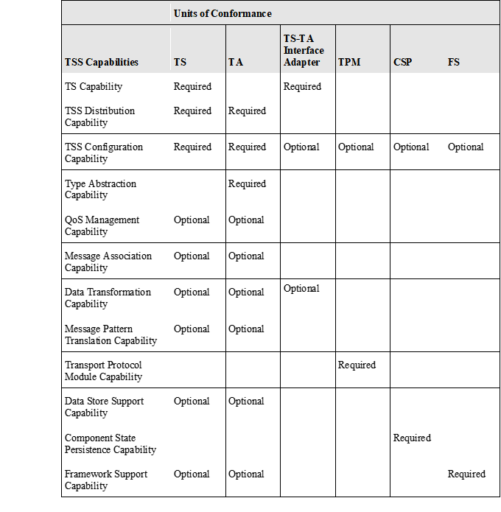
F-828 | N |  | Note: “Required” indicates the capability is required by the UoC. “Optional” indicates the capability is optional for the UoC.
F-829 | N |  | Note: As discussed in Section 4.11.3, TSS UoCs provide an Injectable Interface for each FACE Interface declared by IDL that it uses.
F-830 | H |  | 4.7.2 Transport Services Segment Requirements
F-831 | N |  | The TSS is a logical grouping of software components that provide access to data and other common technical services. The following are requirements placed upon software components intended to implement capabilities allocated to the segment:
F-832 | Y | TSS | 1. A TSS UoC shall provide one or more of the following capabilities: a. Transport Service Capability b. TSS Distribution Capability c. TSS Configuration Capability d. Type Abstraction Capability e. QoS Management Capability f. Message Association Capability g. Data Transformation Capability h. Messaging Pattern Translation Capability i. Transport Protocol Module Capability j. Data Store Support Capability k. Component State Persistence Capability l. Framework Support Capability | Inspection | UoC Designs
F-833 | N |  | Note: The aggregate UoCs within the TS segment must provide at least the TS Capability, TSS Distribution, and Configuration Capabilities.
F-834 | Y | TSS | 2. When a TSS UoC uses multiple POSIX processes, the TSS UoC shall use the POSIX multi-process APIs as defined in Section 4.2.1. | Test | Test Suite |  |  | Multiple POSIX Processes
F-835 | Y | TSS | 3. A TSS UoC shall use the OS Interface as specified by the applicable FACE OSS Profile defined in Section 4.2.1. | Test | Test Suite |  | Per CR 603, confstr() is no longer required in the Operating System Interface and should be flagged as a failure by the Test Suite. Per CR 605, sched_getparam(), sched_setparam(), sched_getscheduler(), and sched_setscheduler() should be flagged as a failure by the Test Suite unless multiple processes are used.
F-836 | N |  | Note: When a Programming Language Run-Time is implemented in the TSS as part of the UoC, then the Programming Language Run-Time must conform exclusively to a subset of the following interfaces for all data exchange crossing the UoC boundary per the segment requirements:
F-837 | N |  | ◦ TS Interface
...
Row ID | Verification Needed (Y/N/H/F) | FACE Segment | Technical Standard Requirements | Verification Method | Conformance Artifacts | Software Supplier Artifact Cross-Reference | Verification Notes | Conditional Requirements
F-909 | N |  | Note: The message association can be TSS configuration data supplied or an association built during run-time.
F-910 | N |  | 4.7.5.1.3 Route Definition
F-911 | Y | TSS | 1. The Route Definition configuration information shall consist of the following data elements: a. Route Configuration Data | Inspection | Configuration Information |  |  | TSS Configuration Capability Distribution Capability
F-912 | N |  | 4.7.5.1.4 QoS Definition
F-913 | Y | TSS | 1. The QoS Definition configuration information shall consist of the following data elements: a. QoS Policy b. QoS Attributes | Inspection | Configuration Information |  |  | TSS Configuration Capability QoS Management Capability
F-914 | N |  | 4.7.5.1.5 Transformation Map
F-915 | N |  | The Transformation Map configuration information provides the means to define conversions to be used by the TSS on a given Message Parameter Interface’s definition entity.
F-916 | Y | TSS | 1. When a TSS UoC implements Transformation Map configuration, the Transformation Map configuration information shall consist of the following data elements: a. Transformation Type b. Transformation Configuration Data | Inspection | Configuration Information |  |  | TSS Configuration Capability Data Transformation Capability
F-917 | H |  | 4.7.6 Type Abstraction Capability Requirements
F-918 | N |  | Within a TSS UoC, the Type Abstraction (TA) Interface provides portability of a TSS UoC when implemented using any programming language (such as C) not supporting function overloading. While maintaining the strongly typed TS Interface, the Type Abstraction Interface provides an Intra-segment Interface for use by the TSS UoC, as shown for PCS A and PSSS B of Figure 15. The use of the Type Abstraction interface is optional, as shown for PCS C and PSSS D of Figure 15.
F-919 | F |  | 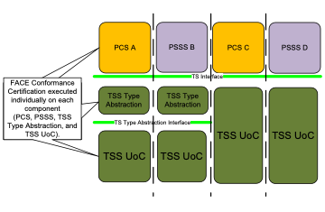
F-920 | F |  | Figure 15: Type Abstraction and Interfaces Examples
F-921 | Y | TSS | 1. A Type Abstraction Capability shall be configured using TSS Configuration Capability. | Inspection | Configuration Information |  |  | Type Abstraction Capability
F-922 | Y | TSS | 2. A Type Abstraction Capability’s configuration data shall be specified in accordance with the Configuration Services requirements in Section 4.2.5. | Inspection | Per Referenced Section |  |  | Type Abstraction Capability
F-923 | Y | TSS | 3. When implementing the Type Abstraction Capability, a TSS UoC shall also provide the Distribution Capability. | Inspection | UoC Designs |  |  | Type Abstraction Capability
F-924 | Y | TSS | 4. When implementing the Type Abstraction Capability, a TSS UoC shall also provide zero or more of the following capabilities: a. QoS Management Capability b. Message Association Capability c. Data Transformation Capability d. Message Pattern Translation Capability e. Transport Protocol Module Capability f. Data Store Support Capability g. Component State Persistence Capability h. Framework Support Capability | Inspection | UoC Designs |  |  | Type Abstraction Capability
F-925 | Y | TSS | 5. A Type Abstraction Capability shall provide the Type Abstraction Interface as specified in Section 4.7.6.1. | Inspection | Per Referenced Section |  |  | Type Abstraction Capability
F-926 | Y | TSS | 6. A Type Abstraction Capability shall provide the Base Interface in accordance with requirements in Section 4.8.2. | Inspection | Per Referenced Section |  | Per CR 628, the section reference should be for Section 4.8.4.1. | Type Abstraction Capability
F-927 | H |  | 4.7.6.1 Type Abstraction Interface Requirements
F-928 | N |  | The TA Interface is a TSS intra-segment interface and cannot be used by PCS or PSSS UoCs. The TA Interface is used by modules, libraries, or software components within the TSS layer.
F-929 | Y | TSS | 1. The Type Abstraction Interface shall meet the TypeAbstractionTS interface specification of Section E.4.1. | Test | Test Suite |  |  | Type Abstraction Capability
...
Row ID | Verification Needed (Y/N/H/F) | FACE Segment | Technical Standard Requirements | Verification Method | Conformance Artifacts | Software Supplier Artifact Cross-Reference | Verification Notes | Conditional Requirements
F-1017 | Y | TSS | 6. A CSP Capability shall provide access to the Private data when the UUID passed in matches the UUID associated with the Private data requested. | Inspection | Fully Tested Requirement |  |  | Component State Persistence
F-1018 | Y | TSS | 7. A CSP Capability shall store Private data and its associated UUID. | Inspection | Fully Tested Requirement |  |  | Component State Persistence
F-1019 | Y | TSS | 8. A CSP Capability shall supply a library for PCS or PSSS UoCs to use. | Inspection | UoC Designs |  |  | Component State Persistence
F-1020 | H |  | 4.7.14 Framework Support Capability Requirements
F-1021 | N |  | Framework Support Capability (FSC) is an abstraction that translates Component Framework interfaces to FACE defined interfaces. The FSC requirements are presented here and shown in Figure 16 and Figure 17. The PCS and PSSS requirements to use framework software components are presented in the respective sections.
F-1022 | N |  | Component Frameworks ease development of new software by allowing developers to focus on the unique domain requirements of their software components. The software that provides infrastructure to support the functional requirements (“common technical functions”) is provided by the framework, and accessed by framework-specific APIs. Frameworks, however, are different from portable libraries. With libraries, software components invoke the functions and objects provided by the library, but with frameworks, developers implement functions and objects specific to their software component that are then instantiated and invoked by the framework. Inclusion of framework support standardizes deployment and control operations to the integrator, such as independent executables versus container managed executables or inversion of control of software components.
F-1023 | N |  | Many different commercial software components and industry product line frameworks exist today. These frameworks perform software infrastructure functions such as Life Cycle Management (LCM), logging, persistence, time processing, etc. However, each framework provides unique interfaces for each of these functions. These unique interfaces introduce a barrier to portability of the modules and software components between different frameworks and often between different implementations of the same frameworks. In order to achieve portability of UoCs across Component Frameworks, these unique interfaces need to be abstracted.
F-1024 | N |  | In a software environment targeting the FACE Reference Architecture, abstraction is accomplished through the use of the FACE Interfaces (TSS, IOS, Config, and HMFM). Each framework-unique interface can be proxied by the FSC and mapped to the FACE Interfaces provided by other TSS Capabilities. This makes the UoC agnostic to the specific framework. In order to reduce the effort of adding and maintaining the additional syntactic framework abstractions, and to promote interoperability, the FACE SDM is used to define and isolate the variation points between frameworks to a data message to/from the TS Interface. The FSC can be used across the OSS Profiles and across many commercial and military frameworks.
F-1025 | N |  | This abstraction strategy places a framework software component in the PCS or PSSS layer, and the container in the TSS layer. The use of FACE Interfaces to provide abstractions between the modules and the container isolate the integration changes needed to port the software components across component and product line frameworks.
F-1026 | N |  | Figure 16 depicts the FACE abstraction strategy for a PCS UoC. The PCS UoC is intended to be a component within a framework container.
F-1027 | F |  | 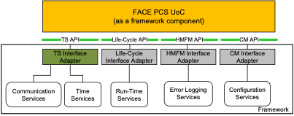
F-1028 | F |  | Figure 16: PCS UoC as a Framework Component
F-1029 | N |  | Figure 17 depicts the FACE abstraction strategy for a PSSS UoC. The PSSS UoC is intended to be a component within a framework container.
F-1030 | F
F-1031 | F |  | Figure 17: PSSS UoC as a Framework Component
F-1032 | H |  | 4.7.14.1 Framework Support Capability Requirements
F-1033 | Y | TSS | 1. A Framework Abstraction Capability shall be configured through information provided by the TSS Configuration Capability. | Inspection | Configuration Information |  |  | Framework Support Capability
F-1034 | Y | TSS | 2. The FSC configuration data shall be specified in accordance with the Configuration Services requirements in Section 4.2.5. | Inspection | Per Referenced Section |  |  | Framework Support Capability
F-1035 | Y | TSS | 3. An FSC shall adapt the specific framework interfaces to the respective TSS Inter-segment Interfaces. | Inspection | UoC Designs |  |  | Framework Support Capability
F-1036 | Y | TSS | 4. An FSC shall adapt the specific framework interfaces to the Initializable Capability of the LCM Services as defined by Section 4.13.2. | Inspection | UoC Designs |  |  | Framework Support Capability
F-1037 | Y | TSS | 5. An FSC shall adapt the specific framework interfaces to the Configurable Capability of the LCM Services as defined by Section 4.13.3. | Inspection | UoC Designs |  |  | Framework Support Capability
...
Row ID | Verification Needed (Y/N/H/F) | FACE Segment | Technical Standard Requirements | Verification Method | Conformance Artifacts | Software Supplier Artifact Cross-Reference | Verification Notes | Conditional Requirements
AC582A | Y | TSS | When a TS TypedTS Extended interface is provided, the TS Interface shall meet the TypedTS interface specification of Section E.3.4. | Test | Test Suite |  | This requirement applies to UoCs providing the Type-Specific Extended Typed Interface | Transport Service Capability Type-Specific Extended Typed Interface
F-1114 | Y | TSS | 9. The TS Type-Specific Extended Typed module as defined in Section E.3.4 shall be parameterized with the DATATYPE_TYPE and RESPONSE_DATATYPE as described by the USM and in accordance with the FACE language bindings, defined in Section 4.14. | Test | Test Suite |  | This requirement applies to UoCs providing the Type-Specific Extended Typed Interface. | Transport Service Capability Type-Specific Extended Typed Interface
F-1115 | Y | TSS | 10. The fully qualified name of the created TS Type-Specific Extended Typed module shall be FACE::TSS::<UOP_MODEL_NAME>::<DATATYPE_TYPE>_<RESPONSE_DATATYPE>::TypedTS. | Test | Test Suite |  | This requirement applies to UoCs providing the Type-Specific Extended Typed Interface. | Transport Service Capability Type-Specific Extended Typed Interface
F-1116 | N |  | Note: Most of the time, DATATYPE_TYPE and RESPONSE_DATATYPE are in the same model. DATATYPE_TYPE and RESPONSE_DATATYPE are the short names of a Template or CompositeTemplate, not fully qualified names. UOP_MODEL_NAME is the name of the root UoPModel in which DATATYPE_TYPE or RESPONSE_DATATYPE is a member. The resulting declarations follow programming language mapping rules as if the interface was declared in a directory tree and IDL file as FACE/TSS/<UOP_MODEL_NAME>/<DATATYPE_TYPE>_<RESPONSE_DATATYPE>/TypedTS.idl.
AC582B | Y | TSS | When a TS TypedTS Extended interface is provided, a TS Interface shall supply the return code value returned from the TypedTS Interface functions as specified in Section E.3.4. | Inspection | Fully Tested Requirement |  | This requirement applies to UoCs providing the Type-Specific Extended Typed Interface | Transport Service Capability Type-Specific Extended Typed Interface
F-1117 | N |  | 4.8.4.2 CSP Interface
F-1118 | Y | TSS | 1. The CSP Interface shall meet the specification in Section E.3.5. | Test | Test Suite |  | The requirement implies a TSS UoC provides this interface per the IDL to Programming Language Mappings defined in Section 4.14. | Component State Persistence
F-1119 | Y | TSS | 2. The CSP Interface shall supply the return code value returned from CSP Interface functions as specified in Section E.3.5. | Inspection | Fully Tested Requirement |  |  | Component State Persistence
F-1120 | H |  | 4.8.5 Transport Services Segment Inter-Segment Message Parameter Data Requirements
F-1121 | N |  | Figure 18 depicts the parameters of TSS Inter-segment Message. Many of the parameters within the TSS interface, including instances of the message parameter and qos_parameter parameter, are defined using the FACE Data Architecture. Others are defined in IDL in Appendix E. The TSS message parameter is modeled as a UoPModel Template. The TSS Header is specified in IDL in Appendix E. The qos_parameter is either Configuration Information or UoPModel Template(s). The Header and qos_parameter can provide metadata about the transported message to the receiving PCS or PSSS UoC.
F-1122 | F |  | 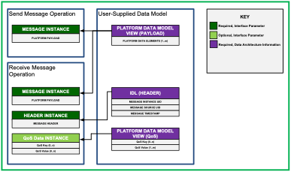
F-1123 | F |  | Figure 18: TSS Inter-Segment Interface Data Parameters
F-1124 | N |  | 4.8.5.1 TS Interface Data Parameters
F-1125 | N |  | An instance of the Message in Figure 18 is the basic element of data exchange within the TSS. The Message Instance is a concrete instantiation of the message parameter type for the TSS. The Message Instance is the data known throughout the TSS between UoCs at run-time. Transport of Message Instances between TSS endpoints may be optimized by the transport method. The packing and encoding of an instance of the Message are not prescribed by the FACE Technical Standard. The Message parameter does not include the TSS Data Elements associated with routing, QoS, definition, data, hierarchy, and conversion.
F-1126 | Y | TSS | 1. The TS Interface shall provide the following data elements: a. Header parameter b. Message parameter | Inspection | Structures and Enumerations |  |  | Transport Service Capability
F-1127 | Y | TSS | 2. When QoS Management is performed, the TS Interface shall provide content for the QoS parameter. | Inspection | Structures and Enumerations |  |  | Transport Service Capability QoS Management Capability
F-1128 | N |  | 4.8.5.2 Message Parameter
F-1129 | Y | TSS | 1. Instances of the Message parameter shall be a language-specific data structure of the UoPModel Template as specified by the FACE Data Architecture. | Test | Test Suite |  |  | Transport Service Capability
F-1130 | N |  | 4.8.5.3 Header Parameter
F-1131 | Y | TSS | 1. Instances of the Header parameter shall consist of the following data elements in the order listed below: a. Message Instance UID b. Message Source UID c. Message Timestamp | Inspection | Structures and Enumerations |  |  | Transport Service Capability
F-1132 | N |  | 4.8.5.4 QoS Parameter
...
Row ID | Verification Needed (Y/N/H/F) | FACE Segment | Technical Standard Requirements | Verification Method | Conformance Artifacts | Software Supplier Artifact Cross-Reference | Verification Notes | Conditional Requirements
F-1152 | H |  | 1. Data Model (defined in the Open UDDL Technical Standard)
F-1153 | H |  | 2. UoP Model
F-1154 | H |  | 3. Integration Model
F-1155 | H |  | 4. Traceability Model
F-1156 | N |  | The Shared Data Model (SDM) establishes a foundation of core data elements used as building blocks to create all other data models. The SDM is Configuration Control Board (CCB) managed per the FACE SDM Governance Plan providing confidence in the core modeling elements and utility of reuse and potential of reduced data conversion needs.
F-1157 | N |  | Software code generation is defined through a set of Template Language rules and IDL Type bindings that map FACE Modeling Language elements to IDL and from IDL to each of the supported programming languages.
F-1158 | N |  | 4.9.1 FACE Data Model Language Overview
F-1159 | N |  | The FACE Data Model Language is specified by a metamodel providing a formal and unambiguous description of UoP data exchanges (interfaces between and integration of). The Modeling Language leverages the Data Model Language provided by the Open UDDL Technical Standard with FACE specific extensions to support describing the data exchanged by UoCs. Additional OCL constraints supply semantic rules to which data model content must adhere. The Template Language specifies the presentation of data.
F-1160 | N |  | Figure 19 extends Figure 1 from the Open UDDL Technical Standard and illustrates several aspects of the Modeling Language. Groupings of Modeling Language elements, roughly aligned to the model groupings introduced in Section 4.9, are shown as boxes with rounded corners; relationships between elements as short, stubbed arrows. Grouping of Modeling Language elements is shown vertically, from top to bottom, showing definition of data model, interface model, and integration model elements respectively. Horizontally, from left to right, levels (or perspectives) show refinement of model elements from a more abstract level, to a more concrete one.
F-1161 | N |  | Traceability Model Elements are not shown in order to avoid diagram clutter. While not part of the Modeling Language, artifact generation and code and configuration are shown for context.
F-1162 | F |  | 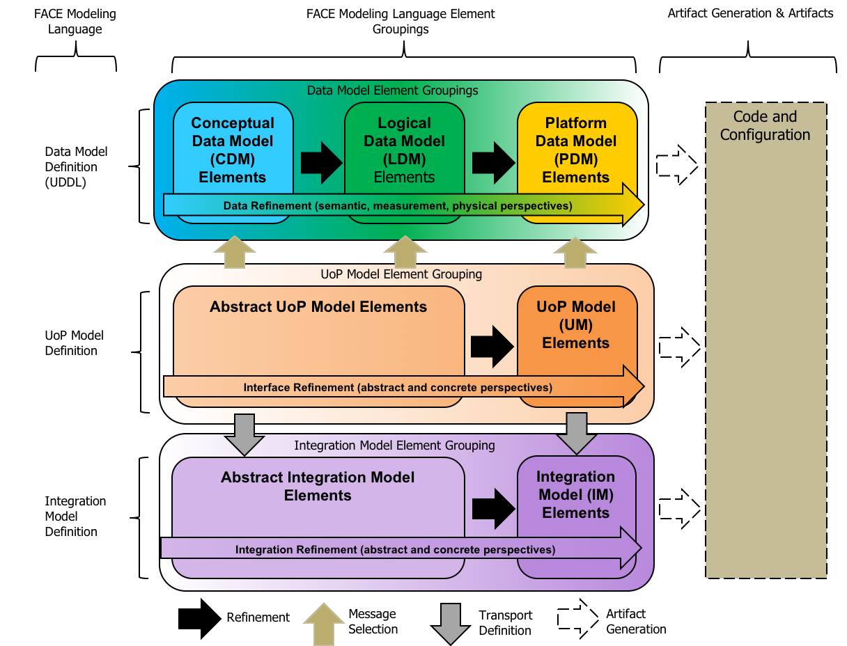 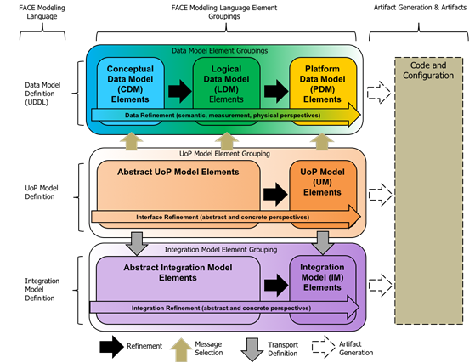
F-1163 | F |  | Figure 19: Data Model Language
F-1164 | N |  | Figure 19 shows the various constituent models that make up the FACE Data Architecture and the relationships between the models. The progression from left to right is from abstract to concrete. With each level of refinement, the degree of specificity increases, moving the model closer to a complete definition of the software application solution required for generation of code.
F-1165 | N |  | The first of the Architectural model elements, the datamodel, is used to define data elements with unambiguous specificity for use in the FACE Technical Standard. The datamodel is divided into three different data elements with unambiguous specificity for use by FACE Units of Portability (UoP) or Domain-Specific Data Models (DSDM) as defined by the FACE Technical Standard.
F-1166 | N |  | • The Conceptual Data Model provides the semantic definition of the entities and their relationships characterized by Observables
F-1167 | N |  | • The Logical Data Model adds measurement information to each characterization by defining value type, units, measurement, and frame of reference (through the measurement system)
F-1168 | N |  | • The Platform Data Model adds physical data type information to the logical measurement characterization
F-1169 | N |  | • The UoPModel provides the definition of a software component and its defined interfaces
F-1170 | N |  | • The IntegrationModel provides a mechanism to describe the Transport Services Segment (TSS) integration details between two or more UoPs
F-1171 | N |  | • Lastly, the TraceabilityModel, not shown in the figure, provides a mechanism to trace model elements to an external model
F-1172 | N |  | The following sections give an overview of each Data Model Language element grouping.
...
Row ID | Verification Needed (Y/N/H/F) | FACE Segment | Technical Standard Requirements | Verification Method | Conformance Artifacts | Software Supplier Artifact Cross-Reference | Verification Notes | Conditional Requirements
F-1176 | N |  | The Logical Data Model (LDM) is defined by the Open UDDL Technical Standard. An LDM consists of entities, characteristics, and associations that realize their definition from the CDM. An LDM provides terms of measurement systems, coordinate systems, reference points, value domains, and units. The principal level of detail added in an LDM is provided through frames of reference for representing characteristic values. Multiple LDM elements may realize a single CDM element.
F-1177 | N |  | 4.9.1.3 Platform Data Model Overview
F-1178 | N |  | The Platform Data Model (PDM) is defined by the Open UDDL Technical Standard. A PDM consists of entities, characteristics, and associations that realize their counterpart definition from an LDM. In a PDM, specific representation details such as data type and precision are provided to represent characteristics. Multiple PDM elements may realize a single LDM element. Additionally, the PDM specifies how data is presented across the TS Interface using views.
F-1179 | N |  | 4.9.1.4 Unit of Portability Model Overview
F-1180 | N |  | A UoP Model consists of elements that provide the means to formally specify the interfaces of a UoP. The interfaces are specified using reference to PDM elements to allow “message typing” of the interface. Abstract UoP elements support a platform-independent specification of the UoP and its interfaces through references to LDM and CDM elements. Connection model elements are representations of “logical” connections and do not necessarily correspond to the actual communication channels for exchanging data. The UoP Model is specific to the FACE Technical Standard.
F-1181 | N |  | 4.9.1.5 Integration Model Overview
F-1182 | N |  | An Integration Model consists of elements that provide the means to model the exchange of information between UoPs. An Integration Model captures data exchanges, view transformations, and integration of UoPs for documentation of integration efforts. An Integration Model relies on UoP Models for expressing interconnectivity. The focus is on documenting UoP data exchange details. The Integration Model is specific to the FACE Technical Standard.
F-1183 | N |  | 4.9.2 FACE Data Model Language IDL Bindings
F-1184 | N |  | Figure 20 illustrates the language bindings from the PDM to each of the supported programming languages. The language bindings define the mapping from a specified Template to data structures in code. These data structures are sent or received by a software component through the TSS send_message(TS) and receive_message(TS) methods. The language bindings preserve the byte size and value range when translating to various processor architectures and programming languages. The language bindings ensure software components are portable at the API level. It is the responsibility of the TSS to manage serialization and deserialization of the data structure and to transmit the data.
F-1185 | N |  | Section J.8 details the FACE Data Model Language to IDL bindings.
F-1186 | F |  | 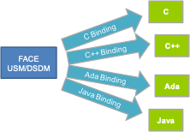
F-1187 | F |  | Figure 20: FACE Data Model Language IDL Bindings
F-1188 | N |  | 4.9.2.1 Specification
F-1189 | N |  | The first part of the language bindings specifies a mapping from a USM or DSDM to IDL. The second portion of the language bindings defines the map from IDL to each of the supported programming languages as specified in Section 4.14. These two parts form the FACE Data Model Language IDL bindings.
F-1190 | N |  | The language bindings define the rules for mapping from PDM elements to programming language definition of the data types. A specific tool is not required to be used in implementing these rules.
F-1191 | N |  | Note: A software supplier may directly generate or manually create the data structures from a PDM without leveraging IDL as an intermediate format.
F-1192 | N |  | 4.9.2.1.1 IDL to Programming Language Mappings
F-1193 | N |  | The FACE Data Architecture follows the IDL to Programming Language Mappings detailed in Section 4.14 and the FACE Data Model Language to IDL bindings detailed in Section J.8.
F-1194 | N |  | 4.9.3 Definitions
F-1195 | N |  | 4.9.3.1 FACE Shared Data Model
F-1196 | N |  | The FACE Shared Data Model (SDM) is the primary point of interaction between software suppliers and system integrators as it is the common foundation for all USMs. The FACE SDM provides the core extensible elements from which USMs are built. The FACE SDM Governance Plan defines the policies for management of the FACE SDM. The FACE SDM CCB manages the FACE SDM.
...
Row ID | Verification Needed (Y/N/H/F) | FACE Segment | Technical Standard Requirements | Verification Method | Conformance Artifacts | Software Supplier Artifact Cross-Reference | Verification Notes | Conditional Requirements
F-1296 | Y | PCS | 2. When a Security Transformation is implemented as part of a PCS UoC, the characterization of the transformation shall include a detailed description of the transformation. | Inspection | UoC Designs |  | The Software Supplier is expected to identify the encryption algorithm and any algorithm inputs other than the unencrypted data. | Security Transformations
F-1297 | N |  | Note: The detailed description of the security transformation should be sufficient to enable interoperability with similar transformations.
F-1298 | N |  | Note: Given the sensitivity of the transformation characterization data, there may be restrictions on availability and distribution of the detailed data models levied by the platform and/or security-relevant transform supplier.
F-1299 | N |  | 4.11 Unit of Conformance
F-1300 | N |  | A Unit of Conformance (UoC) is developed to meet the conformance requirements of the OSS Profile(s) and a single segment. System software solutions can be made up of multiple UoCs. UoCs can be integrated to support these software solutions. Integration of UoCs requires UoC to UoC communication.
F-1301 | N |  | 4.11.1 Unit of Conformance Instantiation
F-1302 | N |  | One or more UoCs can be deployed within the same address space. When more than one UoC is deployed in a single address space, it is important for the UoCs to be coordinated so that they do not conflict with one another. One method of coordinating is to utilize an OSS profile that optionally includes multiple POSIX process API support such as General Purpose or Safety Extended. Another method to coordinate the UoCs is through the use of a container design pattern where the container software includes an entry point such as “main”, and the container instantiates the objects or libraries within all UoCs within the address space.
F-1303 | N |  | Once the UoCs are instantiated, the communications between the UoCs can be established using the Injectable Interface.
F-1304 | N |  | 4.11.2 Unit of Conformance Communications
F-1305 | N |  | UoC-to-UoC communication is required to use Transport Services Interfaces as defined in the FACE Technical Standard. Communication between software components, capabilities, and services within a UoC are not required to use defined Transport Services Interfaces. Use of defined Transport Services Interfaces for communication between software components, capabilities, and services within a UoC are permitted but not required. Figure 21 depicts an example of PCS inter-UoC and intra-UoC communications. See Section A.1 and Section A.6 for definitions of APIs and capabilities whose inter-UoC communication usages are restricted.
F-1306 | F |  | 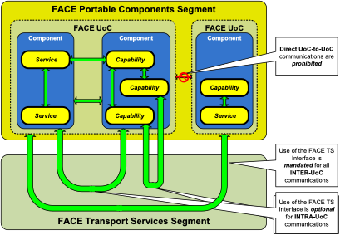
F-1307 | F |  | Figure 21: Example PCS Inter-UoC and Intra-UoC Communications
F-1308 | N |  | 4.11.3 Injectable Interface
F-1309 | N |  | FACE Interfaces create an inherent using/providing dependency between UoCs. In order for a UoC to use an interface, it must be integrated in the same address space with at least one UoC that provides that interface. One of two strategies is employed to resolve this dependency for any given FACE Interface. When the FACE Interface is declared by a programming language binding directly, such as the C function prototypes for HMFM in Appendix F, the dependency is resolved by the linker. When the FACE Interface is declared by IDL, the dependency is resolved by integration software using the Injectable Interface. The Injectable Interface implements the dependency injection idiom of software development.
F-1310 | N |  | FACE Interfaces declared by IDL have the feature of supporting more than one interface provider in the same address space. This allows UoCs to be deployed to the same partition using different interface providers as needed to satisfy system requirements. In order to leverage this feature, integration software is responsible for associating the desired instance of the interface provider to the interface user during initialization of the partition, after all the UoC instances have been created. The Injectable Interface provides the mechanism for that association.
F-1311 | N |  | Table 8 lists, for each FACE segment UoC, the potentially used FACE Interfaces declared by IDL. When a segment UoC uses one of these interfaces, it must provide the corresponding Injectable Interface. The user of that Injectable Interface is the integration software. Note that while the Injectable Interface itself is declared by IDL, it is not used by a segment UoC and is thus not listed.
F-1312 | F |  | Table 8: FACE Interfaces Requiring UoC to Provide Injectable Interface
F-1313 | F |  | 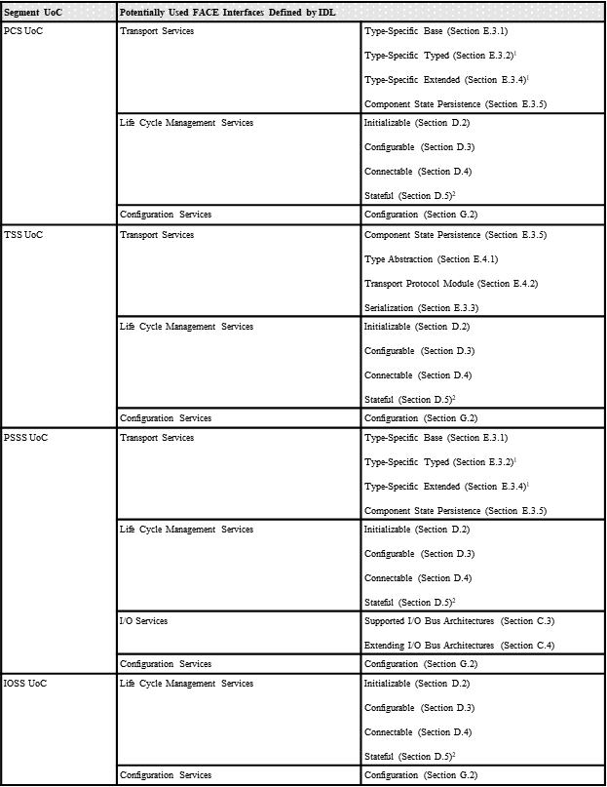
F-1314 | N |  | 1 This interface is instantiated for each specific message type, and each instantiation requires a separate instantiation of Injectable.
F-1315 | N |  | 2 This interface is instantiated for each state representation, and each instantiation requires a separate instantiation of Injectable.
F-1316 | H |  | 4.11.4 Unit of Conformance Requirements
F-1317 | Y | PSSS PCS TSS IOSS OSS | 1. A UoC shall exist entirely in a single segment. | Inspection | UoC Designs
F-1318 | H |  | 4.11.4.1 Injectable Interface Requirements
F-1319 | Y | PSSS PCS TSS IOSS | 1. A UoC shall provide an instance of the Injectable Interface for each FACE Interface declared by IDL that it uses. (See Table 8 for the list of IDL Defined interfaces.) | Inspection | UoC Designs |  | Inspection is for the list of used interfaces and a mapping to the specific instances of injectable.
F-1320 | Y | PSSS PCS TSS IOSS | 2. Instances of the Injectable Interface provided by a UoC shall be in accordance with Appendix I. | Test | Test Suite
F-1321 | Y | PSSS PCS TSS IOSS OSS | 3. A UoC shall document the FACE Interfaces declared by IDL that it provides. | Inspection | Usage Information |  | A UoC providing none of the IDL interfaces, such as an OSS providing only the HMFM interface, need only document that they provide no such interfaces.
F-1322 | Y | PSSS PCS TSS IOSS | 4. The fully qualified name of the instantiated Injectable Interface module shall be <SCOPED_FACE_INTERFACE>_Injectable. | Test | Test Suite
F-1323 | N |  | Note: SCOPED_FACE_INTERFACE is the fully qualified name of the FACE Interface being bound by the instantiation. The resulting declarations follow programming language mapping rules as if the interface was declared in a directory tree and IDL file where the IDL file is the FACE Interface IDL file name with the “.idl” extension replaced with “_Injectable.idl”.
F-1324 | N |  | Note: As an example, for the FACE Interface that is fully scoped FACE::Configuration declared in FACE/Configuration.idl, the instantiated Injectable Interface module per this requirement is FACE::Configuration_Injectable and the programming language mapping rules are followed as if it was declared in FACE/Configuration_Injectable.idl.
F-1325 | N |  | Note: As an example, for the FACE Interface that is fully scoped FACE::IOSS::Generic::IO_Service declared in FACE/IOSS/Generic.idl, the instantiated Injectable Interface module per this requirement is FACE::IOSS::Generic::IO_Service_Injectable and the programming language mapping rules are followed as if it was declared in FACE/IOSS/Generic_Injectable.idl. Be aware all interfaces in the IOSS are named IO_Service, but have distinct fully scoped names.
F-1326 | N |  | Note: As an example, for the FACE Interface that is fully scoped FACE::TSS::< UOP_MODEL_NAME>::<DATATYPE_TYPE>::TypedTS, the instantiated Injectable Interface module per this requirement is FACE::TSS::< UOP_MODEL_NAME>::<DATATYPE_TYPE>::TypedTS_Injectable and the programming language mapping rules are followed as if it was declared in FACE/TSS/<UOP_MODEL_NAME>/<DATATYPE_TYPE>/TypedTS_Injectable.idl.
F-1327 | H |  | 4.11.4.2 Unit of Conformance Packaging Requirements
F-1328 | Y | Package | 1. A UoC Package shall be composed of UoCs from one of the following combinations of FACE segments: a. TSS and PCS b. PSSS and TSS c. IOSS and PSSS d. IOSS, PSSS, and TSS e. Multiple UoCs within same FACE segment | Inspection | UoC Designs
F-1329 | N |  | Note: Figure 22 depicts an example of different combinations of UoC Packages.
F-1330 | N |  | Note: PCS UoCs and PSSS UoCs must not be part of the same UoC Package.
F-1331 | N |  | Note: PCS UoCs and IOSS UoCs must not be part of the same UoC Package.
F-1332 | Y | Package | 2. All UoCs in a UoC Package shall be designed to operate in the same partition. | Inspection | UoC Designs
F-1333 | F |  | 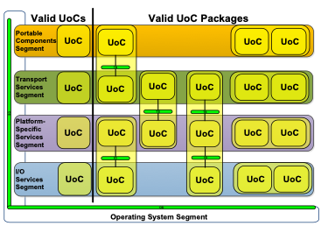
F-1334 | F |  | Figure 22: Valid UoC Packaging
F-1335 | N |  | 4.12 Graphics Services
F-1336 | N |  | FACE Graphics Services include the capabilities used to create Human Machine Interfaces (HMI) and can support 2D Rendering, 3D Rendering, Text Rendering, Context Creation, Windowing Capabilities, and Distributed Graphics Rendering. The following standards have been selected to enable the FACE Graphics Services:
F-1337 | N |  | • OpenGL/EGL
F-1338 | N |  | • ARINC 739
F-1339 | N |  | • ARINC 661
F-1340 | N |  | There are two classifications of Graphics Services within the FACE Reference Architecture: Graphics Rendering Services and Graphics Display Management Services. Graphics Rendering Services are appropriate for platforms where a single graphics standard needs to be implemented and a single service controls access to the display. Graphics Display Management Services provide for shared display resources and display management.
F-1341 | N |  | 4.12.1 Graphics Portability Considerations
F-1342 | N |  | Graphics Services creates the ability to develop portable UoCs in other segments which need to generate displays. Graphics Services prevents those UoCs from having knowledge about end system displays. Portability is also achieved through the use of well-defined and widely adopted graphics standards. Being widely adopted implies that the latest revision of a standard may not be typically supported due to lack of industry adoption.
F-1343 | N |  | 4.12.2 Relationship to FACE Reference Architecture
F-1344 | N |  | Graphics Services specified in this section can be placed in the FACE Reference Architecture, as shown in Figure 23. A Graphics Services UoC can exist in the PCS or the PSSS. A PCS Graphics Services UoC is required to use a well-defined set of interfaces and graphics standards, such as OpenGL SC, OpenGL ES, ARINC 739 Client, ARINC 739 Server, ARINC 661 Cockpit Display System (CDS), or ARINC 661 UA. A PSSS Graphics Services UoC is subject to the requirements of the PSSS Graphics Services sub-segment. The OSS provides OpenGL/EGL drivers when graphics drivers are needed for the platform.
F-1345 | F |  | 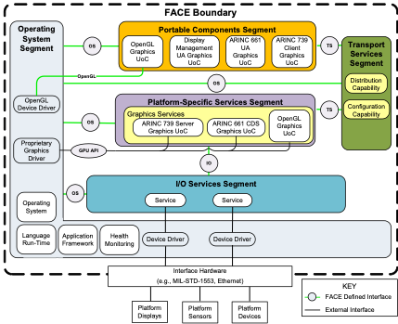
F-1346 | F |  | Figure 23: Graphics Services UoCs in the FACE Reference Architecture Context
F-1347 | N |  | 4.12.3 PSSS Graphics
F-1348 | N |  | PSSS Graphics Services sub-segment UoCs enable normalization of implementation-specific graphics rendering APIs. The FACE Technical Standard enables a PSSS Graphics Service UoC to abstract services beyond the graphics standards specified by the FACE Technical Standard.
F-1349 | N |  | 4.12.4 Graphics Services
F-1350 | N |  | Table 9 defines the graphics standards supported for each Graphics Service. Graphics Services contribute to multiple FACE segments: OSS, PSSS, and PCS. When configuring a platform using more than one of the graphics standards, or when it is required that a platform has the capability for Graphics UoCs to be added in the future, it is recommended that the platform provide Graphics Display Management Services.
F-1351 | F |  | Table 9: Graphics Services
F-1352 | F |  | 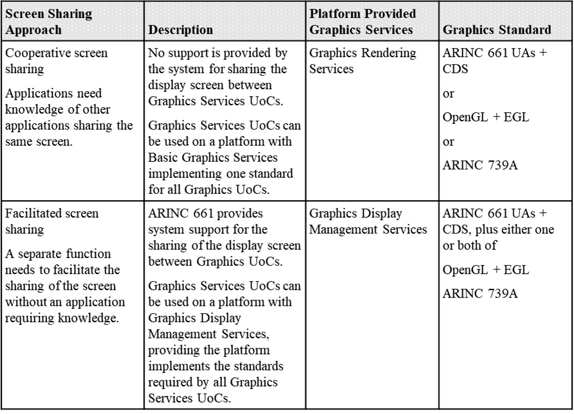
F-1353 | N |  | 4.12.4.1 ARINC 661
F-1354 | N |  | The ARINC 661 standard defines interface protocols between an ARINC 661 Cockpit Display System (CDS) and a User Application (UA). UAs transmit data to the CDS, which is responsible for managing the rendering of the widgets defined in the ARINC 661 Definition File (DF) using the graphics infrastructure available on the rendering platform.
F-1355 | N |  | Figure 24 provides a visual representation of the relationship of the various ARINC 661 software components in a generic rendering environment. ARINC 661 UAs incorporate the logic which drives run-time changes to the ARINC 661 CDS.
F-1356 | F |  | 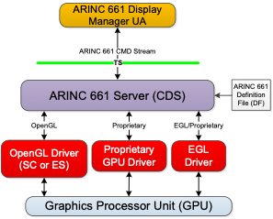
F-1357 | F |  | Figure 24: ARINC 661 Graphics Services Relationships
F-1358 | N |  | 4.12.4.1.1 Applicability in FACE Profiles
F-1359 | N |  | ARINC 661 can be used in the following FACE Profiles:
F-1360 | N |  | • Security
F-1361 | N |  | • Safety
F-1362 | N |  | • General Purpose
F-1363 | N |  | 4.12.4.1.2 ARINC 661 Widgets
F-1364 | N |  | ARINC 661 includes a very large set of widgets which are not all necessary in every implementation. In order to reduce the requirement for every implementation to support all widgets, a minimum set of widgets required to be supported by the CDS is defined in Table 10.
F-1365 | F |  | Table 10: ARINC 661-5 Widget Subset
F-1366 | F
F-1367 | N |  | 4.12.4.2 ARINC 739A
F-1368 | N |  | ARINC 739A defines a message-oriented interface between avionics subsystems and a Multi-purpose Control and Display Unit (MCDU) through an ARINC 429 serial data bus. An MCDU provides a keyboard and a display with line select keys for the display and control of connected subsystems within a hierarchical menu-based structure. ARINC 739A was based on ARINC 739 and included changes to allow for a smaller form factor and included considerations for the MCDU display and dual subsystems installations.
F-1369 | N |  | Only the subsystem serial data communication and the related MCDU display functionality may be part of the ARINC 739A Server in the PSSS.
F-1370 | N |  | The following specifications in Table 11 define the ARINC 739A functional behavior and protocol.
F-1371 | F |  | Table 11: ARINC 739A Functional Behavior Specifications
F-1372 | F
F-1373 | N |  | The FACE General Purpose, Safety, and Security OSS Profile implementations of this graphics interface are identical.
F-1374 | N |  | 4.12.4.3 OpenGL
F-1375 | N |  | The Khronos Open Graphics Language (OpenGL) is a cross-language, cross-platform API for rendering 2D and 3D vector graphics. OpenGL is typically used with a Graphics Processing Unit (GPU) to achieve hardware-accelerated rendering. The Khronos Native Platform Graphics Interface (EGL) is an interface between OpenGL APIs and the underlying native platform windowing system. The Khronos Group manages the OpenGL and EGL specifications. The FACE Technical Standard specifies the use of EGL, OpenGL Safety-Critical (SC), or OpenGL Embedded Systems (ES) profiles.
F-1376 | N |  | Graphics Services UoCs using OpenGL make direct calls to the OpenGL and EGL drivers to render graphics content from either the PCS or PSSS segments. Figure 25 illustrates this.
F-1377 | F |  | 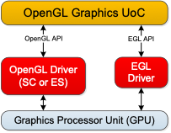
F-1378 | F |  | Figure 25: OpenGL Graphics Services UoC
F-1379 | N |  | 4.12.4.3.1 OpenGL Applicability in FACE Profiles
F-1380 | N |  | OpenGL/EGL can be used in the following FACE Profiles:
F-1381 | N |  | • Security
F-1382 | N |  | • Safety
F-1383 | N |  | • General Purpose
F-1384 | N |  | 4.12.5 Graphics Rendering Services
F-1385 | N |  | Graphics Rendering Services are appropriate for platforms where only a single graphics standard is provided and a single service controls access to the display. Graphics Services UoCs rendering to a single screen can be ported between FACE environments with minimal effort.
F-1386 | N |  | 4.12.6 Graphics Display Management Services
F-1387 | N |  | Graphics Display Management Services provide a standard way to share and control graphics resources within a platform. The Graphics Display Management Services reside in the PSSS. It is recommended that platforms provide these services when integrating multiple PCS Graphics Services or UoCs onto a common display.
F-1388 | N |  | Display Management is the ability to allocate and control parts of, or the whole display, to a specific Graphic Services UoC. Display Management aims to provide the ability to add Graphics Services UoCs to a system with minimal integration relative to the existing software components. In order to allow future additions of Graphics Services UoCs, the concept of a display manager was created. This method allows most existing Graphics Services UoCs to remain unchanged when adding new Graphics Services UoCs to the system.
F-1389 | N |  | ARINC 661 is used for Display Management. This allows OpenGL software components to co-exist with ARINC 661 UA software components. It also provides an enforceable display space partitioning scheme similar to the memory and space partitioning of the operating system. The ARINC 661 CDS provides a standardized interface to control window positioning, focus, and stacking, and a single instance in the FACE Reference Architecture constrains ownership of the display surfaces to the CDS which enforces display space partitioning.
F-1390 | N |  | The FACE Technical Standard defines Graphics Display Management Services where an ARINC 661 Display Management UA UoC is responsible for display manager logic. The ARINC 661 Display Management UA is the only software component that needs to be updated to add additional Graphics Services UoCs to a system. An example of a simple display management UA UoC is one which provides the whole screen to a single OpenGL Graphics Services UoC. A complex display management software component may allow several Graphics Services UoCs to share the screen.
F-1391 | N |  | 4.12.6.1.1 The Display Management Environment
F-1392 | N |  | In the Graphics Display Management Services, the ARINC 661 CDS “owns” the display, and is responsible for layout and visibility of everything drawn on the screen, and, in general, is the only software capable of drawing on the screen. ARINC 661 defines the External Source widget as a way to position a video source at a specific location on a display surface. The External Source widget provides a portable means to composite multiple Graphics Services UoCs on a single screen. The External Source widget has defined interfaces to control which Graphics Services UoCs outputs are visible at a given time, the Graphics Services UoC’s outputs location and size on the screen, as well as the stacking order of the windows.
F-1393 | N |  | The ARINC 661 CDS uses the EGL_EXT_compositor extension to set the size of and allocate off-screen buffers for the OpenGL Graphics Services UoCs. The extension allows for the composition of multiple OpenGL/EGL graphics contexts within a multi-partitioned EGL system. The extension allows a primary EGLContext to be created with multiple off-screen windows. The extension provides for asynchronous off-screen window updates and information assurance by the compositor using the primary EGLContext. The extension prevents OpenGL Graphics UoC from interfering with other rendering contexts within the system and from rendering to the primary EGLContext.
F-1394 | N |  | Therefore, an OpenGL Graphics Services UoC renders using the local OpenGL and EGL APIs. OpenGL Graphics Services UoCs using standard EGL functions are able to query the screen size the ARINC 661 CDS set for the given OpenGL Graphics Service UoC, and have no need to know of any of the other Graphics Services UoCs sharing the same display surface. The OpenGL Graphics Services UoCs render as they normally would; either periodically or event-driven. When an OpenGL Graphics Services UoC finishes rendering a frame, the Graphics Services UoC calls the standard OpenGL and EGL APIs to flush the buffer to the screen. This allows the OpenGL Graphics Services UoC to maintain the highest level of portability.
F-1395 | N |  | Figure 26 shows some of the data flows and APIs used to allow OpenGL, ARINC 661, and ARINC 739 to co-exist on the same system. OpenGL Graphics Services UoCs only use OpenGL and EGL APIs to render graphics, which are then placed on the display by the ARINC 661 CDS. ARINC 661 UAs use the ARINC 661 data stream to communicate directly with the ARINC 661 CDS using the TS Interface. The ARINC 661 CDS also communicates window sizing and positioning to the EGL driver such that OpenGL Graphics Services UoCs have correct sizing data using the EGL_EXT_compositor extension.
F-1396 | N |  | Figure 26 also shows an ARINC 739 Server Graphics Services UoC using a proprietary interface to the GPU to render its graphic. The ARINC 739-rendered frames are then placed on the display surface by the ARINC 661 CDS according to any display management that may be applied. The ARINC 661 CDS interfaces to the graphics rendering system using any of the available APIs for which a platform may expose to Graphics Services UoCs.
F-1397 | F |  | 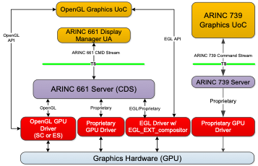
F-1398 | F |  | Figure 26: Graphics Services Software Component Relationships
F-1399 | N |  | 4.12.6.1.2 External Source Widgets
F-1400 | N |  | ARINC 661 external source widgets are used to provide window control for rendering objects outside of the other ARINC 661 widgets. Windows are made available to OpenGL via an EGL driver that includes the EGL_EXT_compositor extension. The ARINC 661 CDS uses the same EGL driver to control the OpenGL rendering areas. In this environment, an ARINC 661 DF file for window management consists of standard ARINC 661 graphics widgets including some number of external source widgets. The windows are then managed by the Display Management UA UoC using the standard ARINC 661 object stacking, location, and visibility rules. The ARINC 661 CDS configures the EGL driver such that OpenGL Graphics Services UoCs can correctly use the screen.
F-1401 | N |  | The External Source widget using the EGL_EXT_compositor extension provides a standard interface to specify window location and dimensions for OpenGL frame buffers used by the OpenGL Graphics Services UoCs. This provides a means to control specialized hardware designed to composite external video, or similar software components of non-ARINC 661-generated images or video. The ARINC 661 CDS works with the EGL driver such that OpenGL Graphics Services UoCs can share the screen space. An OpenGL Graphics Services UoC using this EGL API may exist in the PCS or PSSS.
F-1402 | H |  | 4.12.7 OSS Requirements for Graphics Services
F-1403 | Y | OSS | 1. When supporting OpenGL, an OSS UoC shall provide OpenGL drivers compatible with OpenGL SC 1.0.1 or OpenGL SC 2.0, or OpenGL ES 2.0. | Inspection | UoC Designs |  |  | Graphics
F-1404 | Y | OSS | 2. When supporting EGL, an OSS UoC shall provide EGL drivers compatible with EGL 1.4 or EGL 1.4 with the EGL_EXT_compositor extension. | Inspection | UoC Designs |  |  | Graphics
F-1405 | Y | OSS | 3. When supporting Graphics Display Management Services, an OSS UoC shall provide an EGL driver with the EGL_EXT_compositor extension. | Inspection | UoC Designs |  |  | Graphics
F-1406 | N |  | Note: An OpenGL or EGL driver can be provided as part of the OSS. OpenGL and EGL drivers expected to support Graphics UoCs in the PCS or PSSS will need to be able to support OpenGL SC 1.0.1 or OpenGL SC 2.0, or OpenGL ES 2.0 or EGL 1.4, or EGL 1.4 with EGL_EXT_compositor extensions.
F-1407 | H |  | 4.12.8 PCS Requirements for Graphics Services
...
Row ID | Verification Needed (Y/N/H/F) | FACE Segment | Technical Standard Requirements | Verification Method | Conformance Artifacts | Software Supplier Artifact Cross-Reference | Verification Notes | Conditional Requirements
F-1642 | N |  | • A typedef defining an alias <fully-scoped interface name>_<operation name>_t for a function pointer
F-1643 | N |  | The first parameter in the function pointer’s signature is named this_obj, and its type is a pointer to the interface struct. The other parameters map from the IDL parameters in the same order, each with the same name as its corresponding IDL parameter and with a type mapped from its corresponding IDL parameter as specified elsewhere. The return type of the C function pointer is always FACE_interface_return. If the IDL operation has a non-void return type, then the C function pointer maps as if the IDL operation had an additional “out” parameter named retval whose type is the non-void return type.
F-1644 | N |  | • A member in the interface operations table struct
F-1645 | N |  | The name of the member is the same as the IDL operation, and its type is the alias defined by the typedef. These members follow the initialization and cleanup function pointer members, and they are declared in the same order as the operations in IDL.
F-1646 | N |  | • A #define macro for the operation
F-1647 | N |  | This macro hides the operation table lookup, allowing simpler code in business logic that uses the interface. The #define identifier for the initialization function is <fully-scoped interface name>_<operation name>(<parameter list>), and the replacement is ((_this_obj)->ops.<operation_name>)(<paren_parameter list>), where <parameter list> is a comma-separated list of parameter names from the corresponding function pointer, each prepended with an underscore, and where <paren parameter_list> is the same, but with parentheses around each underscore-prepended parameter name.
F-1648 | N |  | These function pointers, the operations table struct, and the main interface struct are effectively analogous to a C++ abstract class. Keeping the C++ analogy, these functions are effectively “pure virtual”.
F-1649 | N |  | Interface Operations Example
F-1650 | N |  | A parameter’s directionality in IDL affects the parameter’s type in C, as summarized in Table 13. The return type of a C function pointer corresponding to an operation is always FACE_interface_return.
F-1651 | F |  | Table 13: IDL Operation Parameter C Mapping
F-1652 | F |  | 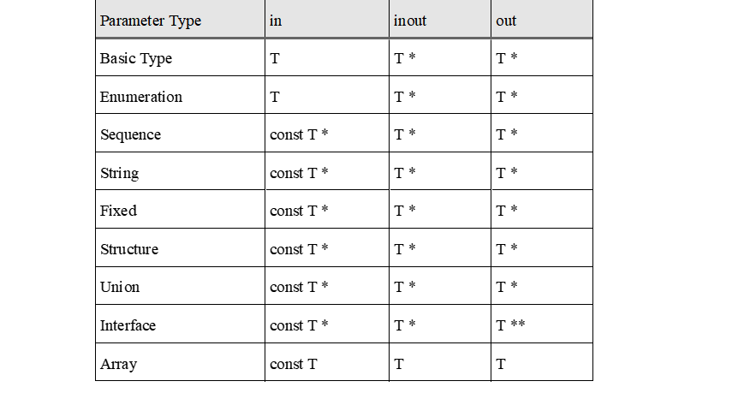
F-1653 | N |  | The following outlines the ownership and memory management responsibilities of parameter passing based on an IDL parameter’s directionality:
F-1654 | N |  | • IDL in parameters – the caller is responsible for providing all storage (either dynamically or statically allocated)
F-1655 | N |  | • IDL out parameters – the caller is responsible for providing storage (either dynamically or statically allocated) for the top-level type.
F-1656 | N |  | For strings and sequences (whether as parameters themselves or as a component of a compound type), the callee is permitted to re-size or re-allocate the contained buffer, provided the instance of the object in question is managed. As a consequence of this, the caller may choose to simply initialize a string or sequence and rely on the callee to allocate storage for that object.
F-1657 | N |  | • IDL inout parameters – the caller is responsible for providing storage (either dynamically or statically allocated) for the top-level type
F-1658 | N |  | For strings and sequences (whether as parameters themselves or as a component of a compound type), the callee is permitted to re-size or re-allocate the contained buffer, provided the instance of the object in question is managed. As a consequence of this, the caller may choose to simply initialize a string or sequence and rely on the callee to allocate storage for that object.
F-1659 | N |  | 4.14.7.9.3 Attributes
F-1660 | N |  | Attributes in IDL logically map to an accessor operation for both mutable and readonly attributes, and a mutator operation for mutable attributes. The accessor operation is named get_<attribute name>, takes no parameters, and returns the same type as the attribute. The mutator operation is named set_<attribute name>, takes an in parameter with the same type and identifier as the attribute, and returns void. These operations then map according to Section 4.14.7.9.2. Both operations are declared at the same point the attribute was declared, and the set operation immediately follows its corresponding get operation.
F-1661 | N |  | Interface Attributes Example
F-1662 | N |  | 4.14.7.9.4 Declarations
...
Row ID | Verification Needed (Y/N/H/F) | FACE Segment | Technical Standard Requirements | Verification Method | Conformance Artifacts | Software Supplier Artifact Cross-Reference | Verification Notes | Conditional Requirements
F-1704 | N |  | Typedef Example 1
F-1705 | N |  | Structures, unions, and enumerations can be declared within a typedef in IDL, which is logically equivalent to a type declaration immediately followed by a typedef.
F-1706 | N |  | Typedef Example 2
F-1707 | N |  | 4.14.8.6 Constants
F-1708 | N |  | A constant maps to a #define in C++. The #define identifier is the fully scoped name of the IDL constant, as specified in Section 4.14.8.1. If the IDL constant’s value expression is a scoped name, then the #define replacement is mapped from that scoped name as specified in Section 4.14.8.1. Otherwise, the #define replacement is a C++ expression mapped from the IDL constant expression as specified in Section 4.14.4. In all cases, the #define replacement includes a cast to the fully-qualified type mapped from the IDL constant’s type as specified elsewhere.
F-1709 | N |  | Constants Example
F-1710 | N |  | 4.14.8.7 Simple Types
F-1711 | N |  | 4.14.8.7.1 Basic Types
F-1712 | N |  | IDL Basic Types map to C++ types according to Table 14 below. Implementations provide definitions for these C++ types that align with the given size and range requirements. The file containing these definitions is “FACE/types.hpp”, specified in Section K.2.1.
F-1713 | F |  | Table 14: IDL Basic Type C++ Mapping
F-1714 | F |  | 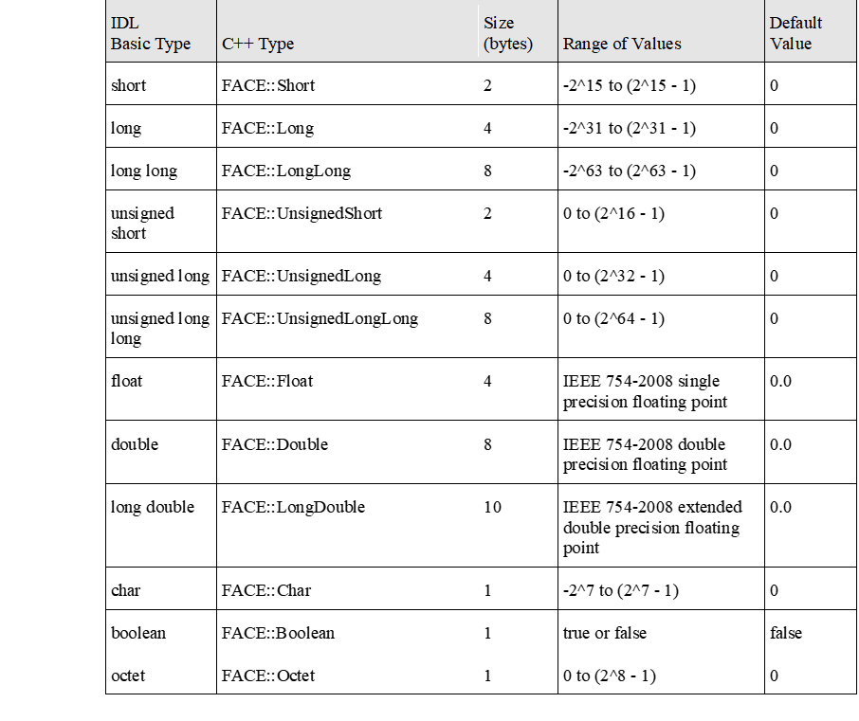
F-1715 | N |  | 4.14.8.7.2 Sequences
F-1716 | N |  | Bounded and unbounded sequences map to a typedef FACE::Sequence specialization with the appropriate element type and a #define in C++, where the #define identifier is the fully-scoped name of the sequence (as specified in Section 4.14.8.1) appended with “_bound_value”, and the #define’s replacement is the sequence’s maximum size cast to a FACE::UnsignedLong. To indicate that a sequence is unbounded, the sentinel value FACE::Sequence<T>::UNBOUNDED_SENTINEL is used as the replacement value. Full specification for FACE::Sequence is in Section K.2.2.
F-1717 | N |  | Note: The bound of a sequence is an instance parameter of FACE::Sequence. Implementations are responsible for instantiating a FACE::Sequence with the appropriate maximum size.
F-1718 | N |  | Sequence Example
F-1719 | N |  | 4.14.8.7.3 Strings
F-1720 | N |  | Bounded and unbounded strings map to a typedef FACE::String and a #define in C++, where the #define identifier is the fully-scoped name of the string (as specified in Section 4.14.8.1) appended with “_bound”, and the #define’s replacement is the string’s maximum size cast to a FACE::UnsignedLong. To indicate that a string is unbounded, the sentinel value FACE::String::UNBOUNDED_SENTINEL is used as the replacement value. Full specification for FACE::String is in Section K.2.3.
F-1721 | N |  | Note: The bound of a string is an instance parameter of FACE::String. Implementations are responsible for instantiating a FACE::String with the appropriate maximum size.
F-1722 | N |  | String Example
F-1723 | N |  | 4.14.8.7.4 Fixed
F-1724 | N |  | A fixed type maps to a typedef FACE::Fixed and two #defines to represent the type’s digits and scale. For the digits #define, the identifier is the fully-scoped name of the fixed type (as specified in Section 4.14.8.1) appended with “_digits”, and the replacement is the type’s total number of digits cast to a FACE::UnsignedShort. For the scale #define, the identifier is the fully-scoped name of the fixed type (as specified in Section 4.14.8.1) appended with “_scale”, and the replacement is the type’s scale cast to a FACE::UnsignedShort. Implementations are responsible for initializing a fixed type using these constants. Full specification for FACE::Fixed is in Section K.2.4.
...
Row ID | Verification Needed (Y/N/H/F) | FACE Segment | Technical Standard Requirements | Verification Method | Conformance Artifacts | Software Supplier Artifact Cross-Reference | Verification Notes | Conditional Requirements
F-1871 | N |  | Structures, unions, and enumerations can be declared within a typedef in IDL, which is logically equivalent to a type declaration immediately followed by a typedef.
F-1872 | N |  | Typedef Example 2
F-1873 | N |  | 4.14.9.5 Constants
F-1874 | N |  | A constant in IDL maps to a constant of the same name in Ada. The type of the Ada constant is mapped as specified elsewhere. The value of the Ada constant is mapped from the IDL constant expression as specified in Section 4.14.4.
F-1875 | N |  | If the IDL expression is an enumeration literal, the Ada constant’s value is the appropriate enumeration literal in Ada.
F-1876 | N |  | Constants Example
F-1877 | N |  | 4.14.9.6 Simple Types
F-1878 | N |  | 4.14.9.6.1 Basic Types
F-1879 | N |  | IDL Basic Types map to Ada (sub)types according to Table 18, for which implementations provide the given definitions.
F-1880 | F |  | Table 18: IDL Basic Type Ada Mapping
F-1881 | F |  | 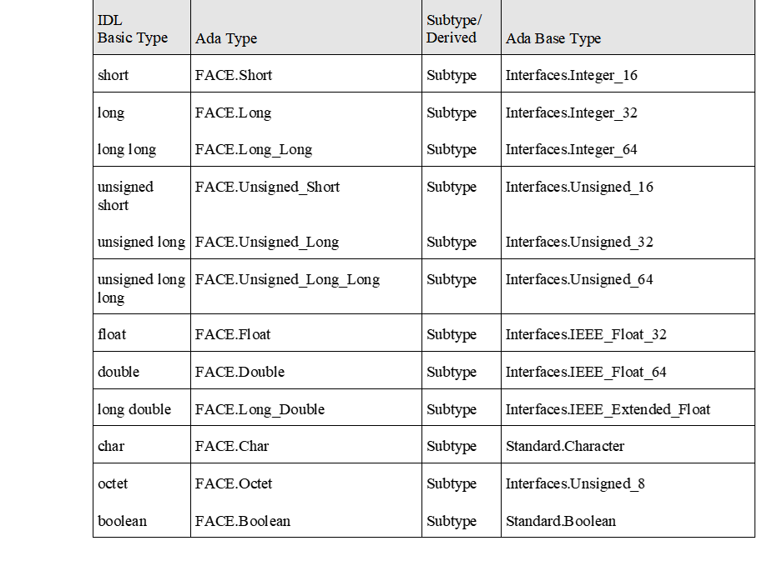
F-1882 | N |  | 4.14.9.6.2 Sequences
F-1883 | N |  | The first use of a bounded sequence in a scope maps to an instantiation (in the same scope) of the generic FACE.Sequences.Bounded package named “FACE_Bounded_Sequence_<type>”, where <type> is the name of the sequence’s element type. The actual for the formal parameter “Element” is mapped from the sequence’s type as specified elsewhere. All references to the bounded sequence within the same scope map to the “Sequence” type defined in this instantiation.
F-1884 | N |  | An unbounded sequence maps in the same way, except using an instantiation of FACE.Sequences.Unbounded named FACE_Unbounded_Sequence_<type>.
F-1885 | N |  | When constructing a sequence package instantiation’s name, if the IDL sequence’s element type is a basic type, <type> is the IDL typename; otherwise, <type> is the typename as mapped to Ada.
F-1886 | N |  | Full specification for these packages is in Section K.3.1.1, Section K.3.1.2, and Section K.3.1.3.
F-1887 | N |  | Sequence Example
F-1888 | N |  | 4.14.9.6.3 Strings
F-1889 | N |  | An IDL unbounded string maps to Ada as if it were an IDL unbounded sequence of characters. An IDL bounded string maps to Ada as if it were an IDL bounded sequence of characters with the same bound.
F-1890 | N |  | String Example
F-1891 | N |  | 4.14.9.6.4 Fixed
...
Row ID | Verification Needed (Y/N/H/F) | FACE Segment | Technical Standard Requirements | Verification Method | Conformance Artifacts | Software Supplier Artifact Cross-Reference | Verification Notes | Conditional Requirements
F-1932 | N |  | Interface Implementation Example
F-1933 | N |  | 4.14.9.10 Native Types
F-1934 | N |  | There is no general mapping for a native type. Each native type declaration is accompanied by a mapping to Ada which covers all instances in which the native type might be used, including but not limited to type definitions and operation parameters (in, inout, out).
F-1935 | N |  | The following native types are used in FACE Standardized Interfaces:
F-1936 | N |  | • FACE::SYSTEM_ADDRESS_TYPE
F-1937 | N |  | In all cases, this type maps to a System.Address in Ada.
F-1938 | N |  | 4.14.10 IDL to Java Mapping
F-1939 | N |  | This section defines a mapping from a subset of IDL 4.1 to Java. It is based on mappings defined in OMG IDL to Java Language Mapping, Version 1.3. Table 19 is a summary of the mappings elaborated upon in this section.
F-1940 | N |  | This section may be modified in subsequent releases. Prior to implementing, please ensure you are using the latest revision of FACE Technical Standard, Edition 3.x, and you have checked to see if any minor releases, corrigenda, or approved corrections have been published.
F-1941 | F |  | Table 19: Summary of IDL to Java Mapping
F-1942 | F |  | 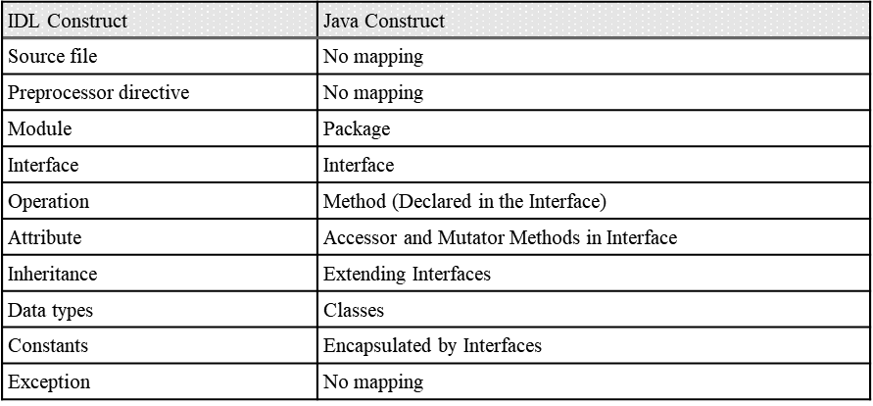
F-1943 | N |  | 4.14.10.1 Names
F-1944 | N |  | Names in IDL generally obey Java naming conventions, with exceptions described below. Unless otherwise excepted below, unscoped names in IDL appear in the generated source code character-for-character.
F-1945 | N |  | In addition, cases exist where a name that is legal in IDL may conflict with the corresponding Java source. When this occurs, the name for that symbol is constructed by prefixing it with “FACE_”. The following is a list of potential naming conflicts:
F-1946 | N |  | • Keywords in the Java language (e.g., abstract, boolean, if, etc.)
F-1947 | N |  | • Java literals (e.g., true, false, null)
F-1948 | N |  | • IDL declarations that collide with methods on java.lang.Object (e.g., clone, equals, hashCode, etc.)
F-1949 | N |  | • IDL declarations that collide with class, interface, and method names as defined by this section
F-1950 | N |  | Any language in the remainder of this section indicating that a Java construct has the “same name” as its IDL counterpart takes this conflict resolution into account.
F-1951 | N |  | 4.14.10.2 File Names
F-1952 | N |  | There is no associative mapping of an IDL source file into a Java source file. Each Java package and public class created by the IDL to Java mapping rules defined throughout Section 4.14.10 is subject to the following file naming conventions:
...
Row ID | Verification Needed (Y/N/H/F) | FACE Segment | Technical Standard Requirements | Verification Method | Conformance Artifacts | Software Supplier Artifact Cross-Reference | Verification Notes | Conditional Requirements
F-1964 | N |  | Typedef Equivalence Example
F-1965 | N |  | 4.14.10.6 Constants
F-1966 | N |  | Constants map differently depending on scope. In all cases, the value of the Java constant is mapped from the IDL constant expression as specified in Section 4.14.4, and its type is mapped as specified elsewhere. If a constant appears within an interface, the IDL constant is mapped to a final qualified member of the same name in the resulting Java interface.
F-1967 | N |  | Constant Example 1
F-1968 | N |  | If a constant is declared outside of an interface scope, it maps to a Java interface with the same name as the constant with a final qualified member named “value” for assigning the constant’s value.
F-1969 | N |  | Constants Example 2
F-1970 | N |  | 4.14.10.7 Simple Types
F-1971 | N |  | 4.14.10.7.1 Basic Types
F-1972 | N |  | Table 20 shows the mapping of IDL basic types to Java. Care should be taken when using unsigned types in the IDL as Java does not support usage of unsigned types.
F-1973 | F |  | Table 20: IDL Basic Type Java Mapping
F-1974 | F |  | 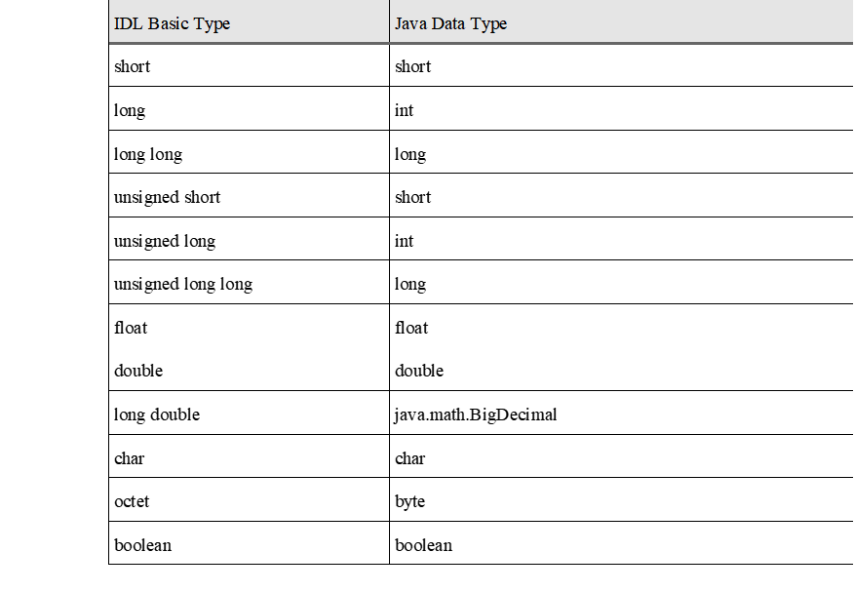
F-1975 | N |  | 4.14.10.7.2 Sequences
F-1976 | N |  | An IDL sequence maps to a java.util.List for both bounded and unbounded cases. Bounds are enforced by the implementation of a method that uses the type, as specified in Section 4.14.10.10.5.
F-1977 | N |  | All values specifying the length of a sequence get removed when the IDL maps to Java. If the value of the sequence length is desired to be represented in the Java representation, then the value is represented as a constant value in IDL.
F-1978 | N |  | Sequence Example
F-1979 | N |  | // IDL
F-1980 | N |  | 4.14.10.7.3 Strings
F-1981 | N |  | IDL strings map to a Java String for both bounded and unbounded cases. Bounds are enforced by the implementation of a method that uses the type, as specified in Section 4.14.10.10.5.
F-1982 | N |  | Any values restricting the length of an IDL string are removed when mapping to Java. If a value restricting the length of a string is desired to be represented in the Java representation, then the value should be represented as a constant value in IDL.
F-1983 | N |  | 4.14.10.7.4 Fixed
F-1984 | N |  | IDL fixed types map to java.math.BigDecimal.
...
Row ID | Verification Needed (Y/N/H/F) | FACE Segment | Technical Standard Requirements | Verification Method | Conformance Artifacts | Software Supplier Artifact Cross-Reference | Verification Notes | Conditional Requirements
 |  |  | 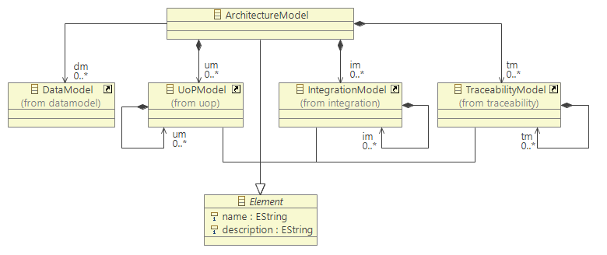

 |  |  | 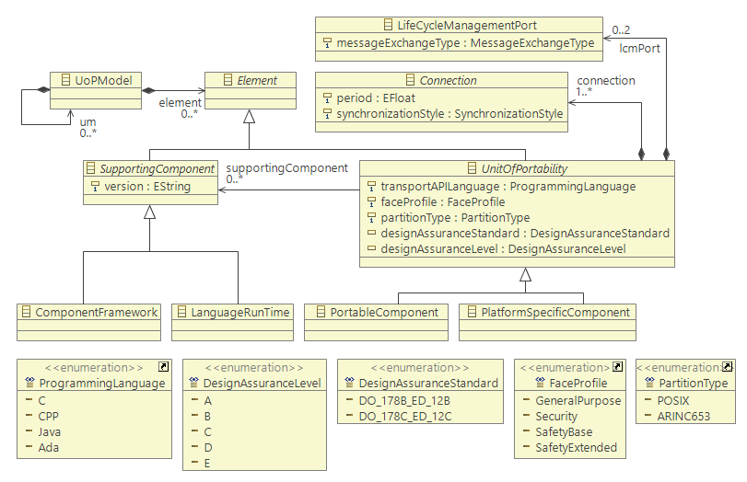

 |  |  | 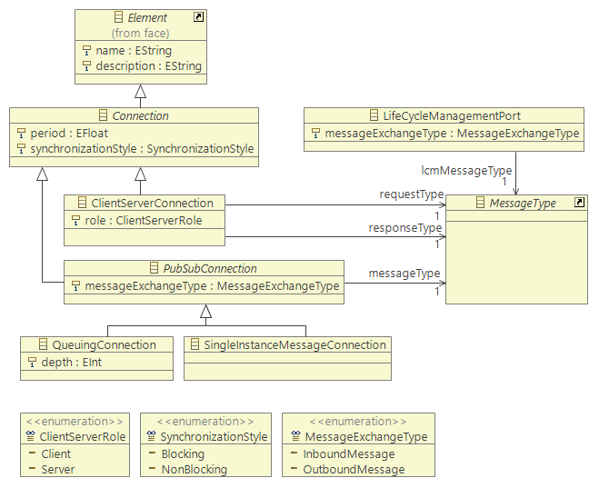

 |  |  | 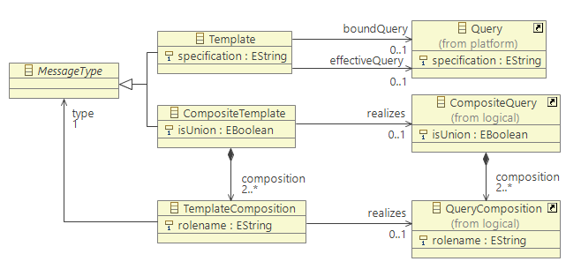

 |  |  | 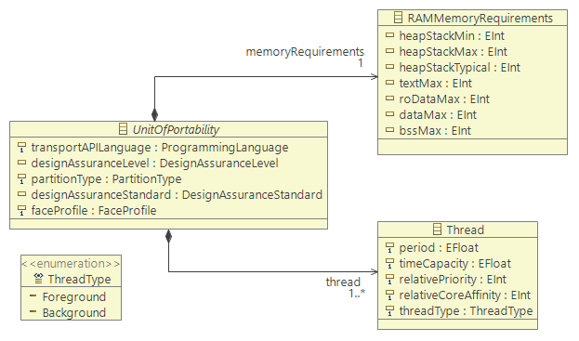

 |  |  | 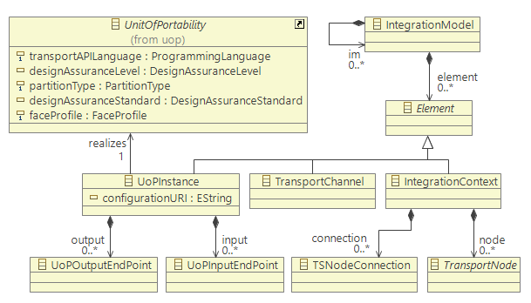

 |  |  | 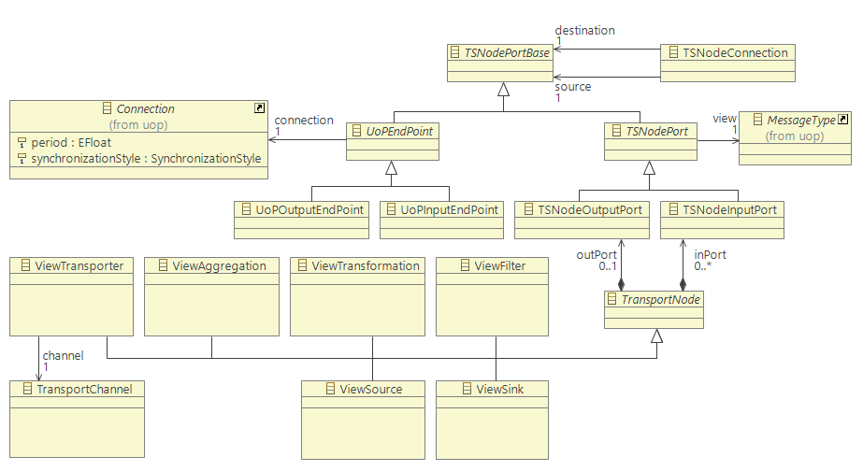

 |  |  | 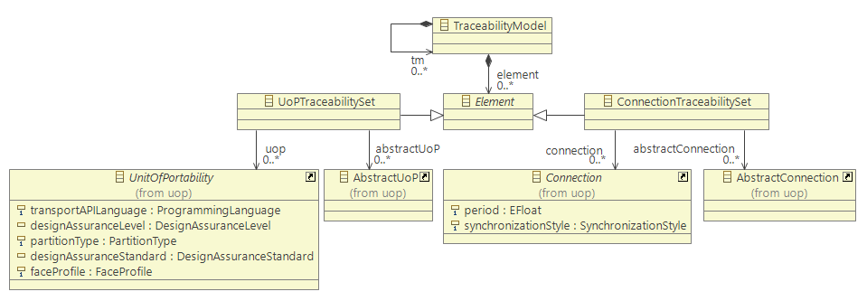

 |  |  | 