Sheet1
Bug ID | Summary | Steps to Reproduce | Expected Result | Actual Result | Screenshot | Priority | Severity | Affected Feature / Version
CAT-001 | Category update allows invalid inputs | 1. Login as Admin 2. Open Category list 3. Select a Category 4. Enter invalid values (Name empty, duplicate Slug 'hand-tools', or Name >120 chars) 5. Click Save | System should show validation errors and block update | System saved changes without showing validation errors | 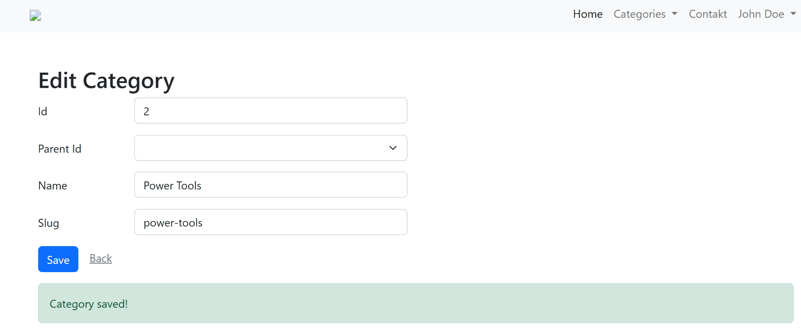 | High | Major | Category Management
CAT-002 | Category displays empty input when browsing | 1. Login as Admin 2. Open Category list 3. Select a Category | System should display input in detail | Empty input from the UI | 
PROD-001 | Product update allows invalid inputs | 1. Login as Admin 2. Open Product list 3. Select a Product 4. Enter invalid values (Name empty, Description empty, Price -10, Stock -5, is_location_offer empty, is_rental empty) 5. Click Save | System should show validation errors and block update | System saved changes without showing validation errors | 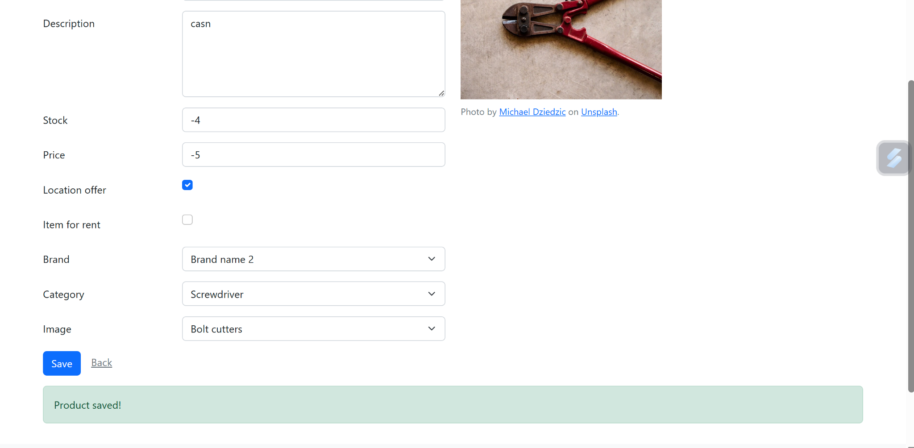 | High | Critical | Product Management

