Sheet1
Bug ID | Summary | Type | Steps to Reproduce | Actual Result vs Expected Result | Screenshot (if possible) | Priority | Severity | Affected Feature / Version
1 | Dark/Light mode Missing | GUI | 1. Access the page | 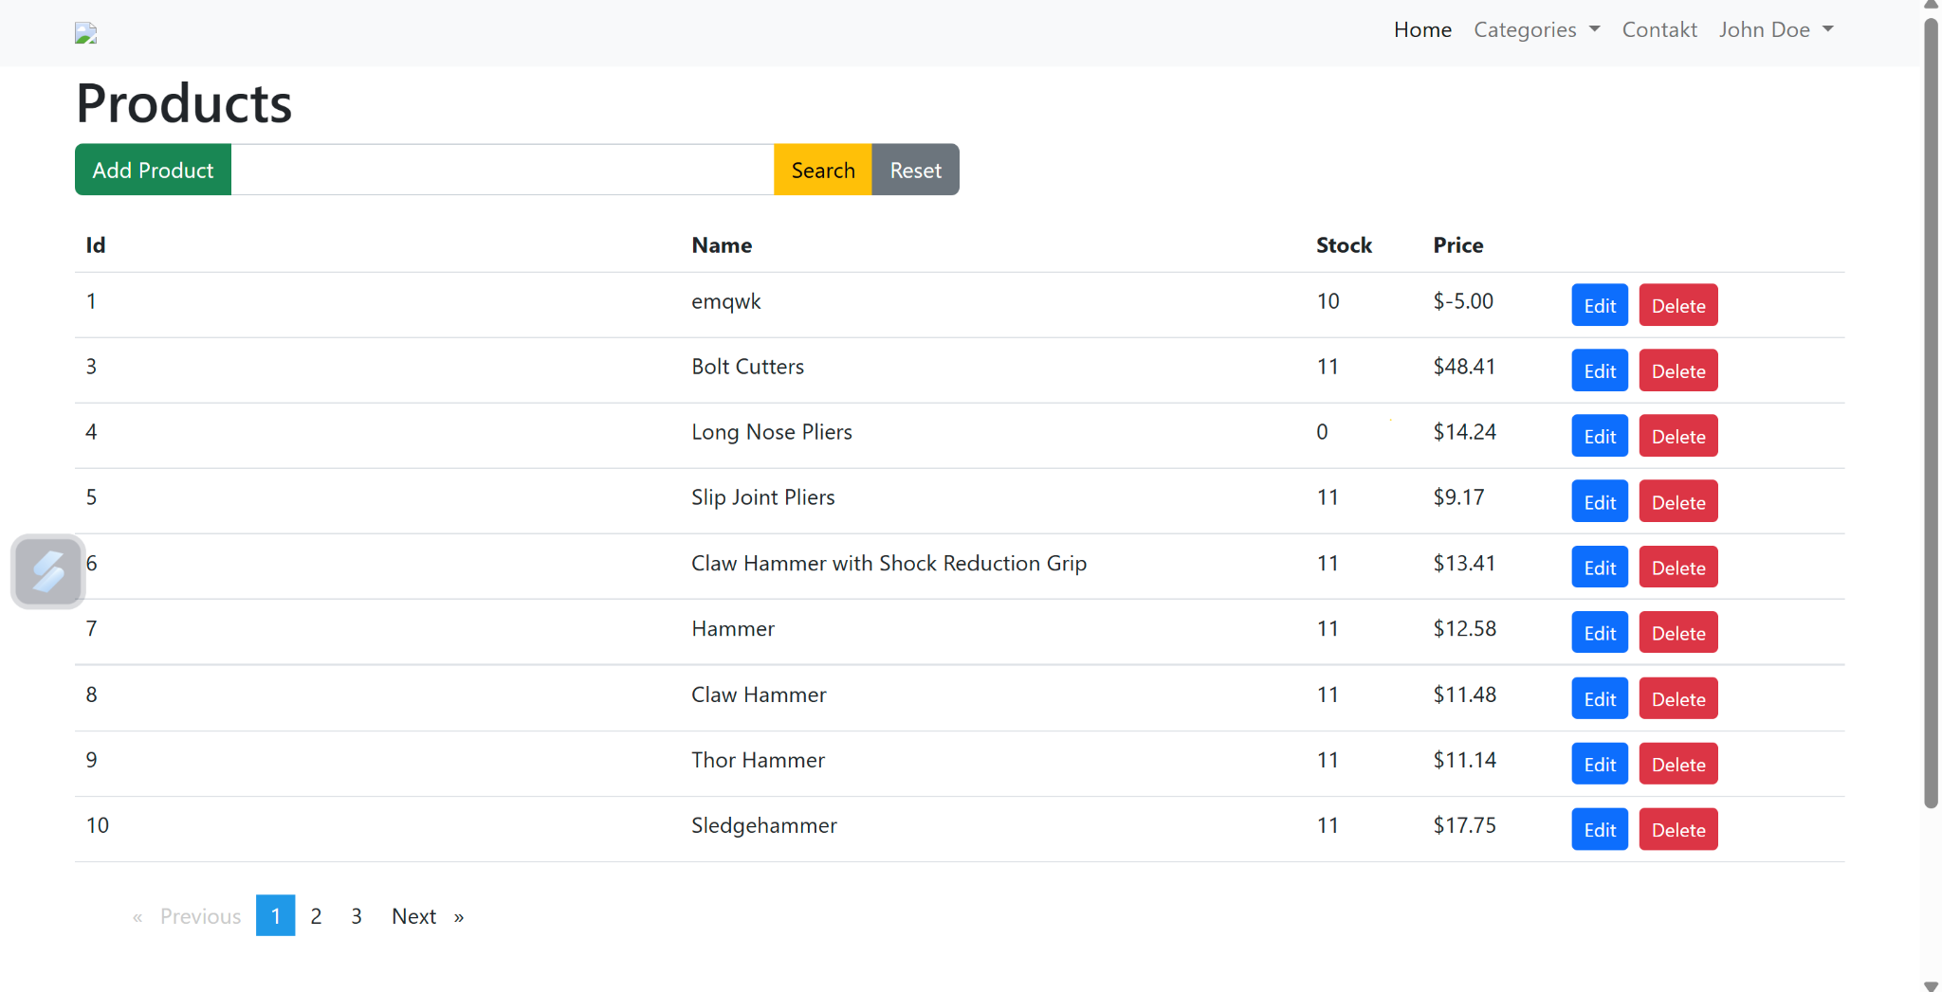 Expected result: Have dark/light mode Actual result: No |  | feature | Middle | Displaying
2 | Button with different sizes | GUI | 1. Access to this link: https://with-bugs.practicesoftwaretesting.com 2. Log in with the admin account: + email: admin@practicesoftwaretesting.com + password: welcome01 3. Click to the 'John Doe' profile to open the dropdown menu. 4. Click to the product option from the dropdown. | Expected result: Buttons with the same size Actual result: Buttons with different size |  | minor | Middle | Editing, Adding, Deleting
4 | Missing placeholder for search field | GUI | 1. Access to this link: https://with-bugs.practicesoftwaretesting.com 2. Log in with the admin account: + email: admin@practicesoftwaretesting.com + password: welcome01 3. Click to the 'John Doe' profile to open the dropdown menu. 4. Click to the product option from the dropdown. 5. Navigate to the search bar | Expected result: Search field with placeholder Actual result: Placeholder is empty |  | minor | Middle | Searching
5 | Grammatical issue | GUI | "1. Access to this link: https://with-bugs.practicesoftwaretesting.com 2. Log in with the admin account: + email: admin@practicesoftwaretesting.com + password: welcome01 3. Navigate to the Contakt option on the top-right corner | Expected result: Contact Actual result: Contakt |  | minor | Middle | Contacting
6 | Inconsistent table column spacing | GUI | "1. Access to this link: https://with-bugs.practicesoftwaretesting.com 2. Log in with the admin account: + email: admin@practicesoftwaretesting.com + password: welcome01 3. Click to the 'John Doe' profile to open the dropdown menu. 4. Click to the product option from the dropdown. 5. Navigate to the list product. | Expected result: Spacing between ID and Product name column is smaller Actual result: Spacing between ID and Product name column is large |  | minor | Middle | Listing products
7 | Confused color for buttons | GUI | "1. Access to this link: https://with-bugs.practicesoftwaretesting.com 2. Log in with the admin account: + email: admin@practicesoftwaretesting.com + password: welcome01 3. Click to the 'John Doe' profile to open the dropdown menu. 4. Click to the product option from the dropdown." 5. Navigate to the buttons , including Add products, Rest, Search, Edit, Delete | Expected result: 1-2 color for buttons Actual result: Each button has different color |  | minor | Middle | Editing, Adding, Deleting
8 | Slow response time when searching | Usability | "1. Access to this link: https://with-bugs.practicesoftwaretesting.com 2. Log in with the admin account: + email: admin@practicesoftwaretesting.com + password: welcome01 3. Click to the 'John Doe' profile to open the dropdown menu. 4. Click to the product option from the dropdown." 5. Type 'a' on the search bar and wait until it responses | Expected result: Execute at a glance Actual result: Execute for 2-3 mininutes |  | minor | Middle | Searching
9 | No visual indication of loading for users | Usability | "1. Access to this link: https://with-bugs.practicesoftwaretesting.com 2. Log in with the admin account: + email: admin@practicesoftwaretesting.com + password: welcome01 3. Click to the 'John Doe' profile to open the dropdown menu. 4. Click to the product option from the dropdown." 5. Type 'a' on the search bar and wait until it responses | Expected result: Visual like message or icon 'Loading', 'waiting' Actual result: No visual effects or messages |  | minor | Middle | Searching
10 | the pagination controls should be in the middle of the page | Usability | 1. Access to this link: https://with-bugs.practicesoftwaretesting.com 2. Log in with the admin account: + email: admin@practicesoftwaretesting.com + password: welcome01 3. Click to the 'John Doe' profile to open the dropdown menu. 4. Click to the product option from the dropdown."" | Expected result: Pagination controls in the middle of the page Actual result: No pagination control |  | minor | Middle | Loading products page
11 | cromped UI on mobile | Cross-platform | 1. Access to this link: https://with-bugs.practicesoftwaretesting.com 2. Log in with the admin account on mobile + email: admin@practicesoftwaretesting.com + password: welcome01 3. Click to the 'John Doe' profile to open the dropdown menu. 4. Click to the product option from the dropdown."" 5. Type 'a' on the search bar and wait until it responses" | Expected result: Responsive UI Actual result: Cromped, not responsive | 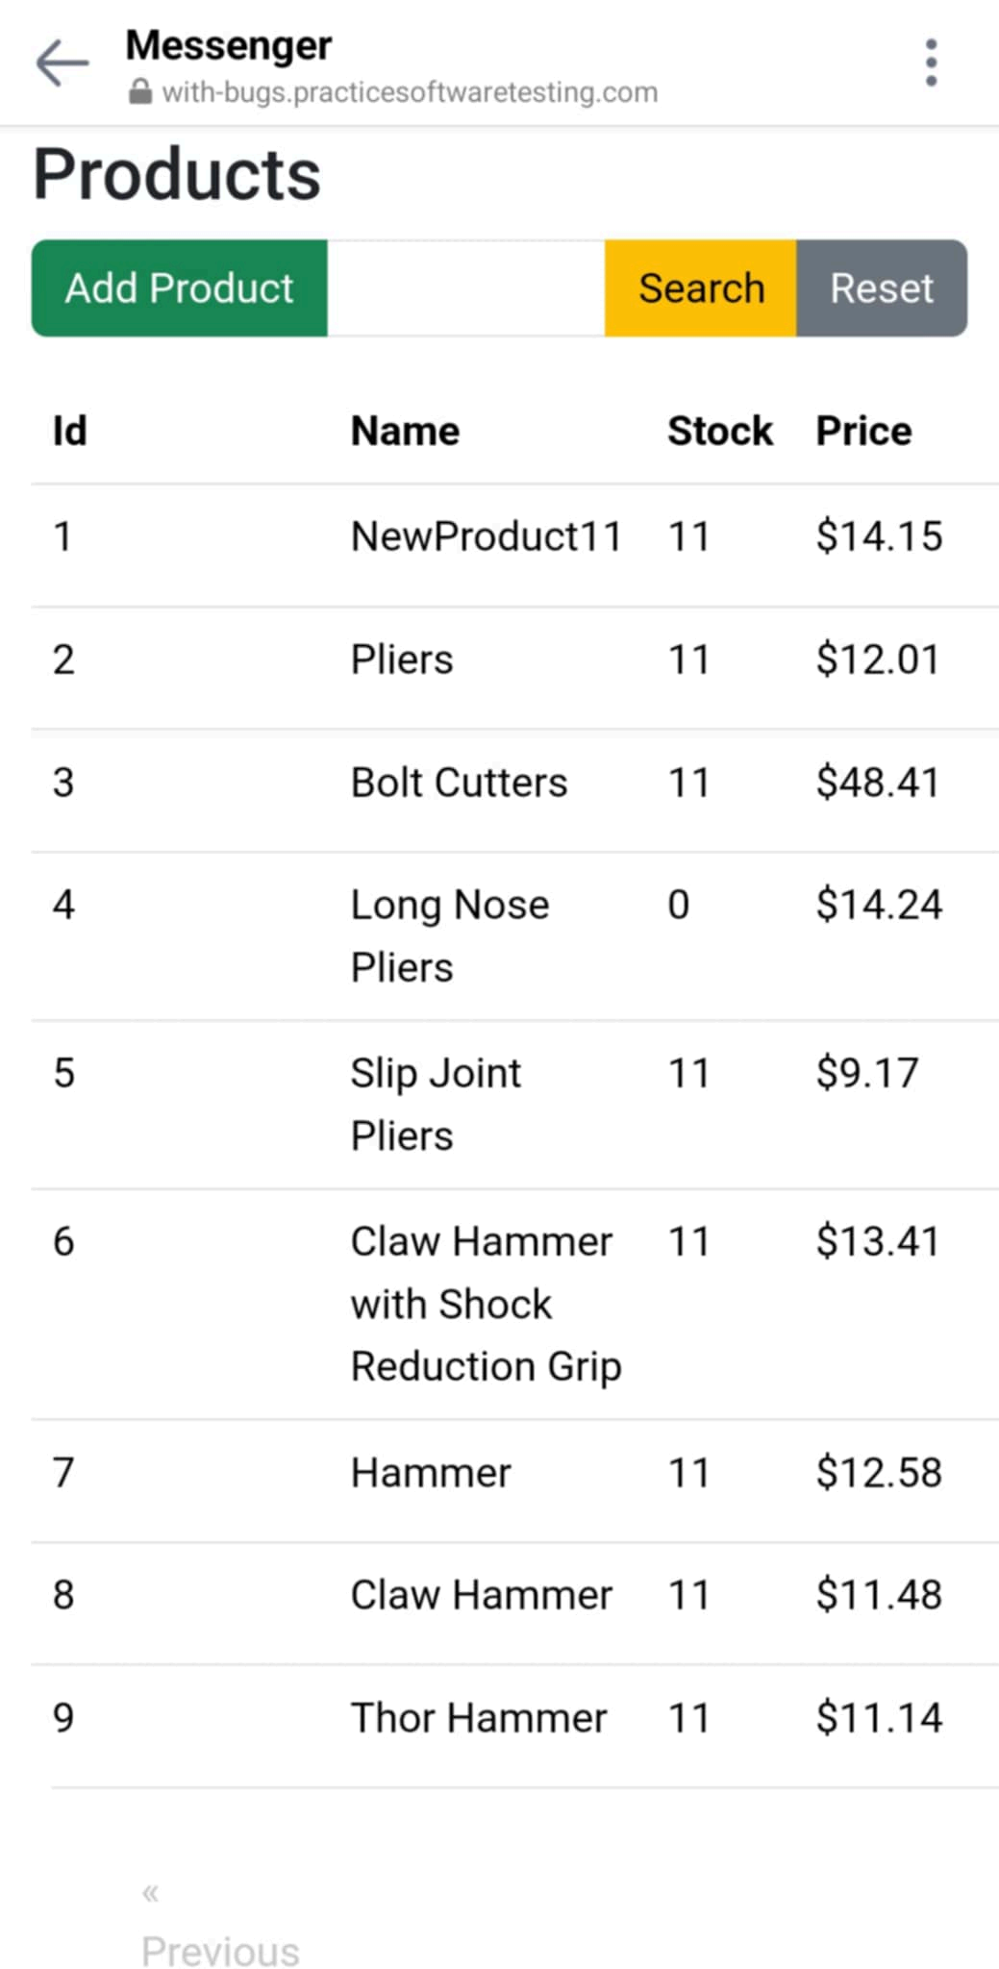 | minor | Middle | Rendering products page

