Climate Stress Testing
HSBC Holdings plc

Climate scenario analysis
Overview of climate scenario analysis modelling framework1

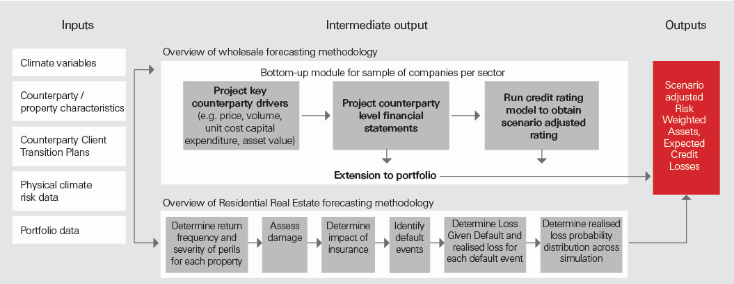
1 For further details of our modelling approach, see page 224 of the Annual Report and Accounts 2024.
Trajectory of global carbon prices and carbon emissions under our different climate scenarios2
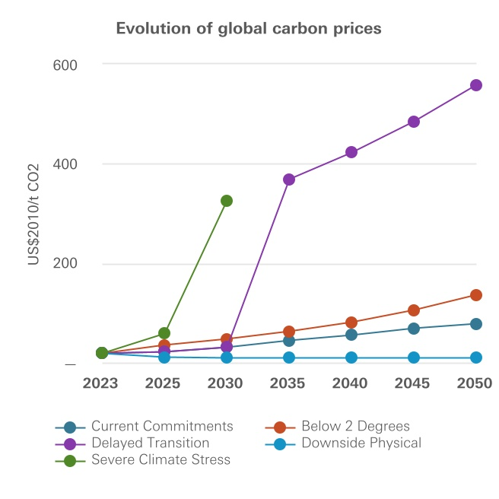
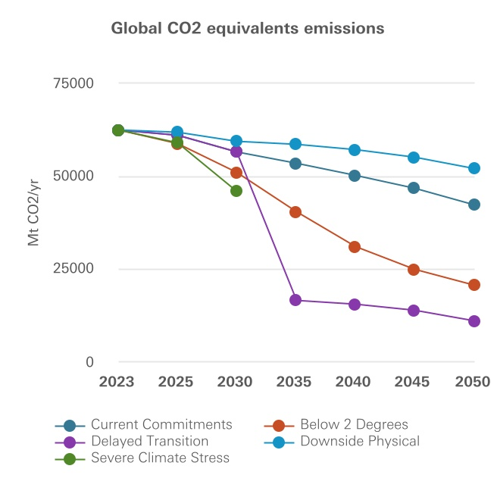

2 For further details how climate change is impacting HSBC's wholesale lending portfolio, see page 225 of the Annual Report and Accounts 2024.

