Climate Stress Testing
HSBC Holdings plc

Climate scenario analysis
Overview of climate scenario analysis modelling framework1

Trajectory of global carbon prices and carbon emissions under our different climate scenarios2
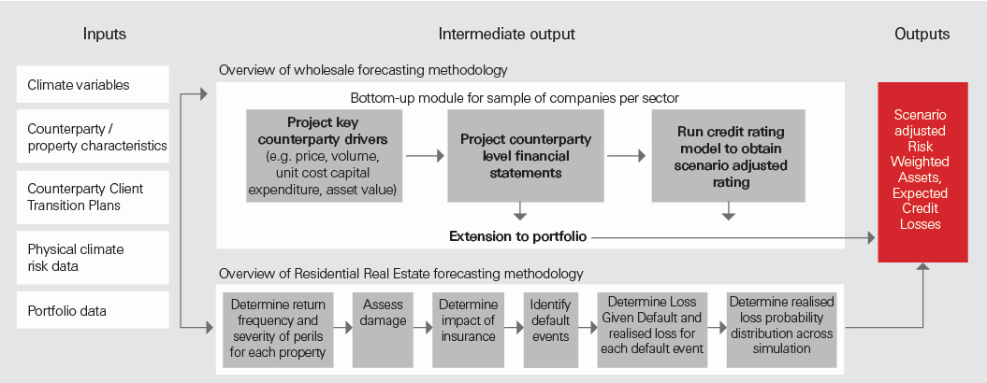 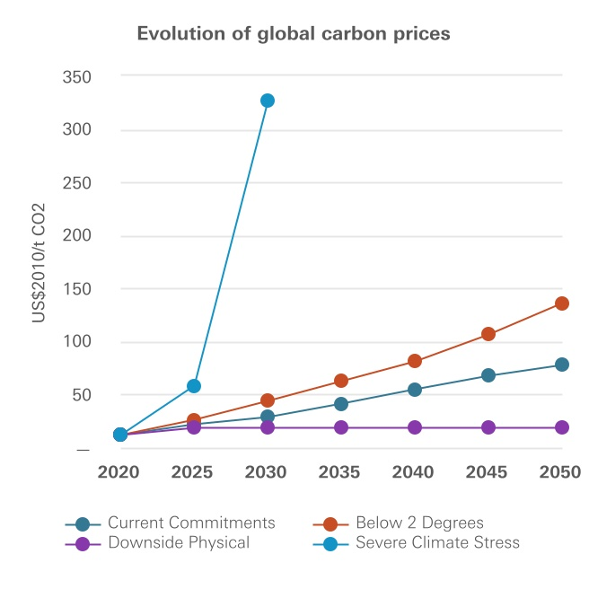

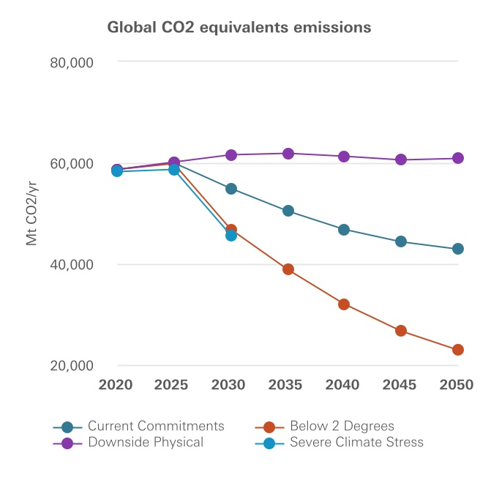

Impact on our retail mortage portfolio
Exposure to flooding (%)3
 |  |  | Climate Scenarios
Markets | Flood depth (metres) | Baseline flood risk 1-in-100 year event4 | Current Commitments | Downside Physical Risk
 |  | 2025 | 2050 | 2050
UK | 0 | 92.1 | 91.5 | 91.6
 | 0-0.5 | 7.8 | 8.3 | 5.2
 | 0.5-1.5 | 0.1 | 0.2 | 2.8
 | >1.5 | 0.0 | 0.0 | 0.4
Hong Kong5 | 0 | 69.7 | 68.2 | 68.2
 | 0-0.5 | 29.0 | 29.9 | 29.8
 | 0.5-1.5 | 1.2 | 1.7 | 1.8
 | >1.5 | 0.1 | 0.1 | 0.1

1 For further details of our modelling approach, see page 178 in Annual Report and Accounts 2025.
2 For further details how climate change is impacting HSBC's wholesale lending portfolio, see page 176 in Annual Report and Accounts 2025.
3 Severe flood events include river and surface flooding and coastal inundation. The table compares 2050 snapshots under the Current Commitments and Downside Physical Risk scenarios with a baseline view. We do expect to see changes to our flood depth distributions as climate risk data is refreshed.
4 Baseline flood risk is the flood risk for a 1-in-100 year event, based on current peril data.
5 In 2024, 94% of properties in Hong Kong (where HSBC provides mortgages) are apartments located on the second floor or above. For properties located in areas exposed to flooding, direct damage would be mitigated against, with only common ground floor areas potentially impacted. Additionally, higher resolution data and defence considerations resulted in reduced peril severity for Hong Kong.

