Representation & Hiring
PEOPLE
Target: 50% representation of women in global corporate workforce and 45% in leadership positions
See page 145 in FY21 Impact Report
NIKE, INC. TOTALS BY GENDER (GLOBAL/CORPORATE)1
 | FY20 |  | FY21 |  | Change From FY20-FY21 |  | FY25 Target
GENDER | # | % | # | % | # | % pts | %
ALL EMPLOYEES
Female | 12,286 | 50.2% | 11,605 | 50.4% | -681 | 0.3% | 50%
Male | 12,205 | 49.8% | 11,411 | 49.6% | -794 | -0.3%
Total | 24,491 | 100% | 23,016 | 100% | -1,475 | 0%

LEADERSHIP POSITIONS2
Female | 163 | 39.3% | 166 | 43.0% | 3 | 3.7% | 45%
Male | 252 | 60.7% | 220 | 57.0% | -32 | -3.7%
Total | 415 | 100% | 386 | 100% | -29 | 0%

[1] Corporate is associated with the workforce not directly involved in retail stores, distribution centers or Air Manufacturing Innovation (Air MI).
[2] All employees who are VP level and above are considered leadership positions.

See page 145 in FY21 Impact Report
NIKE, INC. WOMEN TOTALS (GLOBAL/ALL LINES OF BUSINESS)1
 | FY20 |  | FY21 |  | Change From FY20-FY21
WOMEN | # | % | # | % | # | % pts
ALL EMPLOYEES
NIKE, Inc. | 33,653 | 49% | 32,585 | 50% | -1,068 | 1.1%
VPLT | 163 | 39% | 166 | 43% | 3 | 3.7%
Sr. Director | 519 | 39% | 551 | 43% | 32 | 3.6%
Director | 2,076 | 42% | 2,066 | 43% | -10 | 1.4%
Managers | 5,245 | 46% | 5,243 | 46% | -2 | 0.2%
Entry Level | 25,650 | 50% | 24,559 | 52% | -1,091 | 1.3%

[1] All lines of business mean corporate workforce, retail employees, distribution centers and Air MI.

Target: 30% representation of U.S. racial and ethnic minorities (REM) at Director level and above; increase pipeline of Black and Latinx talent at Director and above
See page 146 in FY21 Impact Report
NIKE, INC. TOTALS BY REM GROUP (U.S.-ONLY, CORPORATE, E+)
 | FY20 |  | FY21 |  | Change From FY20-FY21 |  | FY25 Target
REM | # | % | # | % | # | % pts | %
Director
E+ REM | 1,229 | 26.1% | 1,355 | 30.3% | 126 | 4.1% | 30%
E+ NON-REM | 3,471 | 73.9% | 3,118 | 69.7% | -353 | -4.1%
Total | 4,700 | 100.0% | 4,473 | 100% | -227 | 0.0%

DIRECTOR+1
American Indian or Alaskan Native (Not Hispanic/Latino) | 9 | 0% | 8 | 0% | -1 | 0.0%
Asian (Not Hispanic/Latino) | 550 | 12% | 610 | 14% | 60 | 1.9%
Black or African American (Not Hispanic/Latino) | 217 | 5% | 256 | 6% | 39 | 1.1%
Hispanic/Latino | 275 | 6% | 286 | 6% | 11 | 0.5%
Native Hawaiian or Other Pacific Islander (Not Hispanic/Latino) | 10 | 0% | 9 | 0% | -1 | 0.0%
Two or More Races (Not Hispanic/Latino) | 168 | 4% | 186 | 4% | 18 | 0.6%
Unknown | 52 | 1% | 38 | 1% | -14 | -0.3%
White (Not Hispanic/Latino) | 3,419 | 73% | 3,080 | 69% | -339 | -3.9%
Total | 4,700 | 100% | 4,473 | 100% | -227 | 0%

[1] Director+. All employees who are Director level and above.

See page 146 in FY21 Impact Report
NIKE, INC. TOTALS BY REM GROUP (GLOBAL/CORPORATE)
 | FY20 |  | FY21 |  | Change From FY20-FY21 |  | FY25 Target
REM, U.S.-ONLY EMPLOYEES | # | % | # | % | # | % pts | %
VP+1
VP+ REM | 80 | 23.2% | 96 | 30.3% | 16 | 7.1% | 30%
VP+ NON-REM | 265 | 76.8% | 221 | 69.7% | -44 | -7.1%
Total | 345 | 100% | 317 | 100% | -28 | 0%

VP+ - RACIAL CATEGORY
American Indian or Alaskan Native (Not Hispanic/Latino) | 0 | 0% | 0 | 0% | 0 | 0.0%
Asian (Not Hispanic/Latino) | 20 | 6% | 27 | 9% | 7 | 2.7%
Black or African American (Not Hispanic/Latino) | 37 | 11% | 45 | 14% | 8 | 3.5%
Hispanic/Latino | 14 | 4% | 15 | 5% | 1 | 0.7%
Native Hawaiian or Other PacificIslander (Not Hispanic/Latino) | 0 | 0% | 0 | 0% | 0 | 0.0%
Two or More Races (Not Hispanic/Latino) | 9 | 3% | 9 | 3% | 0 | 0.2%
Unknown | 2 | 1% | 2 | 1% | 0 | 0.1%
White (Not Hispanic/Latino) | 263 | 76% | 219 | 69% | -44 | -7.1%
Total | 345 | 100% | 317 | 100% | -28 | 0%

[1] VP+. All employees who are Vice President level and above.

See page 147 in FY21 Impact Report
NIKE, INC. TOTALS BY REM GROUP (U.S.-ONLY, ALL LINES OF BUSINESS, ALL BANDS1)
 | FY20 |  | FY21 |  | Change From FY20-FY21
REM | # | % | # | % | # | % pts
U.S.-ONLY EMPLOYEES
CORP REM | 20,277 | 57.8% | 19,405 | 59.6% | -872 | 1.8%
CORP NON-REM | 14,792 | 42.2% | 13,134 | 40.4% | -1,658 | -1.8%
Total | 35,069 | 100.0% | 32,539 | 100.0% | -2,530 | 0.0%

CORPORATE - RACIAL CATEGORY+1
American Indian or Alaskan Native (Not Hispanic/Latino) | 151 | 0% | 123 | 0% | -28 | -0.1%
Asian (Not Hispanic/Latino) | 3,225 | 9% | 3,233 | 10% | 8 | 0.7%
Black or African American (Not Hispanic/Latino) | 7,828 | 22% | 7,915 | 24% | 87 | 2.0%
Hispanic/Latino | 6,779 | 19% | 6,092 | 19% | -687 | -0.6%
Native Hawaiian or Other PacificIslander (Not Hispanic/Latino) | 238 | 1% | 212 | 1% | -26 | 0.0%
Two or More Races (Not Hispanic/Latino) | 2,056 | 6% | 1,830 | 6% | -226 | -0.2%
Unknown | 124 | 0% | 148 | 0% | 24 | 0.1%
White (Not Hispanic/Latino) | 14,668 | 42% | 12,986 | 40% | -1,682 | -1.9%
Total | 35,069 | 100% | 32,539 | 100% | -2,530 | 0.0%

[1] All employee levels.
[2] FY21 data is part of Management’s Assertion on select sustainability metrics, which PwC has performed limited assurance over employees by gender and employees by race/ ethnicity for “all employees” as of May 31, 2021, as indicated in the Report of Independent Accountants.

See page 147 in FY21 Impact Report
NIKE, INC. TOTALS BY REM CATEGORY (U.S.-ONLY, ALL LINES OF BUSINESS, ALL BANDS1)
 | FY20 |  | FY21 |  | Change From FY20-FY21
REM | # | % | # | % | # | % pts
U.S. EMPLOYEES
NIKE, Inc. | 27,095 | 59% | 26,227 | 60% | -868 | 0.7%
VPLT | 92 | 23% | 112 | 26% | 20 | 3.6%
Sr. Director | 286 | 26% | 374 | 30% | 88 | 4.3%
Director | 1,045 | 27% | 1,187 | 29% | 142 | 2.2%
Managers | 2,648 | 34% | 2,863 | 36% | 215 | 1.6%
Entry Level | 23,024 | 70% | 21,691 | 72% | -1,333 | 1.7%
 | 9,674 |  | 8,385

[1] All employee levels.

Target: 35% representation of racial and ethnic minorities in our U.S. corporate workforce
See page 148 in FY21 Impact Report
NIKE, INC. TOTALS BY REM GROUP (U.S.-ONLY, CORPORATE, ALL BANDS1)
 | FY20 |  | FY21 |  | Change From FY20-FY21 |  | FY25 Target
REM | # | % | # | % | # | % pts | %
U.S.- ONLY EMPLOYEES
CORP REM | 4,581 | 31.6% | 4,707 | 34.3% | 126 | 2.8% | 35%
CORP NON-REM | 9,928 | 68.4% | 9,004 | 65.7% | -924 | -2.8%
Total | 14,509 | 100.0% | 13,711 | 100.0% | -798 | 0%

CORPORATE - RACIAL CATEGORY
American Indian or Alaskan Native (Not Hispanic/Latino) | 56 | 0% | 47 | 0% | -9 | 0.0%
Asian (Not Hispanic/Latino) | 1,984 | 14% | 2,079 | 15% | 95 | 1.5%
Black or African American (Not Hispanic/Latino) | 682 | 5% | 763 | 6% | 81 | 0.9%
Hispanic/Latino | 1,011 | 7% | 978 | 7% | -33 | 0.2%
Native Hawaiian or Other PacificIslander (Not Hispanic/Latino) | 53 | 0% | 48 | 0% | -5 | 0.0%
Two or More Races (Not Hispanic/Latino) | 795 | 5% | 792 | 6% | -3 | 0.3%
Unknown | 103 | 1% | 87 | 1% | -16 | -0.1%
White (Not Hispanic/Latino) | 9,825 | 68% | 8,917 | 65% | -908 | -2.7%
Total | 14,509 | 100% | 13,711 | 100% | -798 | 0.0%

[1] All employee levels.

See page 148 in FY21 Impact Report
BOARD OF DIRECTORS
 | CY20 |  | CY21
GENDER
 | # | % | # | %
Female | 4 | 33% | 4 | 33%
Male | 8 | 67% | 8 | 67%
Total | 12 | 100% | 12 | 100%

RACE/ETHNICITY
 | CY20 |  | CY21
American Indian or Alaskan Native | − | − | − | −
Asian |  |  | − | −
Black or African American | 3 | 25% | 3 | 25%
Hispanic/Latino | − | − | − | −
Native Hawaiian or Other Pacific Islander | − | − | − | −
Two or More Races | − | − | − | −
Unknown | − | − | − | −
White | 9 | 75% | 9 | 75%
Total | 12 | 100% | 12 | 100%

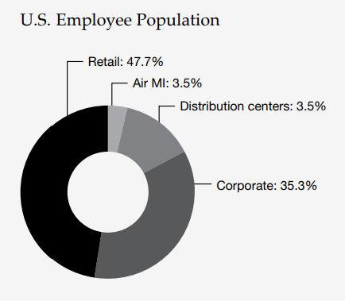
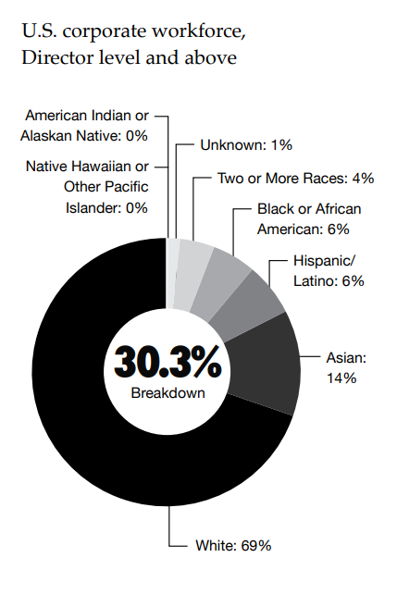
See page 20 in FY21 Impact Report
U.S. Employee Population | %
Retail | 47.7%
Air MI | 3.5%
Dsitrtibution Centers | 3.5%
Corporate | 35.3%

See page 21 in FY21 Impact Report
U.S. Corporate Workforce, Director level and above | %
American Indian or Alaskan Native | 0%
Asian | 14%
Black or African American | 6%
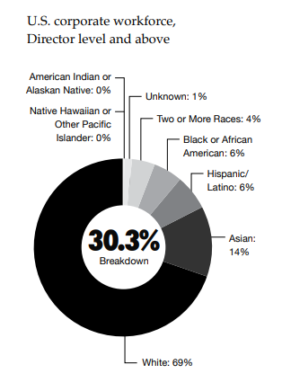
Hispanic/Latino | 6%
Native Hawaiian or Other Pacific Islander | 0%
Two or More Races | 4%
Unknown | 1%
White | 69%
Breakdown | 30.3%

See page 162 in FY21 Impact Report
Employee Metrics |  | As of May 31, 2021
All Employees Gender (Global) |  | # | %
Employee totals by gender (number and percentage) (global) | Male | 32,695 | 50.08%
 | Female | 32,588 | 49.92%
All Employees Race/Ethnicity (U.S. Only)
Employee totals by race/ethnicity (number and percentage) (U.S. only) Gender and racial/ethnic diversity are reported in accordance with the gender and race/ethnicity as selfreported by the employee and recorded in the Human Resources information system as of May 31, 2021. Note: In FY21, NIKE changed the measurement date for employee metrics from December 31 to May 31 of the fiscal year. | American Indian or Alaskan Native | 123 | 0.4%
 | Asian | 3,233 | 9.9%
 | Black or African American | 7,915 | 24.3%
 | Hispanic/Latino | 6,092 | 18.7%
 | Native Hawaiian or Other Pacific Islander | 212 | 0.7%
 | Tow or More Races | 1,830 | 5.6%
 | Unknown | 148 | 0.5%
 | White | 12,986 | 39.9%

See page 20 in FY21 Impact Report
How People Targets Apply to Employee Base
 | % Women | % US Racial and Ethnic Minority | 2025 Targets
Corporate Employees | 50.4% 0.2 p.p. | 34.3% 2.8 p.p. | Representation
 |  |  | Professional Development
 |  |  | Pay & Benefits
 |  |  | Culture & Engagement
Air MI | 37.5% 0.4 p.p. | 61.5% -0.3 p.p. | Pipeline
 |  |  | Pay & Benefits
 |  |  | Culture & Engagement
Distribution Centers | 48.5% 0.9 p.p. | 88,8% 1.2 p.p. | Pipeline
 |  |  | Pay & Benefits
 |  |  | Culture & Engagement
Retail Employees | 50.9% 2.0 p.p. | 77.3% 1 p.p. | Pipeline
 |  |  | Pay & Benefits
 |  |  | Culture & Engagement
Change since FY20

See page 170 in FY21 Impact Report
FY21 TOTAL EMPLOYEES BY EMPLOYMENT TYPE AND GENDER1 (102-8C)
 | Unknown HC | Female HC | Female % of total | Male HC | Male % of total
Full-Time | 0 | 24,878 | 76% | 25,361 | 78%
Part-Time | 0 | 7,710 | 24% | 7,334 | 22%
Total Regular |  | 32,588 | 100% | 32,695 | 100%
FY21 NIKE, INC. EMPLOYEE TOTALS1 BY ETHNICITY (U.S.)
 |  |  | All employees | Directors+ | VPs
U.S. Racial and Ethnic Minorities |  |  | 59.60% | 30.50% | 30.20%
Unknown |  |  | 0.40% | 0.80% | 0.60%
White (Not Hispanic/Latino) |  |  | 39.90% | 68.60% | 69.20%

[1] Temporary employees excluded. Note: Numbers may not add up to 100% due to rounding. Not included in the data above are U.S. NIKE employees working outside the U.S.

Foundational Expectations
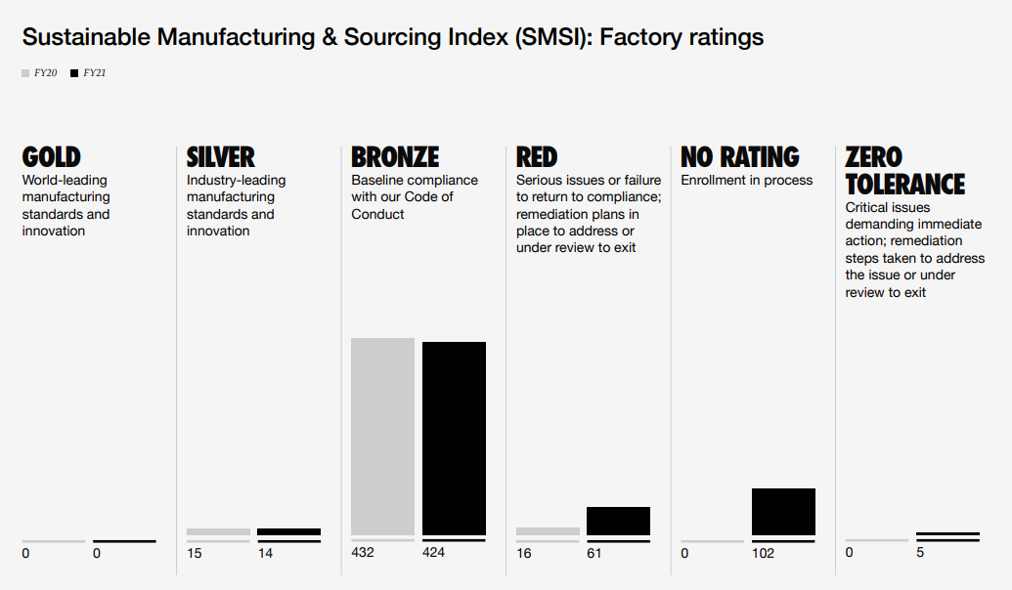
Sustainable Sourcing
Target: 100% of facilities in our extended supply chain meet NIKE’s foundational labor, health, safety and environmental standards demonstrating respect for the rights of their workers and communities where they operate.
See page 63 in FY21 Impact Report
SUSTAINABLE MANUFACTURING & SOURCING INDEX (SMSI) FACTORY RATINGS
 | FY20 | FY21
Gold | 0 | 0
Silver | 15 | 14
Bronze | 432 | 424
Red | 16 | 61
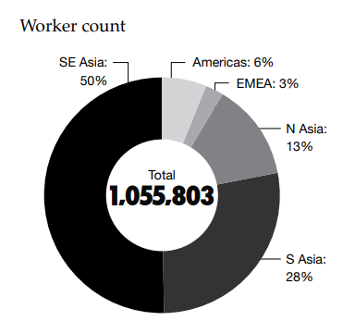
No Rating | 0 | 102
Zero Tolerance | 0 | 5

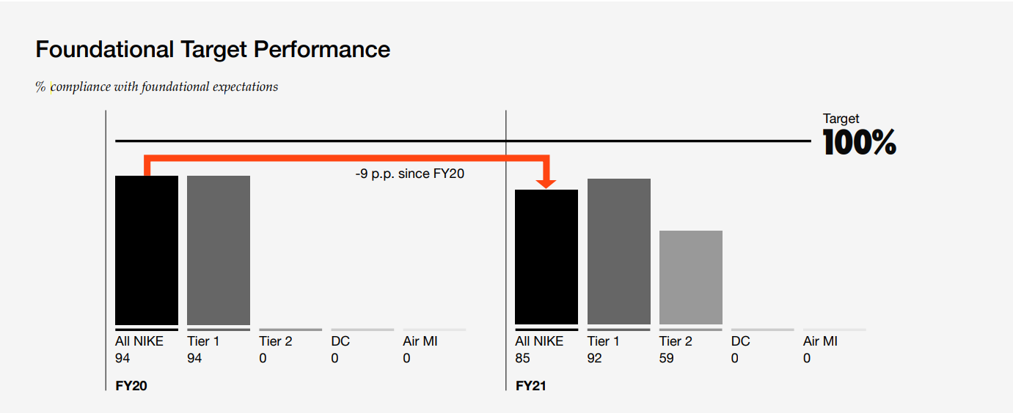
Foundational Target Performance
See page 69 in FY21 Impact Report
COMPLIANCE WITH FOUNDATIONAL EXPECTATIONS (%)
 | FY20 | FY21 | Change from FY20-21
All NIKE | 94 | 85 | -9 p.p.
Tier 1 | 94 | 92
Tier 2 | 0 | 59
DC | 0 | 0
AIR MI | 0 | 0

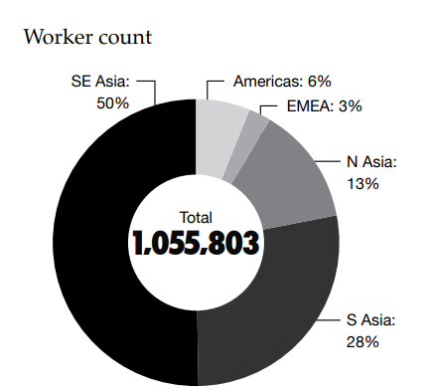
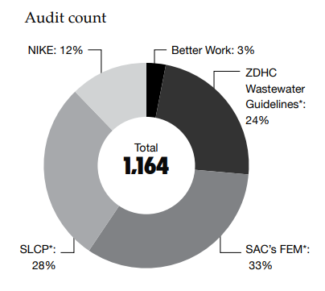
See page 150 in FY21 Impact Report
WORKER COUNT RESULTS
 | Tier 1 | Tier 2 | FY21 Total
 | # | # | # | %
Americas | 63,115 | 3,217 | 66,332 | 6%
EMEA | 25,948 | 408 | 26,356 | 3%
N Asia | 115,416 | 24,829 | 140,245 | 13%
S Asia | 269,240 | 24,693 | 293,933 | 28%
SE Asia | 507,010 | 21,927 | 528,937 | 50%
TOTAL | 980,729 | 75,074 | 1,055,803 | 100%

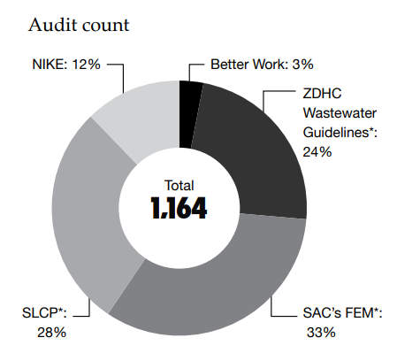
See page 150 in FY21 Impact Report
AUDIT COUNTS
 | Tier 1 | Tier 2 | FY21 Total
 | # | # | # | %
NIKE | 129 | 14 | 143 | 12%
SLCP1 | 194 | 137 | 331 | 28%
SAC's FEM1 | 220 | 164 | 384 | 33%
ZDHC1 Wastewater Guidelines | 96 | 177 | 273 | 24%
Better Work | 33 | 0 | 33 | 3%
Total | 672 | 492 | 1,164 | 100%
1Number of reports received

See page 150 in FY21 Impact Report
AUDIT, NON-COMPLIANCE | Tier 1 | Tier 2 | FY21 Total
Age Standards | 0 | 0.3 | 0.3
Building Is Safe | 1.2 | 5.9 | 5.4
Chemical Management | 8.6 | 9 | 9
Discrimination | 4.9 | 1.1 | 1.5
Dorms, Canteen and Childcare | 1.2 | 2.6 | 2.5
Fire and Emergency Action | 6.2 | 12.8 | 12
Forced Labor | 0 | 0.5 | 0.4
Freedom of Association and Collective Bargaining | 0 | 1.1 | 1
Harassment and Abuse | 2.5 | 0 | 0.3
Hazardous Waste | 0 | 0.7 | 0.6
HSE Management Systems | 1.2 | 2.5 | 2.3
Occupational Health and Hygiene | 6.2 | 12.2 | 11.4
Other | 1.2 | 0.8 | 0.9
Regular Employment | 2.5 | 1.3 | 1.4
Solid Waste (Non-Hazarodus Waste) | 0 | 0.5 | 0.4
Wages and Benefits | 27.2 | 9.7 | 11.7
Wastewater | 11.1 | 0 | 1.3
Working Hours | 14.8 | 16.4 | 16.2
Workplace Is Safe | 11.1 | 22.5 | 21.2

Carbon
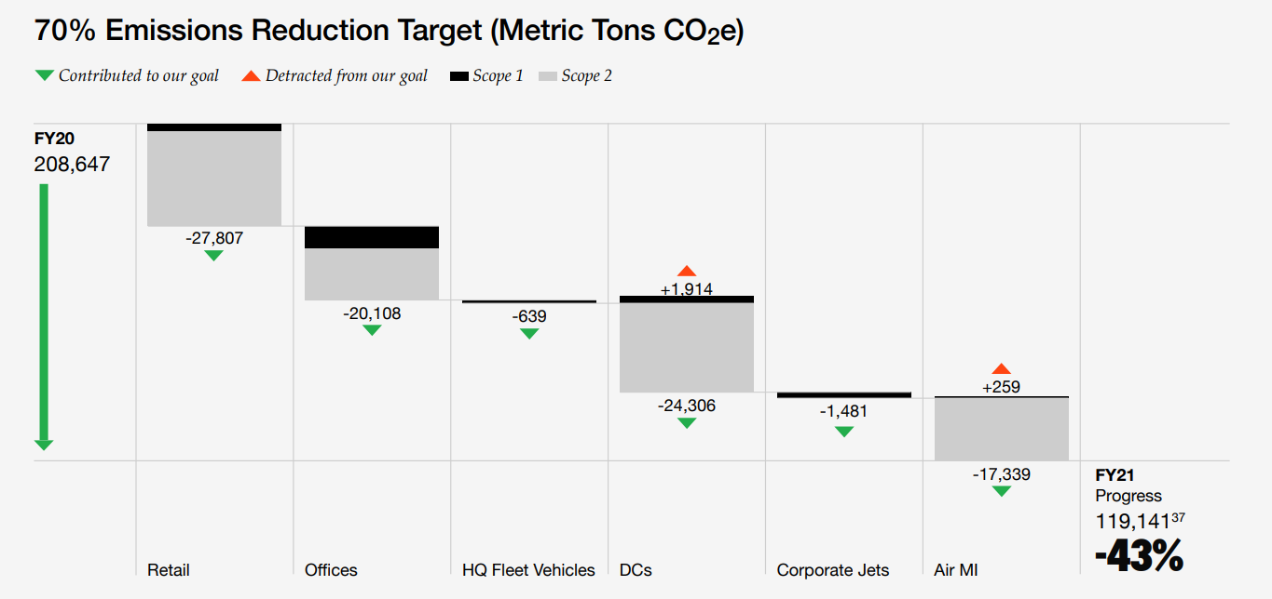
Emissions Reduction Target
See page 88 in FY21 Impact Report
70% Emissions Reduction Target (Metric Tons CO2e)
 | FY20 | FY21
 |  | Scope 1 | Scope 2
Retail | − | − | -27,807
Offices | − | − | -20,108
HQ Fleet Vehicles | − | − | -639
DCs | − | +1,914 | -24,306
Corporate Jets | − | − | -1,481
Air MI | − | +259 | -17,339
Total progress | 208,647 | 119,141 1 (-43%)

[1] This metric is part of Management’s Assertion on select sustainability metrics, which PwC has performed limited assurance over for the period from June 1, 2020, to May 31, 2021, as indicated in the Report of Independent Accountants.

Manufacturing and Transportation Target
See page 91 in FY21 Impact Report
% Emissions Change in Manufacturing & Transportation Target (Metric Tons CO2e)
 | FY20 | FY21
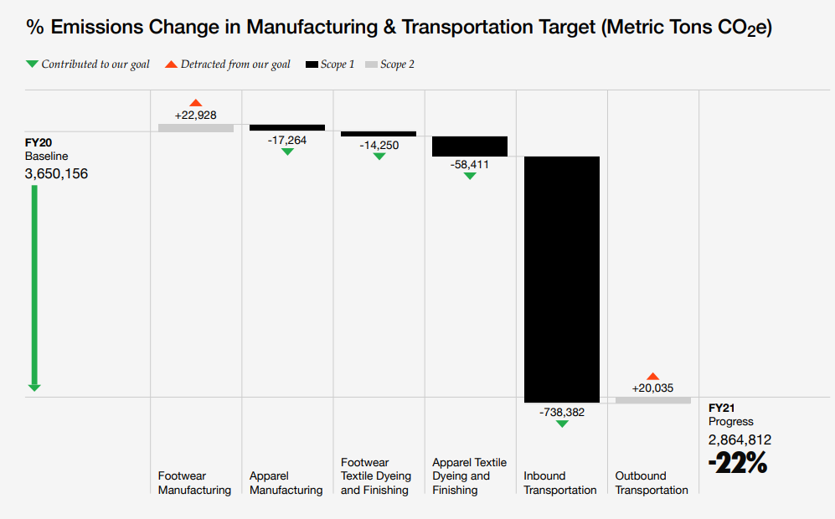
 |  | Scope 1 | Scope 2
Footwear Manufacturing | − | − | +22,928
Apparel Manufacturing | − | -17,264 | −
Footwear Textile Dyeing and Finishing | − | -14,250 | −
Apparel Textile Dyeing and Finishing | − | -58,411 | −
Inbound Transportations | − | -738,382 | −
Outbound Transportation | − | − | +20,035
Total progress | 3,650,156 | 2,864,812 (-22%)

Materials
See page 98 in FY21 Impact Report
TOP FIVE MATERIALS IN PRODUCT BY VOLUME1
 |  | FY20 | FY21
Polyester
Recycled | metric tons | 44,387 | 55,477
 | % | 23% | 33%
Total Polyester Use | metric tons | 195,490 | 166,343
Cotton
Organic | metric tons | 10,811 | 13,680
 | % | 10% | 12%
Recycled | metric tons | 503 | 905
 | % | 0.4% | 0.8%
Third-party certified Cotton | metric tons | 85,139 | 66,776
 | % | 75% | 58%2
Total Cotton Use | metric tons | 113,615 | 115,543
Rubber
Recycled | metric tons | 564 | 689
 | % | 0.7% | 0.9%
Total Rubber Use | metric tons | 76,141 | 78,896
Ethylene-Vinyl Acetate (EVA) Foam
Recycled | metric tons | 978 | 907
 | % | 2% | 2%
Total EVA Foam Use | metric tons | 61,053 | 53,055
Leather3
Flyleather | metric tons | 53 | 57
 | % | 0.1% | 0.1%
Synthetic Leather | metric tons | 18,623 | 16,031
 | % | 36% | 26%
Total Leather Use | metric tons | 51,647 | 60,502

[1] Total material use reflects EPM and conventional materials. As we’ve shifted data sources to enable more inclusive scope of measurement in our FY25 commitments, our percentage has dropped. We continue to explore ways to ensure we grow our sustainable cotton percentage in alignment with the expanded measurement scope.
[2] Cotton and polyester data includes Nike Brand footwear, apparel, and socks and Converse footwear and apparel. Rubber, EVA foam and leather data includes Nike Brand footwear only.
[3] All leather is Leather Working Group certified.

2030 Science-Based Target
See page 103 in FY21 Impact Report
SCOPE 1, 2 & 3 TOTALS (METRIC TONS CO2e)
 | FY15 | FY16 | FY17 | FY18 | FY19 | FY20 | FY21
Scope 1 | 35,624 | 37,325 | 40,138 | 41,941 | 46,713 | 47,807 | 42,720
Scope 2 | 228,770 | 225,853 | 224,511 | 210,321 | 197,497 | 160,840 | 76,420
Scope 3 | 9,219,283 | 9,433,177 | 9,947,165 | 10,269,811 | 10,737,018 | 11,598,948 | 10,823,560

Carbon1
See page 151 in FY21 Impact Report
FY21 EMISSIONS SUMMARY (METRIC TONS CO2e) SCOPE 1, 2, AND 32, 3
 | Emissions | Emissions (%)
Scope 13 | 42,720 | 0.4
Scope 2 (market-based emissions)3 | 76,420 | 0.7
Scope 34 | 10,823,562 | 98.9
Total | 10,942,702

[1] NIKE converts all energy consumed to kWhe using net calorific value of the direct fuels consumed, including transportation fuels. Emissions data for HFCs, PFCs and SF6 are not reported. NIKE has phased out SF6 and therefore doesn’t have SF6 emissions. Emissions for other greenhouse gases are either not relevant, immaterial, or data is not available.
[2] Scope 1: Direct emissions from owned or controlled sources. Scope 2: Indirect emissions from the generation of purchased energy. Scope 3: All indirect emissions (both upstream and downstream emissions that are not included in Scope 2) that occur in the value chain.
[3] This metric is part of Management’s Assertion on select sustainability metrics, which PwC has performed limited assurance over for the period from June 1, 2020, to May 31, 2021, as indicated in the Report of Independent Accountants.
[4] The Commercial Travel emissions and Inbound and Outbound Logistics component of this metric is part of Management’s Assertion on select sustainability metrics, which PwC has performed limited assurance over for the period from June 1, 2020, to May 31, 2021, as indicated in the Report of Independent Accountants.

See page 151 in FY21 Impact Report
ENERGY AND EMISSIONS BY BUSINESS FUNCTION (SCOPE 1 AND 2)
 | Emissions (Metric Tons CO2e) |  |  |  | Energy (MWh)
 | Scope 1 FY20 | Scope 1 FY21 | Scope 2 FY20 | Scope 2 FY21 | Fuel consumed FY20 | Fuel consumed FY21 | Electricity consumed FY20 | Electricity consumed FY21
Retail | 18,210 | 17,761 | 68,748 | 41,391 | 89,898 | 87,682 | 204,033 | 186,654
HQs & Offices | 14,794 | 10,104 | 33,769 | 18,352 | 73,028 | 49,966 | 152,909 | 121,015
HQ Fleet Vehicles | 850 | 211 | − | − | 3,385 | 840 | − | −
Distribution Centers | 9,749 | 11,663 | 38,829 | 14,523 | 47,244 | 54,852 | 191,711 | 197,657
Corporate Jets | 2,912 | 1,432 | − | − | 11,257 | 5,534 | − | −
Air Manufacturing Innovation | 1,291 | 1,550 | 19,494 | 2,155 | 6,311 | 7,604 | 94,290 | 86,885
NIKE, Inc. | 47,807 | 42,720 | 160,840 | 76,420 | 231,123 | 206,477 | 642,943 | 592,211

See page 152 in FY21 Impact Report
FUEL CONSUMPTION (MWh) AND SCOPE 1 EMISSIONS (METRIC TONS CO2e)
 | FY20 | FY21
Air MI
Fuel Consumed (MWh) | 6,311 | 7,604
Emissions (Metric Tons CO2) | 1,291 | 1,550
HQ Fleet Vehicles
Fuel Consumed (MWh) | 3,385 | 840
Emissions (Metric Tons CO2) | 850 | 211
Corporate Jets
Fuel Consumed (MWh) | 11,257 | 5,534
Emissions (Metric Tons CO2) | 2,912 | 1,432
Distribution Centers
Fuel Consumed (MWh) | 47,244 | 54,852
Emissions (Metric Tons CO2) | 9,749 | 11,663
HQs & Offices
Fuel Consumed (MWh) | 73,028 | 49,966
Emissions (Metric Tons CO2) | 14,794 | 10,104
Retail
Fuel Consumed (MWh) | 89,898 | 87,682
Emissions (Metric Tons CO2) | 18,210 | 17,761
NIKE, INC.
Fuel Consumed (MWh) | 231,123 | 206,477
Emissions (Metric Tons CO2) | 47,807 | 42,720

See page 152 in FY21 Impact Report
ELECTRICITY CONSUMPTION (MWh) AND SCOPE 2 EMISSIONS (METRIC TONS CO2e)
 | FY20 | FY21
Air MI
Grid Electricity (MWh) | 94,290 | 86,885
Location-Based (Metric Tons CO2e) | 46,059 | 42,151
Market-Based (Metric Tons CO2e) | 19,494 | 2,155
Distribution Centers
Total Electricity (MWh) | 191,711 | 197,657
Grid Electricity (MWh) | 173,775 | 174,388
Onsite Solar (MWh) | 6,805 | 8,150
Onsite Wind (MWh) | 11,131 | 15,120
Location-Based (Metric Tons CO2e) | 79,178 | 81,550
Market-Based (Metric Tons CO2e) | 38,829 | 14,523
HQs and Offices
Total Electricity (MWh) | 152,909 | 121,015
Grid Electricity | 152,281 | 120,608
Onsite Solar | 628 | 407
Location-Based (Metric Tons CO2e) | 56,446 | 46,956
Market-Based (Metric Tons CO2e) | 33,769 | 18,352
Retail
Total Electricity (MWh) | 204,033 | 186,654
Grid Electricity | 204,033 | 186,654
Location-Based (Metric Tons CO2e) | 89,493 | 80,922
Market-Based (Metric Tons CO2e) | 68,748 | 41,391
NIKE, Inc.
Total Electricity (MWh) | 642,943 | 592,211
Grid Electricity | 624,379 | 568,535
Onsite Solar | 7,433 | 8,557
Onsite Wind | 11,131 | 15,120
Location-Based (Metric Tons CO2e) | 271,176 | 251,578
Market-Based (Metric Tons CO2e) | 160,840 | 76,420

Manufacturing and Logistics
See page 152 in FY21 Impact Report
SCOPE 3 EMISSIONS: MANUFACTURING & LOGISTICS (METRIC TONS CO2e)
 | FY20 | FY21
Tier 1 - Footwear Manufacturing | 1,388,826 | 1,411,754
Tier 1 - Apparel Manufacturing | 89,865 | 72,601
Tier 2 - Footwear Textile Dyeing and Finishing | 207,713 | 193,463
Tier 2 - Apparel Textile Dyeing and Finishing | 785,487 | 727,076
Logistics - Inbound Transportation | 1,013,581 | 275,199
Logistics - Outbound Transportation | 164,684 | 184,719

Science Based Target (SBT) Footprint
See page 153 in FY21 Impact Report
SBT FOOTPRINT FY15-21
 | FY15 | FY16 | FY17 | FY18 | FY19 | FY20 | FY21
Scope 1
Air Manufacturing Innovation | 126 | 114 | 145 | 496 | 1,229 | 1,291 | 1,550
HQ Fleet Vehicles | 406 | 535 | 666 | 627 | 555 | 850 | 211
Corporate Jets | 3,576 | 4,392 | 3,391 | 3,773 | 3,162 | 2,912 | 1,432
Distribution Centers | 8,084 | 6,698 | 7,861 | 10,048 | 10,408 | 9,749 | 11,663
HQs & Offices | 10,009 | 11,623 | 13,168 | 10,975 | 13,612 | 14,794 | 10,104
Retail | 13,423 | 13,963 | 14,907 | 16,022 | 17,747 | 18,210 | 17,761
Total | 35,624 | 37,325 | 40,138 | 41,941 | 46,713 | 47,804 | 42,720
Scope 2
Air Manufacturing Innovation | 18,099 | 14,873 | 18,156 | 29,237 | 33,849 | 19,494 | 2,155
Distribution Centers | 58,241 | 67,832 | 61,142 | 55,304 | 60,603 | 38,829 | 14,523
HQs & Offices | 54,276 | 43,189 | 41,820 | 33,802 | 10,938 | 33,769 | 18,352
Retail | 98,154 | 99,959 | 103,393 | 91,978 | 921,075 | 68,748 | 41,391
Total | 228,770 | 225,853 | 224,511 | 210,321 | 105,390 | 160,840 | 76,420
Scope 3
Waste Generated in Operations | 1,738 | 1,973 | 2,031 | 2,245 | 1,951 | 2,322 | 1,810
Downstream Transportation and Distribution | 63,787 | 71,510 | 67,753 | 70,403 | 64,979 | 91,862 | 78,184
Energy-Related Activities Excluded in S1/S2 | 11,163 | 12,151 | 13,140 | 14,128 | 15,117 | 15,289 | 13,025
EOL | 375,270 | 393,776 | 404,768 | 417,717 | 439,028 | 452,856 | 418,080
Logistics | 1,064,313 | 880,326 | 1,146,359 | 1,104,695 | 1,192,920 | 1,304,489 | 544,099
Packaging | 539,198 | 560,225 | 582,072 | 604,771 | 628,355 | 652,859 | 955,974
Business Travel | 112,355 | 110,523 | 81,913 | 75,645 | 89,464 | 81,340 | 3,395
Employee commuting | 98,546 | 106,755 | 114,964 | 123,173 | 131,382 | 107,314 | 85,746
T2-T4 EQ | 722,333 | 723,829 | 620,552 | 653,580 | 669,971 | 642,926 | 568,895
T1 Waste | 44 | 43 | 42 | 41 | 40 | 42 | 20
T1 FW | 1,007,402 | 1,018,623 | 1,086,039 | 1,182,089 | 1,176,709 | 1,415,163 | 1,444,915
T1 EQ | 114,074 | 114,310 | 98,000 | 103,216 | 105,805 | 97,785 | 89,842
T1 AP | 175,719 | 181,408 | 193,409 | 204,659 | 215,796 | 195,094 | 166,088
T2 AP | 589,308 | 712,818 | 809,594 | 839,357 | 873,069 | 1,008,183 | 963,898
T2 FW | 216,662 | 220,386 | 208,238 | 190,208 | 201,344 | 282,439 | 328,634
T3 AP | 1,097,424 | 1,132,893 | 1,207,583 | 1,277,571 | 1,346,980 | 1,267,251 | 1,179,185
T3 FW | 357,005 | 378,591 | 389,155 | 396,536 | 416,934 | 458,338 | 430,053
T4 AP | 764,803 | 789,522 | 841,574 | 890,349 | 938,721 | 893,826 | 778,623
T4 FW | 1,908,139 | 2,023,515 | 2,079,979 | 2,119,428 | 2,228,453 | 2,629,520 | 2,773,094
Total | 9,219,282 | 9,433,177 | 9,947,164 | 10,269,811 | 10,737,016 | 11,598,946 | 10,823,562

See pages 155 in FY21 Impact Report
SCOPE 3 EMISSIONS BY CATEGORY AND OPERATIONAL BOUNDARIES
In SBT scope
Not in SBT scope

EMISSIONS SOURCES | FY21 Metric Tons CO2e and/or Evaluation Status | Scope of Reported Emissions | Emissions Calculation Methodology | % of Emissions Calculated Using Data Obtained From Suppliers or Value Chain Partners
UPSTREAM
1 - Purchased Goods and Services | 9,679,222 | Includes emissions across NIKE brands and product engines, including from raw materials production, materials manufacturing, materials finishing, and finished goods manufacturing. | Emissions data is calculated using primary activity data and extrapolations. CO2e emissions include CO2, CH4, and N2O. NIKE Brand and Converse footwear finished goods manufacturing emissions data is derived from 100% primary data and represents nearly 90% of the emissions in finished goods manufacturing. For this subset, vendors provide monthly energy consumption: from the local utility grid, onsite generators, other fuels, and purchased steam. For electricity: kWh values are multiplied by CO2e emissions factors for electricity purchased from the local utility grid by the country/region in which the factory resides. For onsite generation and other fuels: CO2e emissions are calculated using the IPCC bottoms up calculation methodology. CO2e methodologies are used for emissions estimates outside of footwear finished goods manufacturing based on lifecycle analysis data applied to product creation data, and employ conservative assumptions to avoid understating NIKE’s footprint. To evaluate NIKE’s value chain footprint, we identified and quantified CO2e emissions created at each stage of the value chain. The impact of each individual product differs considerably, based on its profile, materials used, size and weight, method of manufacture, and location of production, use, and disposal. Several internal and external tools were used to develop this estimation including: NIKE’s Materials Sustainability Index and Enablon. | 30%
2 - Capital Goods | Not relevant | NIKE does not have significant investment in capital goods as most manufacturing equipment is owned and operated by contracted factories. | N/A | N/A
3 - Fuel and Energy-Related Activities Not Included in Scope 1 or 2 | 13,025 | Includes emissions associated with the extraction, production, and transportation of fuels and energy purchased and reported in NIKE’s Scope 1 and 2 footprint. Does not include upstream electricity emissions, T&D losses, or other onsite fuels besides natural gas (propane, diesel, biogas, hi-sene). | Emissions data is calculated using primary activity data, extrapolated consumption, and publicly available CO2e emissions factors. Consumption is multiplied by the emissions factor, using an identical global factor across all countries and regions. | 58%
4 - Upstream Transportation and Distribution | 544,099 | Includes ~95% of global inbound transportation and ~95% of global outbound transportation via the following modes of transportation: air, ocean, truck and rail. Excludes non-NIKE paid freight. Also included is the shipment via air freight of Nike AirBags produced in North America and shipped as components for footwear manufacturing to manufacturing partners in Asia. | Transactional data is applied to a third-party transportation carbon calculator against industry standard emissions factors (distance travelled x cargo weight or volume x emission factor). Upstream emissions from air transport of airbag components is calculated using industry standard air freight emission factors per ton-mile and production volume. | 100%
5 - Waste Generated in Operations | 1,810 | Emissions relative to the fate of the waste generated in our own operations including HQs and DCs. | Total HQs and DC waste not diverted from landfill multiplied by a lifecycle assessment-based emission factor for municipal waste sent to landfill. | 100%
6 - Business Travel | 3,395 | Includes emissions from commercial air travel. | Air CO2 emissions are estimated based on number and distance of trips. Short haul trips are less fuel efficient per mile flown. Longer-haul flights become less efficient due to the need to carry more fuel. | 100%
7 - Employee Commuting | 85,746 | Emissions associated with the transportation of employees between their homes and work locations. Represents full time employees. | Internal employee commuting survey data is used to inform the allocation of methods/modes that NIKE applies to its global employee base. Each mode is assigned an emission factor relative to fuel type. Assumptions are made about the average number of working days per year and the average distance between an employee’s home and worksite and compensate for the COVID slowdown during FY20 Q4. | 20%
8 - Upstream Leased Assets | Not relevant | NIKE does not have significant emissions from upstream leased assets. | N/A | N/A
DOWNSTREAM
9 - Downstream Transportation and Distribution | 78,184 | Includes emissions from non-NIKE paid freight. Excludes emissions from consumers traveling to stores. | Transactional data is applied to a third-party transportation carbon calculator against industry standard emissions factors (distance travelled x cargo weight or volume x emission factor). Non-NIKE paid freight is determined calculating the difference between Inbound and Outbound freight and using the outbound freight emissions factor to determine total emissions. | 0%
10 - Processing of Sold Products | Not relevant | NIKE's products are finished consumer goods and do not undergo any additional processing once sold. | N/A | N/A
11 - Use of Sold Products | 5,734,039 | These emissions are associated with washing and drying NIKE’s sold apparel and socks. We assumed for the value chain footprint exercise that footwear and equipment were not washed. Based on our footprinting work, we estimate that about 35% of the emissions throughout our value chain are emitted during the use phase of NIKE products. These emissions are out of scope of NIKE’s moonshot ambition. | There is no primary emissions data available from use of NIKE’s products. Consumer Usage: Water and Energy Usage was estimated based on the following assumptions – only apparel units and socks were considered. Each item was assumed washed 52 times in one year. The washing assumptions were based on regional consumer washing practices and estimates of washing machine types by region. CO2e was based on regional conversion factors applied to the estimated energy usage. | N/A
12 - End-of-Life Treatment of Sold Products | 418,080 | These emissions are associated with the disposal of products including landfill and incineration. | There is no primary emissions data available for end of life treatment of NIKE’s products. To evaluate NIKE’s value chain footprint, we identified and quantified CO2e emissions created at each stage of the value chain. The impact of each individual product differs considerably, based on its profile, materials used, size and weight, method of manufacture, and location of production, use and disposal. Several internal and external tools were used to develop this estimation including NIKE’s Business and Environmental Scenario Tool (BEST), Enablon database, NIKE’s Apparel Sustainability Index, NIKE’s Footwear Sustainability Index, NIKE’s Materials Sustainability Index and EPA’s Waste Reduction Model (WARM). End of Life Stage: at the disposal stage we assumed the finished good is disposed of at the end of one year. | 0%
13 - Downstream Leased Assets | Not relevant | NIKE does not have significant emissions from downstream leased assets. | N/A | N/A
14 - Franchises | Not relevant | NIKE does not have significant emissions from franchises. | N/A | N/A
15 - Investments | Not relevant | NIKE does not have significant emissions from investments. | N/A | N/A
Total SBT S3 Emissions | 10,823,562
Total Full Footprint S3 Emissions | 16,557,601

GRI 305: Emissions - Additional Information (Scopes 1-2)
ADDITIONAL INFORMATION
NIKE converts all energy consumed to kWhe using net calorific value of the direct fuels consumed, including transportation fuels. Emissions data for HFCs, PFCs, and SF6 are not reported. NIKE has phased out SF6 and therefore doesn’t have SF6 emissions. Emissions for other greenhouse gases are either not relevant, immaterial, or data is not available.
SCOPE 1 AND 2
For information on direct and indirect energy consumption, Scope 1 and 2 emissions and the Scope 3 emissions accounting standard used, see the Management Assertion letter. Additional breakdowns of Scope 1 and 2 emissions are shown below.

See page 177 of FY21 Report
FY21 FUEL & ELECTRICITY CONSUMPTION (MWh) & SCOPE 1 & 2 EMISSIONS (METRIC TONS CO2e) BY COUNTRY
Country/Region | Fuel Consumed |  | Scope 1 |  | Grid Electricity |  | Onsite Solar |  | Onsite Wind |  | Location-Based Scope 2 |  | Market-Based Scope 2
 | (MWh) |  | (Metric Tons CO2e) |  | (MWh) |  | (MWh) |  | (MWh) |  | (Metric Tons CO2e) |  | (Metric Tons CO2e)
Argentina | 1,286 |  | 263 |  | 3,396 |  | − |  | − |  | 1,094 |  | 1,094
Australia | 1,113 |  | 225 |  | 2,615 |  | − |  | − |  | 1,862 |  | 1,862
Austria | 749 |  | 152 |  | 914 |  | − |  | − |  | 136 |  | 32
Belgium | 13,716 |  | 2,778 |  | 31,149 |  | 5,446 |  | 15,120 |  | 6,208 |  | 276
Brazil | 2,720 |  | 553 |  | 4,433 |  | 222 |  | − |  | 461 |  | 453
Canada | 10,811 |  | 2,190 |  | 6,390 |  | − |  | − |  | 852 |  | 0
Chile | 680 |  | 138 |  | 2,575 |  | − |  | − |  | 1,034 |  | 1,034
China | 33,091 |  | 6,670 |  | 62,532 |  | 2,216 |  | − |  | 39,939 |  | 39,745
Croatia | 51 |  | 10 |  | 92 |  | − |  | − |  | 13 |  | 13
Czech Republic | 216 |  | 44 |  | 202 |  | − |  | − |  | 96 |  | 38
Denmark | 412 |  | 83 |  | 301 |  | − |  | − |  | 51 |  | 42
France | 3,748 |  | 759 |  | 8,015 |  | − |  | − |  | 437 |  | 138
Germany | 6,816 |  | 1,381 |  | 5,488 |  | − |  | − |  | 2,205 |  | 781
Greece | 0 |  | 0 |  | 891 |  | − |  | − |  | 486 |  | 110
Hong Kong | 680 |  | 138 |  | 1,719 |  |  |  |  |  | 1,468 |  | 1,468
Hungary | 298 |  | 60 |  | 334 |  | − |  | − |  | 85 |  | 28
India | 310 |  | 65 |  | 564 |  | − |  | − |  | 422 |  | 422
Indonesia | 126 |  | 26 |  | 502 |  | − |  | − |  | 387 |  | 387
Ireland | 324 |  | 66 |  | 565 |  | − |  | − |  | 188 |  | 66
Israel | 0 |  | 0 |  | 976 |  | − |  | − |  | 483 |  | 483
Italy | 2,554 |  | 517 |  | 4,827 |  | − |  | − |  | 1,487 |  | 724
Japan | 6,087 |  | 1,233 |  | 15,213 |  | − |  | − |  | 7,577 |  | 7,577
Malaysia | 604 |  | 123 |  | 1,302 |  | − |  | − |  | 861 |  | 861
Mexico | 3,664 |  | 742 |  | 7,932 |  | − |  | − |  | 3,184 |  | 3,184
Netherlands | 3,488 |  | 707 |  | 9,385 |  | − |  | − |  | 3,925 |  | 793
New Zealand | 73 |  | 15 |  | 423 |  | − |  | − |  | 46 |  | 46
Norway | 277 |  | 56 |  | 266 |  | − |  | − |  | 3 |  | 34
Panama | 0 |  | 0 |  | 0 |  | − |  | − |  | 0 |  | 0
Philippines | 62 |  | 13 |  | 526 |  | − |  | − |  | 347 |  | 347
Poland | 1,045 |  | 212 |  | 1,029 |  | − |  | − |  | 729 |  | 259
Portugal | 0 |  | 0 |  | 722 |  | − |  | − |  | 215 |  | 99
Russia | 2,646 |  | 536 |  | 2,705 |  | − |  | − |  | 992 |  | 1,090
Singapore | 760 |  | 154 |  | 1,636 |  | − |  | − |  | 638 |  | 638
South Africa | 827 |  | 168 |  | 1,732 |  | − |  | − |  | 1,549 |  | 1,549
South Korea | 6,358 |  | 1,414 |  | 8,499 |  | − |  | − |  | 4,546 |  | 4,546
Spain | 3,538 |  | 717 |  | 6,382 |  | − |  | − |  | 1,620 |  | 588
Sri Lanka | 0 |  | 0 |  | 0 |  | − |  | − |  | 0 |  | 0
Sweden | 394 |  | 80 |  | 234 |  | − |  | − |  | 3 |  | 2
Switzerland | 289 |  | 59 |  | 368 |  | − |  | − |  | 10 |  | 3
Taiwan | 908 |  | 184 |  | 2,655 |  |  |  |  |  | 1,543 |  | 1,543
Thailand | 418 |  | 85 |  | 755 |  | − |  | − |  | 366 |  | 366
Turkey | 1,079 |  | 218 |  | 1,830 |  | − |  | − |  | 853 |  | 853
United Arab Emirates | 8 |  | 2 |  | 14 |  | − |  | − |  | 7 |  | 7
United Kingdom | 5,787 |  | 1,172 |  | 7,350 |  | − |  | − |  | 1,696 |  | 494
United States of America | 88,081 |  | 18,635 |  | 354,545 |  | 673 |  | − |  | 159,165 |  | 37
Uruguay | 198 |  | 40 |  | 414 |  | − |  | − |  | 9 |  | 9
Vietnam | 184 |  | 39 |  | 4,140 |  | − |  | − |  | 2,299 |  | 2,299
Total | 206,477 |  | 42,720 |  | 568,534 |  | 8,557 |  | 15,120 |  | 251,578 |  | 76,420

See page 178 in FY21 Impact Report
FY21 Renewable Energy Use (MWh)
Energy Type |  | Heating Value |  | MWh from Renewable Sources |  |  | MWh from Non-Renewable Sources |  |  |  | Total MWh
Fuel (excluding feedstock) |  | LHV (lower heating value) |  | 2,171 |  |  | 204,306 |  |  |  | 206,477
Purchased or Acquired Electricity |  |  |  | 459,127 |  |  | 133,084 |  |  |  | 592,211
Total |  |  |  | 461,298 |  |  | 337,390 |  |  |  | 798,688

See page 178 in FY21 Impact Report
FY21 RENEWABLE MWh BY COUNTRY AND TYPE
Country | Onsite Solar | Onsite Wind | RECs: Biomass | RECs: Hydroelectric | RECs: Solar | RECs: Wind | RECs: Wind & Solar | PPA: Oregon Avangrid | vPPA: North America Avangrid | vPPA: Europe Avangrid | Biogas | TOTAL
Austria | − | − | − | − | − | − | − | − | − | 699 | − | 699
Belgium | 5,446 | 15,120 | 12,891 | 394 | 345 | 22,239 | − | − | − | 1,259 | 2,171 | 59,865
Brazil | 222 | − | − | − | 77 | − | − | − | − | − | − | 299
Canada | − | − | − | − | − | − | − | − | 6,390 | − | − | 6,390
China | 2,216 | − | − | − | 305 | − | − | − | − | − | − | 2,521
Croatia | − | − | − | − | − | − | − | − | − | 63 | − | 63
Czech Republic | − | − | − | − | − | − | − | − | − | 131 | − | 131
Denmark | − | − | − | − | − | − | − | − | − | 203 | − | 203
France | − | − | − | − | − | − | − | − | − | 5,672 | − | 5,672
Germany | − | − | − | − | − | − | − | − | − | 3,714 | − | 3,714
Greece | − | 65 | − | − | − | − | − | − | − | 604 | − | 669
Hungary | − | − | − | − | − | − | − | − | − | 232 | − | 232
Ireland | − | − | − | − | − | − | − | − | − | 418 | − | 418
Italy | − | − | − | − | − | − | − | − | − | 3,253 | − | 3,253
Netherlands | − | 229 | − | − | − | − | − | − | − | 7,407 | − | 7,636
Norway | − | − | − | − | − | − | − | − | − | 180 | − | 180
Poland | − | − | − | − | − | − | − | − | − | 707 | − | 707
Portugal | − | − | − | − | − | − | − | − | − | 459 | − | 459
Spain | − | − | − | − | − | − | − | − | − | 4,341 | − | 4,341
Sweden | − | − | − | − | − | − | − | − | − | 164 | − | 164
Switzerland | − | − | − | − | − | − | − | − | − | 266 | − | 266
United Kingdom | − | − | − | − | − | − | 645 | − | − | 5,151 | − | 5,796
United States of America | 673 | − | − | − | 2,595 | − | − | 117,237 | 237,114 | − | − | 357,619
Total | 8,557 | 15,414 | 12,891 | 394 | 3,322 | 22,239 | 645 | 117,237 | 243,505 | 34,923 | 2,171 | 461,298

See page 179 in FY21 Impact Report
RENEWABLE ENERGY (MWh)
 | FY16 | FY17 | FY18 | FY19 | FY20 | FY21
Manufacturing (Tier 1) and Textile Dyeing and Finishing (Tier 2)1
Renewable Energy | 571,000 | 602,000 | 621,000 | 582,000 | 531,010 | 479,774
% of Total | 13 | 13 | 14 | 12 | 9 | 8
Owned or Operated
Renewable Energy | 108,755 | 125,494 | 135,971 | 160,224 | 310,798 | 459,127
% of Total | 20 | 22 | 22 | 27 | 48 | 78

Tier 1 and 2 data includes renewable energy use across footwear only up to FY20, at which point apparel has been added to reporting scope. Owned or operated data includes electricity only; full energy view for FY21 can be seen on the previous page.1

See page 179 in FY21 Impact Report
FY21 FUEL CONSUMPTION BY FUEL TYPE (MWh)
Natural Gas |  | 195,206
Jet Fuel |  | 5,534
Hi-Sene |  | 2,930
Gasoline |  | 840
Diesel |  | 1,714
Propane |  | 253
TOTAL |  | 206,477

See page 179 in FY21 Impact Report
FY21 STEAM, HEAT, COOLING CONSUMPTION (MWh)
Steam |  | 0
Heat |  | 0
Cooling |  | 0

See page 179 in FY21 Impact Report
FY21 BIOMASS CO2 EMISSIONS (METRIC TONS CO2e)
 |  | 4,641

See page 179 in FY21 Impact Report
FY21 SCOPE 1 EMISSIONS BY GAS (METRIC TONS CO2e)
CH4 |  | 109
CH2 |  | 42,223
N2O |  | 25
Refrigerant CO2e |  | 363
TOTAL |  | 42,720

NIKE, Inc. Management Assertion
See page 161 in FY21 Impact Report
Selected Environmental Sustainability Metrics
For the Fiscal Year ended May 31, 2021 (FY21)
Scope 1 and 2 Total Energy Consumption (MWh) | 798,688
Renewable Energy Consumption (MWh/%) | 459,127 / 78%
Scope 1 (Direct) Emissions (Metric tons CO2e) | 42,720
Scope 2 (Indirect) Location-Based Emissions (Metric tons CO2e) | 251,578
Scope 2 (Indirect) Market-Based Emissions (Metric tons CO2e) | 76,420
Scope 3 (Category 8) Emissions from Commercial Air Travel (Metric tons CO2e) | 3,395
Scope 3 (Category 4) Emissions from Logistics (outbound) (Metric tons CO2e) | 184,719
Scope 3 Emissions from Logistics (inbound) (Metric tons CO2e) | 275,199

1Prior to conversion to CO2e, metric tons of GHG emissions by gas are, 205,187, 15, and 3 of CO2, CH4, and N2O, respectively.

Waste
Waste
See page 158 in FY21 Impact Report
WASTE (METRIC TONS)
 | FY20 | FY21
Distribution Centers (DCs)
Recycled | 36,713 | 33,856
Composted | 117 | 86
Waste to Energy | 1,637 | 2,214
Landfilled | 3,664 | 3,663
Total | 42,131 | 39,819
HQs
Recycled | 1,661 | 1,173
Composted | 1,043 | 708
Waste to Energy | 0 | 2
Landfilled | 2,142 | 860
Total | 4,846 | 2,743
FW Manufacturing1
Recycled | 50,803 | 52,975
Energy Recovery | 60,883 | 51,077
Landfilled and Incinerated | 429 | 0
Total | 112,114 | 104,052
AP Manufacturing1
Recycled | 20,618 | 14,882
Waste to Energy | 2,371 | 2,540
Landfilled and Incinerated | 381 | 66
Total | 23,371 | 17,489
Air Manufacturing Innovation
Recycled | 44,339 | 32,782
Waste to Energy | 182 | 169
Landfilled and Incinerated | 1,290 | 960
Total | 45,811 | 33,911

[1] Strategic Finished Goods Suppliers: Suppliers representing approximately 80% of total footwear and apparel production

See page 119 in FY21 Impact Report
NIKE GRIND FOOTWEAR WASTE VOLUMES RECYCLED (METRIC TONS)
Waste Source | Disposition Method |  |  | FY20 | FY21
Post-Industrial (Factory scrap) | Recycled into NIKE Products and Recycled by Global Open Loop Customers |  |  | 46,220 | 50,569
Post-Consumer + Unsellables1 (Consumer Shoes + NIKE Samples and Defectives) | Recycled by Global Open Loop Customers |  |  | 79 | 170
TOTAL FOOTWEAR MATERIALS RECYCLED | Energy (MWh) |  |  | 46,299 | 50,739

1 Unsellables: Primarily include samples, defects and returns. Results do not account for Nike Grind footwear waste data from China, which includes unsellables only.

GRI 306-3: Effluents and Waste
See page 180 in FY21 Impact Report
ADDITIONAL INFORMATION
Total Weight of Hazardous Waste (Tons) Generated in Footwear Manufacturing1,2
 | FY21
Total Weight | 12,091

[1] Best available data reported to NIKE by manufacturing partners of finished goods. Excluded from scope is any hazardous waste generated from non-manufacturing activities
[2] Annual compliance audits verify that our partners are meeting the requirements in the NIKE Code Leadership Standards (CLS) for suppliers. Auditors confirm that partners have obtained all required permits and that hazardous waste vendors selected by the partners are properly qualified and licensed. The CLS also outlines storage requirements for any location that generates or stores 100 kg or more of hazardous waste each month.

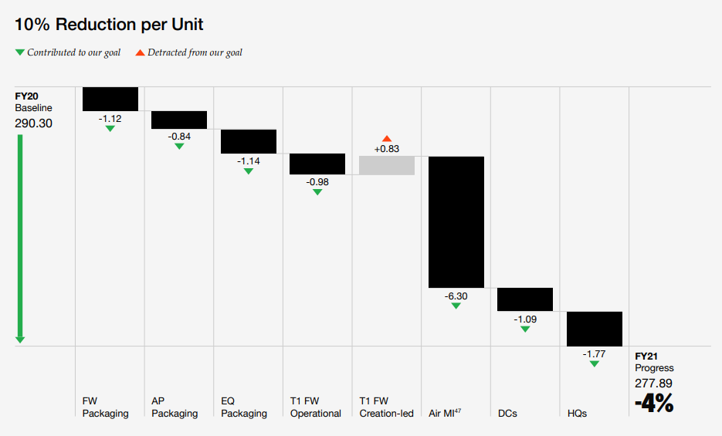
See page 108 in FY21 Impact Report
10% Reduction per Unit
FY20 Baseline | FW Packaging | AP Packaging | EQ Packaging | T1 FW Operational | T1 FW Creation-led | Air MI1 | DCs | HQs | FY21 Progress
290.3 | -1.12 | -0.84 | -1.14 | -0.98 | +0.83 | -6.3 | -1.09 | -1.77 | 277.89 -4% | Key:
 |  |  |  |  |  |  |  |  |  | Contribued to our goal
 |  |  |  |  |  |  |  |  |  | Detracted from our goal
1FY25 targets represent the first time Air MI is in waste targets scope. We are working diligently to understood drivers. The data is being evaluated for potential revision in order to ensure it most accurately reflects the underlying waste and business conditions.
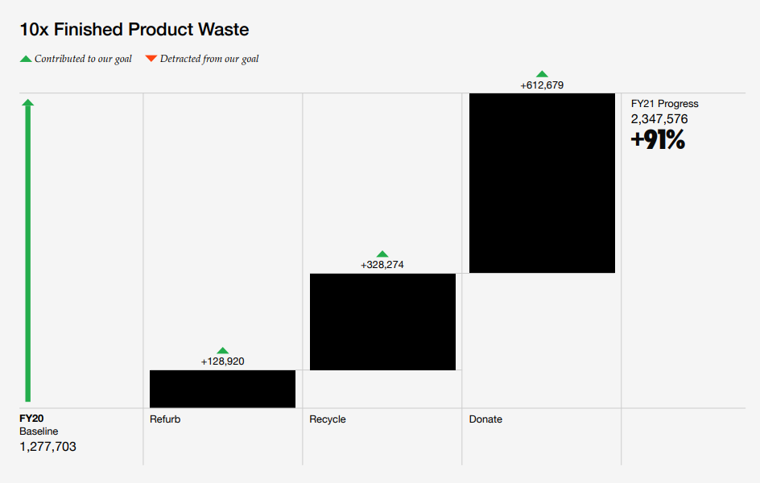

See page 122 in FY21 Impact Report
10x Finished Product Waste
FY20 Baseline | Refurb | Recycle | Donate | FY21 Progress
1,277,703 | +128,920 | +328,274 | +612,679 | 2,347,576 +91%

