Map
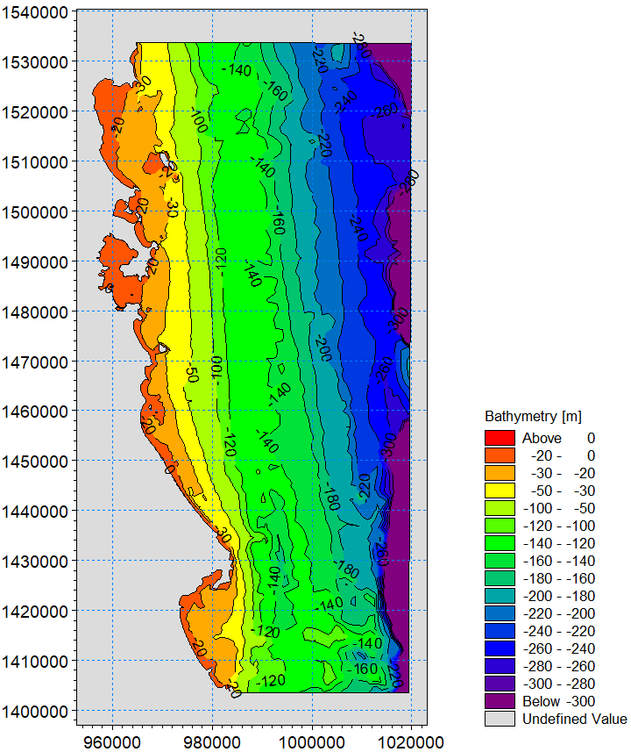
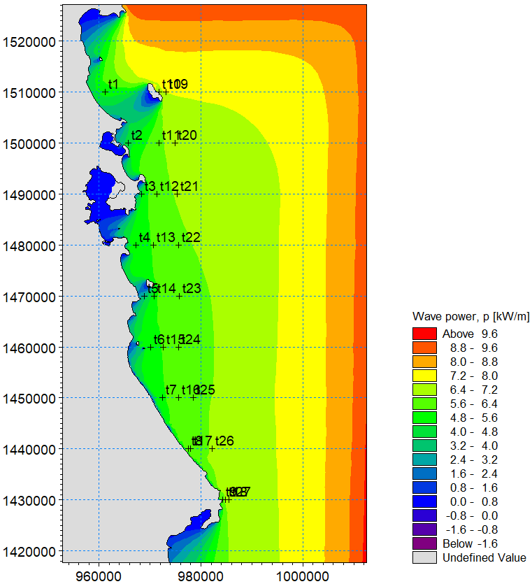

P
Pt | Descr | Depth_m | X_m | Y_m | PxNE_kWm | PyNE_kWm | PxS_kWm | PyS_kWm | alpha1 | alpha2NE | alpha2S | PnNE | PnS | Pn_year | PnNE_20 | PnNE_30 | PnNE_50 | PnS_20 | PnS_30 | PnS_50
1 | Island | 20 | 961160 | 1510000 | -3.517 | -3.103 | -0.0732 | 0.0666 | 1.1630 | 0.8479 | -3.9742 | 4.4592 | 0.0408 | 2.8232 | 4.4592 | 4.9951 | 5.2368 | 0.04079 | 0.08598 | 0.10329
2 | Song_Cau | 20 | 965660 | 1500000 | -3.244 | -2.139 | -0.1045 | 0.116 | 1.4073 | 0.9879 | -3.8749 | 3.5489 | 0.0842 | 2.2645 | 3.5489 | 4.1201 | 4.3607 | 0.08422 | 0.16121 | 0.14757
3 | Outer_Xuan_Dai | 20 | 986370 | 1490000 | -3.636 | -2.292 | -0.1697 | 0.276 | 1.6008 | 1.0083 | -3.6929 | 3.5656 | 0.1779 | 2.3068 | 3.5656 | 4.1892 | 4.2439 | 0.17790 | 0.15130 | 0.15002
4 |  | 20 | 967240 | 1480000 | -3.868 | -2.767 | -0.1222 | 0.1583 | 1.5878 | 0.9498 | -3.7990 | 3.8204 | 0.1249 | 2.4493 | 3.8204 | 3.4098 | 4.0292 | 0.12487 | 0.20779 | 0.16515
5 | Tuy_An | 20 | 968820 | 1470000 | -2.592 | -1.265 | -0.1433 | 0.2016 | 1.4514 | 1.1168 | -3.7595 | 2.7243 | 0.1183 | 1.7565 | 2.7243 | 3.9819 | 3.5000 | 0.11826 | 0.13674 | 0.20462
6 |  | 20 | 970170 | 1460000 | -3.78 | -2.925 | -0.118 | 0.13 | 1.4464 | 0.9122 | -3.8786 | 4.1136 | 0.1010 | 2.6259 | 4.1136 | 4.4984 | 4.6106 | 0.10096 | 0.09321 | 0.10529
7 | Tuy_Hoa | 20 | 972420 | 1450000 | -3.755 | -3.106 | -0.1131 | 0.0992 | 1.0527 | 0.8797 | -3.9924 | 4.8004 | 0.0491 | 3.0409 | 4.8004 | 4.8789 | 4.9085 | 0.04913 | 0.06997 | 0.08429
8 |  | 20 | 977460 | 1440000 | -3.949 | -3.571 | -0.0751 | 0.0565 | 0.9222 | 0.8356 | -4.0674 | 5.3042 | 0.0257 | 3.3504 | 5.3042 | 5.1234 | 5.3539 | 0.02572 | 0.04776 | 0.04619
9 | Dong_Hoa | 20 | 984270 | 1430000 | -4.171 | -3.649 | -0.2305 | 0.4598 | 1.3763 | 0.8521 | -3.6063 | 4.7976 | 0.1373 | 3.0692 | 4.7976 | 4.9696 | 4.7478 | 0.13728 | 0.09452 | 0.13362
10 | Island | 30 | 971520 | 1510000 | -4.345 | -4.46 | -0.1061 | 0.1189 | 1.4121 | 0.7723 | -3.8702 | 4.9951 | 0.0860 | 3.1761 | 92% |  | 102%
11 | Song_Cau | 30 | 971750 | 1500000 | -4.037 | -3.66 | -0.1675 | 0.2718 | 1.5478 | 0.8343 | -3.6939 | 4.1201 | 0.1612 | 2.6505
12 | Outer_Xuan_Dai | 30 | 971294 | 1490000 | -3.967 | -3.457 | -0.1702 | 0.277 | 1.5039 | 0.8540 | -3.6926 | 4.1892 | 0.1513 | 2.6907
13 |  | 30 | 970620 | 1480000 | -3.896 | -3.235 | -0.1709 | 0.278 | 1.7099 | 0.8778 | -3.6928 | 3.4098 | 0.2078 | 2.2189
14 | Tuy_An | 30 | 970840 | 1470000 | -3.713 | -2.888 | -0.1627 | 0.2528 | 1.4711 | 0.9097 | -3.7134 | 3.9819 | 0.1367 | 2.5551
15 |  | 30 | 972650 | 1460000 | -3.82 | -3.285 | -0.1472 | 0.2063 | 1.3277 | 0.8606 | -3.7613 | 4.4984 | 0.0932 | 2.8657
16 | Tuy_Hoa | 30 | 975580 | 1450000 | -3.872 | -3.536 | -0.1416 | 0.1746 | 1.2059 | 0.8307 | -3.8230 | 4.8789 | 0.0700 | 3.0975
17 |  | 30 | 977910 | 1440000 | -3.912 | -3.619 | -0.0931 | 0.0784 | 1.1032 | 0.8243 | -4.0125 | 5.1234 | 0.0478 | 3.2440
18 | Dong_Hoa | 30 | 984820 | 1430000 | -4.152 | -3.937 | -0.2305 | 0.5436 | 1.3305 | 0.8120 | -3.5426 | 4.9696 | 0.0945 | 3.1630
19 | Island | 50 | 973090 | 1510000 | -4.374 | -4.522 | -0.1627 | 0.2614 | 1.3562 | 0.7688 | -3.6983 | 5.2368 | 0.1033 | 3.3343
20 | Song_Cau | 50 | 974900 | 1500000 | -4.091 | -4.171 | -0.166 | 0.2701 | 1.5039 | 0.7757 | -3.6927 | 4.3607 | 0.1476 | 2.7974
21 | Outer_Xuan_Dai | 50 | 975340 | 1490000 | -3.982 | -3.995 | -0.1693 | 0.2784 | 1.5029 | 0.7838 | -3.6880 | 4.2439 | 0.1500 | 2.7246
22 |  | 50 | 975580 | 1480000 | -3.94 | -3.767 | -0.172 | 0.2833 | 1.5468 | 0.8078 | -3.6872 | 4.0292 | 0.1652 | 2.5946
23 | Tuy_An | 50 | 975800 | 1470000 | -3.911 | -3.654 | -0.1751 | 0.2868 | 1.6774 | 0.8194 | -3.6897 | 3.5000 | 0.2046 | 2.2746
24 |  | 50 | 975570 | 1460000 | -3.879 | -3.594 | -0.175 | 0.278 | 1.3353 | 0.8235 | -3.7034 | 4.6106 | 0.1053 | 2.9405
25 | Tuy_Hoa | 50 | 978500 | 1450000 | -3.934 | -3.742 | -0.1807 | 0.2786 | 1.2520 | 0.8104 | -3.7170 | 4.9085 | 0.0843 | 3.1210
26 |  | 50 | 982200 | 1440000 | -4.055 | -3.959 | -0.2013 | 0.3197 | 1.1314 | 0.7974 | -3.7035 | 5.3539 | 0.0462 | 3.3886
27 | Dong_Hoa | 50 | 985460 | 1430000 | -4.156 | -4.076 | -0.2283 | 0.5811 | 1.4121 | 0.7951 | -3.5159 | 4.7478 | 0.1336 | 3.0365

