Register_Description
This is CSR Generation tool
Author: Trthinh (Ethan)
We are VLSI Technology

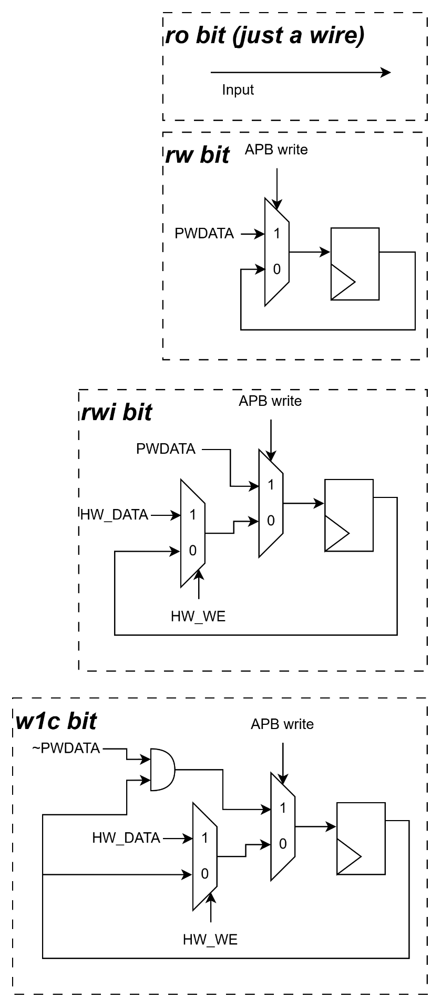
Register Type Introduction
No. | Register Type | Symbol | Description
1 | Read Write | rw | Software can write and read this register via APB
2 | Read Only | ro | Software only can read this register via APB
3 | Read Write and Internal write | rwi | Software can write and read this register via APB, but this register also can be written by internal hardware signal. Software write is higher priority
4 | Write 1 to Clear | w1c | This register can be write by internal hardware signal and Software can write 1 to clear it value (clear to 0)

