Research
Image | SKU | Note | Item Dimension (CM) | Package Note |  |  |  | CBM/Carton | Order Quantity | Items/Carton | Number of Cartons | CBM of cartons | UNIT COST (USD/PCS) FOB | Total Cost | UNIT PRICE RETAIL LOW | Mark Up % Low | Revenue | Total Gross Profit Low | UNIT PRICE RETAIL HIGH | Mark Up % High | Revenue | Total Profit Gross High
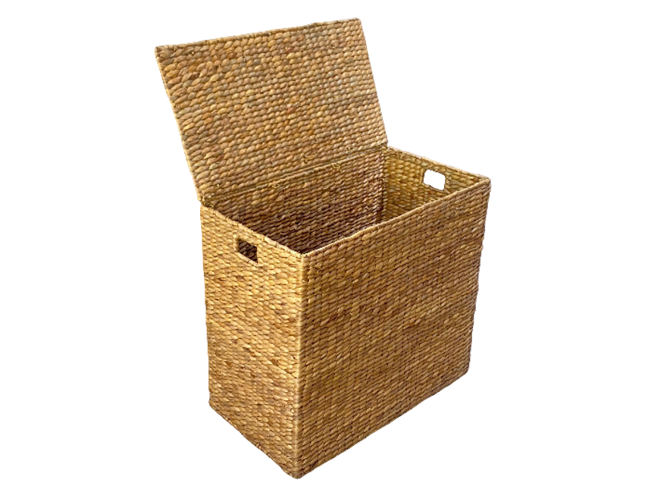 | BK01-26 |  | 62x32xH60.5(CM) | Lót giấy | 63.5 | 33.5 | 62 | 0.132 | 70 | 1 | 70 | 9.23 | $17.90 | $1,253.00 | $59.99 | 335.14% | $4,199.30 | $2,946.30 | $79.99 | 446.87% | $5,599.30 | $4,346.30
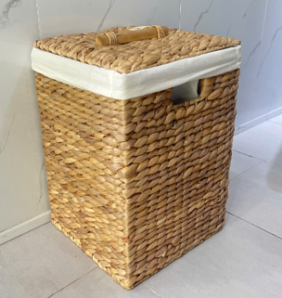 | BK12-25 |  | 28.5x28.5xH44(CM) | Lót giấy | 30 | 30 | 45.5 | 0.041 | 100 | 1 | 100 | 4.10 | $25.60 | $2,560.00 | $79.99 | 312.46% | $7,999.00 | $5,439.00 | $89.99 | 351.52% | $8,999.00 | $6,439.00
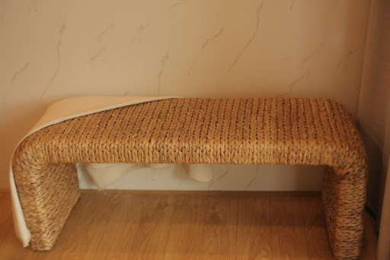 | TLB2301C |  | 123x43XH48 (CM) | Lồng 2 sp + Ke góc giấy | 126.5 | 46.5 | 51.5 | 0.303 | 30 | 1 | 30 | 9.09 | $33.80 | $1,014.00 | $179.99 | 532.51% | $5,399.70 | $4,385.70 | $199.99 | 591.69% | $5,999.70 | $4,985.70
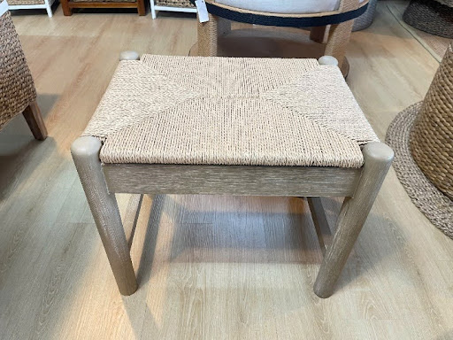 | TLBN07AB |  | 53.5x40.5xH45.5 (CM) |  | 56 | 43 | 48.5 | 0.117 | 30 | 1 | 30 | 3.50 | $33.60 | $1,008.00 | $99.99 | 297.59% | $2,999.70 | $1,991.70 | $129.99 | 386.88% | $3,899.70 | $2,891.70
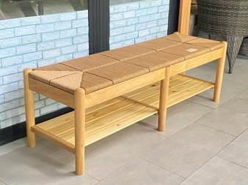 | TLBN08 | 4 leg, K/D structure | 140x45.7xH45.7 (CM) |  | 143.5 | 49 | 49.5 | 0.348 | 30 | 1 | 30 | 10.44 | $67.50 | $2,025.00 | $229.99 | 340.73% | $6,899.70 | $4,874.70 | $349.99 | 518.50% | $10,499.70 | $8,474.70
 | TLBN12 | K/D structure | 119x36xH50 (CM) | Lót giấy + Ke góc giấy | 122.5 | 38.5 | 14 | 0.066 | 30 | 1 | 30 | 1.98 | $29.50 | $885.00 | $99.99 | 338.95% | $2,999.70 | $2,114.70 | $149.99 | 508.44% | $4,499.70 | $3,614.70
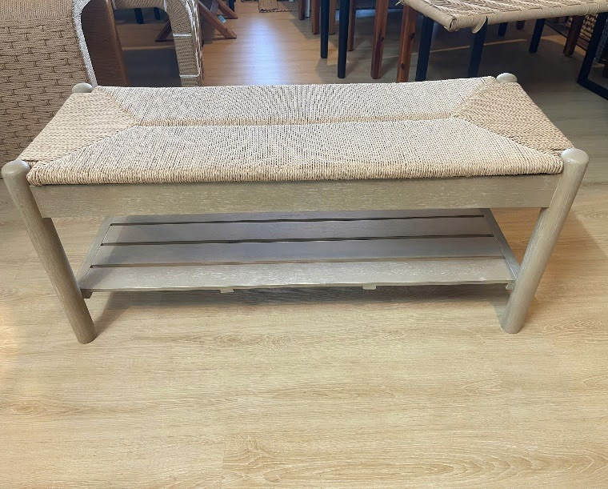 | TLBN13 | K/D structure | 109x40.5x45.5 (CM) |  | 112.5 | 44 | 49.5 | 0.245 | 30 | 1 | 30 | 7.35 | $50.90 | $1,527.00 | $199.99 | 392.91% | $5,999.70 | $4,472.70 | $259.99 | 510.79% | $7,799.70 | $6,272.70
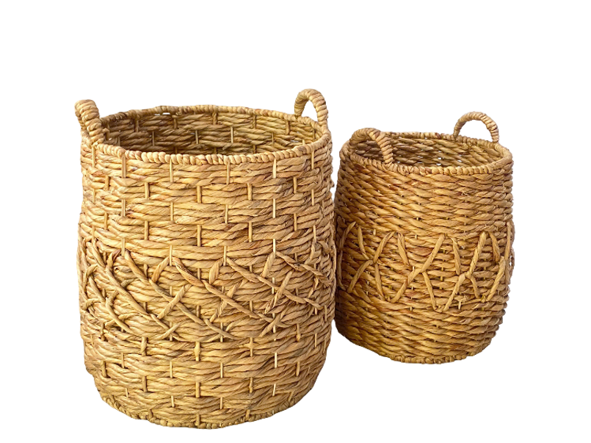 | TLC-ST01-26 |  | 49x49xH54 (CM) 36x36xH42 (CM) 30x30xH40 (CM) |  | 52.5 | 52.5 | 59 | 0.163 | 30 | 1 | 30 | 4.88 | $28.50 | $855.00 | $79.99 | 280.67% | $2,399.70 | $1,544.70 | $119.99 | 421.02% | $3,599.70 | $2,744.70
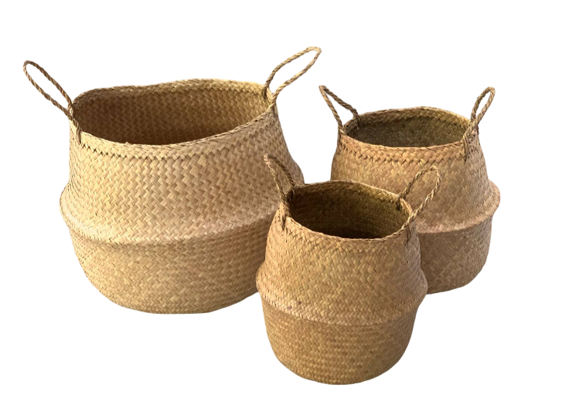 | TLC-ST03-26 |  | 51x51xH57.5 39.5x39.5xH49.5 | Lót giấy | 50.5 | 50.5 | 19.5 | 0.050 | 30 | 1 | 30 | 1.49 | $21.50 | $645.00 | $59.99 | 279.02% | $1,799.70 | $1,154.70 | $139.99 | 651.12% | $4,199.70 | $3,554.70
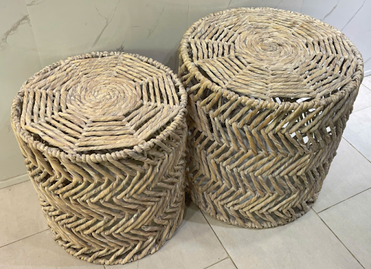 | TLC-TB01A-26 |  | 45.5x45.5xH45 39x39xH41 | Lót giấy | 47 | 47 | 46.5 | 0.103 | 20 | 1 | 20 | 2.05 | $26.90 | $538.00 | $119.99 | 446.06% | $2,399.80 | $1,861.80 | $129.99 | 483.23% | $2,599.80 | $2,061.80
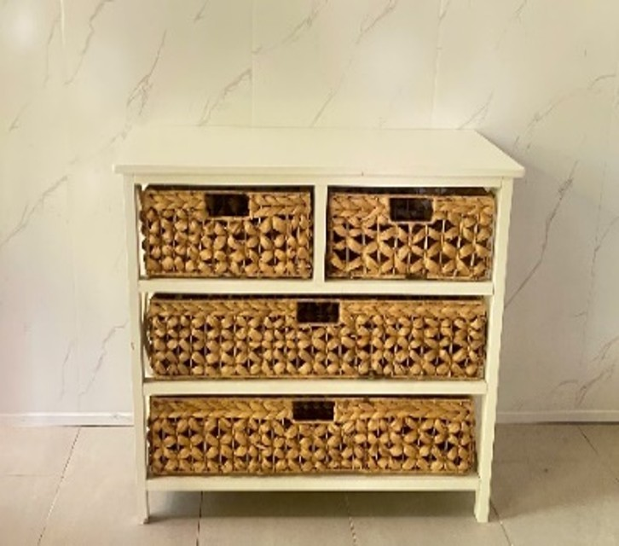 | TLFC01 (BROWN ACACIA WOOD) |  | 73.6X38.1XH63.5 (CM) | Lót giấy | 78.1 | 42 | 68 | 0.223 | 20 | 1 | 20 | 4.46 | $39.90 | $798.00 | $149.99 | 375.91% | $2,999.80 | $2,201.80 | $229.99 | 576.42% | $4,599.80 | $3,801.80
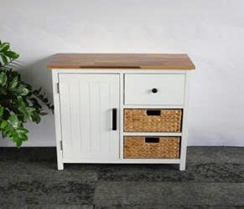 | TLFC27 |  | 76X38X68.5(CM) | Lót xốp + Ke góc giấy + Ke góc sốp | 80.5 | 42 | 73 | 0.247 | 20 | 1 | 20 | 4.94 | $49.90 | $998.00 | $179.99 | 360.70% | $3,599.80 | $2,601.80 | $299.99 | 601.18% | $5,999.80 | $5,001.80
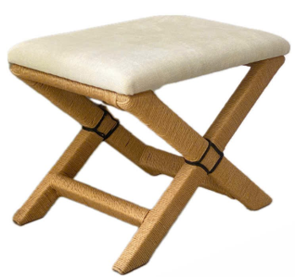 | TLSN02 |  | 60x41xH49 (CM) | Lót xốp + Ke góc giấy + Ke góc sốp | 63 | 44 | 52 | 0.144 | 20 | 1 | 20 | 2.88 | $35.90 | $718.00 | $59.99 | 167.10% | $1,199.80 | $481.80 | $99.99 | 278.52% | $1,999.80 | $1,281.80
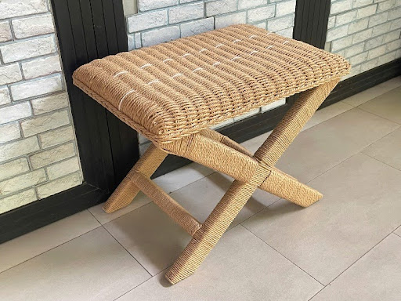 | TLSN03 |  | 60x41xH49 (CM) | Lót giấy + Ke góc giấy | 63 | 44 | 52 | 0.144 | 20 | 1 | 20 | 2.88 | $36.80 | $736.00 | $59.99 | 163.02% | $1,199.80 | $463.80 | $99.99 | 271.71% | $1,999.80 | $1,263.80
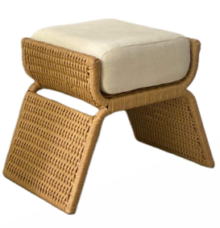 | TLSN05 |  | 74X41XH46(CM) | Lót giấy + Ke góc giấy | 76.5 | 43.5 | 48.5 | 0.161 | 30 | 1 | 30 | 4.84 | $49.60 | $1,488.00 | $119.99 | 241.92% | $3,599.70 | $2,111.70 | $169.99 | 342.72% | $5,099.70 | $3,611.70
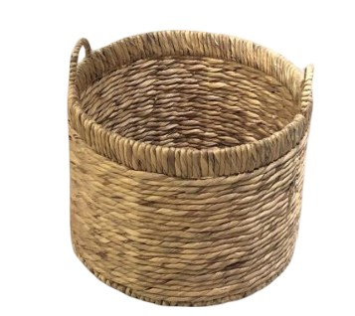 | TLCB01 |  | 46x46xH40.5(CM) 40x40xH35(CM) | Lót giấy | 47.5 | 47.5 | 42 | 0.095 | 30 | 1 (set of 2) | 30 | 2.84 | $27.50 | $825.00 | $59.99 | 218.15% | $1,799.70 | $974.70 | $74.99 | 272.69% | $2,249.70 | $1,424.70
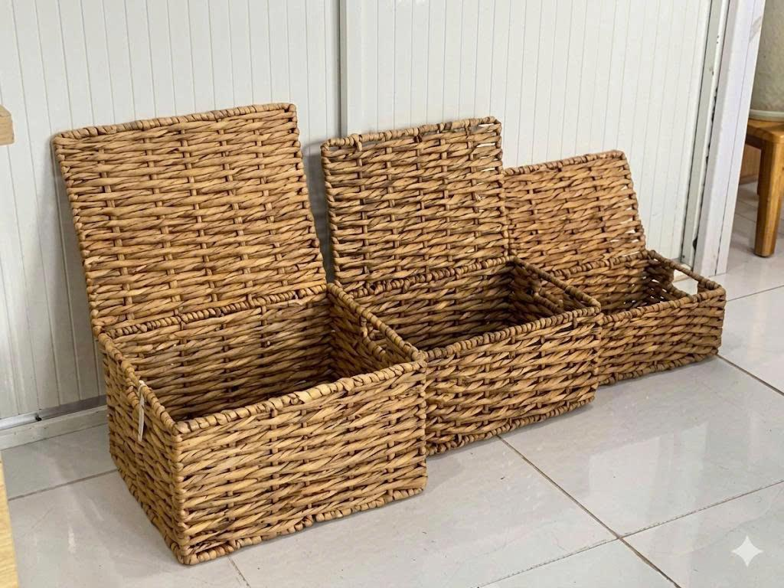 | BKS01 |  | 38X31X23 (CM) 35X25.5X20 (CM) 29.5X21X15 (CM) |  |  |  |  |  |  |  | 20 |  | $18.50 | $370.00 | $59.99 | 324.27% | $1,199.80 | $829.80 | $74.99 | 405.35% | $1,499.80 | $1,129.80
 |  |  |  |  |  |  |  |  |  |  |  |  |  | $18,243.00 |  |  | $58,694.40 | $40,451.40 |  |  | $81,144.40 | $62,901.40

