RoomMaster
RoomMaster API: Data Dictionary
1. RoomMaster (Main Object) |  |  |  | Frappe |  |  |  | Using Multi company structure -> Each branch -> 1 company
Field Name | Data Type | Description | Example / (Enum Values) | Doctype | Field name | Data Type | Option
CompanyId | number | The unique ID for the hotel property or chain. | 1 | Item | Hotel Branch | Link | Company
RoomNo | string | The "number" or name of the room. | "101","102" | Hotel Room | Room Number | Data
 |  |  |  | Hotel Room | Hotel Branch | Link | Company
StatRoom | string | The short code for the room's current status. | "VC" (e.g., VC, VD, AC, AD, OC, OD, OO,OI,OS)
StatRoomName | string | The full display name for the room's status. | "Vacant Clean" (e.g., "Vacant Clean", "Vacant Dirty", "Assign Clean", "Assign Dirty", "Occupied Clean","Occupied Dirty","Out Of Order", "Out Of Inventory", "Out Of Service")
RoomTypeCode | string | The short code for the room type. | "string" (e.g., DLX-K) | Item
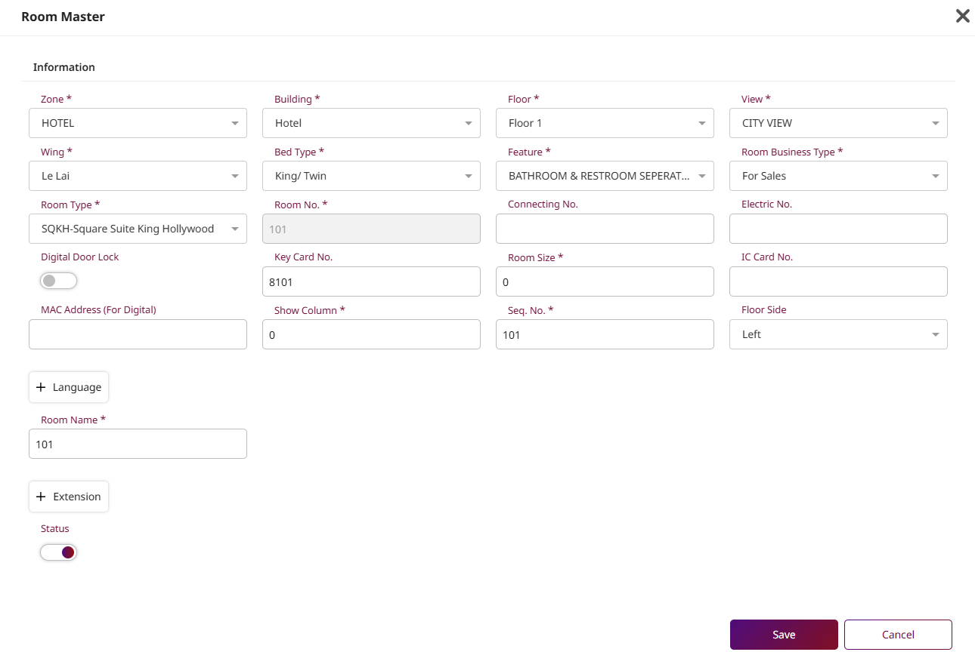
RoomTypeName | string | The full name of the room type. | "string" (e.g., "Deluxe King") | Item
 |  |  |  | Hotel Room | Category | Link | Item
RoomName | string | A specific display name for the room (if any). | "string" | Hotel Room
RackRate | number | The standard, non-discounted price for this room. | 2100 | Hotel Room
FastCheckin | boolean | Indicates if this room is eligible for fast check-in. | TRUE | Hotel Room
Keycardno | string | The serial number of the last keycard issued. | "string" | Hotel Room
BuildingId | number | The system ID for the building. | 1 | Hotel Room
BuildingName | string | The name of the building. | "Building A", "Building B", "Building C" | Hotel Room
WingId | number | The system ID for the building wing. | 1 | Hotel Room
WingName | string | The name of the wing. | "Left Wing", "Right Wing" | Hotel Room
FloorId | number | The system ID for the floor. | 1 | Hotel Room
FloorName | string | The name or number of the floor. | "Floor 1", "Floor 2"... | Hotel Room
ViewId | number | The system ID for the room's view. | 1 | Hotel Room
ViewName | string | The name of the view (e.g., "Ocean View"). | "City View", "Sea View" | Hotel Room
BedTypeId | number | The system ID for the bed type. | 1 | Hotel Room
BedTypeName | string | The description of the bed(s). | "Twin", "Triple" | Hotel Room
SpecialId | number | The system ID for any special features. | 2 | Hotel Room
SpecialName | string | The name of the special feature (e.g., "Handicap Accessible"). | "Non Smoke", "Smoking Room" | Hotel Room
ConnectionNo | string | If a connecting room, this is the room number it connects to. | if empty mean non connecting room/ or the room number that connected with this room | Hotel Room
Seq | number | (Sequence) A number used to control the display order of the room. | 1,2,3,4 | Hotel Room
ElecttricNo | string | The room's electricity meter number. | "string" | Hotel Room
IccardNo | string | An IC card number associated with the room (e.g., for power). | "string" | Hotel Room
RecordId | number | An Record ID Releated to Reservation's Record that currently use this room | can be 0 or any number | Hotel Room
Ltop | number | The "Y" coordinate (pixels from the top) for a visual map. | 0 | Hotel Room
Lleft | number | The "X" coordinate (pixels from the left) for a visual map. | 0 | Hotel Room
Lwidth | number | The width (in pixels) of the room box on a visual map. | 0 | Hotel Room
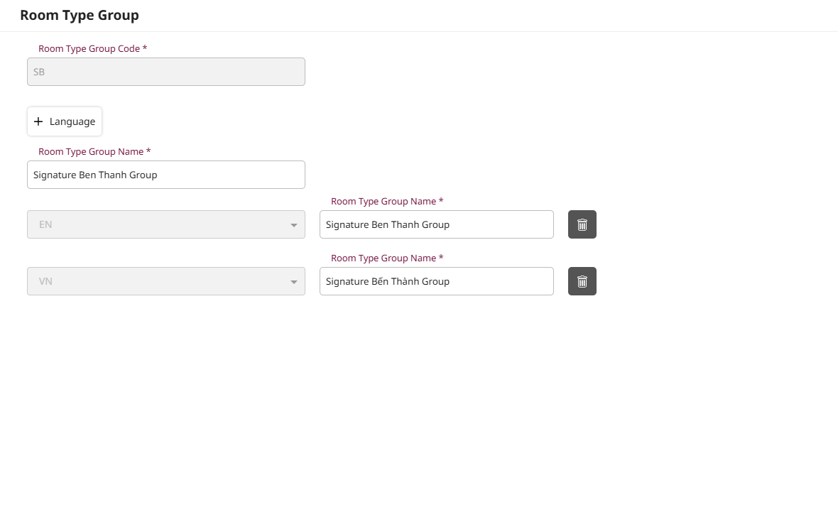
Lhigh | number | The height (in pixels) of the room box on a visual map. | 0 | Hotel Room
Lsize | number | The font size (in pixels) for the label on a visual map. | 0 | Hotel Room
Ncurvature | number | The "corner radius" for the room box (0 = square). | 0 | Hotel Room
Nlabelctr | number | NOT USE | NOT USE | Hotel Room
CreateBy | string | The username of the person who created this room record. | "string"
CreateDt | string | The timestamp when the room record was created. | "2025-11-12T11:36:10.954Z"
LastupdateBy | string | The username of the person who last modified this record. | "string"
LastupdateDt | string | The timestamp of the last modification. | "2025-11-12T11:36:10.954Z"
BsnRmId | number | NOT USE | NOT USE
Showcolumn | number | The column number to display this room in on a grid. | 0
Usedlastdate | string | The last date the room was used (e.g., last checkout date). | "2025-11-12T11:36:10.954Z"
RoomSize | number | The size of the room (e.g., in square meters). | 0 | Hotel Room
Active | boolean | A boolean (true/false) showing if the room is active in the system. | TRUE | Hotel Room
ZoneCode | string | A code for a specific area/zone in the hotel. | "string" | Hotel Room
UtilityId | number | An internal ID for the room's utility tracking. | 0 | Hotel Room
MaidAssignCode | string | The ID or code of the housekeeper assigned to this room. | "string" | Hotel Room | MaidAssignCode | Link | Maid
RmDiscrepancy | string | A code indicating a housekeeping discrepancy. | "string" | Hotel Room
RmDpcStaffcode | string | The staff member who reported the discrepancy. | "string" | Hotel Room
RmDpcDatetime | string | The timestamp when the discrepancy was noted. | "2025-11-12T11:36:10.954Z" | Hotel Room
KeycardPublicdoor | string | Access rules for public doors (e.g., "Lounge,Gym"). | "string" | Hotel Room
FloorSide | string | A descriptor for which side of the floor (e.g., "East"). | "string" | Hotel Room
EnableDigitalLock | boolean | A boolean (true/false) if the room uses a smart/digital lock. | TRUE | Hotel Room
DoorMacAddress | string | The unique MAC address for the digital door lock. | "string" | Hotel Room
RoomMasterLang | array | A list of language-specific translations for the room. | [ ... ] (See table below) | Hotel Room | RoomMasterLang | Link | RoomMasterLang
RoomExtension | array | A list of phone extensions in the room. | [ ... ] (See table below) | Hotel Room | RoomExtension | Link | RoomExtension
 |  |  |  | Hotel Room | NoOfExtraBed
 |  |  |  | Hotel Room | max_adults
 |  |  |  | Hotel Room | max_children
 |  |  |  | Hotel Room | NoOfInfant
 |  |  |  | Hotel Room
 |  |  |  | Hotel Room

2. RoomMasterLang (Object in Array)
Field Name | Data Type | Description | Example
Id | number | The unique ID for this translation record. | 0 | MasterLang | The unique ID for this translation record. | Data
CompanyId | number | The ID of the hotel property. | 1 | MasterLang | LangCulture | String
RoomNo | string | The room number this translation belongs to. | "string"
LangCulture | string | The language code (e.g., "en-US", "th-TH"). | "string"
RoomName | string | The translated name of the room. | "string"

3. RoomExtension (Object in Array)
Field Name | Data Type | Description | Example
Extension | string | The phone extension number. | "string" | RoomExtension | The phone extension number. | Data
CallingNo | string | The direct-dial "real" phone number (DID). | "9230565859" | RoomExtension | The direct-dial "real" phone number (DID). | Data
Icon | string | The name of an icon to display (e.g., "Desk", "Bathroom"). | "string" | RoomExtension | Hotel Branch | Link | Company

GuestProfile
Guest Profile API: Data Dictionary
1. Profile (Main Object) |  |  |  | Frappe
Field Name | Data Type | Description | Example | Doctype | Fields | Data type
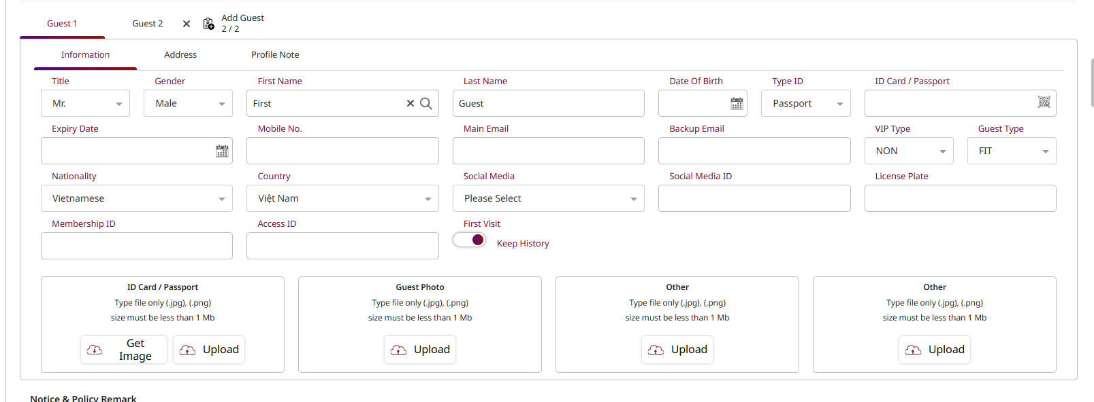
ProfileId | number | The unique ID number for the guest in the system. | 1 | Contact
ProfileCode | string | A unique code for the guest profile. | VH0000001 | Contact
ProfileName | string | The full name of the guest. | John Snow | Contact
FirstName | string | The guest's first (given) name. | John | Contact
LastName | string | The guest's last (family) name. | Snow | Contact
TitleId | number | The system ID for the guest's title (e.g., Mr., Mrs.). | Enum: 1: Mr. 2: Miss 3:Mrs. 4: Ms 11:Other | Contact
TitleName | string | The display name of the title. | MR. | Contact
GenderId | number | A system code for the guest's gender. | Enum: 1: Male 2: Female 3: Other/Unspecified | Contact
GenderName | string | The display name for the gender. | "Male" | Contact
VisitType | number | NOT USE | NOT USE | Contact
VisitTypeName | string | NOT USE | NOT USE | Contact
VIPTypeCode | string | A short code for the guest's VIP status. | Enum: 1: MEMBER, 2:VIP, 3:Other | Contact
VIPTypeName | string | The display name for the VIP status | "string" | Contact
DateOfBirth | string | The guest's birthday in ISO 8601 format. | "2025-11-12T10:42:11.533Z" | Contact
IdCard | string | N/A | Not USE | Contact
PassportNo | string | The guest's passport number or national ID card number. | "string" | Contact
JoinDate | string | The date the guest's profile was created. | "2025-11-12T10:42:11.533Z" | Contact
ExpireDate | string | The date the guest's profile (or membership) expires. | "2025-11-12T10:42:11.533Z" | Contact
MobileNo | string | The guest's primary mobile number. | "string" | Contact
NationalityCode | string | A short code for the guest's nationality. | "string" | Contact
NationalityName | string | The full name of the guest's nationality. | "string" | Contact
CountryId | number | The system ID for the guest's country of residence. | 0 | Contact
CountryName | string | The name of the guest's country. | "string" | Contact
Email | string | The guest's primary email address. | "string" | Contact
GuestTypeCode | string | A code for the guest's category (e.g., "Corporate", "Leisure"). | Enum: REG:Regular Guest, BUS:Business Man, FIT:FIT, GOV:Gorvernment, GRP:Group | Contact
GuestTypeName | string | The display name for the guest type. | "string" | Contact
ChannelCode | string | The code for the channel where the guest booked (e.g., "OTA", "WEB"). | OTA | Contact
ChannelName | string | The display name for the booking channel. | Online Travel Agent | Contact
SegmentCode | string | A code for the guest's market segment. | OTA | Contact
SegmentName | string | The display name for the market segment. | Online Travel Agent | Contact
Notice | string | A general notice | "string" | Contact
PolicyRemark | string | Remarks about special policies for this guest. | "string" | Contact
Active | boolean | Is this profile currently active? | TRUE | Contact
HiddenProfile | boolean | NOT USE | NOT USE | Contact
KeepHistory | boolean | Should the visit history for this guest be retained? | TRUE | Contact
CreateBy | string | The user who created this profile. | "string"
CreateDate | string | The timestamp when the profile was created. | "2025-11-12T10:42:11.533Z"
UpdateBy | string | The last user to update this profile. | "string"
UpdateDate | string | The timestamp of the last update. | "2025-11-12T10:42:11.533Z"
SocialMediaType | string | The type of social media (e.g., "LINE", "Facebook"). | "string" | Contact | Source
SocialMediaTypeName | string | The display name for the social media type. | "string" | Contact | Channel
SocialMediaId | string | The guest's user ID on the social media platform. | "string" | Contact | Channel
LicensePlate | string | The guest's vehicle license plate. | "string" | Contact
GuestPicture | array | A list of pictures for this guest. | [ ... ] (See table 2) | Contact
BillingAddressType | number | A code to specify which address to use for billing (e.g., 1=Residential, 2=Working). | 0 | Contact | Address | Link | Address
ResidentialAddress | object | The guest's home address. | { ... } (See table 3) | Contact | Address | Link | Address
WorkingAddress | object | The guest's work address. | { ... } (See table 3) | Contact | Address | Link | Address
BillingAddress | object | The guest's designated billing address. | { ... } (See table 3) | Contact | Address | Link | Address
LastVisitInfo | object | A summary of the guest's most recent stay. | { ... } (See table 4)
LanguageCode | string | The guest's preferred language code (e.g., "en-US", "th-TH"). | "string" | Contact | MasterLang | Link | MasterLang
BlacklistStatus | boolean | Is this guest on the blacklist? | TRUE | Contact
MiddleName | string | The guest's middle name. | "string" | Contact
MemberCardNo | string | The physical membership card number. | "string" | Contact
MemberTier | string | The name of the guest's loyalty tier. | "string" | Contact
StartEffectiveDate | string | The date the membership or status becomes active. | "2025-11-12T10:42:11.533Z" | Contact
EndEffectiveDate | string | The date the membership or status expires. | "2025-11-12T10:42:11.533Z" | Contact
RefNo | string | A general-purpose reference number. | "string" | Contact
MemberList | array | A list of associated memberships. | [ ... ] (See table 5)
AttachmentList | array | A list of file attachments (e.g., passport scan). | [ ... ] (See table 6)
ConsentList | array | A list of guest consents (e.g., for marketing). | [ ... ] (See table 7)
ProfileNotes | object | Guest preferences and caveats. | { ... } (See table 8) | Contact | Notes/comment
BackupEmail | string | A secondary email address for the guest. | "string"

2.GuestPicture (Object in Array)
Field Name | Data Type | Description | Example
Id | number | The unique ID for this picture. | 0
SeqNo | number | The display order sequence number. | 1,2,3,4
PictureUrl | string | The URL where the picture is stored. | "string"

3. Address (Reusable Object)
(Used for ResidentialAddress, WorkingAddress, and BillingAddress)
Field Name | Data Type | Description | Example
CompanyName | string | The name of the company (for WorkingAddress). | "string" | Address
Address1 | string | The first line of the street address. | "string" | Address
Address2 | string | The second line of the street address. | "string" | Address
CityName | string | The city name. | "string" | Address
CountryId | number | The system ID for the country. | 0 | Address
CountryName | string | The name of the country. | "string" | Address
ZipCode | string | The postal or ZIP code. | "string" | Address
TelephoneNo | string | The phone number for this address. | "string" | Address
FaxNo | string | The fax number for this address. | "string" | Address
TelExtension | string | The phone extension (if any). | "string" | Address
Website | string | The company website. | "string" | Address
TaxId | string | The business or tax identification number. | "string" | Address

4. LastVisitInfo (Object)
Field Name | Data Type | Description | Example
CheckIn | string | The timestamp of the last check-in. | "2025-11-12T10:42:11.533Z"
CheckOut | string | The timestamp of the last check-out. | "2025-11-12T10:42:11.533Z"
RoomTypeCode | string | The code of the last room type stayed in. | DLX
RoomTypeName | string | The name of the last room type stayed in. | Deluxe
NoOfVisit | number | The total number of visits this guest has made. | 1
RoomNight | number | The total number of room nights this guest has stayed. | 10
TotalRevenue | number | The total revenue generated from this guest. | 15000
RoomNo | string | The room number of the last stay. | 101

5. MemberListItem (Object in Array)
Field Name | Data Type | Description | Example | Contact
CompanyCode | string | A code for the company associated with the membership. | "string" | Contact
CustomerCode | string | A code for the customer associated with the membership. | "string" | Contact
MemberCode | string | The membership code. | "string" | Contact
 |  |  |  | Contact
6. AttachmentList (Object in Array)
Field Name | Data Type | Description | Example
SeqNo | number | The display order sequence number. | 1,2,3 | Contact
AttachmentUrl | string | The URL where the attachment is stored. | "string" | Contact
DocumentType | string | The type of document (e.g., "Passport", "ID Card"). | "string" | Contact
 |  |  |  | Contact
7. ConsentList (Object in Array)
Field Name | Data Type | Description | Example
SeqNo | number | The display order sequence number. | 1,2,3 | Register Membership
ConsentDate | string | The timestamp when the consent was given. | "2025-11-12T10:42:11.533Z" | Register Membership
AcceptFlag | boolean | Did the guest give consent? (true/false). | TRUE | Register Membership
ConsentTypeName | string | The name of the consent (e.g., "Email Marketing", "PDPA"). | "string" | Register Membership

8. ProfileNotes (Object)
Field Name | Data Type | Description | Example
Preferences | string | A note field for guest preferences (e.g., "Likes high floor"). | "string"
Caveats | string | A note field for warnings or alerts (e.g., "Allergic to nuts"). | "string"

 |  |  |  | Customer | Contact | Link | Contact
 |  |  |  | Customer | Billing address | Link | Address
 |  |  |  | Customer | Is Payer | Boolean
 |  |  |  | Customer | Is Member | Boolean
 |  |  |  | Customer | Is Contact Point | Boolean
 |  |  |  | Customer | Tax ID | Data
 |  |  |  | Customer | Payment Terms
 |  |  |  | Customer | Currency | Link | Curency
 |  |  |  | Customer | Member Level | Select | Silver, Gold, Platinum
 |  |  |  | Customer | Point Balance | Number
 |  |  |  | Customer | Loyalty ID | Data
 |  |  |  | Customer | Total Points | Number
 |  |  |  | Customer | Join Date | Date |  | Tracking tenure
 |  |  |  | Customer | Preferences | String |  | Food allergies, High floor, etc.
 |  |  |  | Customer | VIP Status | Select | VIP 1, VIP 2, VVIP
 |  |  |  | Customer | Voucher | Table | Voucher

Reservations
Reservation API: Data Dictionary

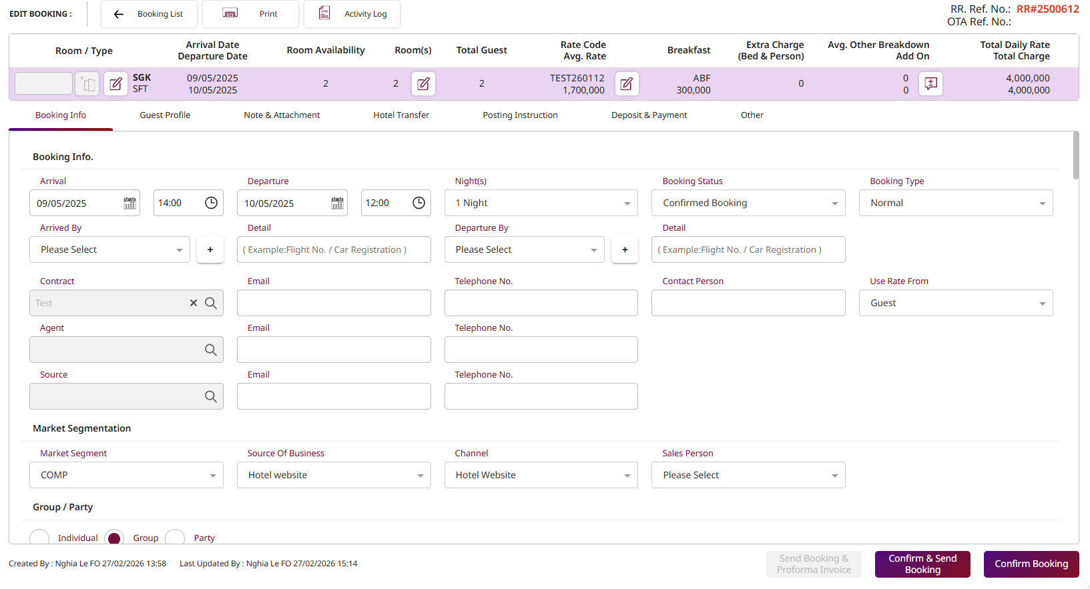
1. Reservation (Main Object)
Field Name | Data Type | Description | Example | Frappe | Field name | Filed type | Option
RecordType | string | The type of record (e.g., "RESERVATION", "IN-HOUSE"). | "string" | Sales Order
SeqNo | number | A sequence number for ordering. | 0 | Sales Order
ConfirmationNo | string | The unique confirmation number for the booking. | RR2500001,WR26000001 | Sales Order
RecordId | number | The unique internal ID for this reservation record. | 1,2,3,4 | Sales Order
RecordStatus | number | A code for the reservation's status (e.g., 0=Prospect, 1=Tentative, 2=Confirmed, 3=Cancellation, 4= No-show, 5= Waiting List, 6=Holding List, 7= In-House, 8=Checked-out). | 0,1,2,3,4,5,6,7,8 | Sales Order
BookingTypeId | number | A system ID for the type of booking. | 1,2,3,4,5 | Sales Order
ShowAddress | number | A flag to select address display 1= Agent Address, 2=Guest Address | 0 | Sales Order
NoOfRoom | number | Number of rooms in this booking. | 0 | Sales Order | Sale Order Item -> Qty=1
NoOfAdult | number | Total number of adults in this room/booking. | 0 | Sales Order | Sale Order Item -> NoOfAdult
NoOfChild | number | Total number of children. | 0 | Sales Order | Sale Order Item -> NoOfChild
NoOfInfant | number | Total number of infants. | 0 | Sales Order | Sale Order Item -> NoOfInfant
Extrabed | number | NOT USE | NOT USE | Sales Order | Sale Order Item -> Extrabed
ExtraPerson | number | NOT USE | NOT USE | Sales Order | Sale Order Item -> ExtraPerson
NoOfExtraBed | number | The number of extra beds added. | 0 | Sales Order | Sale Order Item -> NoOfExtraBed
NoOfExtraPerson | number | The number of extra persons added. | 0 | Sales Order | Sale Order Item -> NoOfExtraPerson
NoOfAdditionalGuest | number | Number of additional guests (not main guest). | 0 | Sales Order | Sale Order Item -> NoOfAdditionalGuest
ExtraBedQty | number | The quantity of extra beds. | 0 | Sales Order | Sale Order Item -> ExtraBedQty
NoOfGuest | number | The total number of guests (Adult + Child + Infant). | 0 | Sales Order | Sale Order Item -> NoOfGuest
RoomTypeCode | string | The code for the room type reserved. | "string" | Sales Order | Sale Order Item -> ItemCode
RoomTypeName | string | The name of the room type reserved. | "string" | Sales Order | Sale Order Item -> ItemName
RoomNo | string | The assigned room number. | "string" | Sales Order | Sale Order Item -> RoomNo
ArrivalDate | string | The guest's arrival date and time. | "2025-11-14T...Z" | Sales Order
ArrivalTime | string | The guest's estimated time of arrival (e.g., "14:00"). | "string" | Sales Order
DepartureDate | string | The guest's departure date and time. | "2025-11-14T...Z" | Sales Order
DepartureTime | string | The guest's estimated time of departure (e.g., "12:00"). | "string" | Sales Order
OldDeparture | string | The previous departure date (if changed). | "2025-11-14T...Z" | Sales Order
ArrivingBy | string | Mode of transport for arrival (e.g., "Flight", "Car"). | "string" | Sales Order
ArrivingNo | string | Flight number or license plate for arrival. | "string" | Sales Order
DepartingBy | string | Mode of transport for departure. | "string" | Sales Order
DepartingNo | string | Flight number for departure. | "string" | Sales Order
ContractId | number | The internal ID for a negotiated rate contract. | 0 | Sales Order
AppRateId | number | NOT USE | NOT USE | Sales Order
RateCode | string | The code for the rate plan (e.g., "BAR", "CORP"). | "string" | Sales Order
AvgRate | number | The average nightly rate for the stay. | 0 | Sales Order
BreakfastCode | string | The code for the included breakfast package. | "string" | Sales Order
AvgBreakfast | number | The average nightly price for breakfast. | 0 | Sales Order
SegmentCode | string | Market segment code (e.g., "LEISURE", "CORP"). | "string" | Sales Order
SourceCode | string | Booking source code (e.g., "WALKIN", "WEB"). | "string" | Sales Order
ChannelCode | string | Booking channel code (e.g., "BCOM", "EXPEDIA"). | "string" | Sales Order
GuestTypeCode | string | The code for the guest type. | "string" | Sales Order
PkType | number | NOT USE | NOT USE | Sales Order
PkCode | string | NOT USE | NOT USE | Sales Order
PkCharge | number | NOT USE | NOT USE | Sales Order
CurrCode | string | The currency code for this reservation (e.g., "USD", "THB"). | "string" | Sales Order
Remark | string | General remarks for the reservation. | "string" | Sales Order
TrnComment | string | (Transaction) A comment for transactions. | "string" | Sales Order
PolicyRemark | string | A remark about a special policy. | "string" | Sales Order
RateCategories | number | NOT USE | NOT USE | Sales Order
IsMainGroup | boolean | Is this the main reservation for a group? | TRUE | Sales Order
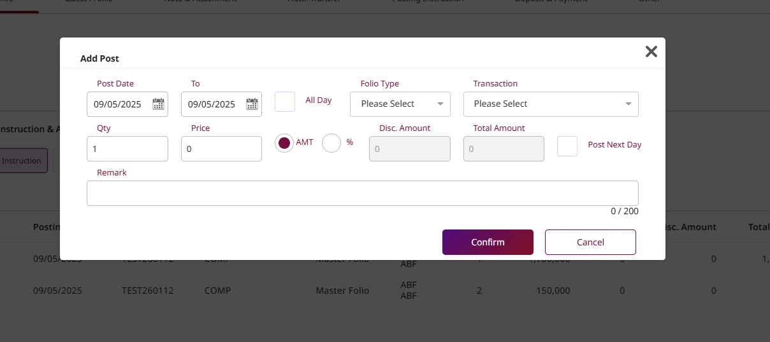
Groups | object | Details if this booking is part of a group. | { ... } | Sales Order | Booking group | Link | Booking group
Parties | object | Details if this booking is part of a party. | { ... } | Sales Order | Party group | Link | Party group
Options | object | A set of boolean flags for this booking. | { ... } | Sales Order
Guests | array | A list of guests staying in this room/booking. | [ ... ] | Sales Order | Contact Child Table
DailyRates | array | A list of daily rate charges for the stay. | [ ... ] | Sales Order
Deposits | array | A list of deposits made for this booking. | [ ... ] | Sales Order | Payment entry | Link | Payment entry
DepositRefunds | array | A list of deposit refunds. | [ ... ]
SpecialBillings | array | A list of special billing instructions (e.g., routing). | [ ... ] | Sales Order | Sales Order-> Sale order item child table'
SpecialRequests | array | A list of special requests from the guest. | [ ... ] | Sales Order | Sales Order-> Sale order item child table'
AddOns | array | A list of add-on packages or services. | [ ... ] | Sales Order | Sales Order-> Sale order item child table'
Attachments | array | A list of file attachments for this booking. | [ ... ]
Guarantees | array | A list of guarantee methods (e.g., Credit Card). | [ ... ] | Sales Order | Payment method
PurposeOfStays | array | A list of purposes for the guest's stay. | [ ... ] | Sales Order | PurposeOfStays | Link | PurposeOfStays
BookingNo | string | The original booking number. | "string" | Sales Order | Sale Order
CheckInNo | string | The registration number assigned at check-in. | "string" | Sales Order | Sale Order
SaleCode | string | The code for the salesperson credited with this booking. | "string" | Sales Order | Sale Order
ContactPerson | string | The name of the person who made the booking. | "string" | Sales Order | Contact | Link | Contact
ContactTelephone | string | The phone number of the booking contact. | "string" | Sales Order | Contact -> Telephone
ContactEmail | string | The email address of the booking contact. | "string" | Sales Order | Contact -> Email
Nights | number | The total number of nights for the stay. | 0 | Sales Order | Sale Order Item -> Qty=1
ContractName | string | The display name of the rate contract. | "string" | Sales Order | Contract
PaymentMethodId | number | The system ID for the payment method. | 0 | Payment entry
PaymentMethodName | string | The name of the payment method (e.g., "Credit Card"). | "string" | Payment entry
ArCode | string | (Accounts Receivable) The code for the AR account. | "string" | Payment entry
ArName | string | The name of the AR account. | "string" | Payment entry
ArRemark | string | A remark for the AR account. | "string" | Payment entry
ReferenceNo | string | A general reference number. | "string" | Payment entry
ExternalConfirmNo | string | A confirmation number from an external system (e.g., OTA). | "string" | Payment entry
VoucherNo | string | A voucher number used for payment or a package. | "string" | Payment entry
ExternalRateType | string | The rate type name from an external system. | "string" | Payment entry
AppRateDetailId | number | NOT USE | NOT USE | Payment entry
UseRateFrom | number | A flag indicating where the rate originated. | 0=Guest, 1= Contract/Company, 2= Agent, 3= Source | Customer
CompanyAgentId | number | The internal ID of the travel agent company. | 0 | Customer
CompanySourceId | number | The internal ID of the booking source company. | 0 | Customer
ContractCode | string | The code of the rate contract. | "string" | Customer
CompanyAgentCode | string | The code of the travel agent. | "string" | Customer
CompanyAgentName | string | The name of the travel agent. | "string" | Customer
CompanyAgentEmail | string | The email of the travel agent. | "string" | Customer
CompanyAgentTel | string | The phone number of the travel agent. | "string" | Customer
CompanySourceCode | string | The code of the booking source. | "string" | Customer
CompanySourceName | string | The name of the booking source. | "string" | Customer
CompanySourceEmail | string | The email of the booking source. | "string" | Customer
CompanySourceTel | string | The phone number of the booking source. | "string" | Customer
PaymentPolicy | string | A text description of the payment policy. | "string" | Sales order
CancellationPolicy | string | A text description of the cancellation policy. | "string" | Sales order
OtaBookingId | string | The booking ID from the OTA. | "string" | Sales order
OriginalRoomType | string | The room type originally booked (if upgraded). | "string" | Sales order
IsRtc | boolean | NOT USE | NOT USE | Sales order
CreateDate | string | The timestamp when the booking was created. | "2025-11-14T...Z"
CreateById | string | The ID of the user who created the booking. | "string"
CreateByName | string | The name of the user who created the booking. | "string"
LastUpdateDate | string | The timestamp of the last update. | "2025-11-14T...Z"
LastUpdateById | string | The ID of the user who last updated it. | "string"
LastUpdateByName | string | The name of the user who last updated it. | "string"
BlockNo | string | The code for a group block, if part of one. | "string"
IsShared | boolean | Is this a "sharer" reservation (multiple guests in one room)? | TRUE
IsMainShare | boolean | Is this the primary guest of the share? | TRUE
ShareRef | string | A reference code linking the sharers. | "string"
ShareType | number | A system ID for the type of share. | 0
TripRefNo | string | NOT USE | NOT USE
IsTempShare | boolean | Is this a temporary share? | TRUE
FolioBalance | number | The current outstanding balance on the guest's folio. | 0
UsedById | string | The ID of the user who last accessed this booking. | "string"
UsedByName | string | The name of the user who last accessed this booking. | "string"
UtilityPlan | number | A code for a utility plan (e.g., for long stays). | 0
MaxPax | number | The maximum number of people allowed in this room. | 0
RoomRate | number | The rate for the room. | 0
AllowMonthlyAutopost | boolean | Allow automatic posting of charges for long-stay guests. | TRUE
FlagStatus | number | NOT USE | NOT USE
DepositInfo | array | A list of deposit information/transactions. | [ ... ]
Document | object | Details about a related document (e.g., folio). | { ... }
Emergency | object | Emergency contact details for the booking. | { ... }
HotelTransfer | array | A list of hotel transfer/limousine services. | [ ... ]
EnableDigitalLock | boolean | Is this reservation enabled for a digital/mobile key? | TRUE
PaymentInfo | object | Information about the payment made. | { ... }

3. Group (Object)
Field Name | Data Type | Description | Example
GroupCode | string | The unique code for the group. | "string" | Booking group
GroupName | string | The display name of the group. | "string" | Booking group
LeaderName | string | The name of the group leader. | "string" | Booking group
Remark | string | A remark for the group. | "string" | Booking group
PostToRoom | string | Instructions for posting charges. | "string" | Booking group
DepositToMasterRoom | boolean | Should deposits be posted to the group master room? | TRUE | Booking group
IsCustomProfile | boolean | Does the group use a custom profile? | TRUE | Booking group
 |  |  |  | Booking group
3. Party (Object)
Field Name | Data Type | Description | Example
PartyCode | string | The unique code for the party. | "string" | Party group
PartyName | string | The display name of the party. | "string" | Party group
Remark | string | A remark for the party. | "string" | Party group
PostToRoom | string | Instructions for posting charges. | "string" | Party group

4. Options (Object)
Field Name | Data Type | Description | Example
ViewProfile | boolean | Is the profile viewable? | TRUE | Sale order | Sale order - ViewProfile
AllowPOSOnline | boolean | Allow guest to charge from Point-of-Sale systems? | TRUE | Sale order | Sale order - AllowPOSOnline
AllowUseInternet | boolean | Allow guest to use internet/wifi in the hotel? | TRUE | Sale order | Sale order - AllowUseInternet
SuperBlock | boolean | Is this a "super block" reservation? | TRUE | Sale order | Sale order - SuperBlock
GenerateVat | boolean | NOT USE | NOT USE | Sale order | Sale order - GenerateVat
PayAtHotel | boolean | Is this a "Pay at Hotel" booking? | TRUE | Sale order | Sale order - PayAtHotel
UseContractAddress | boolean | Should the address from the rate contract be used? | TRUE | Sale order | Sale order - UseContractAddress
NonRefundable | boolean | Is this a non-refundable booking? | TRUE | Sale order | Sale order - NonRefundable
NonCancellation | boolean | Is this a non-cancellable booking? | TRUE | Sale order | Sale order - NonCancellation
DoNotMove | boolean | Should this guest be "locked" in their assigned room? | TRUE | Sale order | Sale order - DoNotMove
CreditLimit | string | The credit limit set for this guest's folio. | "string" | Sale order | Sale order - CreditLimit

5. Guests (Object in Array)
Field Name | Data Type | Description | Example
ProfileSeq | number | The sequence number of this guest in the room (e.g., 1=Main, 2=Accompanying). | 0 | Contact
ProfileId | number | The unique ID of the guest's profile. | 0 | Contact
TitleId | number | The system ID for the guest's title. | 0 | Contact
GenderId | number | The system ID for the guest's gender. | 0 | Contact
FirstName | string | The guest's first name. | "string" | Contact
LastName | string | The guest's last name. | "string" | Contact
KeepHistory | boolean | Should this stay be added to the guest's profile history? | TRUE | Contact
IdPassportTypeId | number | A system ID for the type of ID (e.g., 1=Passport, 2=ID Card). | 0 | Contact
PassportNo | string | The guest's ID or Passport number. | "string" | Contact
DateOfBirth | string | The guest's date of birth. | "2025-11-14T...Z" | Contact
ExpireDate | string | The expiry date of the guest's ID/Passport. | "2025-11-14T...Z" | Contact
Email | string | The guest's email address. | "string" | Contact
Telephone | string | The guest's phone number. | "string" | Contact
SocialMediaType | string | The type of social media (e.g., "LINE"). | "string" | Contact
SocialMediaTypeName | string | The display name of the social media type. | "string" | Contact
SocialMediaId | string | The guest's user ID on the social media platform. | "string" | Contact
LicensePlate | string | The guest's vehicle license plate. | "string" | Contact
IsAdult | boolean | Is this guest an adult? | TRUE | Contact
NationalityCode | string | The code for the guest's nationality. | "string" | Contact
CountryId | number | The system ID for the guest's country of residence. | 0 | Contact
GuestTypeCode | string | The code for the guest type. | "string" | Contact
VipTypeCode | string | The code for the guest's VIP status. | "string" | Contact
BillingAddressType | number | A code to specify which address to use for billing. | 0 | Contact
Registration | object | The guest's registration card and immigration details. | { ... } | Contact
GuestPicture | array | A list of pictures for this guest. | [ ... ] | Contact
ResidentialAddress | object | The guest's home address. | { ... } | Contact
WorkingAddress | object | The guest's work address. | { ... } | Contact
BillingAddress | object | The guest's designated billing address. | { ... } | Contact
ExternalProfileCode | string | The guest's profile ID in an external system. | "string" | Contact
MemberShipId | string | The guest's loyalty membership ID. | "string" | Contact
MemberConfirmNo | string | A confirmation number related to the membership. | "string" | Contact
AccessId | string | An access ID for the guest. | "string" | Contact
BankAccountNo | string | The guest's bank account number. | "string" | Contact
BankCode | string | The code for the guest's bank. | "string" | Contact
NoOfVisits | number | The total number of visits this guest has made. | 0 | Contact
ProfileNotes | object | Guest preferences and caveats. | { ... } | Contact
CheckinStatus | boolean | Is this specific guest checked in? | TRUE | Contact
IsBirthdayToday | boolean | Is today the guest's birthday? | TRUE | Contact
BackupEmail | string | A secondary email address for the guest. | "string" | Contact

6. Registration (Object, nested in Guests)
Field Name | Data Type | Description | Example
RegisterNo | string | The unique registration card number. | "string" | Contact | Registration | Connection
Signature | string | The URL or Base64 string of the guest's signature. | "string" | Contact | Registration
TravelFromTypeId | number | A code for the type of place the guest traveled from. | 0 | Contact | Registration
TravelFrom | string | The name of the place the guest traveled from (e.g., City). | "string" | Contact | Registration
FromCountryId | number | The system ID of the country the guest traveled from. | 0 | Contact | Registration
TravelToTypeId | number | A code for the type of next destination. | 0 | Contact | Registration
TravelTo | string | The name of the guest's next destination. | "string" | Contact | Registration
ToCountryId | number | The system ID of the next destination country. | 0 | Contact | Registration
TypeOfVisa | string | The guest's visa type. | "string" | Contact | Registration
PointOfEntry | string | The port of entry into the country (e.g., "BKK" airport). | "string" | Contact | Registration
ImmigrationNo | string | The guest's immigration form number. | "string" | Contact | Registration
VisaArrival | string | The arrival date on the visa. | "2025-11-14T...Z" | Contact | Registration
VisaDeparture | string | The departure date on the visa. | "2025-11-14T...Z" | Contact | Registration
RegisterFileUrl | string | A URL to a scanned copy of the registration card. | "string" | Contact | Registration
 |  |  |  | Contact | Registration
10. DailyRates (Object in Array)
Field Name | Data Type | Description | Example
Id | number | The unique ID for this daily rate entry. | 0
SeqNo | number | The sequence number for this entry. | 0
PostDate | string | The date this charge is for. | "2025-11-14T...Z"
SegmentCode | string | The market segment for this specific day's charge. | "string"
RateCode | string | The rate code for this specific day's charge. | "string"
PostType | number | A code for the type of posting. | 0
FolioCode | string | The code of the folio (window) this charge is on. | "string"
FolioName | string | The name of the folio. | "string"
TransCode | string | The transaction code (e.g., "ROOM_CHARGE"). | "string"
TransName | string | The display name of the transaction. | "string"
Qty | number | The quantity of this item. | 0
UnitId | number | The system ID for the unit. | 0
Amount | number | The base amount before discounts. | 0
Price | number | The price per unit. | 0
DiscountPercent | number | The discount percentage applied. | 0
DiscountAmount | number | The discount amount applied. | 0
NetAmount | number | The amount after discounts, before tax/service. | 0
ServiceAmount | number | The service charge amount. | 0
VatAmount | number | The VAT (tax) amount. | 0
TaxAmount | number | The total tax amount. | 0
GrandTotal | number | The final total amount (NetAmount + Service + Tax). | 0
Remark | string | A remark for this specific charge. | "string"
SystemDate | string | The timestamp when this charge was posted. | "2025-11-14T...Z"
IsPosted | boolean | Has this charge been posted to the folio? | TRUE
IsManualEdit | boolean | Was this charge edited manually? | TRUE
IsFixItem | boolean | Is this a fixed-price item? | TRUE
IsRoomChargeItem | boolean | Is this item the main room charge? | TRUE
IsBreakfastItem | boolean | Is this item for breakfast? | TRUE
IsExtraItem | boolean | Is this an extra item (e.g., extra bed)? | TRUE
IsPackageItem | boolean | Is this item part of a package? | TRUE
IsPackageBenefitItem | boolean | Is this a package benefit (zero value)? | TRUE
PackageType | number | A system ID for the package type. | 0
ExternalItemId | number | An ID from an external system. | 0
IsPackageBenefit | boolean | Is this a package benefit? | TRUE
ItemTypeCode | string | A code for the type of item. | "string"
BuCode | string | (Business Unit) A code for the business unit. | "string"
BreakfastTypeId | number | A system ID for the type of breakfast. | 0
DayPost | number | The day of the stay this post is for (e.g., 1, 2, 3). | 0
BaseRate | number | The base rate before any adjustments. | 0
MealsCode | string | A code for the meal plan. | "string"
SubTransCode | string | A sub-transaction code. | "string"
IsAbfitem | number | A flag (0 or 1) related to breakfast items. | 0

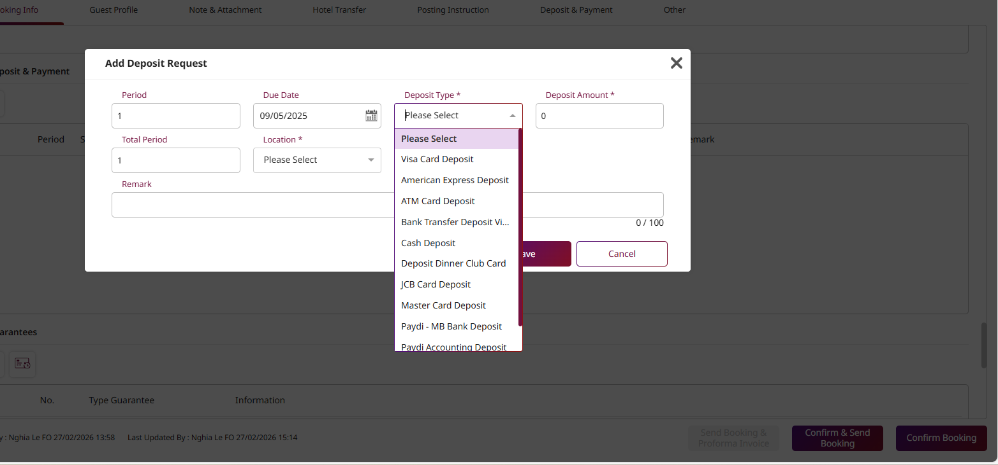
11. Deposits (Object in Array)
Field Name | Data Type | Description | Example
RecordId | number | The internal ID for this deposit. | 0 | Payment entry
Seqno | number | The sequence number for this deposit. | 0 | Payment entry
LocationId | number | The system ID for the location (e.g., Front Desk). | 0 | Payment entry
LocationName | string | The name of the location. | "string" | Payment entry
DueDate | string | The date the deposit is due. | "2025-11-14T...Z" | Payment entry
Amount | number | The amount of the deposit. | 0 | Payment entry
DocNo | string | The document number for the deposit. | "string" | Payment entry
PaymentBy | string | The payment method used. | "string" | Payment entry
TransName | string | The display name of the transaction. | "string" | Payment entry
Remark | string | A remark for the deposit. | "string" | Payment entry
PaidStatus | number | A code for the payment status (e.g., 0=Unpaid, 1=Paid). | 0 | Payment entry
ReceiveBy | string | The ID of the user who received the payment. | "string" | Payment entry
ReceiveName | string | The name of the user who received the payment. | "string" | Payment entry
ReceiveDate | string | The timestamp when the payment was received. | "2025-11-14T...Z" | Payment entry
SystemDate | string | The timestamp when the record was entered. | "2025-11-14T...Z" | Payment entry
ReceivePaymentBy | string | The payment method received. | "string" | Payment entry
ReffolioId | number | A reference ID to a folio. | 0 | Payment entry | Sale order | Link | Sales Order
GroupInvoiceCode | string | An invoice code for a group. | "string" | Payment entry

12. DepositRefunds (Object in Array)
Field Name | Data Type | Description | Example
RecordId | number | The internal ID of the original deposit. | 0 | Payment entry
Seqno | number | The sequence number of the refund. | 0 | Payment entry
DocNo | string | The document number for the refund. | "string" | Payment entry
RefundBy | string | The ID of the user who processed the refund. | "string" | Payment entry
RefundDate | string | The timestamp of the refund. | "2025-11-14T...Z" | Payment entry
RefundRemark | string | A remark for the refund. | "string" | Payment entry
ApproveBy | string | The ID of the user who approved the refund. | "string" | Payment entry

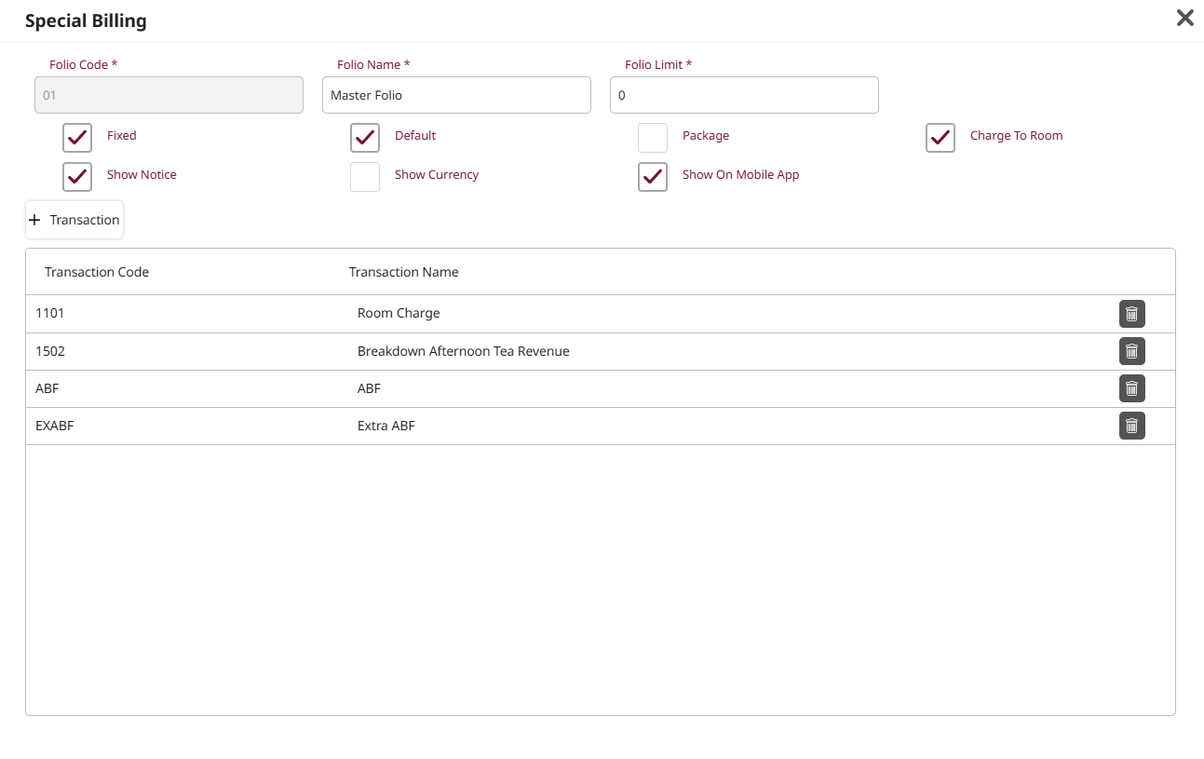
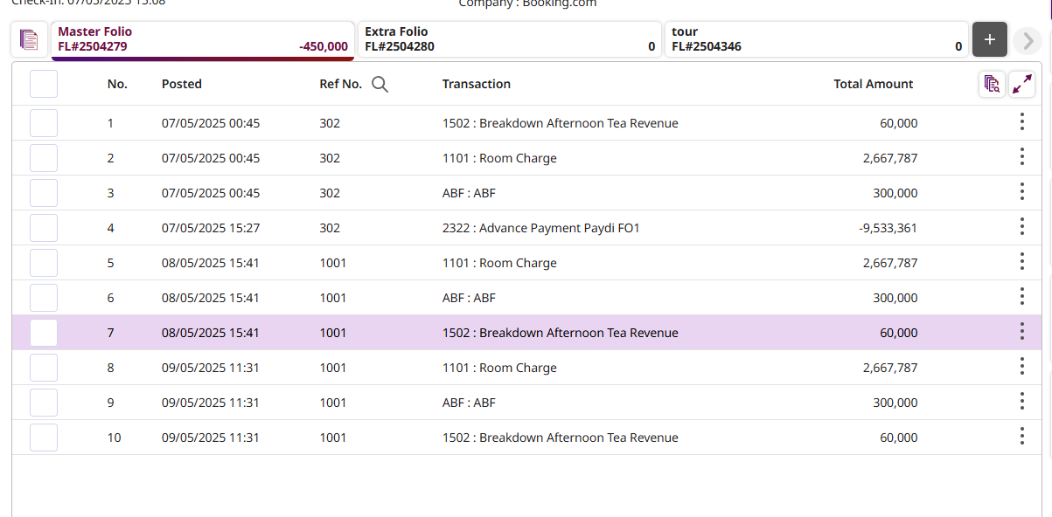
13. SpecialBillings (Object in Array)
Field Name | Data Type | Description | Example
FolioCode | string | The code of the folio (window) this rule applies to. | "string" | Item | Sales order Item
FolioLimitPost | number | The credit limit for this folio window. | 0 | Item | Sales order Item
ChargeToRecordId | number | The RecordId of the reservation to route charges to. | 0 | Item | Sales order Item
ChargeToRoomNo | string | The room number to route charges to. | "string" | Item | Sales order Item
ChargeToGuestName | string | The guest name to route charges to. | "string" | Item | Sales order Item
AllowCharge | boolean | Are charges allowed on this folio? | TRUE | Item | Sales order Item
DefaultFolio | boolean | Is this the default folio? | TRUE | Item | Sales order Item
PackageFolio | boolean | Is this a folio for package charges? | TRUE | Item | Sales order Item
GenVat | boolean | Should VAT be generated for this folio? | TRUE | Item | Sales order Item
AddressId | number | The system ID of the address to use for this folio. | 0 | Item | Sales order Item
ShowOnMobile | boolean | Should this folio be visible on the mobile app? | TRUE | Item | Sales order Item
BillingDetails | array | A list of specific transaction codes to route. | [ ... ] | Item

14. BillingDetails (Object in Array, nested in SpecialBillings)
Field Name | Data Type | Description | Example
FolioCode | string | The code of the folio this rule applies to. | "string"
TransCode | string | The transaction code to be routed (e.g., "ROOM_CHARGE"). | "string"
TransName | string | The display name of the transaction. | "string"

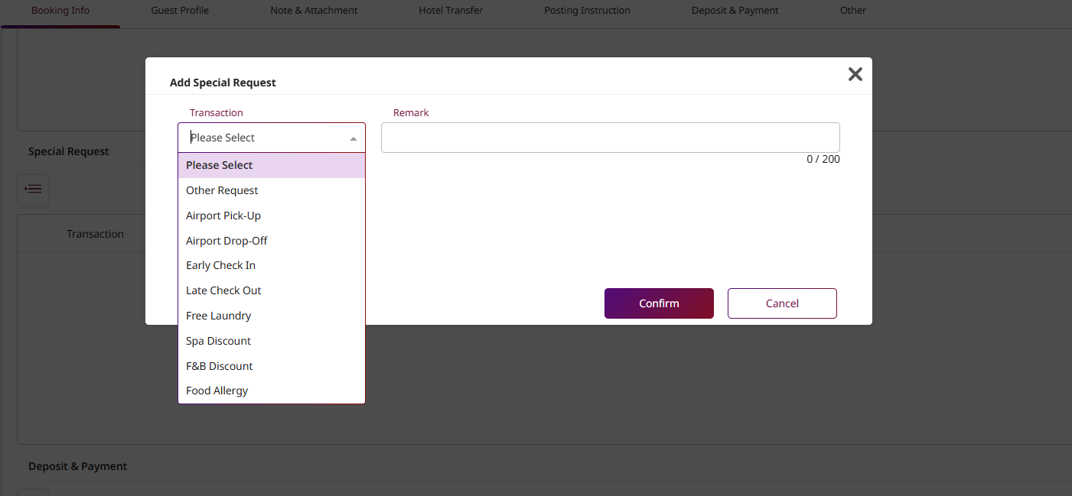
15. SpecialRequests (Object in Array)
Field Name | Data Type | Description | Example
TransCode | string | The main code for the special request. | "string" | Item
SubTransCode | string | The sub-code for the special request (e.g., "EXTRA_PILLOW"). | "string" | Item
SubTransName | string | The display name of the request. | "string" | Item
Remark | string | A free-text remark for the request. | "string" | Item
 |  |  |  | Item
16. AddOns (Object in Array)
Field Name | Data Type | Description | Example
PostingConditionId | number | The ID for the condition of when to post this add-on. | 0
PostDate | string | The date to post the add-on charge. | "2025-11-14T...Z"
TransCode | string | The transaction code for the add-on. | "string"
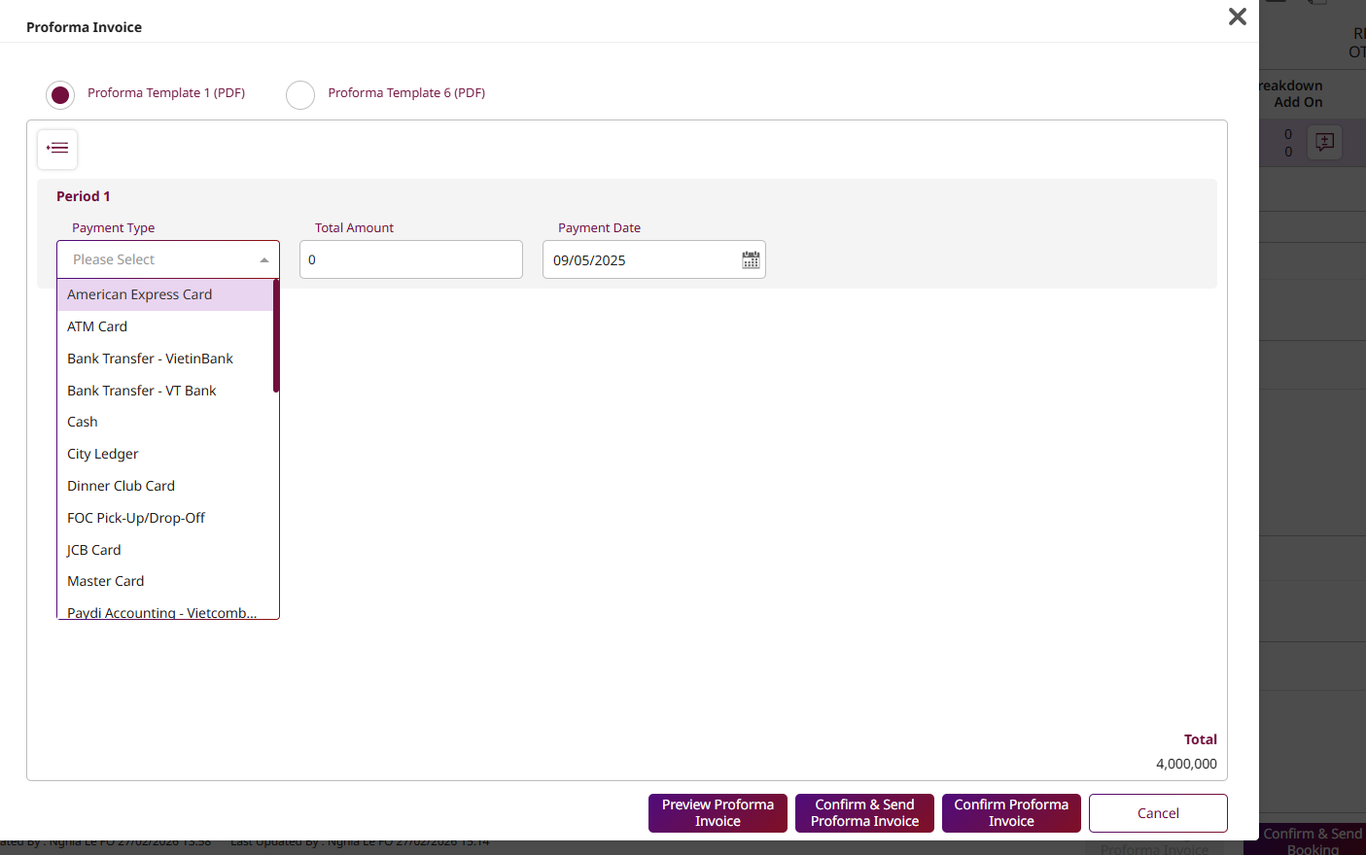
SubTransCode | string | The sub-transaction code for the add-on. | "string"
SubTransName | string | The display name of the add-on. | "string"
Qty | number | The quantity of the add-on. | 0
Price | number | The price per unit of the add-on. | 0
TotalAmount | number | The total amount for this add-on. | 0
Remark | string | A remark for the add-on. | "string"
IsPosted | boolean | Has this add-on charge been posted? | TRUE

17. Attachments (Object in Array)
Field Name | Data Type | Description | Example
Id | number | The unique ID for this attachment. | 0
RecordId | number | The RecordId of the reservation this is attached to. | 0
DocUrl | string | The URL where the document is stored. | "string"
DocName | string | The file name of the document. | "string"
DocType | string | The type of document (e.g., "PDF", "JPG"). | "string"
SeqNo | number | The display order sequence number. | 0

19. PurposeOfStays (Object in Array)
Field Name | Data Type | Description | Example
Id | number | The unique ID for this entry. | 0 | PurposeOfStays
RecordId | number | The RecordId of the reservation. | 0 | PurposeOfStays
PurposeCode | string | The code for the purpose of stay (e.g., "BUSINESS"). | "string" | PurposeOfStays
PurposeName | string | The display name of the purpose. | "string" | PurposeOfStays
 |  |  |  | PurposeOfStays
20. DepositInfo (Object in Array)
Field Name | Data Type | Description | Example
SeqNo | number | The sequence number. | 0 | Payment entry
TransCode | string | The transaction code for the deposit. | "string" | Payment entry
Amount | number | The amount of the deposit. | 0 | Payment entry
TransName | string | The display name of the transaction. | "string" | Payment entry
Posted | boolean | Has this deposit been posted? | TRUE | Payment entry
TaxNo | string | The tax document number for this deposit. | "string" | Payment entry

21. Document (Object)
Field Name | Data Type | Description | Example
RecordStatus | number | The status of the document. | 1,2,3,4,5,6,7,8
RefNo | string | A reference number for the document. | "string"
SystemDate | string | The system date for the document. | "2025-11-14T...Z"
StaffCode | string | The code of the staff member who handled it. | "string"

23. HotelTransfer (Object in Array)
Field Name | Data Type | Description | Example
Id | number | The unique ID for this transfer request. | 0 | Item
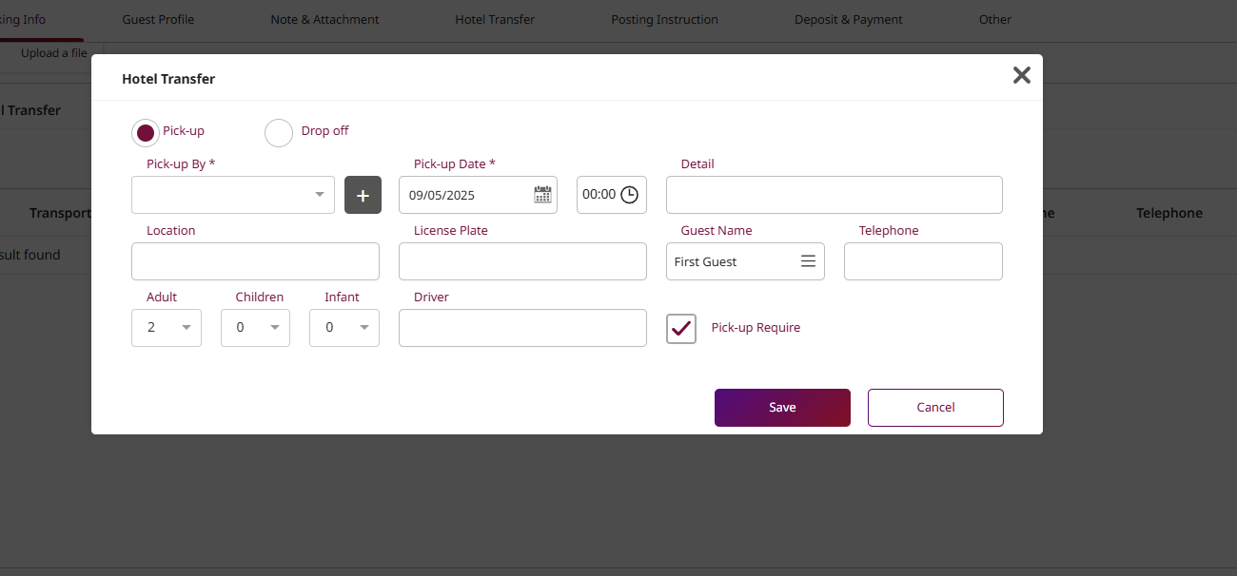
VehicleId | number | The system ID of the vehicle. | 0 | Item
VehicleName | string | The name or type of the vehicle. | "string" | Item
TransportationType | number | A code for the type (e.g., 1=Pickup, 2=Drop Off). | 0 | Item
TransportationTypeName | string | The display name of the type. | "string" | Item
TransportationDate | string | The date and time of the transfer. | "2025-11-14T...Z" | Sale Order Item | Sale Order Item - TransportationDate
Location | string | The pickup or dropoff location (e.g., "BKK Airport"). | "string" | Sale Order Item | Sale Order Item - Location
LicensePlate | string | The vehicle's license plate. | "string" | Sale Order Item | Sale Order Item - LicensePlate
Detail | string | Free-text details for the transfer. | "string" | Sale Order Item | Sale Order Item - Detail
GuestName | string | The name of the guest for the transfer. | "string" | Sale Order Item | Sale Order Item - GuestName
Telephone | string | The contact phone for the transfer. | "string" | Sale Order Item | Sale Order Item - Telephone
DriverName | string | The name of the assigned driver. | "string" | Sale Order Item | Sale Order Item - DriverName
NoOfAdult | number | Number of adults for the transfer. | 0 | Sale Order Item | Sale Order Item - NoOfAdult
NoOfChild | number | Number of children for the transfer. | 0 | Sale Order Item | Sale Order Item - NoOfChild
NoOfInfant | number | Number of infants for the transfer. | 0 | Sale Order Item | Sale Order Item - NoOfInfant
IsRequired | boolean | Is this transfer required/confirmed? | TRUE | Sale Order Item | Sale Order Item - IsRequired

Blue Coral
Flow
PMS Status | Stage | Frappe Action | Document State
0 - 6 | Booking | Create Sales Order | Draft | Sales Order
7 | Check-in | Update Sales Order (Room #, Guests) | Draft | Sales Order
Stay | In-House | Append Items (F&B, Spa) to Table | Draft | Sales Order | Room + Guest
8 | Check-out | Submit Sales Order -> Create Sales Invoice | Submitted | Submit » Sales Order » Sales Invoice

Event-Based Field Updates (Step-by-Step)
Phase 1: At Booking (Status 0-6)
 | Create Sales Order (Draft).
 | Customer: Contact with contact point flag
 | Items: The Room Category (e.g., RM-DELUXE) with the estimated nights.
 | Metadata: Map the booking_group_id and external_id.
 | Deposit | Link to the customer -> flag as payer
Phase 2: At Check-in & In-House (Status 7)
 | Update Sales Order (Still Draft).
 | Room Assignment: Update the Hotel Room link and physical room_number.
 | Occupant Sync: Update the Occupant Detail child table with all guest Contacts.
 | Contact: update information for guest profile
 | Incidental Charges: As the guest consumes services, the PMS pushes new rows to the items table:
 | Minibar - Soda
 | Spa - Massage

Phase 3: At Check-out (Status 8)
 | Step A: Final Review: The API/Staff does one last check of the Draft Sales Order.
 | Step B: Submit: Change Sales Order status to Submitted. This locks the operational record.
 | Step C: Invoice: Generate the Sales Invoice.

Step D: Loyalty: The submission of the Invoice triggers the point calculation for the Contacts listed in the Occupant Detail table.

Frappe structure |  | Doctype
 |  | Item | Duluxe / Transfer Hotel/ Service name | Custom field: Detail as some service
 |  | Sale Order Item -> Child table in the Sale Order
 |  | Sale Invoice Item -> Child table in Sale Invoice
 |  | Hotel Room -> Link field -> Sale Order Item field

 |  | Example : Sale order Item Hotel Room | Item : Deluxe | Loại phòng
 |  |  | Hotel room: BT_101 | Phòng 101 - Bên Thành
 |  |  | RoomName | Auto fetch from Hotel room |  | Optional
 |  |  | RackRate | Auto fetch from Hotel room |  | Optional
 |  |  | FastCheckin | Auto fetch from Hotel room |  | Optional
 |  |  | Keycardno | Auto fetch from Hotel room |  | Optional
 |  |  | BuildingId | Auto fetch from Hotel room |  | Optional
 |  |  | BuildingName | Auto fetch from Hotel room |  | Optional
 |  |  | WingId | Auto fetch from Hotel room |  | Optional
 |  |  | WingName | Auto fetch from Hotel room |  | Optional
 |  |  | FloorId | Auto fetch from Hotel room |  | Optional
 |  |  | FloorName | Auto fetch from Hotel room |  | Optional
 |  |  | ViewId | Auto fetch from Hotel room |  | Optional
 |  |  | ViewName | Auto fetch from Hotel room |  | Optional
 |  |  | BedTypeId | Auto fetch from Hotel room |  | Optional
 |  |  | BedTypeName | Auto fetch from Hotel room |  | Optional
 |  |  | SpecialId | Auto fetch from Hotel room |  | Optional
 |  |  | SpecialName | Auto fetch from Hotel room |  | Optional
 |  |  | ConnectionNo | Auto fetch from Hotel room |  | Optional
 |  |  | Seq | Auto fetch from Hotel room |  | Optional
 |  |  | ElecttricNo | Auto fetch from Hotel room |  | Optional
 |  |  | IccardNo | Auto fetch from Hotel room |  | Optional
 |  |  | RecordId | Auto fetch from Hotel room |  | Optional
 |  |  | Ltop | Auto fetch from Hotel room |  | Optional
 |  |  | Lleft | Auto fetch from Hotel room |  | Optional
 |  |  | Lwidth | Auto fetch from Hotel room |  | Optional
 |  |  | Lhigh | Auto fetch from Hotel room |  | Optional
 |  |  | Lsize | Auto fetch from Hotel room |  | Optional
 |  |  | Ncurvature | Auto fetch from Hotel room |  | Optional
 |  |  | NoOfAdult | Manual based on booking
 |  |  | NoOfChild | Manual based on booking
 |  |  | NoOfInfant | Manual based on booking
 |  |  | Extrabed | Manual based on booking
 |  |  | ExtraPerson | Manual based on booking
 |  |  | NoOfExtraBed | Manual based on booking
 |  |  | NoOfExtraPerson | Manual based on booking
 |  |  | NoOfAdditionalGuest | Manual based on booking
 |  |  | ExtraBedQty | Manual based on booking
 |  |  | NoOfGuest | Manual based on booking

