Nanosight Standards
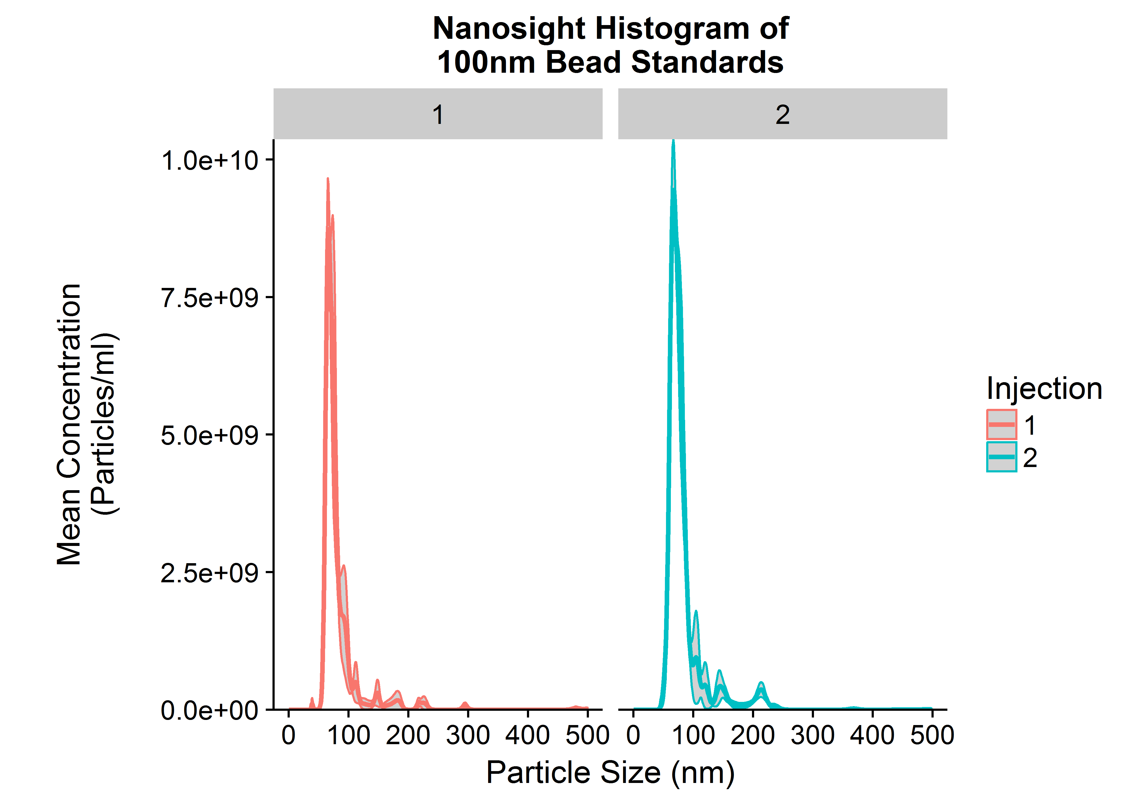
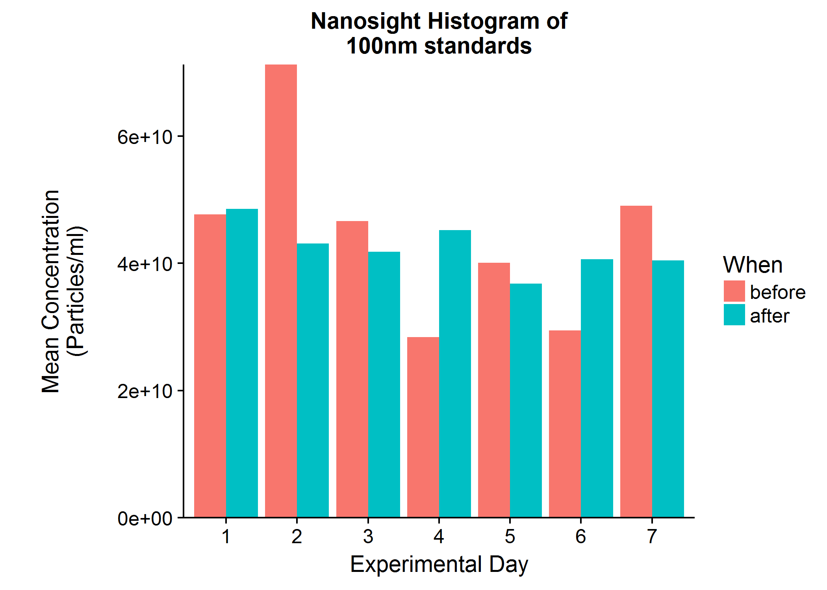
Intra-assay CV
Nano_day | Day_N | Day_mean | Day_sd | Day_se | Day_cv
1 | 2 | 48125217698 | 617848972.09 | 436885197.92 | 0.012838362124
2 | 2 | 57205142073 | 19921324959 | 14086503969 | 0.34824360603
3 | 2 | 44222501542 | 3429198451.6 | 2424809479.2 | 0.077544198814
4 | 2 | 36833416219 | 11902308912 | 8416203343.8 | 0.32313888133
5 | 2 | 38474626990 | 2324782674.3 | 1643869593.8 | 0.060423787211
6 | 2 | 35047495583 | 7903830149.2 | 5588851895.8 | 0.22551768729
7 | 2 | 44769424729 | 6071491206.7 | 4293192604.2 | 0.13561691363

Inter-assay CV
Exp_N | Exp_mean | Exp_sd | Exp_se | Exp_cv
7 | 43525403548 | 7664800849.2 | 2897022413.7 | 0.17609947811

Nanosight Samples
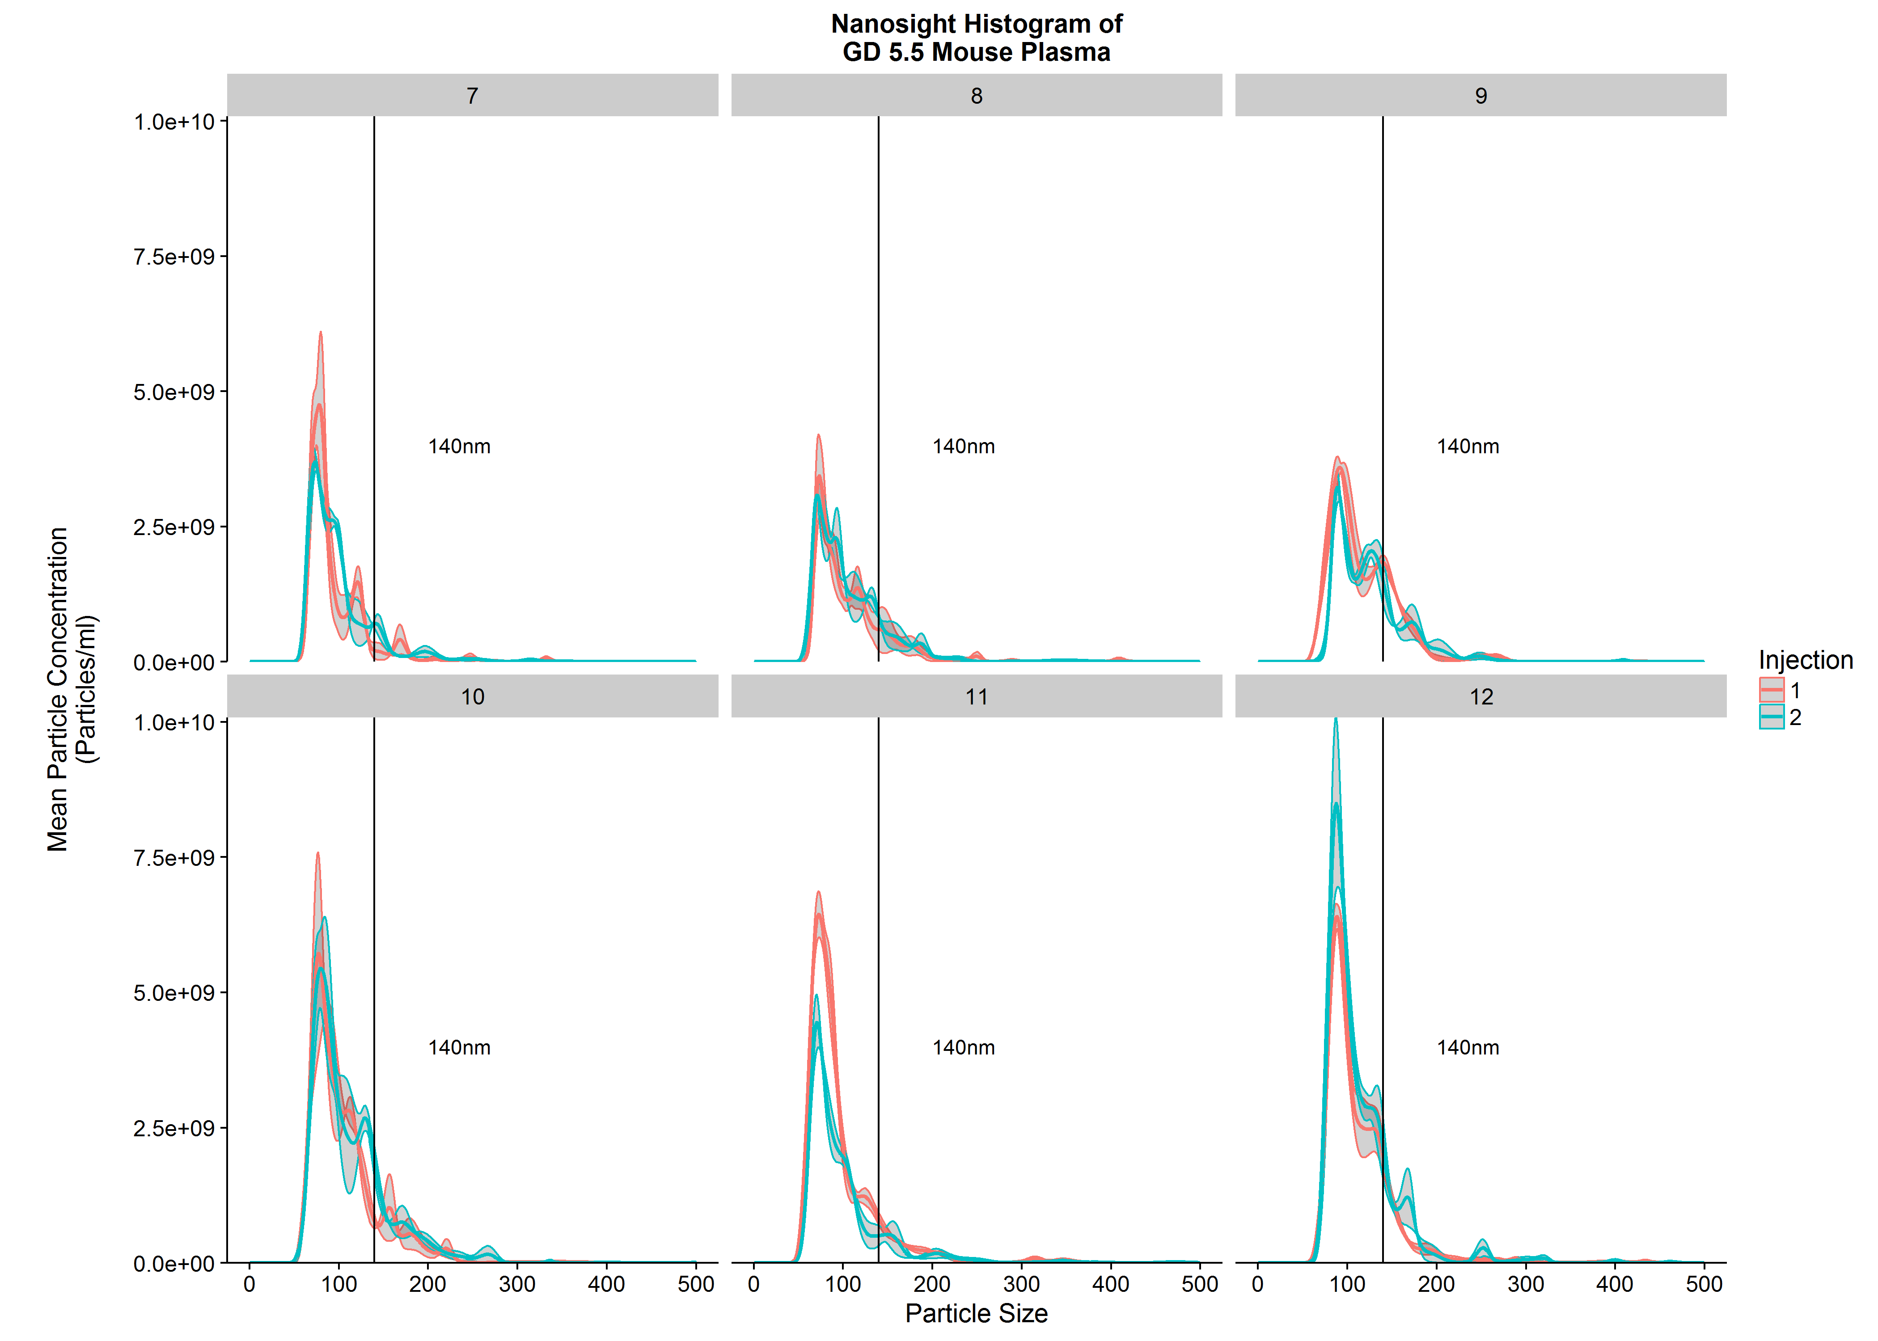
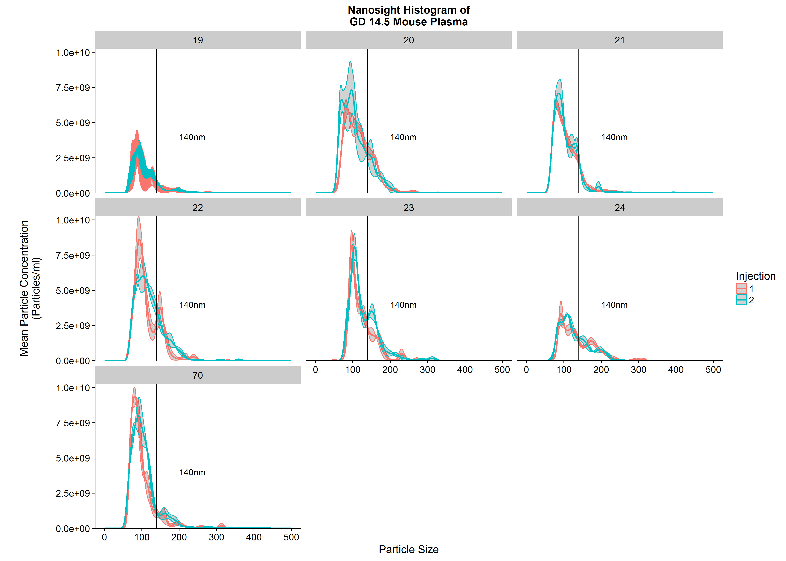
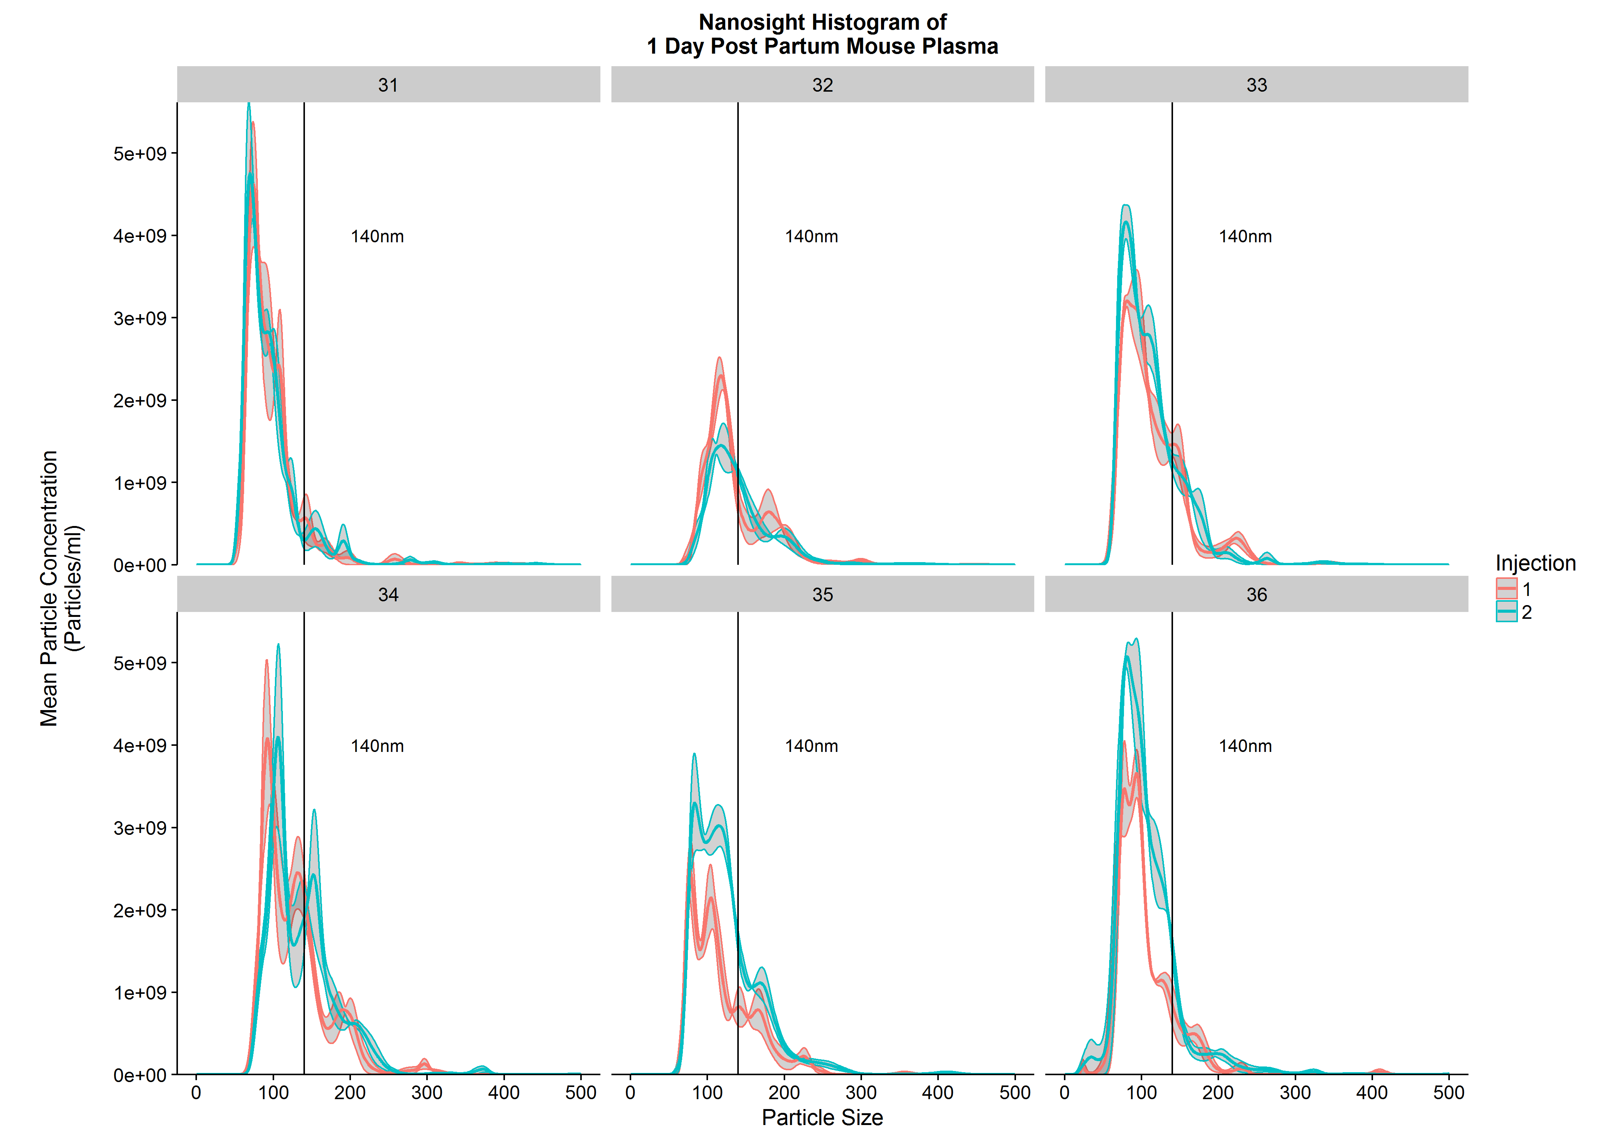
Individual Sample Vesicle Concentration (particles/ml) |  |  | Outlier Reason
Day | Sample_ID | particle_conc
1 | 1 | 1.2423507633E+11
1 | 2 | 89249062500
1 | 3 | 1.7559516717E+11
1 | 4 | 1.5374147467E+11
1 | 5 | 1.8205704983E+11 |  | Summary Statistics for Gestational Day
1 | 6 | 282458569250 | >1.5 IQR | Day | Day_N | Day_mean | Day_sd | Day_se
5 | 10 | 3.0607580517E+11 |  | 1 | 5 | 144975566100 | 38487168893 | 17211985181
5 | 11 | 241497990000 |  | 5 | 6 | 2.3472210994E+11 | 73806691215 | 30131455513
5 | 12 | 3.3667721221E+11 |  | 10 | 6 | 2.5897413546E+11 | 1.0174917933E+11 | 41538928517
5 | 7 | 1.6723073058E+11 |  | 14 | 7 | 3.9162580121E+11 | 95846005651 | 36226385016
5 | 8 | 158284440500 |  | 17 | 7 | 3.0685208385E+11 | 94238963594 | 35618980212
5 | 9 | 1.9856648117E+11 |  | 20 | 5 | 2.3387214228E+11 | 21480261989 | 9606265196.2
10 | 13 | 337823313000
10 | 14 | 3.1759904833E+11
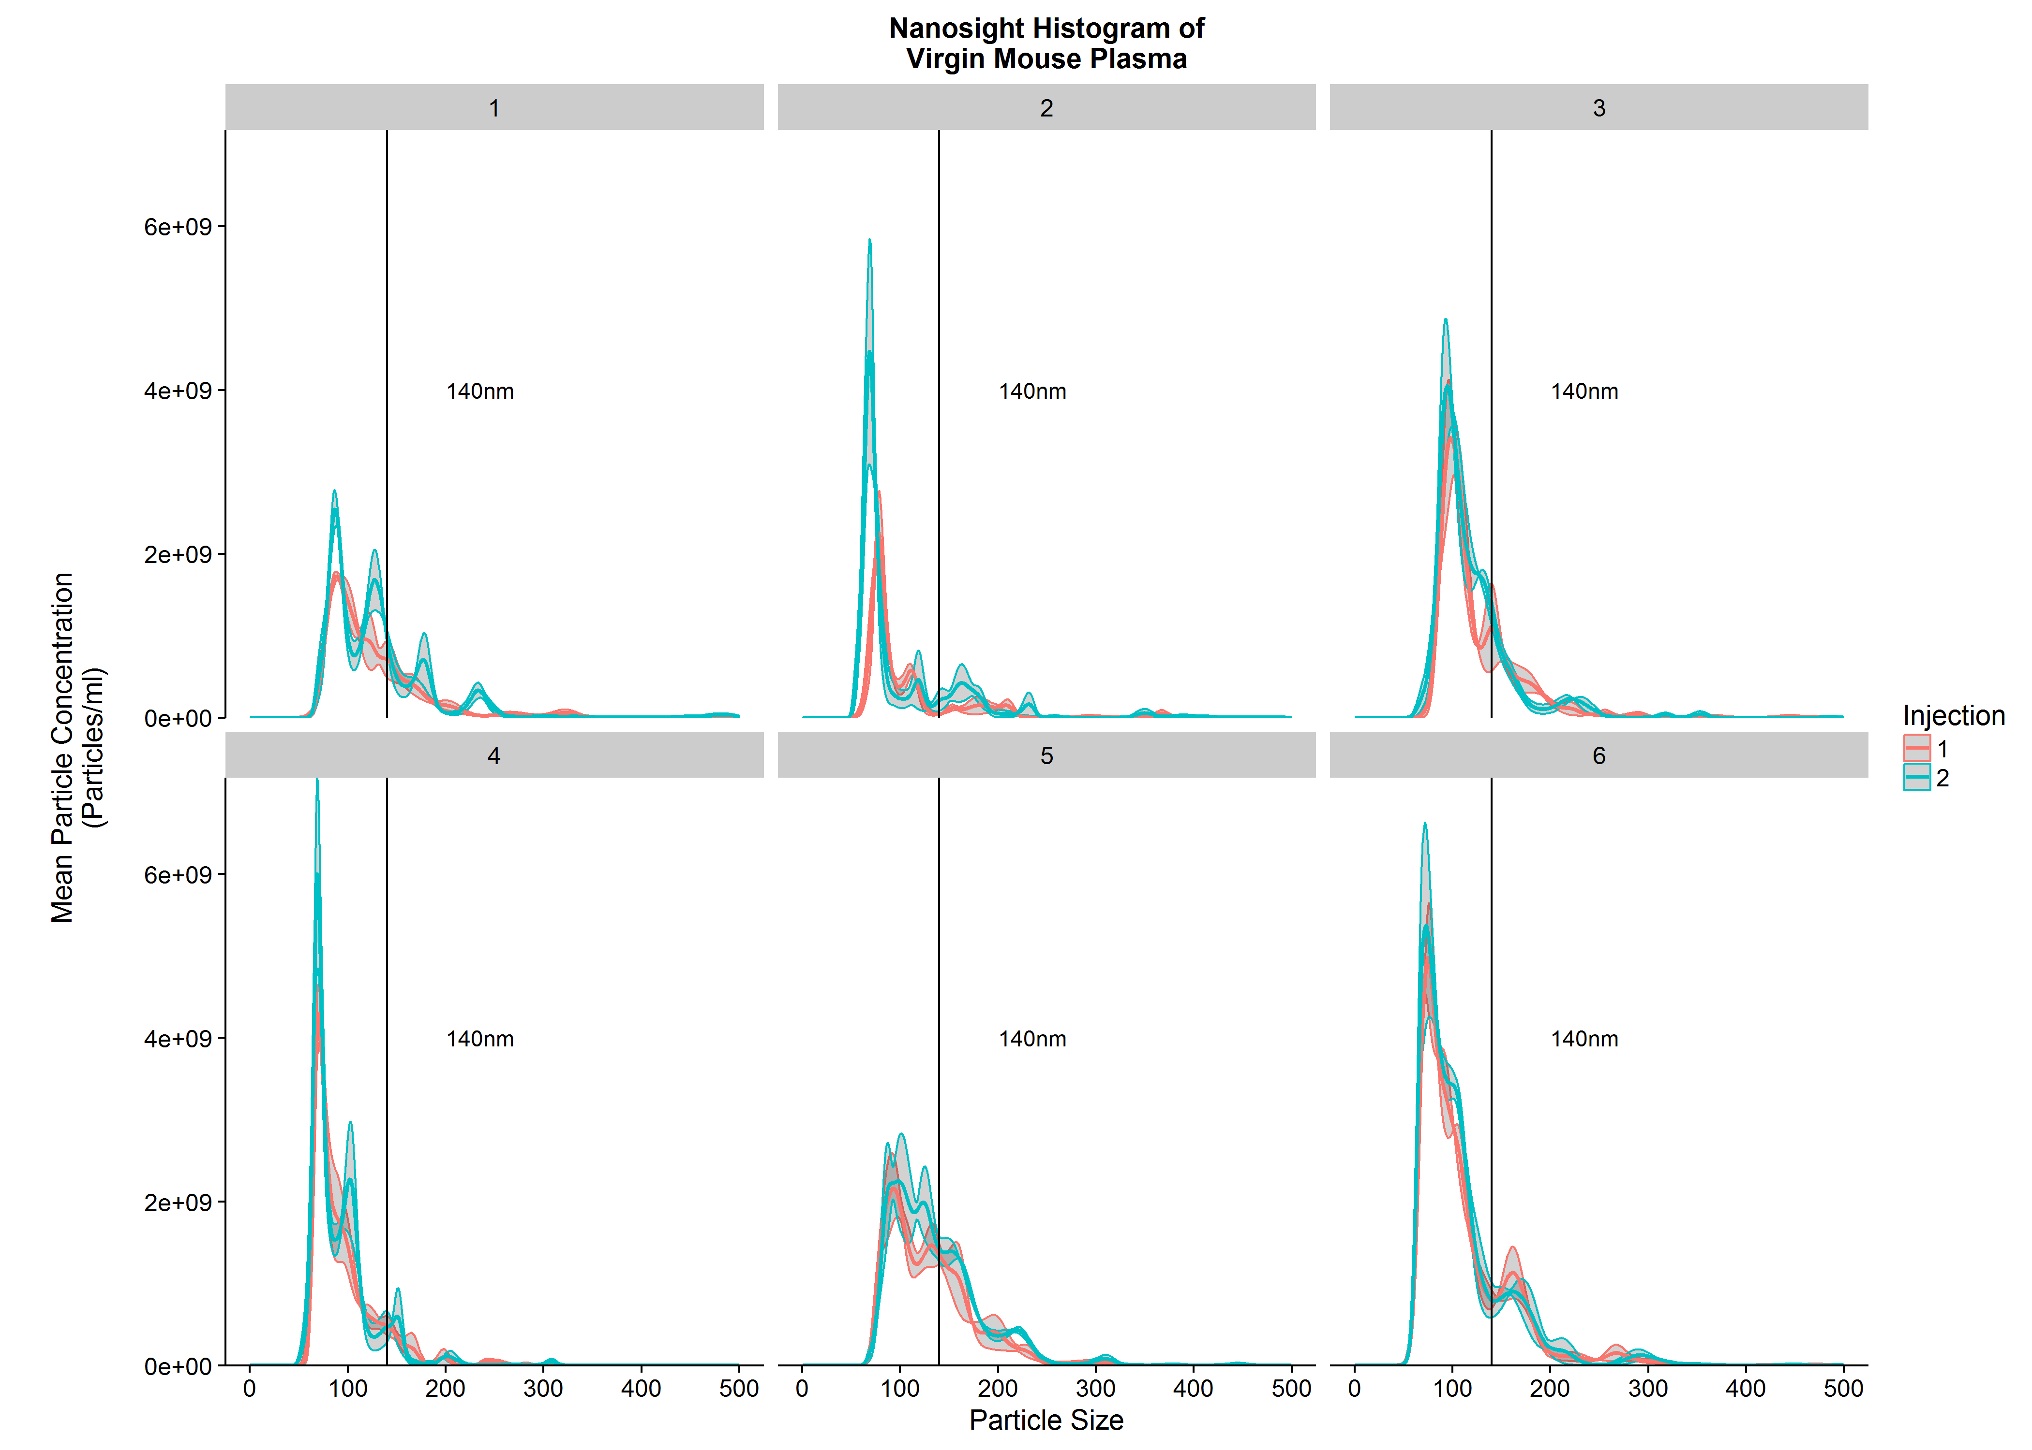
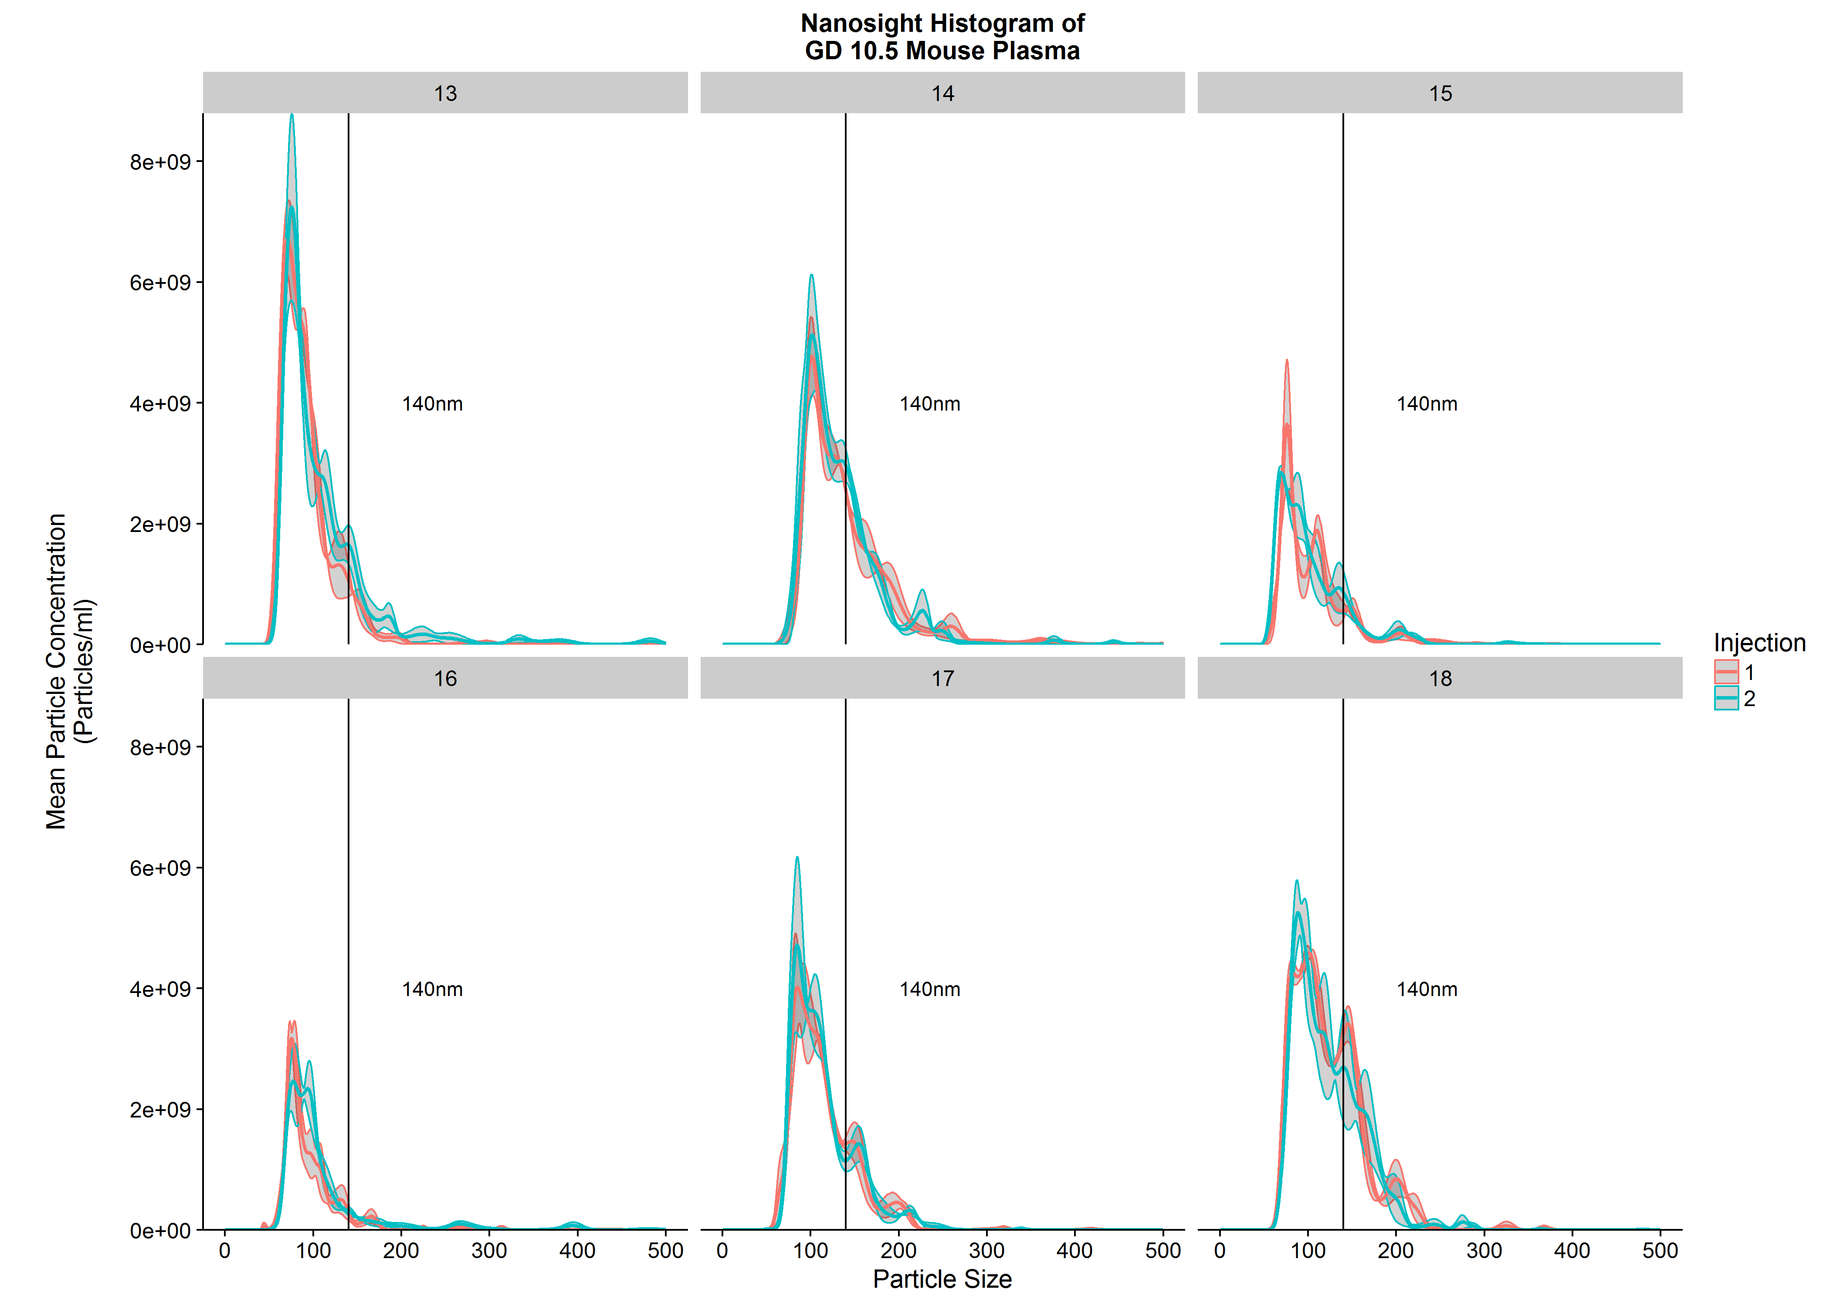
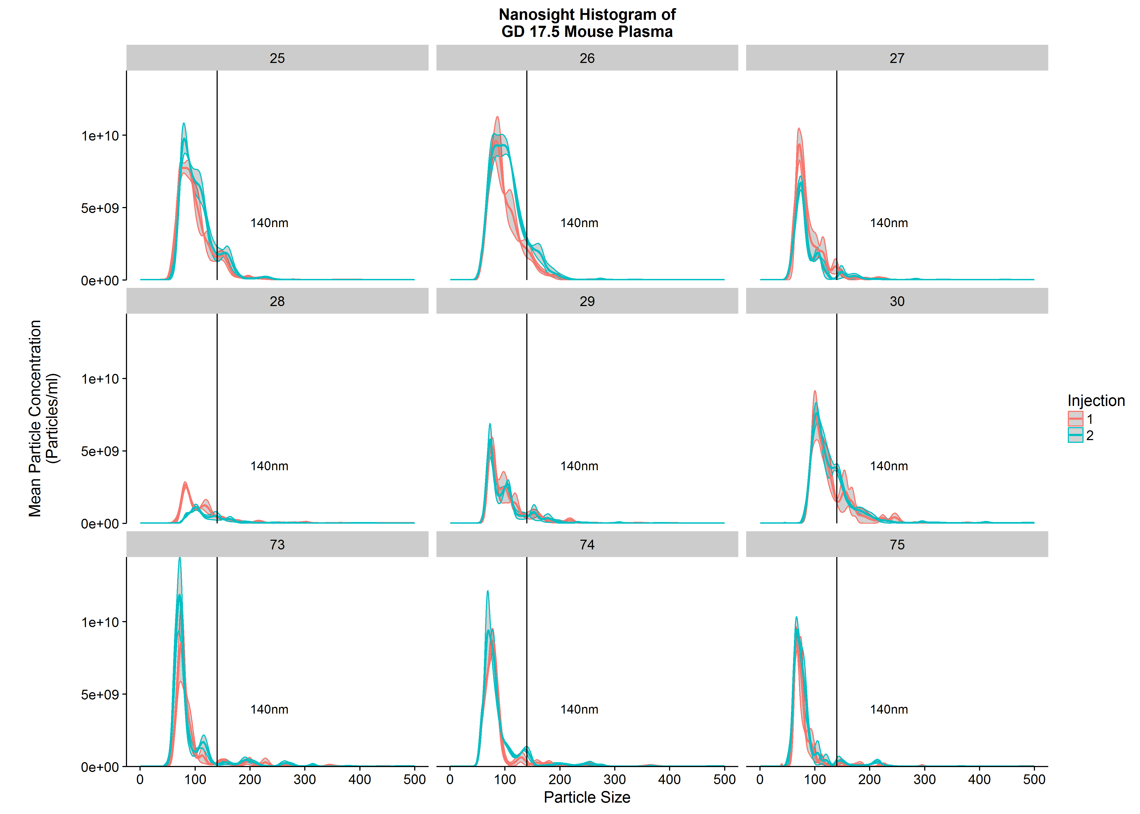
10 | 15 | 1.5487065692E+11
10 | 16 | 118335894500
10 | 17 | 2.5903284817E+11
10 | 18 | 3.6618305183E+11
14 | 19 | 293945711000
14 | 20 | 4.8989915242E+11
14 | 21 | 3.9024338133E+11
14 | 22 | 471071286800
14 | 23 | 3.9689602333E+11
14 | 24 | 235520981100
14 | 70 | 463804072500
17 | 25 | 4.8390962508E+11
17 | 26 | 582858619000 | >1.5 IQR
17 | 27 | 2.6458930387E+11
17 | 28 | 87489377833 | Insufficient sample to rerun
17 | 29 | 2.0602273347E+11
17 | 30 | 371309377900
17 | 73 | 284579231500
17 | 74 | 303659799750
17 | 75 | 2.3389451542E+11
20 | 31 | 210775920500
20 | 32 | 1.2001946492E+11 | >1.5 IQR
20 | 33 | 245099588750
20 | 34 | 2.4475274967E+11
20 | 35 | 211266012500
20 | 36 | 257466440000

