CuongNHQ_UC1
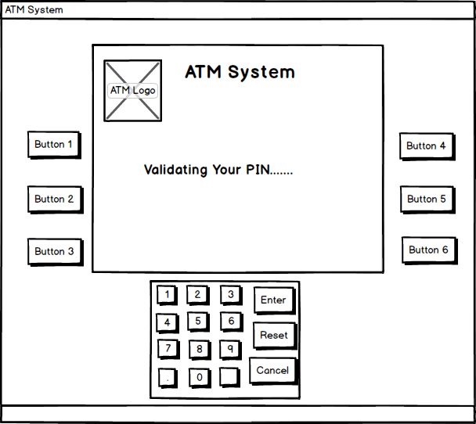
Use case 01: Validation

 | 1. Validate Card

 | SC 01 : Main screen when system validating customer’s card

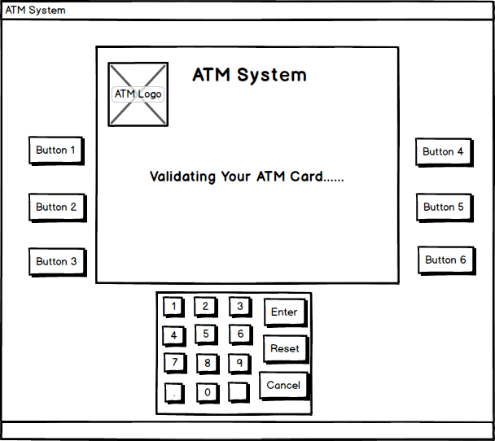

 | SC 02 : Screen when system does not recognize customer’s card is a ATM card or customer insert a card this bank system does not support.
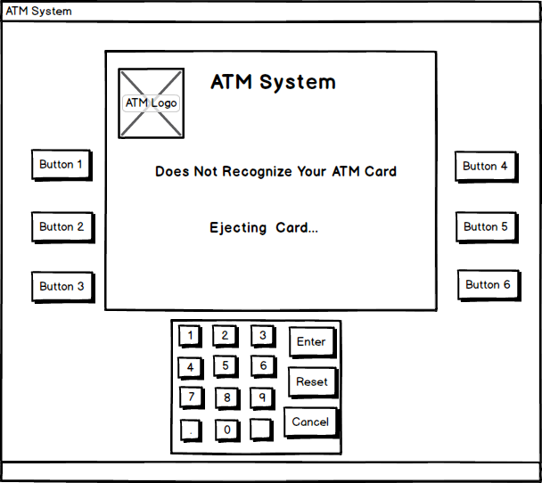

 | 2. Authentication

 | SC 01 : Screen when customer enter their PIN

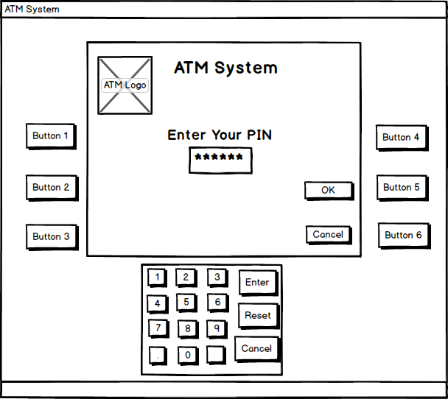

 | SC 02 : Screen when customer enter WRONG PIN, system requires customer to re-enter PIN.

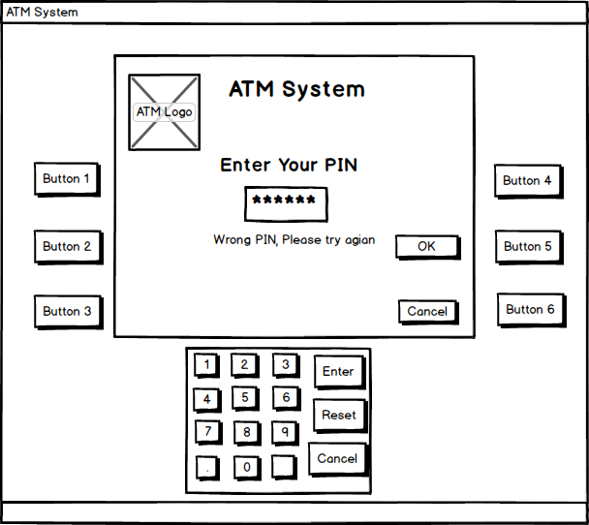

 | SC 03 : Screen when system validating customer PIN.

KhoaTS_UC2
UC02_WithdrawMoney

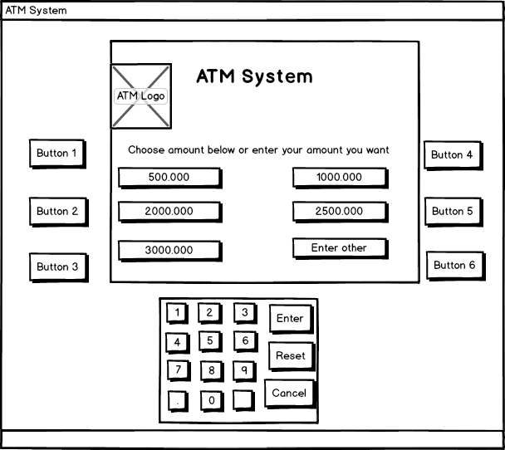

SC01 : Main screen when customer access “Withdraw”

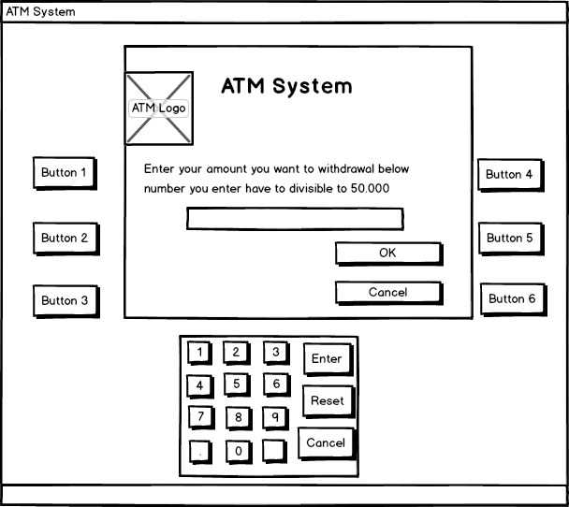

 | SC02: Screen display when customer choose “Enter other” from SC01 screen.

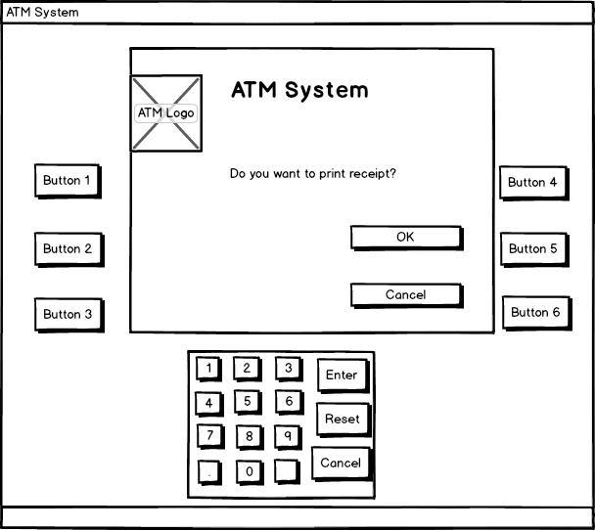

 | SC03: Screen confirm “Print receipt” when customer choose “OK” from SC 01 screen or “OK” from SC 02 screen

HieuLV_UC3
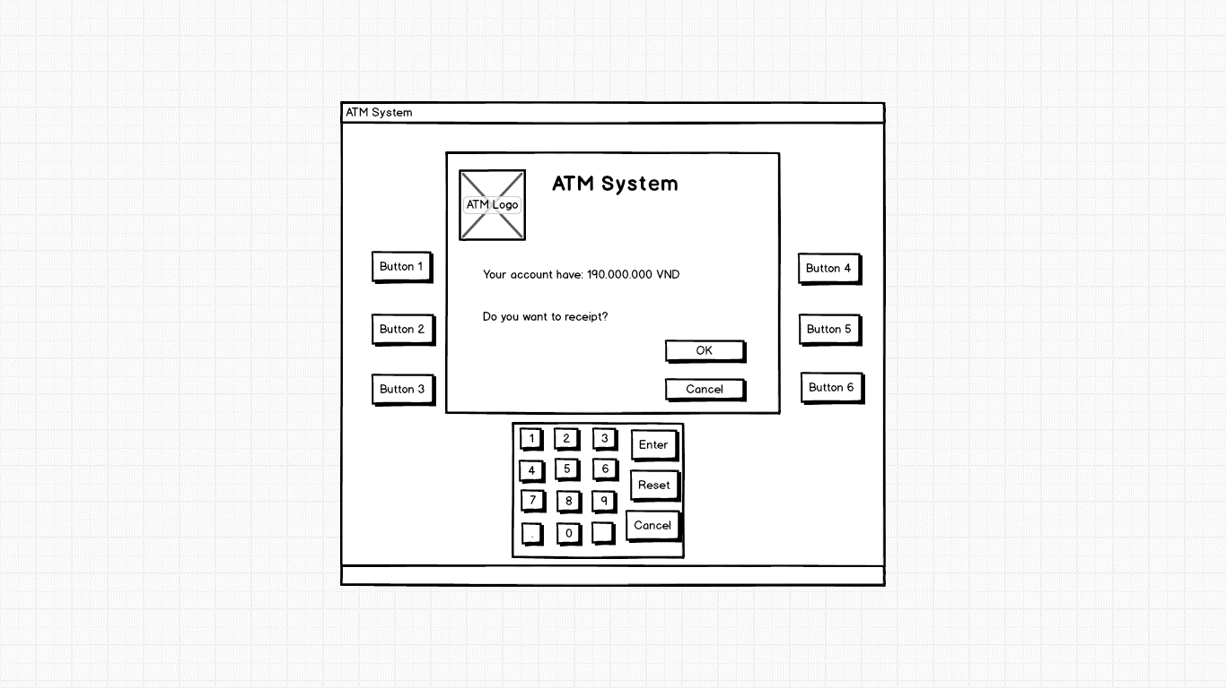
Use case 03: Check Balance
Screen Design & Data Description

MenNT_UC4
UC_4
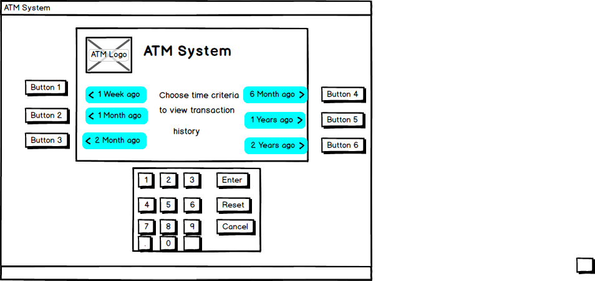

 | SC 01 : Screen list the time criterias to customer to choose

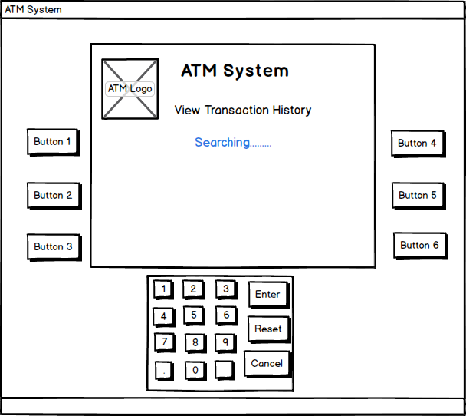

 | SC 02 : Waitted screen when system is searching.

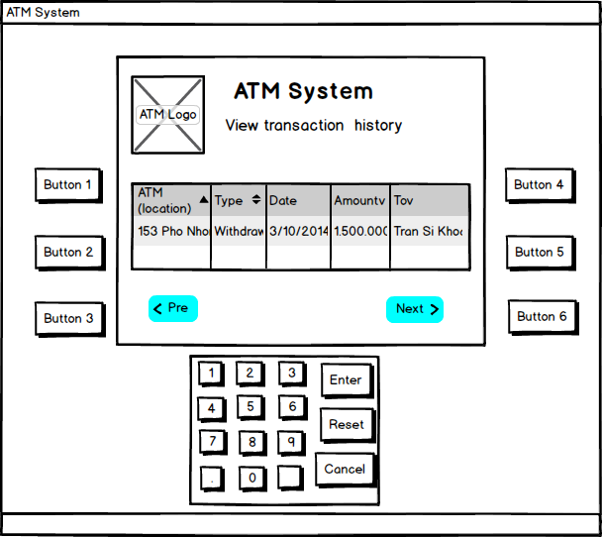

 | SC 03 : Screen show search results paged.

NgocLT_UC5
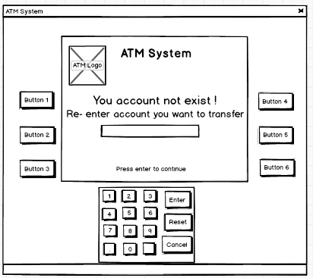
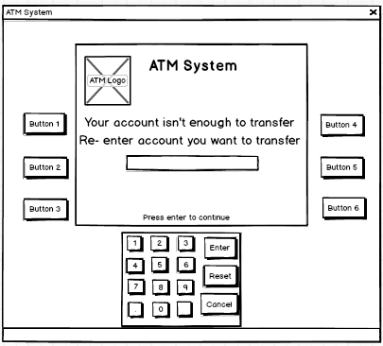
UC5: Cash Transfer

 | Screen 01: Main screen when require customer enter account want to transfer cash, show rules of transfer | Screen 02: Display account transfer and receive account

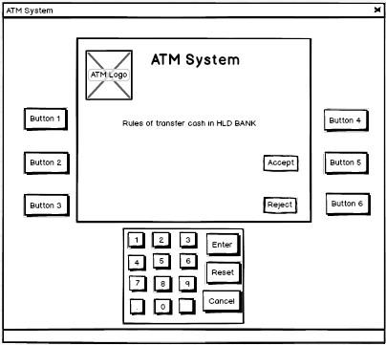
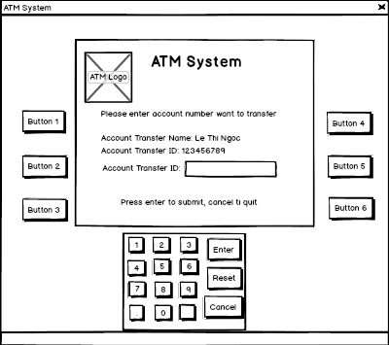

 | Screen 03: Display information about receive account | Screen 04: Display allow customer enter amount which want to transfer

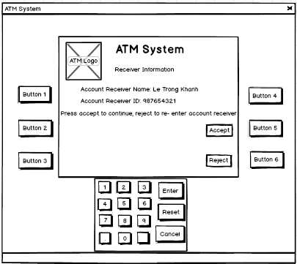
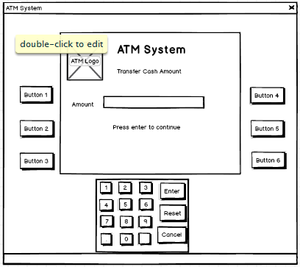

 | Screen 05: Display screen allow customer confirm transfer cash | Screen 06: Display screen allow customer choose receive receipt or not
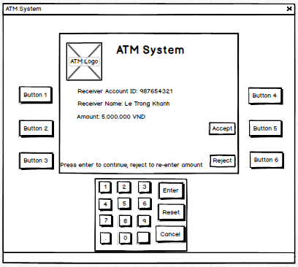
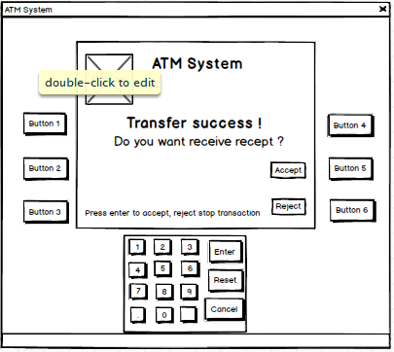

 | Screen 07: Display screen to notice customer that receive account not exist and re-enter account to transfer | Screen 08: Display screen to notice customer that his/her account isn’t enough money to transfer and re-enter amount he/she want to transfer

