README
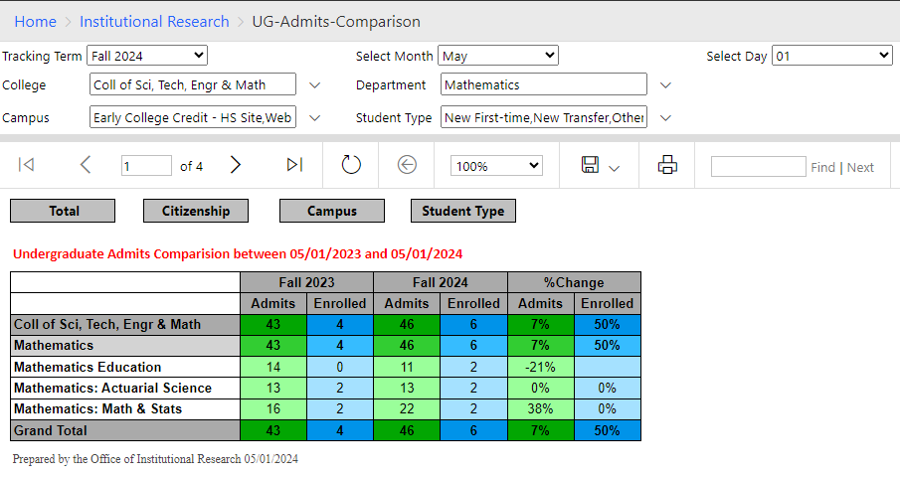
This report is generated in SQL Server Reporting Service (SSRS).

In SSRS website of Southeast Missouri State University, people in Office of Admission can
get the admission comparison of the chosen day and month in the current year compared to
the dd/mm (or the nearest one if the same one of last year is not available).

Also, users can filter by college, department, campus and student type that they would like to see.

There are four types of comparison: total, by citizenship, by campus and by student type.
Users can click to the gray tab to move to the type that they want.

The report is ready for excel/pdf download and print, as you can see in this file.
When users are in "Total" worksheet, they can move to another worksheet by either using
Excel tab or clicking the gray button on the worksheet.

