Information
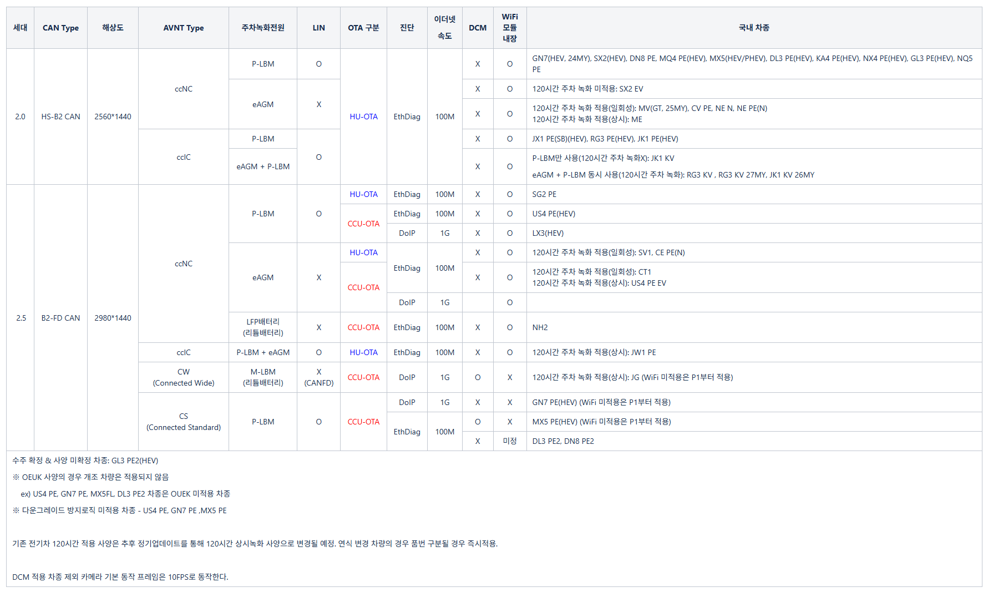
Car type
Generation
CAN-TYPE
AVNT TYPE
OTA
Ethernet speed
HU version

version information |  | version | zip File
Source Version
Target Version | 정상
 | 전자서명 훼손
 | USB, FG 업데이트 Fail

